Structure
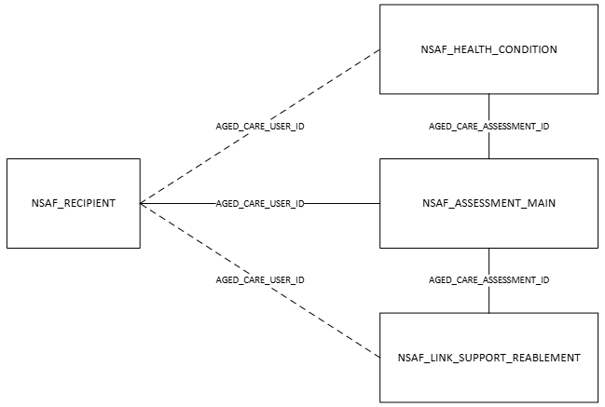
Structure: relational structure of the NACDC tables by aged care program
Return to contents

Home support
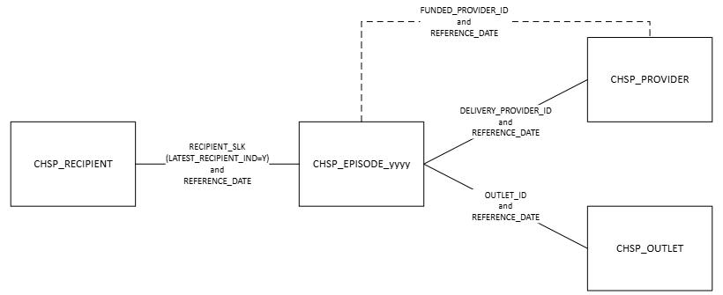

Home care

Residential care
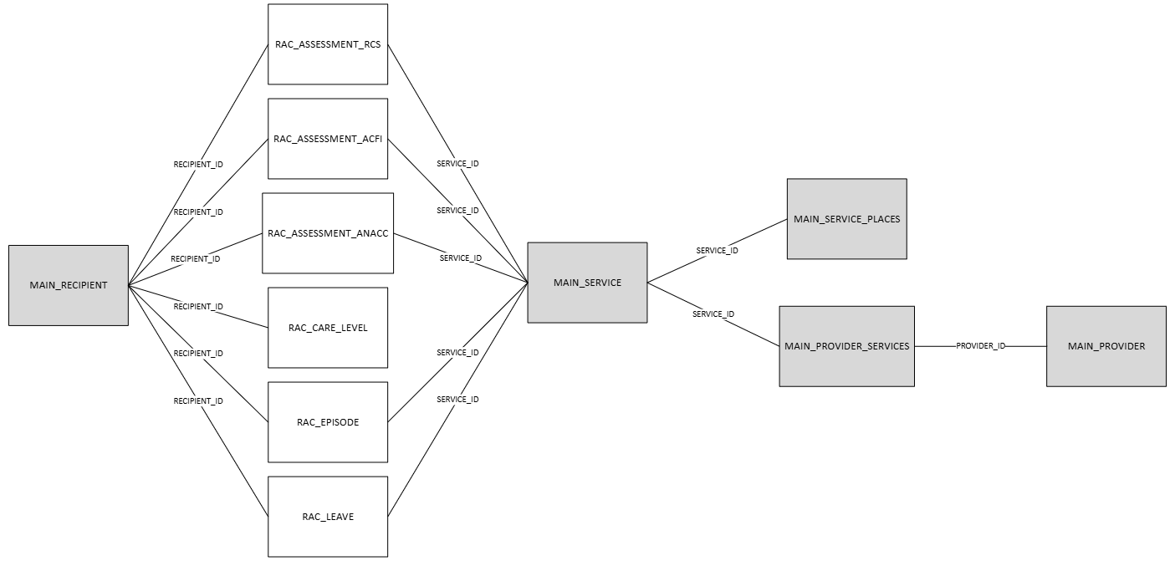

Flexible care

Eligibility assessments

