Search Results
Level | Kết quả tìm kiếm | Screenshot
N1 | 8 courses found | 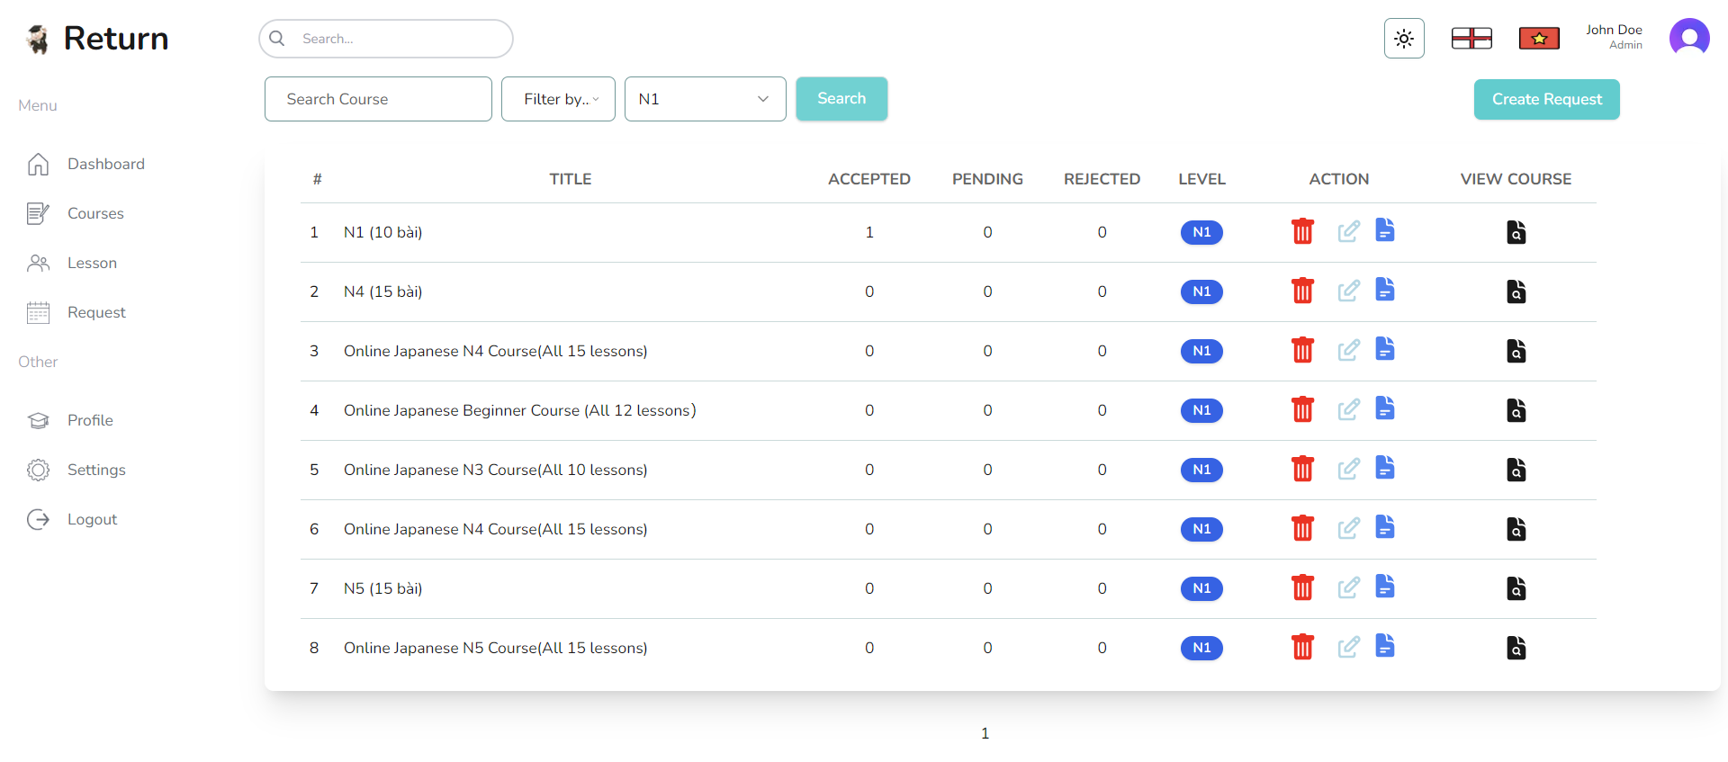
N2 | 5 courses found | 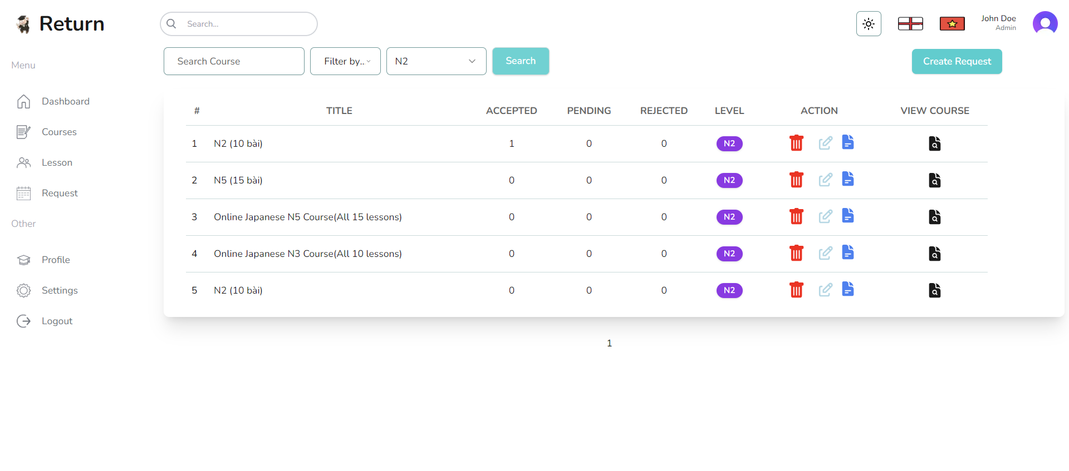
N3 | 4 courses found | 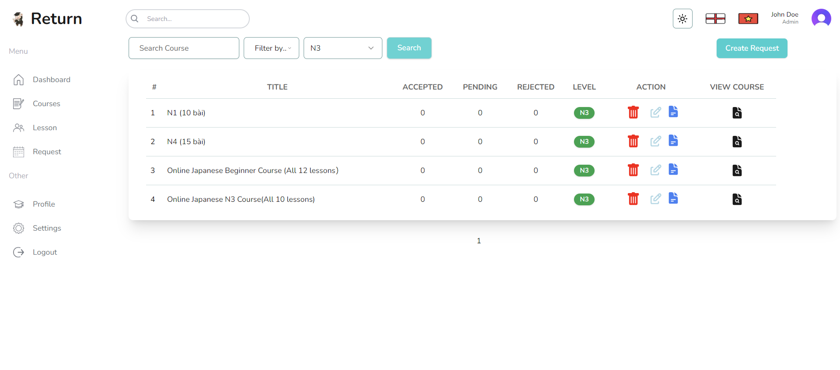
N4 | 1 courses found | 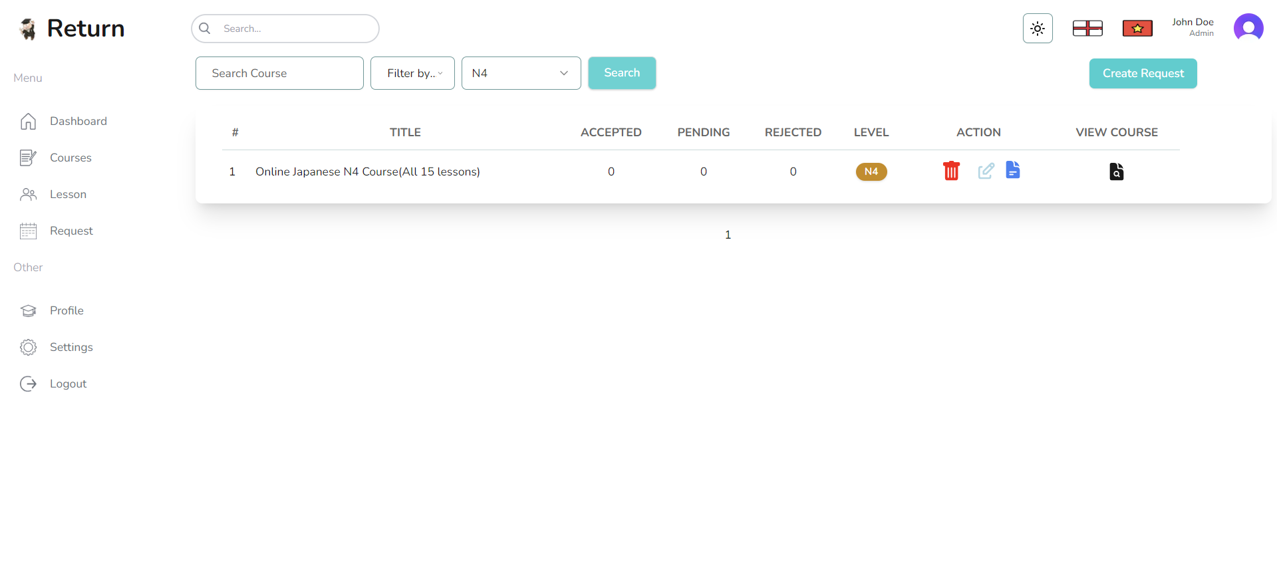
N5 | 6 courses found | 