Search Results
Step | Description | Number of Results | Screenshot
1 | Search 'Online' | 16 | 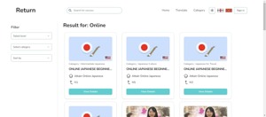
2 | Filter by Level: N1 | 5 | 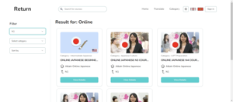
3 | Filter by Category: Japanese Culture | 2 | 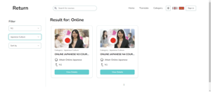
4 | Sort by: Latest | 2 | 

