Giới thiệu dạng bài
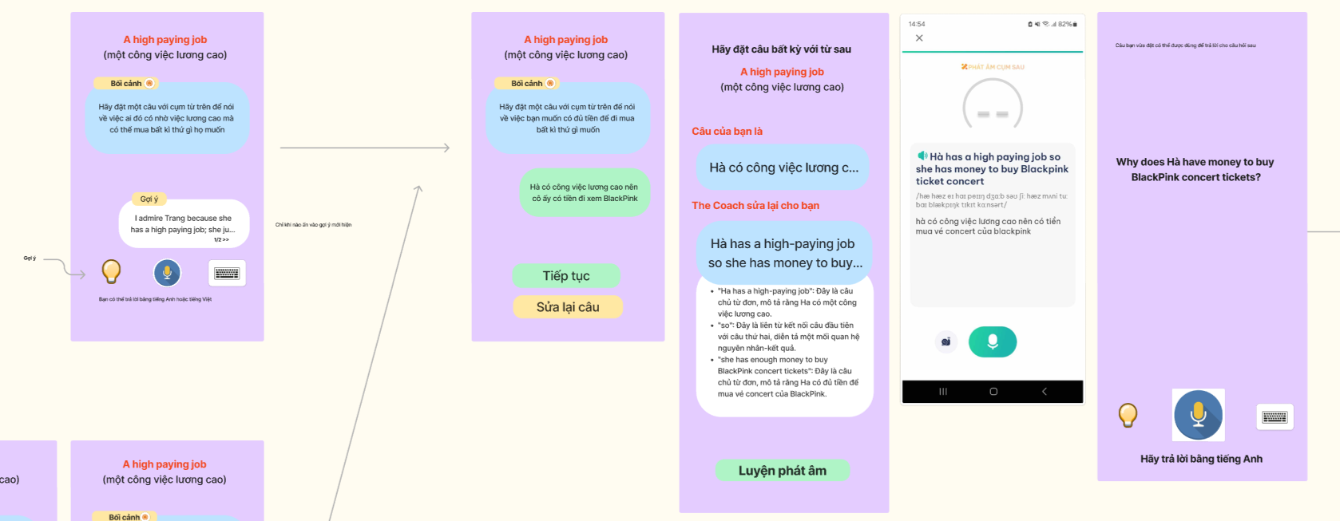
1. Dạng trả lời tranh

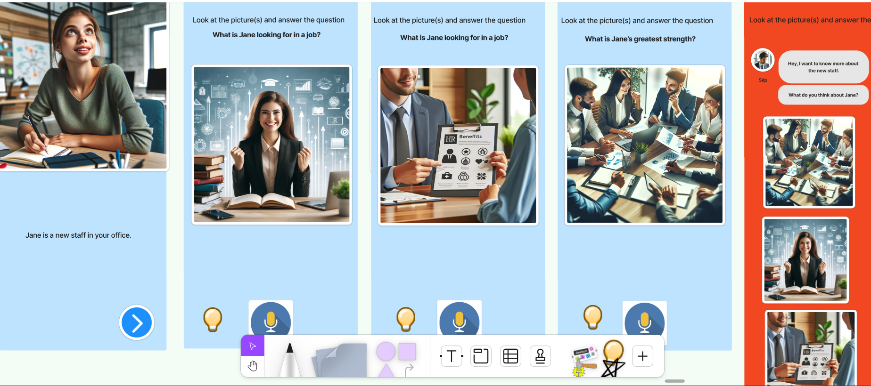

2. Dạng Mini part2

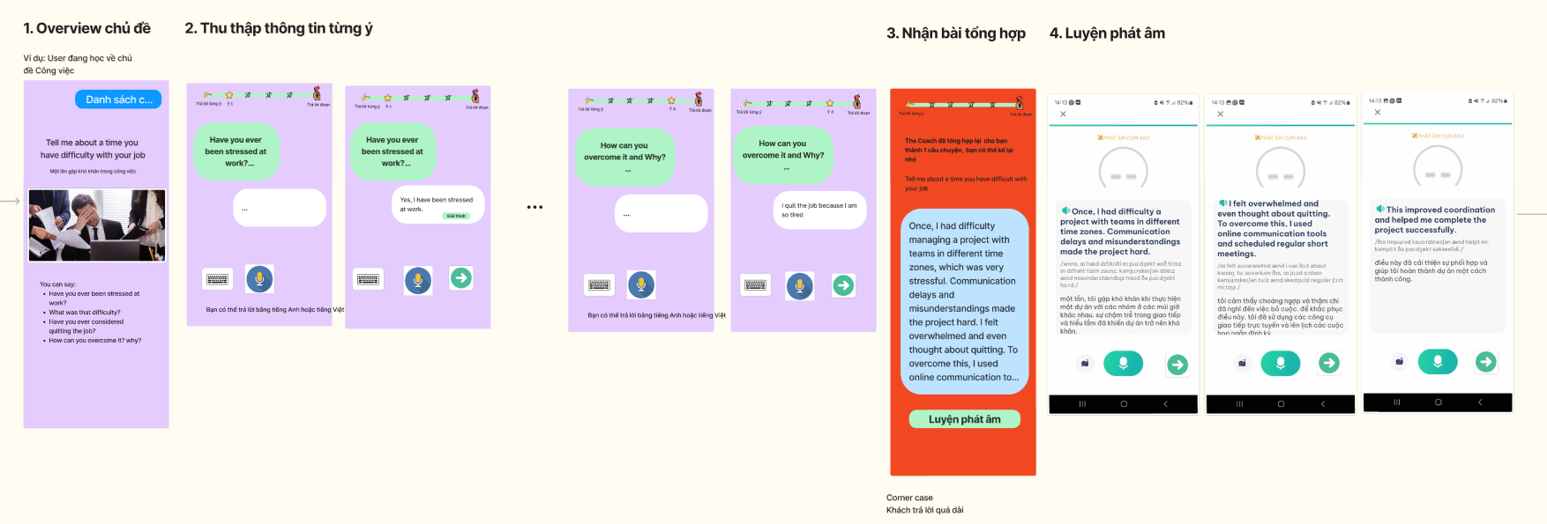

3. Listening (Hands operated)
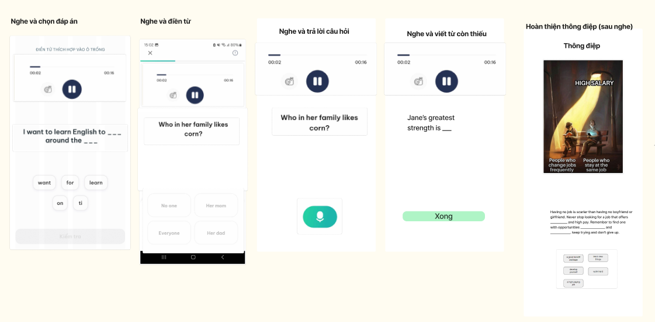

4. Dạng đặt câu tự do

Các dạng bài
Hội thoại mở đầu | 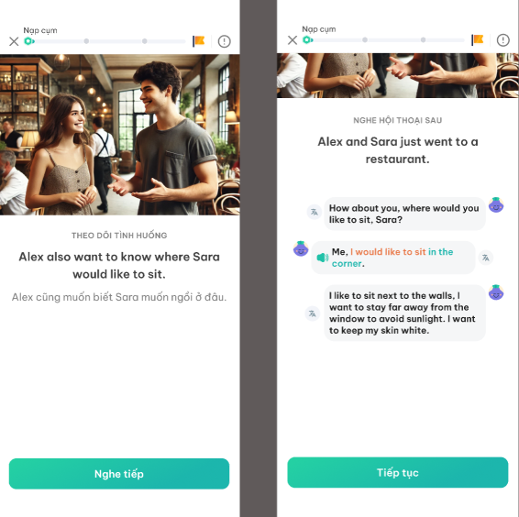 | Video demo: https://drive.google.com/file/d/10XNge1b859jS1zaKtcZ7F4j3dRP-mVBz/view?usp=sharing
Chọn tranh minh họa | 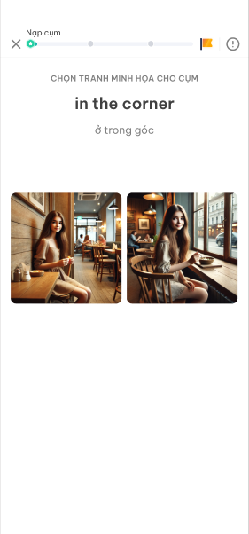
Trả lời theo tranh gợi ý | 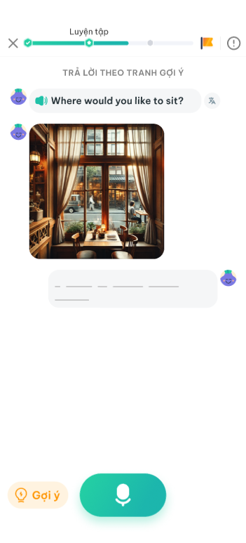
Role play | 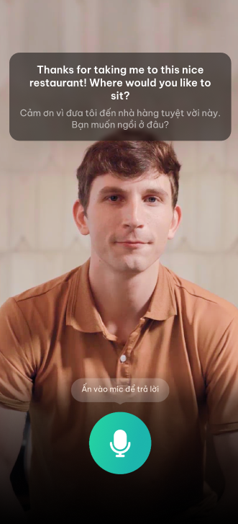

(Cường) Requirement gen ảnh
Dạng bài | Loại ảnh cần gen | Reference |  | Đặc điểm | Số lượng (Cho 1 bài) | Tổng số lượng | Input để gen ảnh
Dạng hội thoại mở đầu | Ảnh thumbnail |  |  | - Kích cỡ tỷ lệ: 3:2 (Khổ chữ nhật) - Khung ngang - Style ảnh: Như style của phần Ôn tập (đã chốt) | 1 | 6 | Link input
 | Avatar nhân vật |  |  | - Kích cỡ tỷ lệ: 1:1 (Khổ vuông) - Style ảnh: Như style của phần Ôn tập (đã chốt) - Cách tạo: Cắt ảnh khổ vuông từ mặt hai nhân vật trong ảnh thumbnail | 2 | 12
Chọn tranh phù hợp | Ảnh cho phương án trả lời |  |  | - Kích cỡ tỷ lệ: 1:1 (Khổ vuông) - Style ảnh: Như style của phần Ôn tập (đã chốt) | 2024-08-06 | 30-54 | Danh sách cụm
Trả lời theo tranh gợi ý 1 (Ngôi thứ nhất) | Ảnh minh họa cho đáp án | 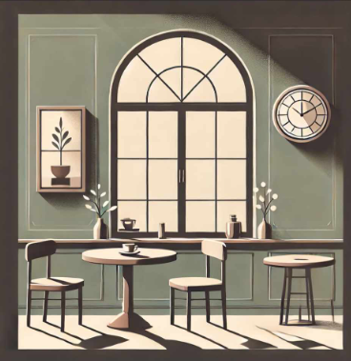 |  | - Kích cỡ tỷ lệ: 1:1 (Khổ vuông) - Style ảnh: Như style của phần Ôn tập (đã chốt) | 3 | 45 | Link input
Trả lời theo tranh gợi ý 2 (Ngôi thứ ba) | Ảnh minh họa cho đáp án | 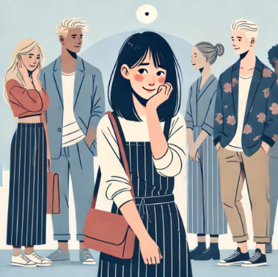 |  | - Kích cỡ tỷ lệ: 1:1 (Khổ vuông) - Style ảnh: Như style của phần Ôn tập (đã chốt) - Highlight nhân vật trong câu input | 3 | 45
Role play | Ảnh tĩnh |  |  | - Kích cỡ tỷ lệ: 3:2 (Khổ chữ nhật) - Khung dọc - Style ảnh: Như style của phần Ôn tập (đã chốt) | 1 | 3 | Link input

