Sheet1
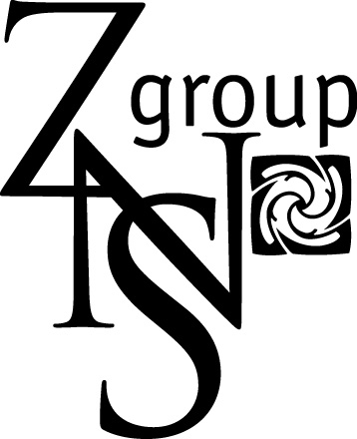
ZNS GROUP LIMITED
P. O. Box 52373-00100, Nairobi , Kenya
PIN NO : P 051623051Z
License NO. L11/05907

COMMERCIAL INVOICE

CONSIGNEE: |  | DATE | 2017-06-15 03:00:00
 |  | COMMERCIAL INVOICE NO. | ZNS-001
 |  | TERMS NET-CPT AMSTERDAM
 |  | AGENT
 |  | MOD OF TRANSPORT

FLT NO.
MAWB
AWB

FARM | BOXES | STEMS | TOTAL FCA
 |  |  | EURO
GRAND TOTAL
 |  | COMMISSION 0.002 PER STEM
 |  | GRAND TOTAL

Approximate NET Weight: | 0.00 | Kgs

The exporter of the products covered by this document declares that, except where otherwise clearly indicated,
these products are of Kenyan preferential origin

Signature: | Place: Athi River | Date: | 2017-06-15

Stamp:

