尺寸
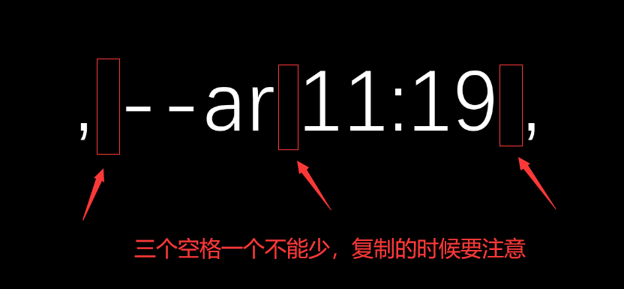
, --ar 11:19 ,

