Sheet1
MON | TUE | WED | THUR | FRI | SAT | SUN |  | TOTAL | LOWEST | HIGHEST | MEAN
10 | 5 | 30 | 20 | 15 | 0 | 50 |  | 130 | 0 | 50 | 18.571428571

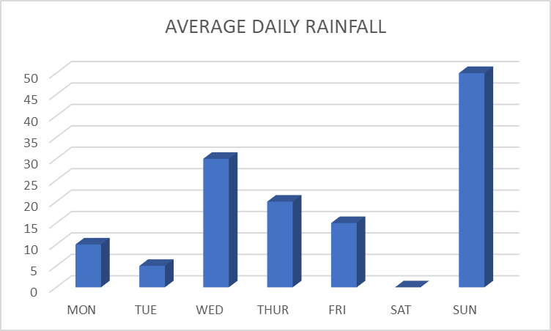

JAN | FEB | MAR | APR | MAY | JUN | JUL | AUG | SEP | OCT | NOV | DEC | TOTAL | MIN | MAX | MEAN
30 | 25 | 55 | 100 | 60 | 40 | 35 | 60 | 35 | 25 | 20 | 10 | 495 | 10 | 100 | 41.25

