Gant
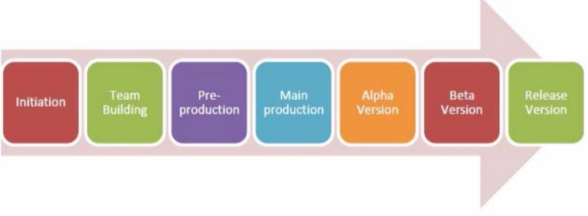

 |  | Week 1 | Week 2 | Week 3 | Week 4 | Week 5 | Week 6 | Week 7 | Week 8 | Week 9 | Week 10 | Week 11 | Week 12
 |  | 28.09.17 | 05.10.17 | 12.10.17 | 19.10.17 | 26.10.17 | 02.11.17
 | Planning
 | Game base
 | Scene Design

