Report
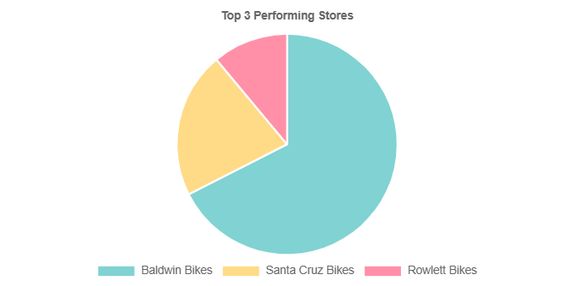
Report | Top 3 Stores
Description | Performance summary of the three stores with the highest sales in Q3 2025, including total products sold per store.
Generated | 2025/11/02 14:11:19

