Data
Cox Electric Breakeven Analysis

Revenue per Unit | $0.65 | Units Sold 2 | 12,000
 |  | Revenue 2 | $7,800.00
Fixed Costs | $10,000.00 | Costs 2 | 180
 |  | Profit 2 | $(2,380.00)
Material Cost per Unit | $0.15
 |  | Goal Seek Units Sold | 15748.03
Labor Cost per Unit | $0.10 | Revenue 3 | $10,236.22
 |  | Costs 3 | 236.22
Units Sold | 10,000 | Profit 3 | $-

Total Revenue | $6,500.00 | Break Even in Units Sold | 15749.00
Costs | $150.00
Profit | $(3,650.00)
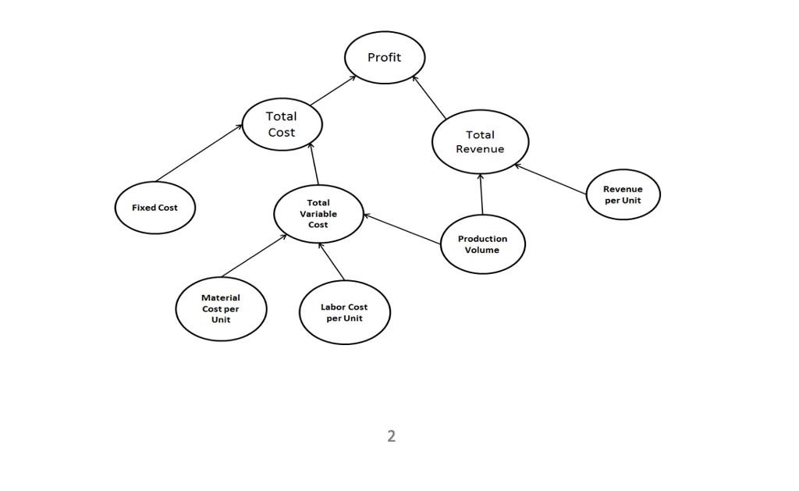
Variable Costs = Labor Costs + Material Cost
Total Cost(q) = Fixed Costs + (Variable Cost * q)
Total Revnue = Rev per Unit * q
Profit = Total Revenue(q) - Total Costs(q)
q = Quantity/Units Sold

