Label Image URL Instructions
*If your company or the winery has vintage-specific labels already available on a website, please navigate to the
label image for the proposed wine sample and copy that URL link into the Sample Info Form.

*If label images are not already available on a website, please upload the label image for the proposed wine sample to
a Google Drive and copy the label image URL link into the Sample Info Form. Instructions to create shared URLs via a
Google Drive are below.

 | INSTRUCTIONS:
 | 1) | On your internet browser, go to Google Drive (www.drive.google.com).

 | 2) | Upload a label image to your drive using one of two methods:

 |  | 2a) | Drag and drop the label image into your drive.

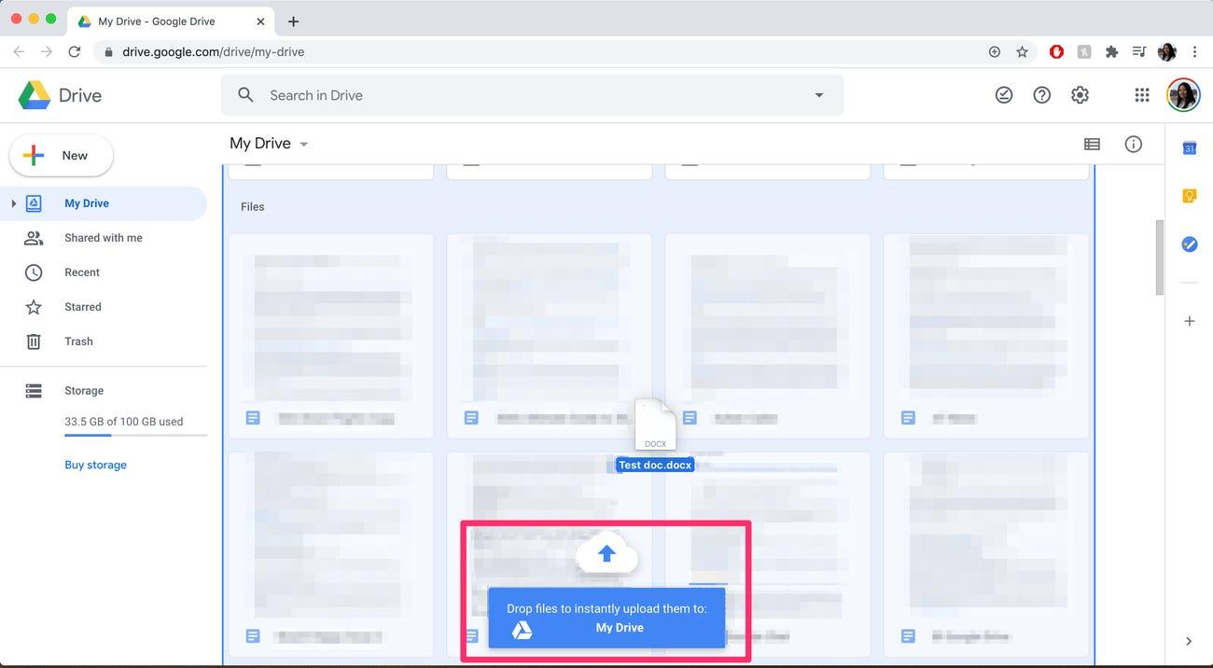

 |  | 2b) | Use the "+ New" button.
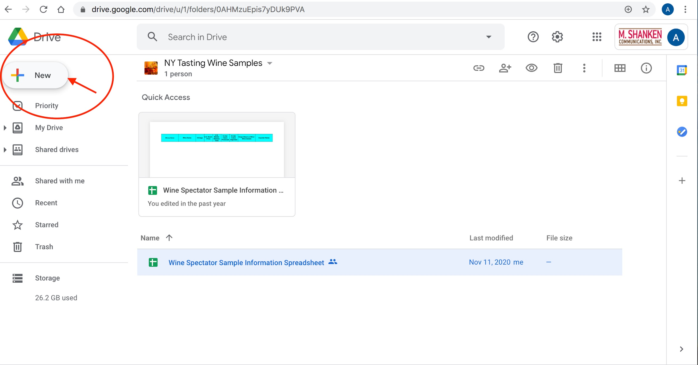
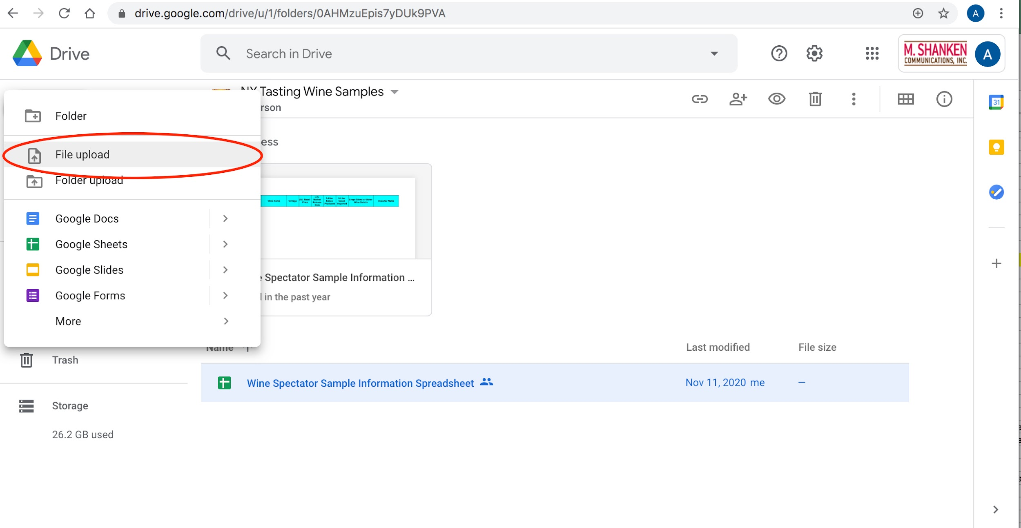

 | 3) | Once the upload is complete, open the file.

 | 4) | Click the icon with three dots arranged vertically, then click "Share."

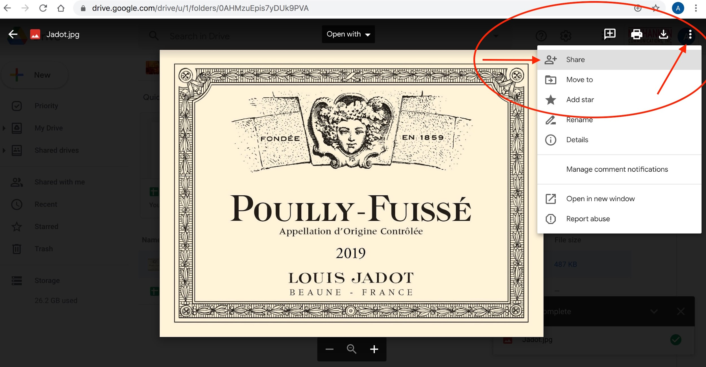

 | 5) | Ignore the Share option titled, "Share with people and groups." Instead, create a shareable link.
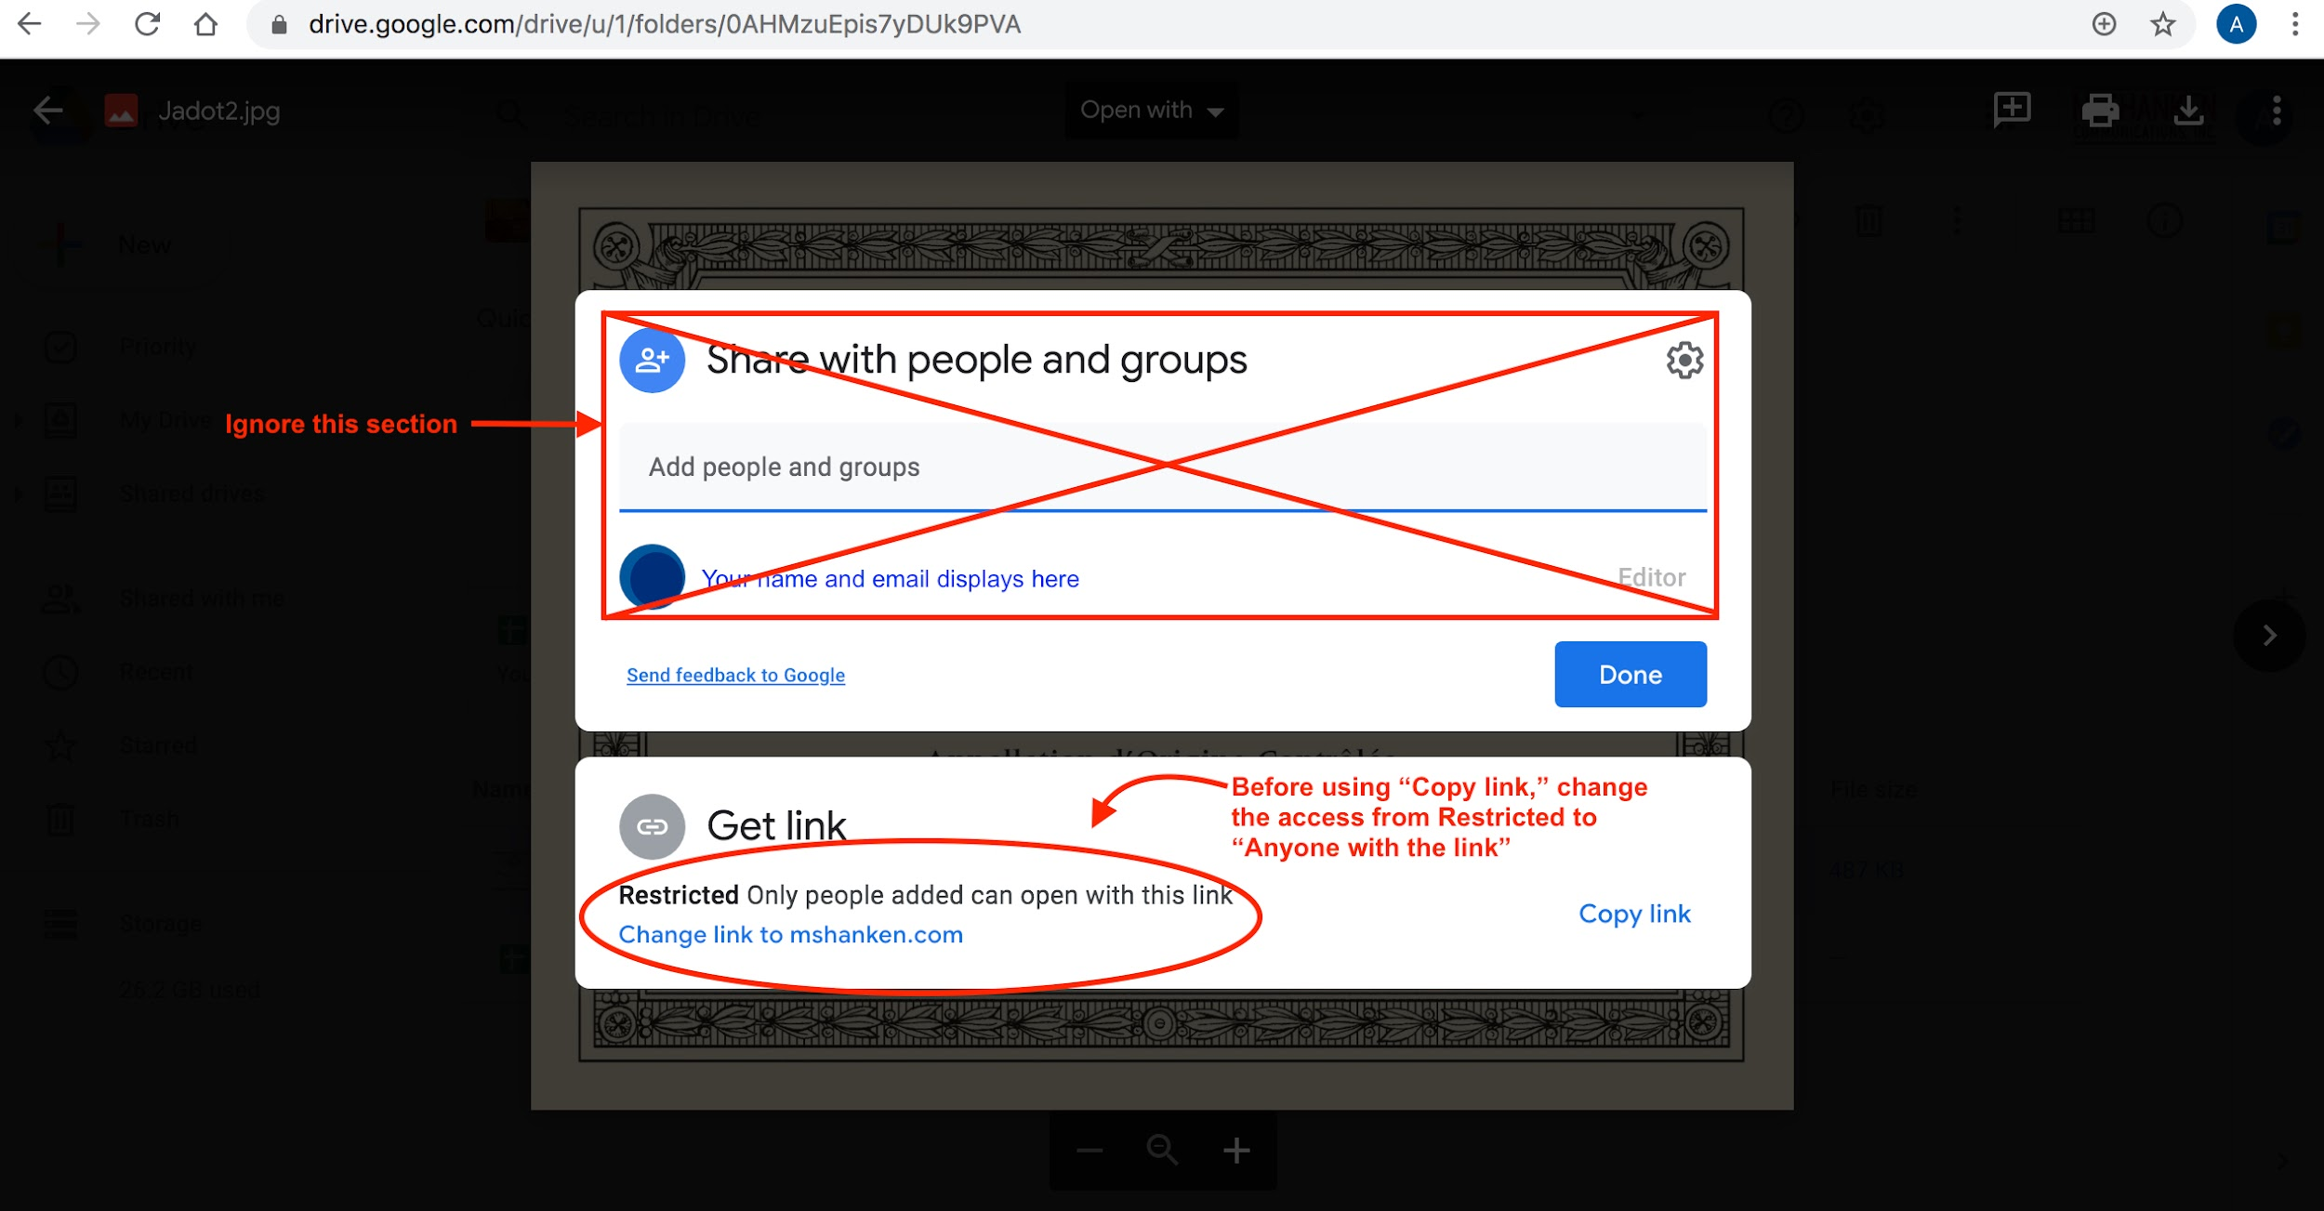

 | 6) | Make sure access to the link is not "Restricted." Access needs to be set to "Anyone with the link."
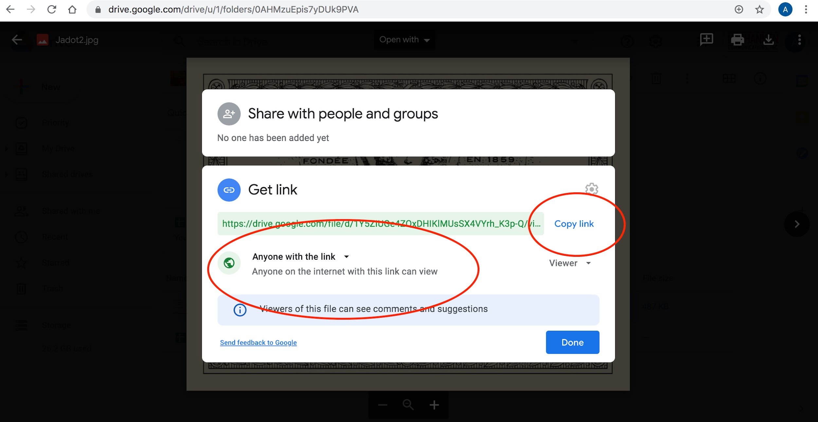

 | 7) | When proper access is set, use the "Copy Link" button to generate a URL and paste this URL into the Sample Info Form.

