Phishing policy
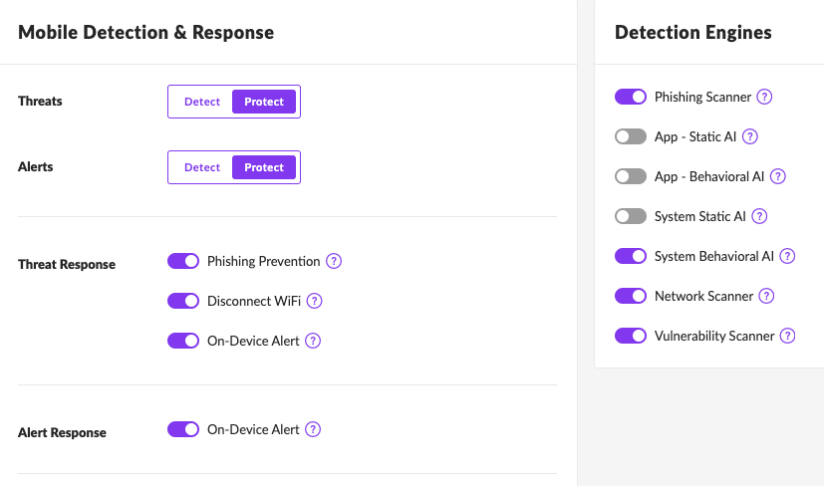
 |  | Zimperium Phishing Policy Page |  |  |  |  | Zimperium Threat Policy
 |  | Enable User-initiated URL Sharing | Create VPN on activation | Allow End User Control | Block detected phishing URLs | Enable content inspection on remote server | Phishing link tapped | Phishing link visited
Phishing Scaner Engine: off | Phishing Prevention: off | TRUE | FALSE | FALSE | FALSE | FALSE | FALSE | FALSE
Phishing Scaner Engine: on | Phishing Prevention: off | TRUE | TRUE | TRUE | FALSE | TRUE | TRUE | TRUE
Phishing Scaner Engine: on | Phishing Prevention: on | TRUE | TRUE | FALSE | TRUE | TRUE | TRUE | TRUE

