TestConfig
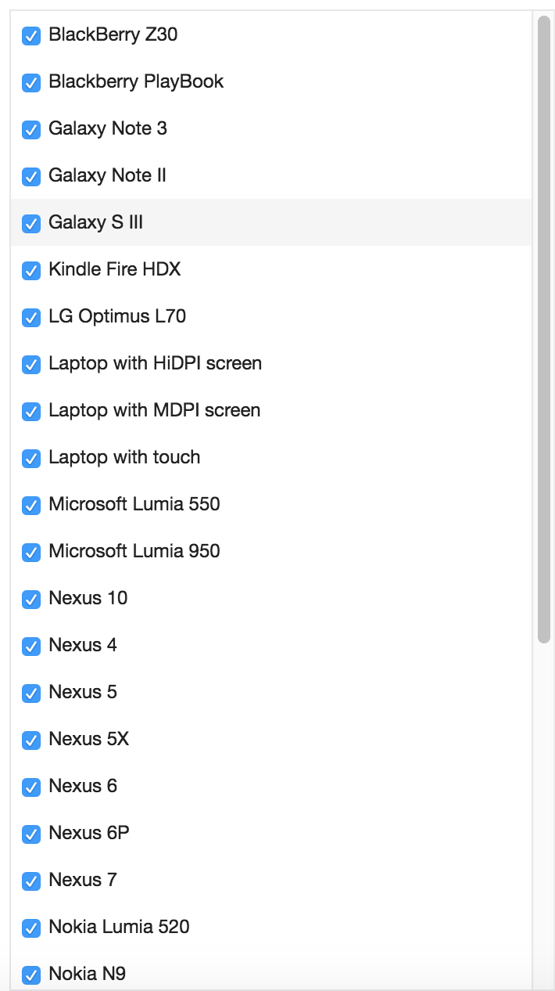
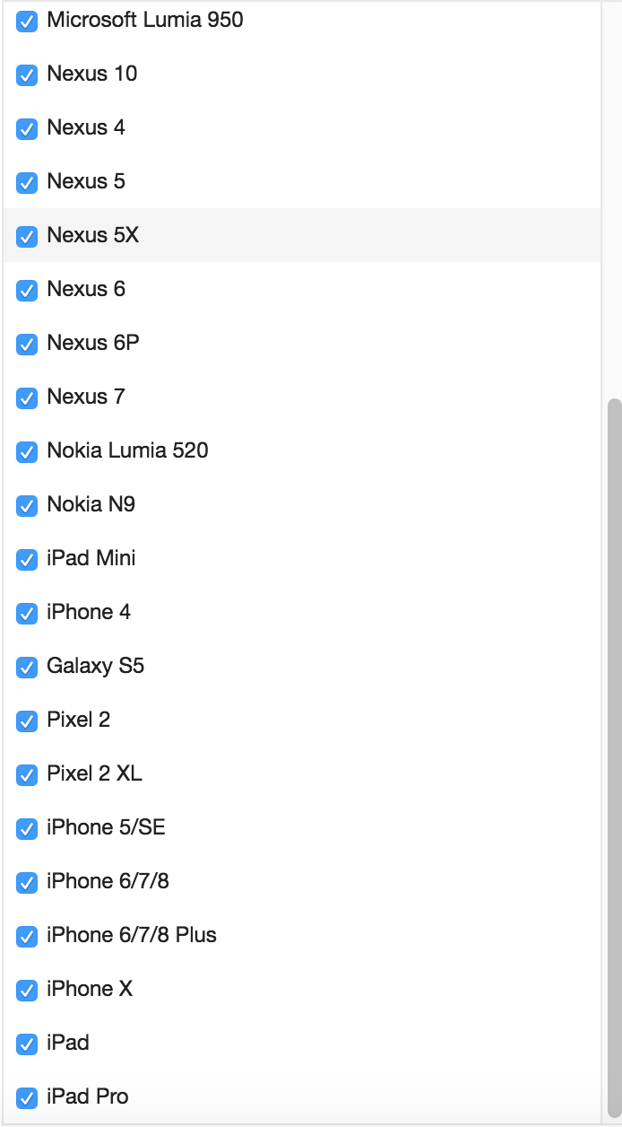
0 | 1 | 2 | 3 | 4
Test Environment | IsDevEnvironment (Y/N) | Browser | ResponsiveMode(Y/N) - available only for chrome | Emulator Name
d | N | chrome | N | Nexus 7

The responsive mode is available only on Chrome. To run on a specific emulator just update the browser to Chrome and the emulator name.

List of emulators available on Chrome:

