COCO_sta
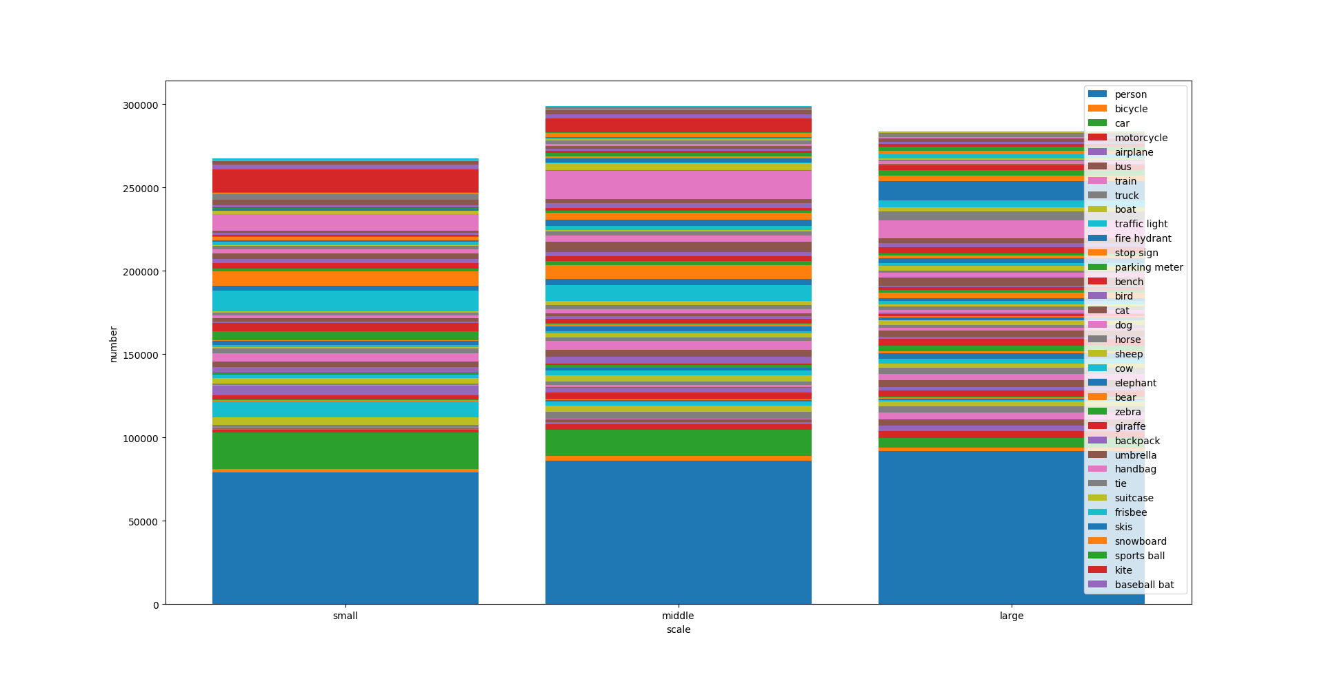
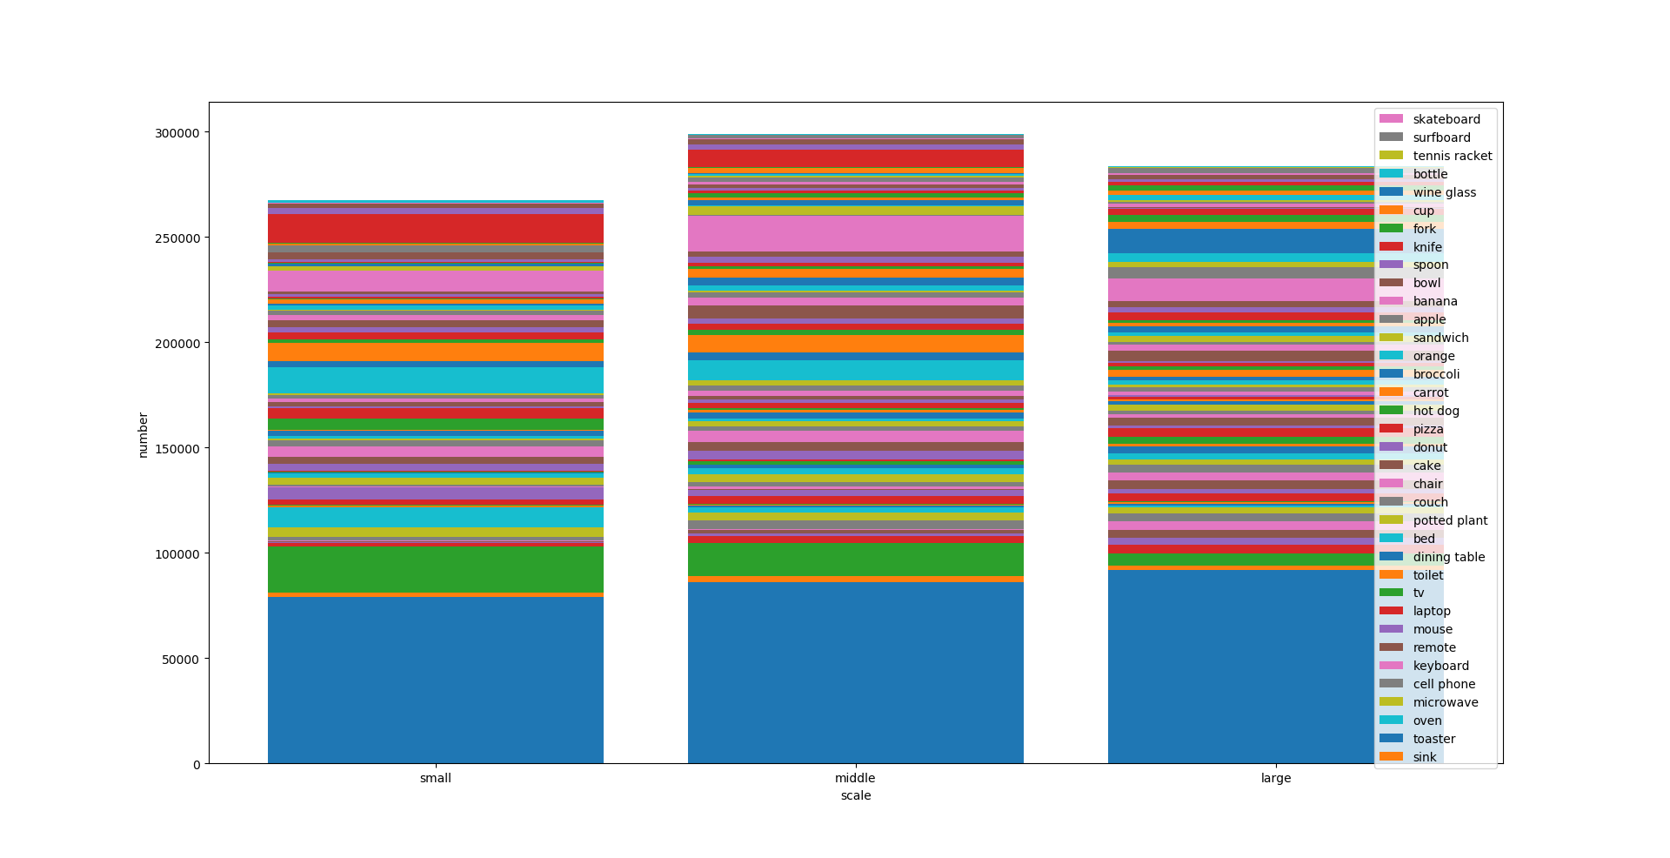
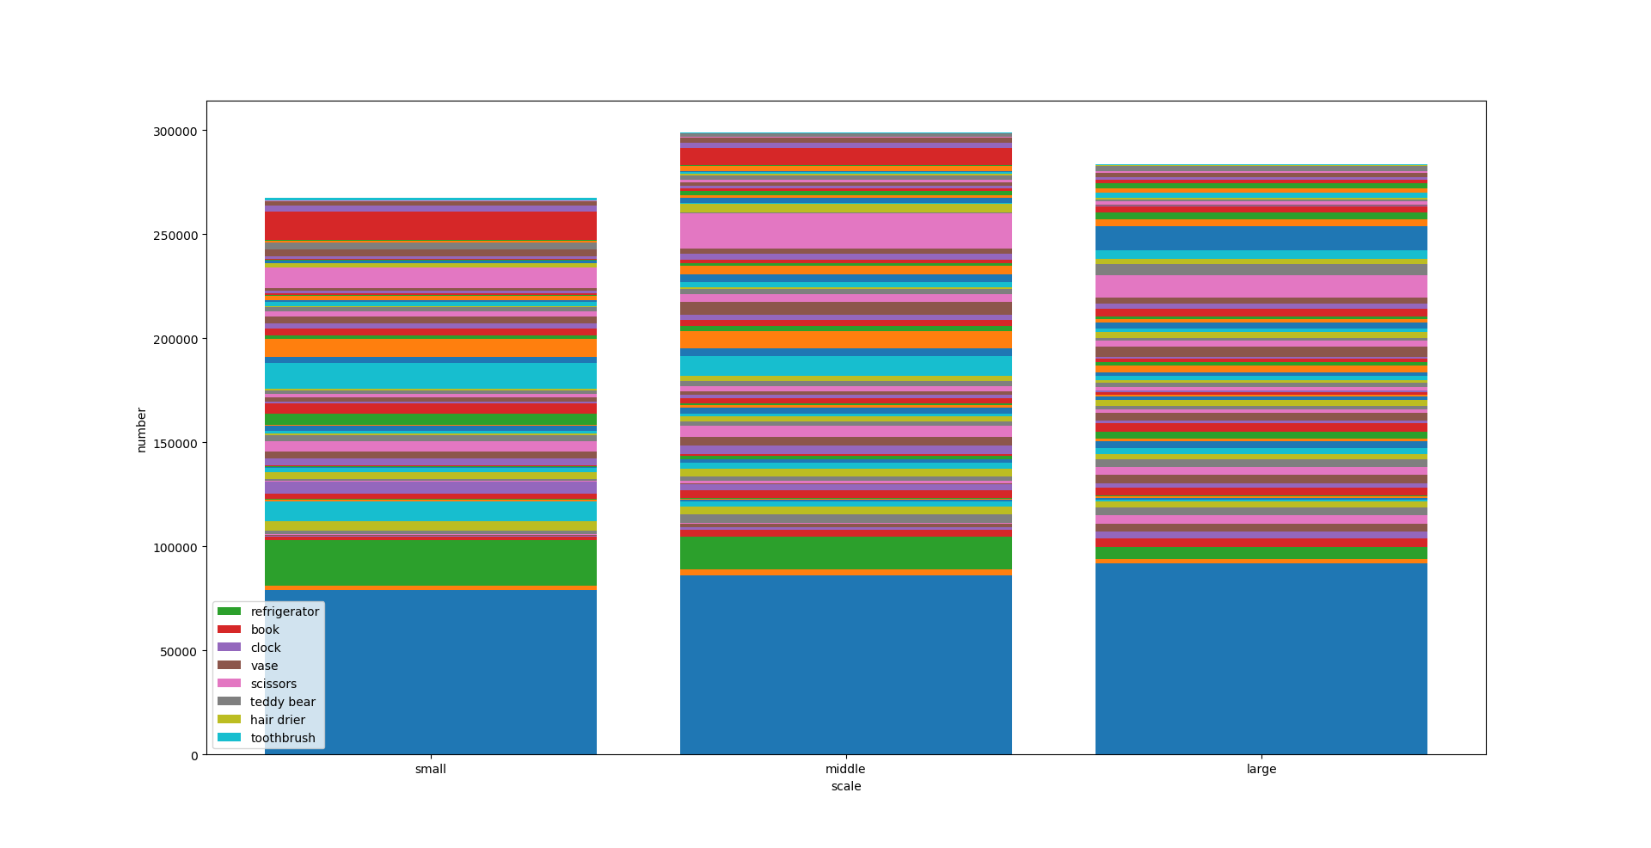
 | person | bicycle | car | motorcycle | airplane | bus | train | truck | boat | traffic light | fire hydrant | stop sign | parking meter | bench | bird | cat | dog | horse | sheep | cow | elephant | bear | zebra | giraffe | backpack | umbrella | handbag | tie | suitcase | frisbee | skis | snowboard | sports ball | kite | baseball bat | baseball glove | skateboard | surfboard | tennis racket | bottle | wine glass | cup | fork | knife | spoon | bowl | banana | apple | sandwich | orange | broccoli | carrot | hot dog | pizza | donut | cake | chair | couch | potted plant | bed | dining table | toilet | tv | laptop | mouse | remote | keyboard | cell phone | microwave | oven | toaster | sink | refrigerator | book | clock | vase | scissors | teddy bear | hair drier | toothbrush
ALL (%) | 30.3 | 0.8 | 5.1 | 1 | 0.6 | 0.7 | 0.5 | 1.2 | 1.2 | 1.5 | 0.2 | 0.2 | 0.2 | 1.2 | 1.2 | 0.6 | 0.6 | 0.8 | 1.1 | 0.9 | 0.6 | 0.2 | 0.6 | 0.6 | 1 | 1.3 | 1.5 | 0.8 | 0.7 | 0.3 | 0.8 | 0.3 | 0.7 | 1 | 0.4 | 0.4 | 0.7 | 0.7 | 0.6 | 2.8 | 0.9 | 2.4 | 0.6 | 0.9 | 0.7 | 1.7 | 1.1 | 0.7 | 0.5 | 0.7 | 0.9 | 0.9 | 0.3 | 0.7 | 0.8 | 0.7 | 4.5 | 0.7 | 1 | 0.5 | 1.8 | 0.5 | 0.7 | 0.6 | 0.3 | 0.7 | 0.3 | 0.8 | 0.2 | 0.4 | 0 | 0.7 | 0.3 | 2.8 | 0.7 | 0.8 | 0.2 | 0.6 | 0 | 0.2
Small (%) | 9.3 | 0.2 | 2.6 | 0.2 | 0.1 | 0.1 | 0 | 0.2 | 0.5 | 1.1 | 0 | 0.1 | 0.1 | 0.3 | 0.7 | 0 | 0.1 | 0.1 | 0.4 | 0.3 | 0.1 | 0 | 0 | 0 | 0.4 | 0.4 | 0.6 | 0.3 | 0.1 | 0.1 | 0.3 | 0.1 | 0.6 | 0.6 | 0.1 | 0.2 | 0.2 | 0.2 | 0.1 | 1.4 | 0.4 | 1 | 0.2 | 0.4 | 0.3 | 0.4 | 0.3 | 0.2 | 0 | 0.3 | 0.1 | 0.3 | 0.1 | 0.1 | 0.2 | 0.1 | 1.2 | 0 | 0.2 | 0 | 0.2 | 0 | 0 | 0 | 0.1 | 0.4 | 0 | 0.4 | 0 | 0 | 0 | 0.1 | 0 | 1.6 | 0.3 | 0.3 | 0 | 0 | 0 | 0.1
Mid (%) | 10.1 | 0.3 | 1.8 | 0.4 | 0.2 | 0.2 | 0.1 | 0.5 | 0.4 | 0.3 | 0.1 | 0.1 | 0 | 0.5 | 0.3 | 0.1 | 0.2 | 0.2 | 0.4 | 0.3 | 0.2 | 0 | 0.2 | 0.1 | 0.5 | 0.5 | 0.6 | 0.3 | 0.3 | 0.1 | 0.3 | 0.1 | 0.1 | 0.3 | 0.2 | 0.2 | 0.3 | 0.3 | 0.3 | 1.1 | 0.4 | 1 | 0.3 | 0.3 | 0.3 | 0.7 | 0.5 | 0.3 | 0.1 | 0.3 | 0.4 | 0.5 | 0.1 | 0.2 | 0.4 | 0.3 | 2 | 0.1 | 0.5 | 0 | 0.3 | 0.1 | 0.3 | 0.2 | 0.1 | 0.2 | 0.1 | 0.3 | 0.1 | 0.1 | 0 | 0.3 | 0 | 1 | 0.3 | 0.3 | 0.1 | 0.2 | 0 | 0.1
Large (%) | 10.8 | 0.3 | 0.7 | 0.5 | 0.4 | 0.5 | 0.5 | 0.5 | 0.3 | 0.1 | 0.1 | 0.1 | 0.1 | 0.4 | 0.3 | 0.5 | 0.4 | 0.4 | 0.3 | 0.3 | 0.4 | 0.1 | 0.4 | 0.5 | 0.2 | 0.4 | 0.2 | 0.2 | 0.3 | 0 | 0.2 | 0.1 | 0 | 0.2 | 0.1 | 0 | 0.2 | 0.2 | 0.2 | 0.3 | 0.2 | 0.4 | 0.2 | 0.2 | 0.1 | 0.6 | 0.3 | 0.2 | 0.3 | 0.2 | 0.3 | 0.2 | 0.2 | 0.4 | 0.3 | 0.4 | 1.3 | 0.6 | 0.3 | 0.5 | 1.4 | 0.4 | 0.4 | 0.4 | 0 | 0.1 | 0.2 | 0.1 | 0.1 | 0.3 | 0 | 0.3 | 0.3 | 0.2 | 0.1 | 0.2 | 0.1 | 0.3 | 0 | 0.1

ALL: | 257249 | 7056 | 43532 | 8654 | 5129 | 6061 | 4570 | 9970 | 10575 | 12841 | 1865 | 1983 | 1283 | 9820 | 10537 | 4766 | 5500 | 6567 | 9223 | 8014 | 5484 | 1294 | 5269 | 5128 | 8713 | 11265 | 12341 | 6445 | 6112 | 2681 | 6616 | 2676 | 6299 | 8801 | 3273 | 3747 | 5536 | 6091 | 4803 | 24070 | 7839 | 20574 | 5474 | 7759 | 6158 | 14323 | 9195 | 5776 | 4356 | 6302 | 7261 | 7758 | 2883 | 5807 | 7005 | 6296 | 38071 | 5779 | 8631 | 4192 | 15695 | 4149 | 5803 | 4960 | 2261 | 5700 | 2854 | 6420 | 1672 | 3334 | 225 | 5609 | 2634 | 24075 | 6320 | 6577 | 1464 | 4729 | 198 | 1945
Small | 79217 | 1895 | 22068 | 1393 | 588 | 514 | 99 | 2011 | 4219 | 9476 | 373 | 545 | 542 | 2481 | 5605 | 61 | 432 | 849 | 3143 | 2375 | 445 | 21 | 406 | 163 | 3227 | 3270 | 5268 | 2711 | 945 | 1065 | 2417 | 808 | 5144 | 5132 | 839 | 2058 | 1429 | 1648 | 928 | 12296 | 2997 | 8593 | 1549 | 3332 | 2556 | 3543 | 2393 | 2030 | 373 | 2195 | 690 | 2129 | 468 | 516 | 1561 | 897 | 10298 | 26 | 1762 | 19 | 1352 | 90 | 351 | 356 | 1047 | 3318 | 279 | 3118 | 108 | 57 | 34 | 921 | 11 | 13993 | 2544 | 2190 | 295 | 314 | 37 | 877
Mid | 86199 | 2899 | 15712 | 3089 | 1378 | 1689 | 542 | 3960 | 3659 | 2728 | 474 | 570 | 310 | 3825 | 2781 | 603 | 1312 | 2080 | 3538 | 2874 | 1578 | 187 | 1503 | 902 | 3963 | 4360 | 5218 | 2269 | 2473 | 1264 | 2762 | 1042 | 1031 | 2367 | 1786 | 1548 | 2693 | 2439 | 2554 | 9494 | 3352 | 8403 | 2478 | 2966 | 2546 | 5915 | 3923 | 2311 | 1166 | 2452 | 3647 | 4204 | 1127 | 1476 | 3125 | 2343 | 16826 | 731 | 4100 | 202 | 2732 | 900 | 2196 | 1413 | 968 | 1755 | 1193 | 2254 | 849 | 888 | 143 | 2512 | 420 | 8149 | 2569 | 2436 | 484 | 1543 | 99 | 624
Large | 91833 | 2262 | 5752 | 4172 | 3163 | 3858 | 3929 | 3999 | 2697 | 637 | 1018 | 868 | 431 | 3514 | 2151 | 4102 | 3756 | 3638 | 2542 | 2765 | 3461 | 1086 | 3360 | 4063 | 1523 | 3635 | 1855 | 1465 | 2694 | 352 | 1437 | 826 | 124 | 1302 | 648 | 141 | 1414 | 2004 | 1321 | 2280 | 1490 | 3578 | 1447 | 1461 | 1056 | 4865 | 2879 | 1435 | 2817 | 1655 | 2924 | 1425 | 1288 | 3815 | 2319 | 3056 | 10947 | 5022 | 2769 | 3971 | 11611 | 3159 | 3256 | 3191 | 246 | 627 | 1382 | 1048 | 715 | 2389 | 48 | 2176 | 2203 | 1933 | 1207 | 1951 | 685 | 2872 | 62 | 444

因为类别太多了下面的标签会叠在一起，所以按照下面的方式展示。
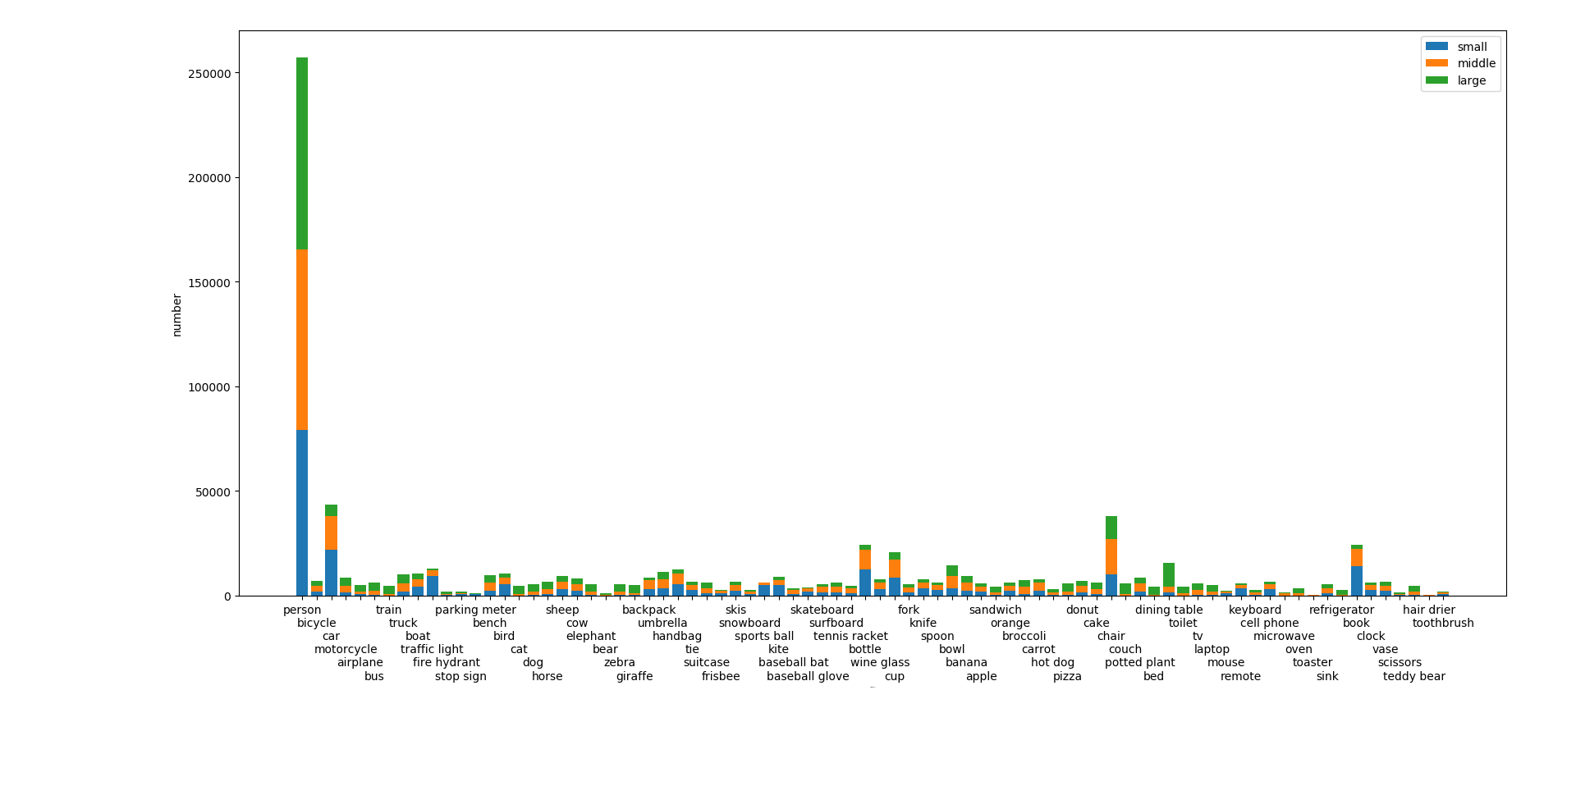
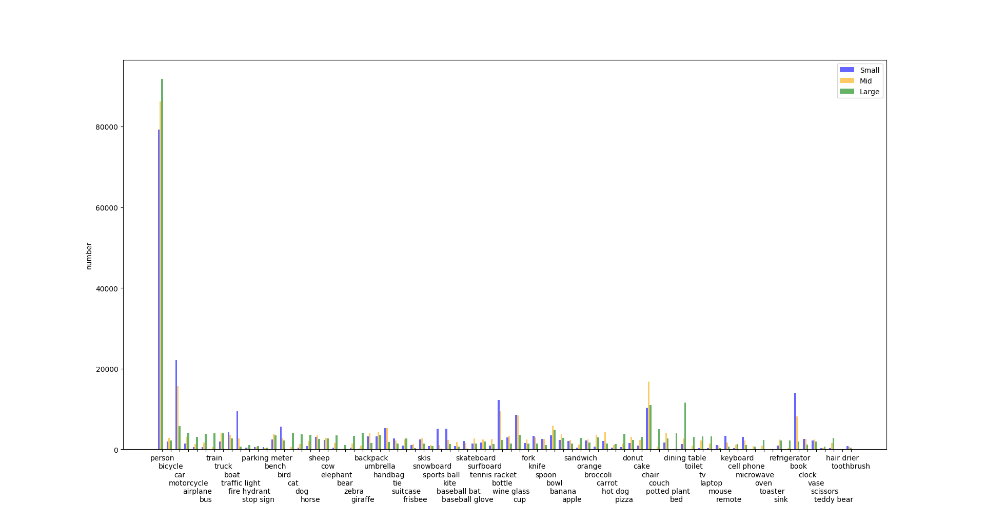

因为标签太多了，无法一张图片显示完毕，所以分三张图片显示，每张图片只有标签不一样，柱子是完全一样的

