VOC_sta
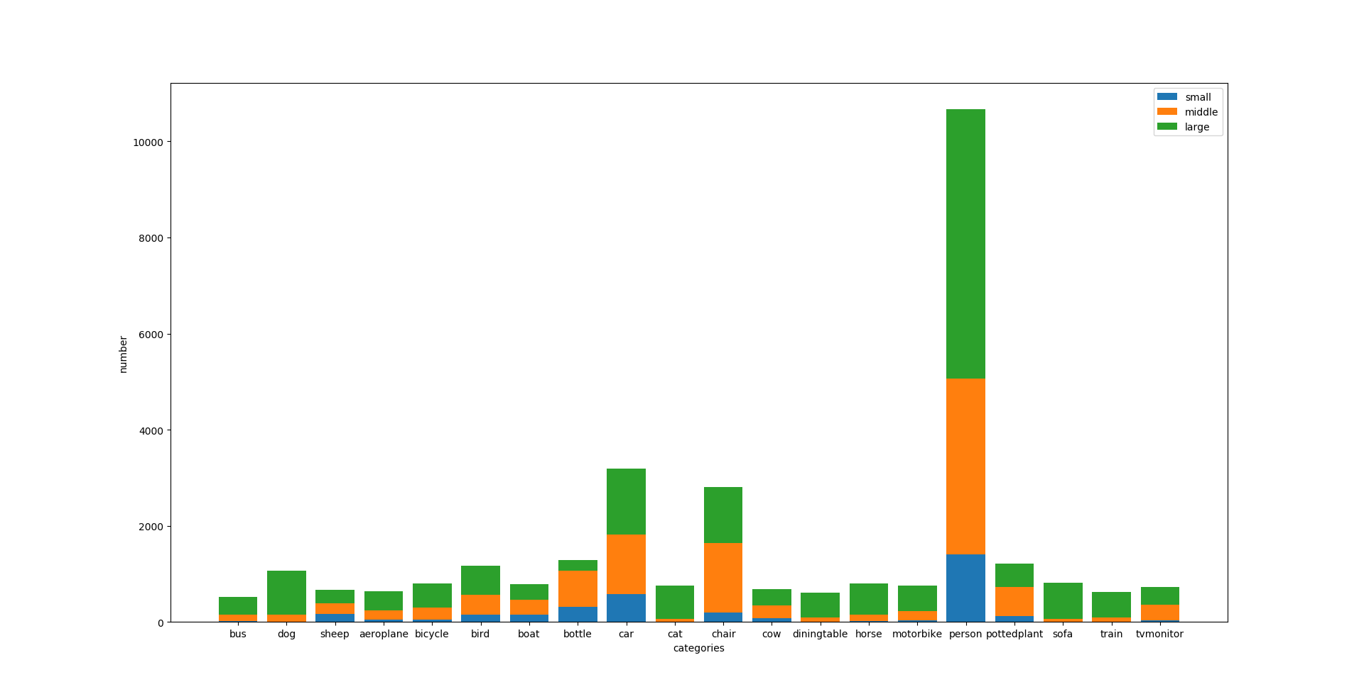
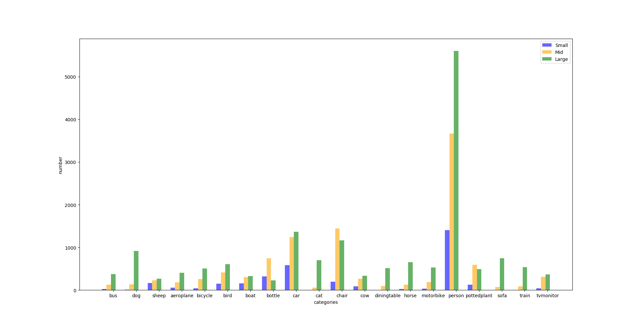
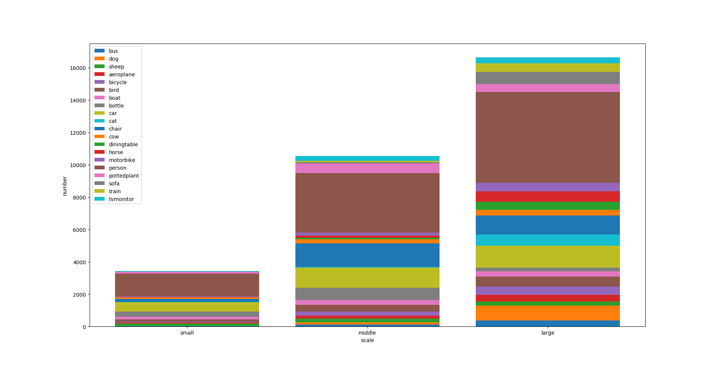
 | bus | dog | sheep | aeroplane | bicycle | bird | boat | bottle | car | cat | chair | cow | diningtable | horse | motorbike | person | pottedplant | sofa | train | tvmonitor
ALL (%) | 1.7 | 3.5 | 2.2 | 2.1 | 2.6 | 3.8 | 2.6 | 4.2 | 10.4 | 2.5 | 9.2 | 2.2 | 2 | 2.6 | 2.5 | 34.8 | 4 | 2.7 | 2.1 | 2.4
Small (%) | 0.1 | 0 | 0.5 | 0.2 | 0.1 | 0.5 | 0.5 | 1 | 1.9 | 0 | 0.6 | 0.3 | 0 | 0.1 | 0.1 | 4.6 | 0.4 | 0 | 0 | 0.1
Mid (%) | 0.4 | 0.5 | 0.7 | 0.6 | 0.8 | 1.4 | 1 | 2.4 | 4 | 0.2 | 4.7 | 0.9 | 0.3 | 0.4 | 0.6 | 12 | 1.9 | 0.2 | 0.3 | 1
Large (%) | 1.2 | 3 | 0.9 | 1.3 | 1.7 | 2 | 1.1 | 0.7 | 4.4 | 2.3 | 3.8 | 1.1 | 1.7 | 2.1 | 1.7 | 18.3 | 1.6 | 2.4 | 1.7 | 1.2

ALL: | 526 | 1068 | 664 | 642 | 807 | 1175 | 791 | 1291 | 3185 | 759 | 2806 | 685 | 609 | 801 | 759 | 10674 | 1217 | 821 | 630 | 728
Small | 25 | 10 | 168 | 57 | 44 | 151 | 158 | 320 | 583 | 5 | 196 | 85 | 4 | 23 | 35 | 1401 | 131 | 0 | 3 | 43
Mid | 128 | 138 | 229 | 182 | 255 | 414 | 305 | 743 | 1239 | 56 | 1445 | 265 | 94 | 126 | 193 | 3669 | 592 | 71 | 91 | 315
Large | 373 | 920 | 267 | 403 | 508 | 610 | 328 | 228 | 1363 | 698 | 1165 | 335 | 511 | 652 | 531 | 5604 | 494 | 750 | 536 | 370

