Train
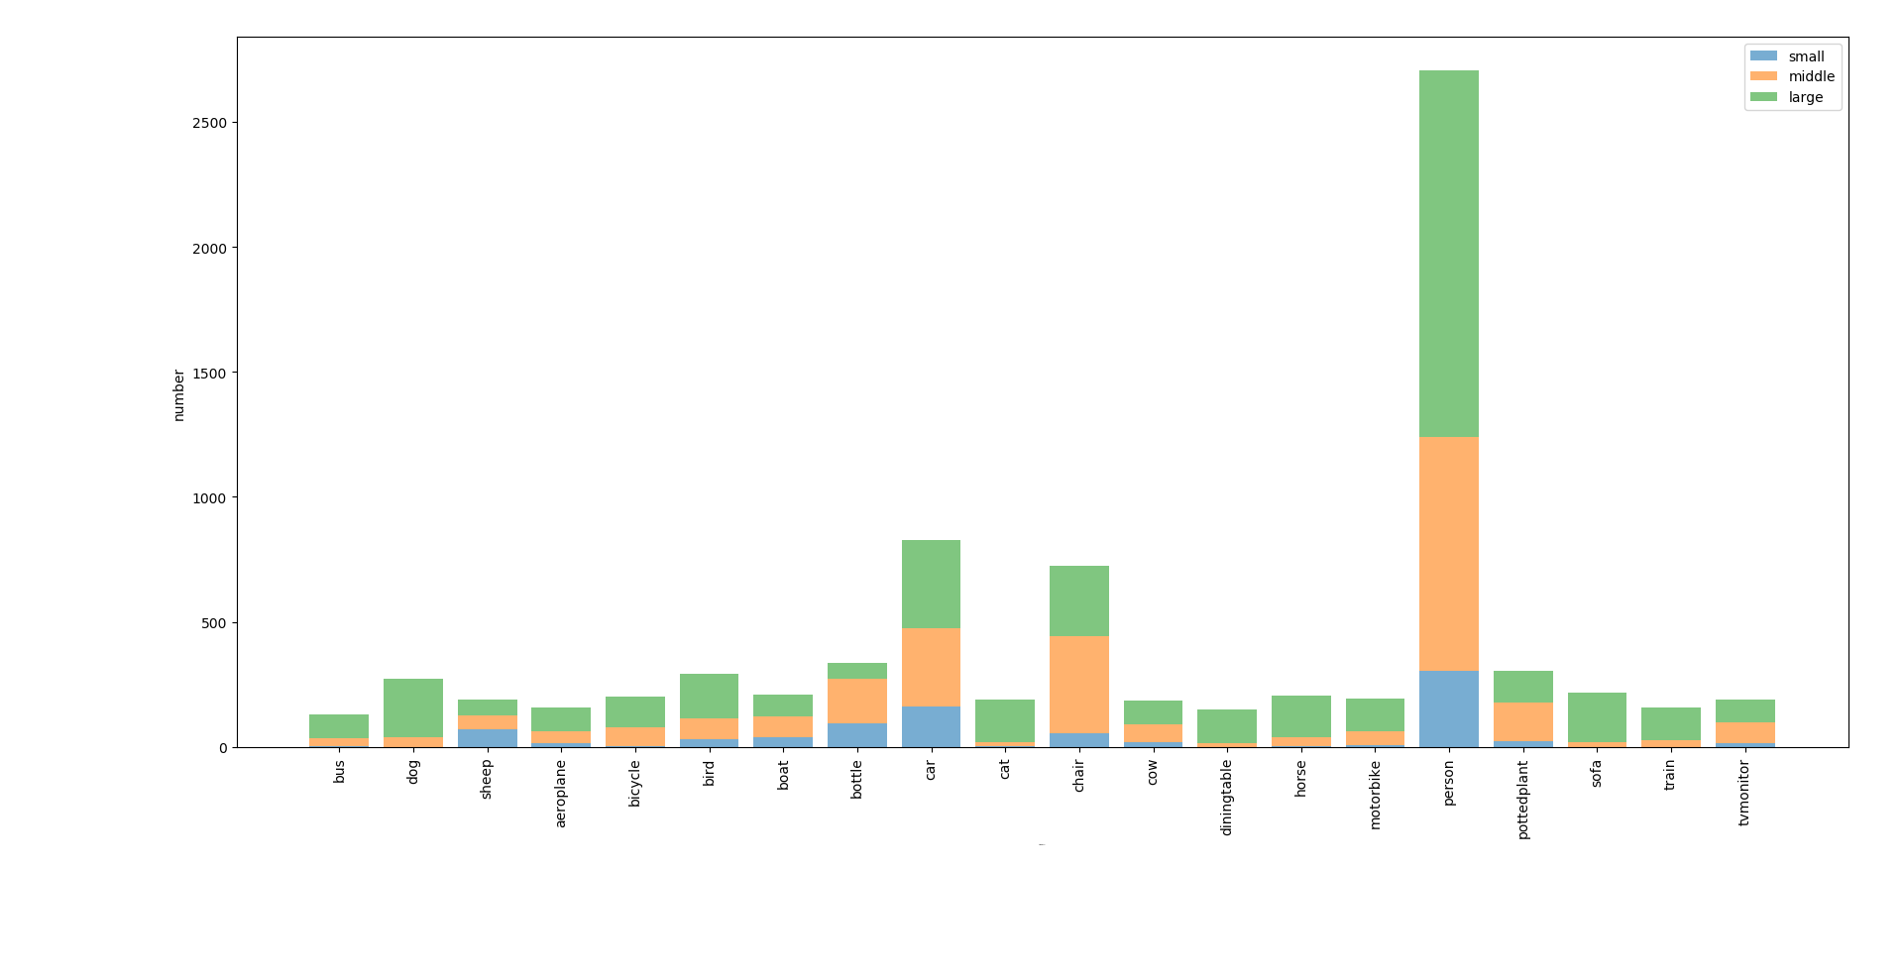
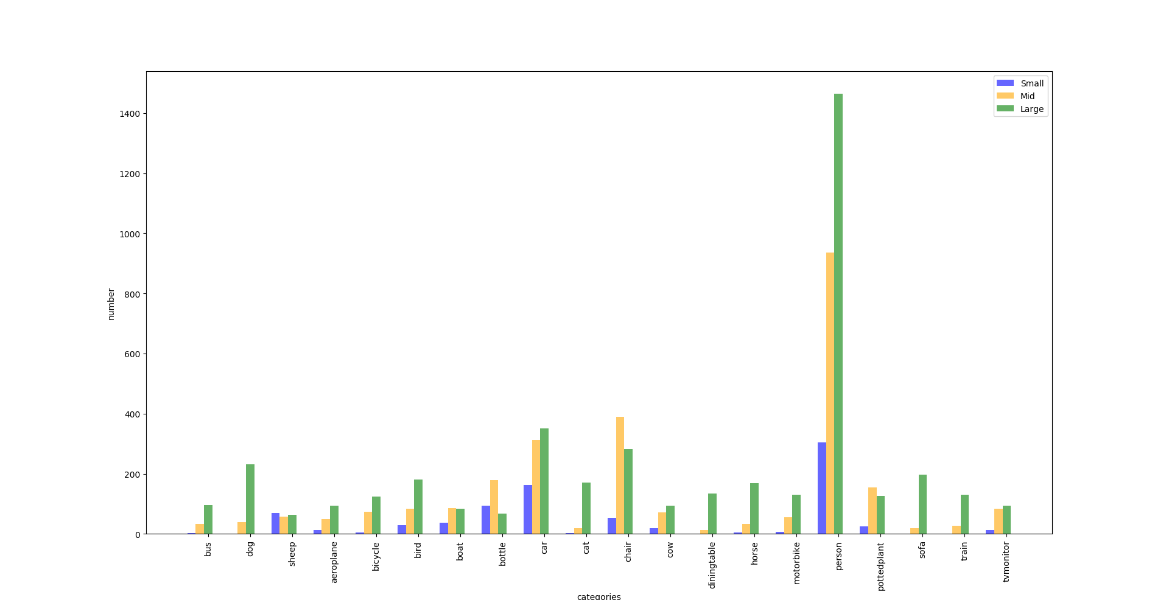
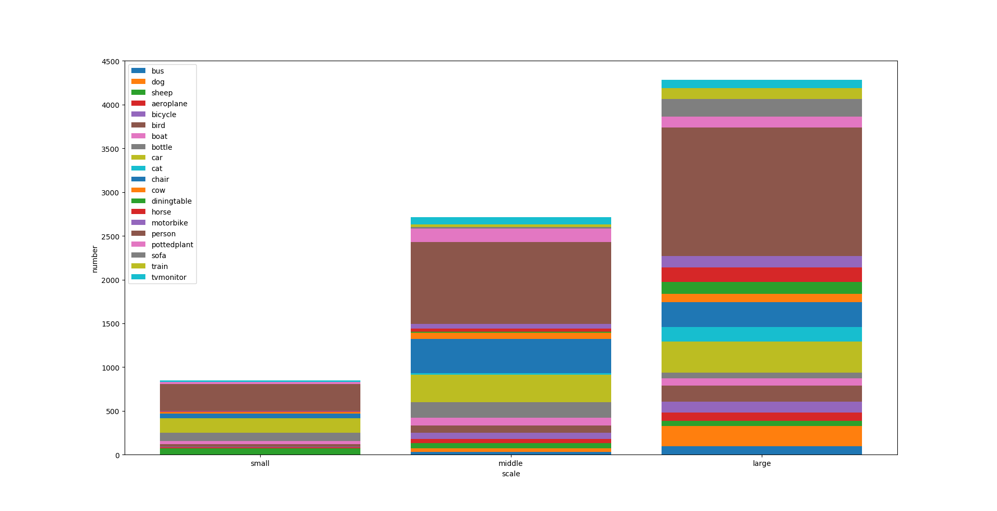
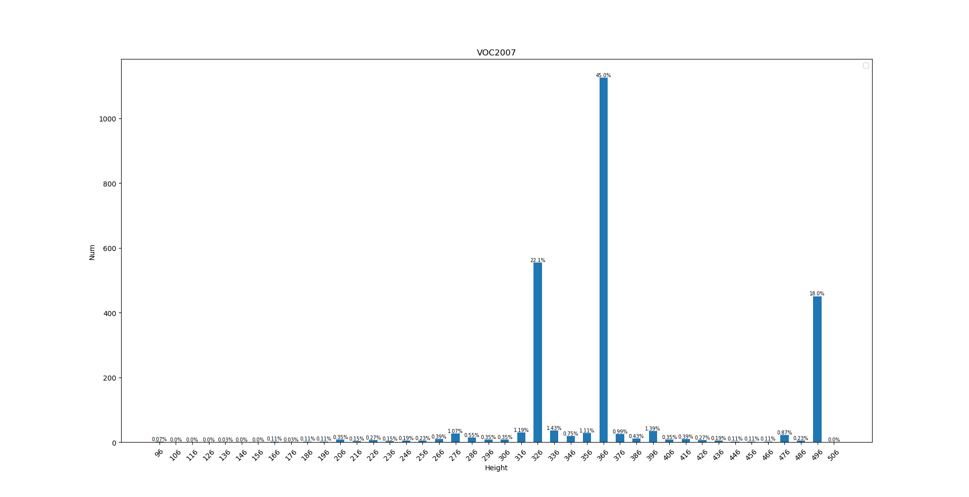
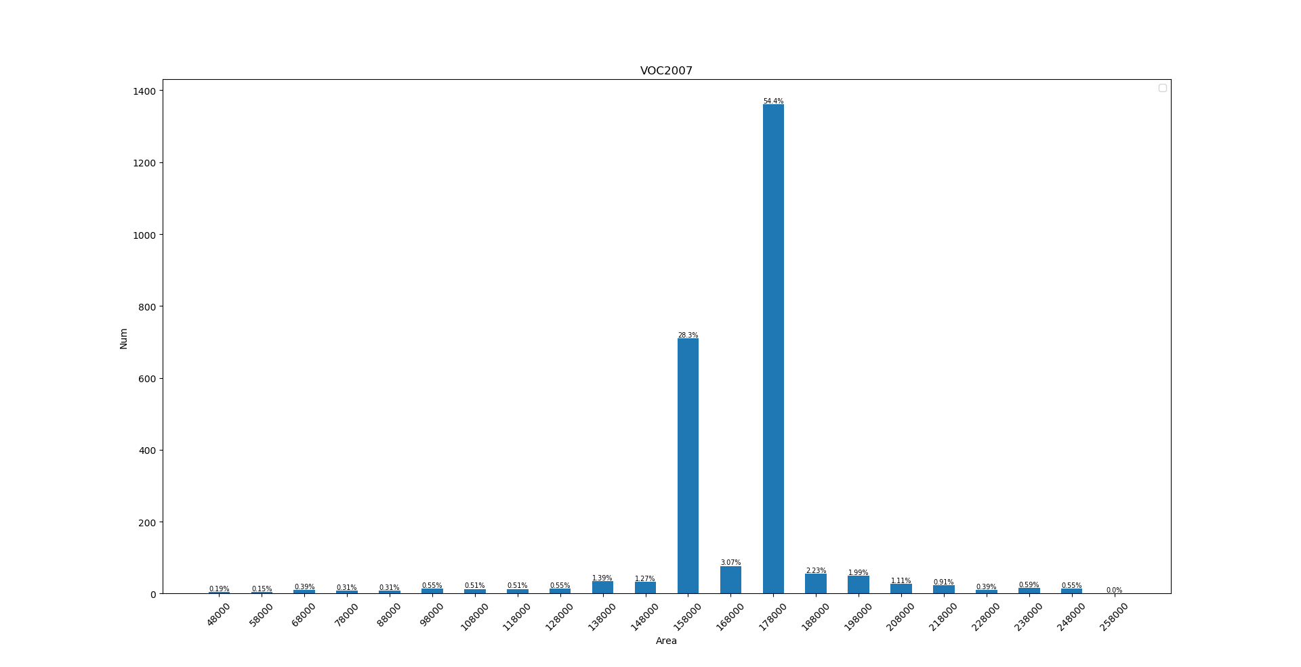
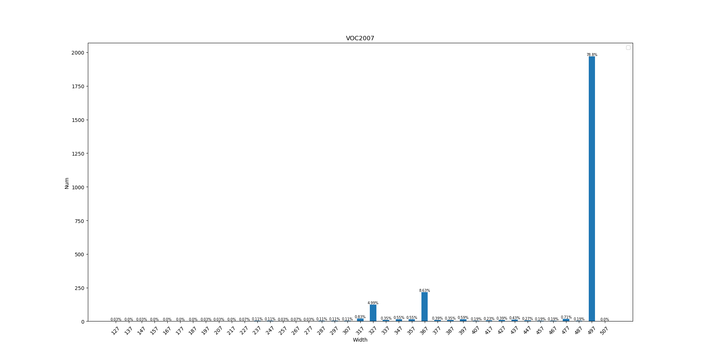
 | bus | dog | sheep | aeroplane | bicycle | bird | boat | bottle | car | cat | chair | cow | diningtable | horse | motorbike | person | pottedplant | sofa | train | tvmonitor
ALL (%) | 1.7 | 3.5 | 2.4 | 2 | 2.6 | 3.7 | 2.7 | 4.3 | 10.5 | 2.4 | 9.3 | 2.4 | 1.9 | 2.6 | 2.5 | 34.5 | 3.9 | 2.8 | 2 | 2.4
Small (%) | 0 | 0 | 0.9 | 0.2 | 0.1 | 0.4 | 0.5 | 1.2 | 2.1 | 0 | 0.7 | 0.2 | 0 | 0.1 | 0.1 | 3.9 | 0.3 | 0 | 0 | 0.2
Mid (%) | 0.4 | 0.5 | 0.7 | 0.6 | 0.9 | 1.1 | 1.1 | 2.3 | 4 | 0.2 | 5 | 0.9 | 0.2 | 0.4 | 0.7 | 11.9 | 2 | 0.3 | 0.3 | 1.1
Large (%) | 1.2 | 2.9 | 0.8 | 1.2 | 1.6 | 2.3 | 1.1 | 0.9 | 4.5 | 2.2 | 3.6 | 1.2 | 1.7 | 2.2 | 1.7 | 18.7 | 1.6 | 2.5 | 1.7 | 1.2

ALL: | 131 | 271 | 191 | 156 | 202 | 294 | 208 | 338 | 826 | 191 | 726 | 185 | 148 | 207 | 193 | 2705 | 305 | 218 | 158 | 191
Small | 3 | 1 | 69 | 14 | 4 | 30 | 38 | 93 | 163 | 2 | 54 | 19 | 0 | 5 | 7 | 305 | 25 | 0 | 1 | 14
Mid | 33 | 39 | 58 | 49 | 73 | 84 | 86 | 178 | 312 | 19 | 389 | 72 | 14 | 33 | 55 | 935 | 154 | 20 | 27 | 83
Large | 95 | 231 | 64 | 93 | 125 | 180 | 84 | 67 | 351 | 170 | 283 | 94 | 134 | 169 | 131 | 1465 | 126 | 198 | 130 | 94

TrainVal

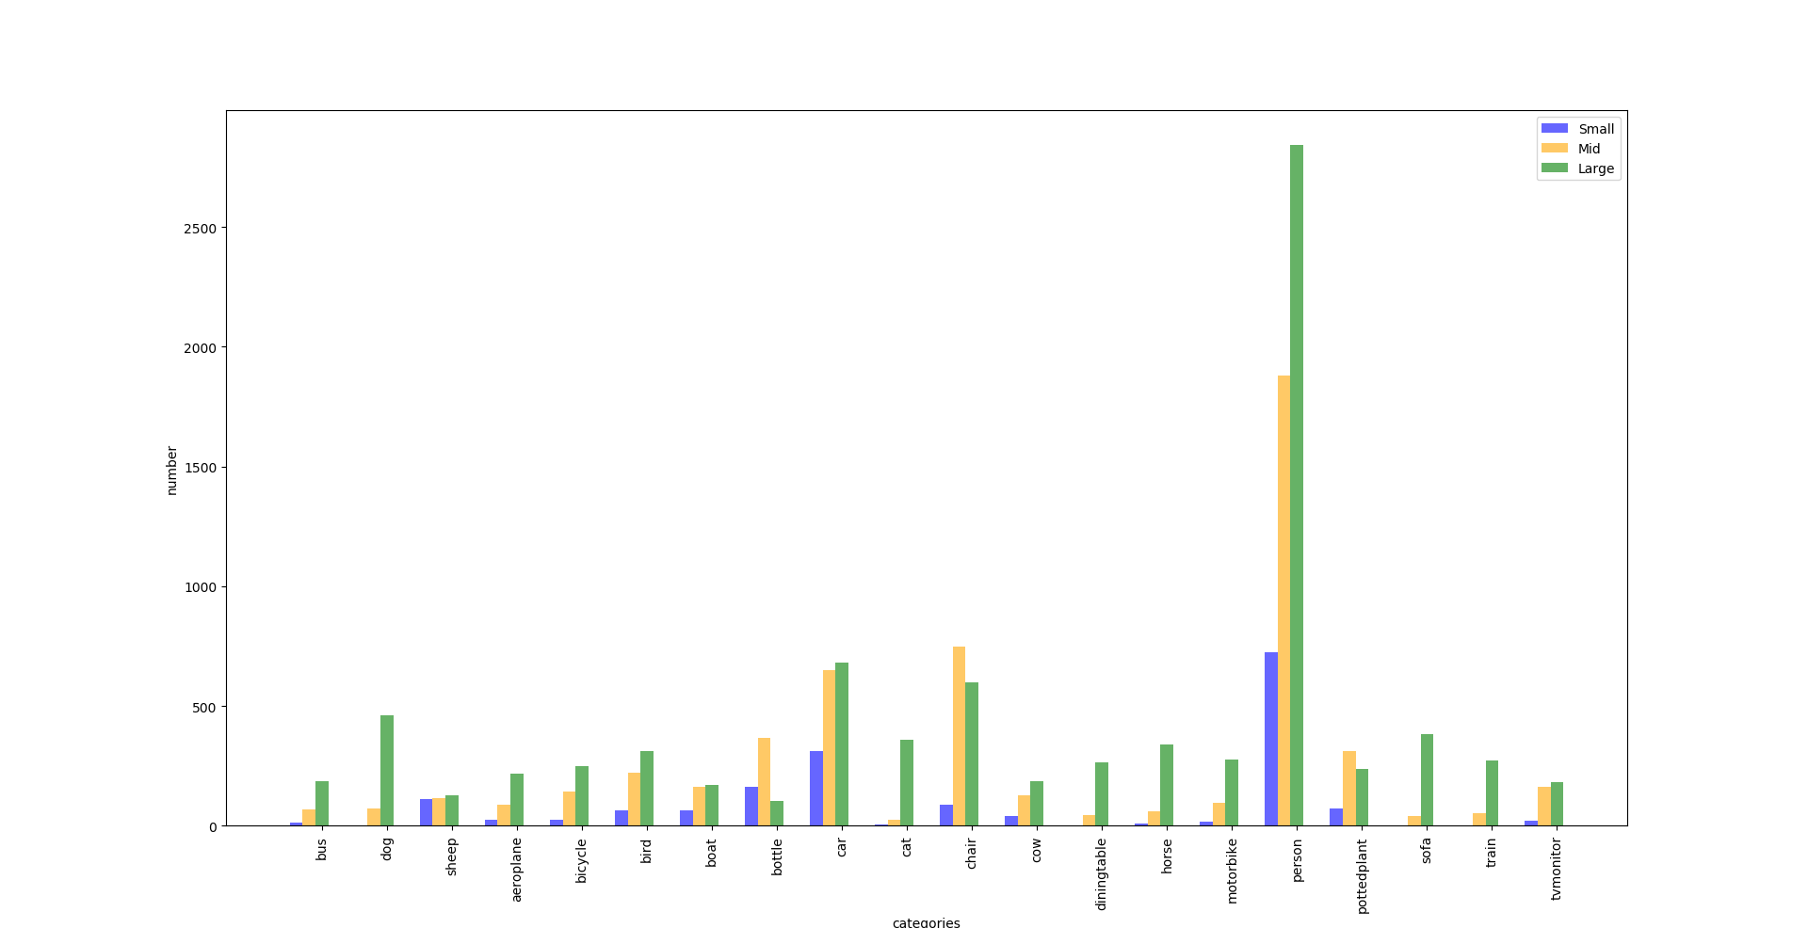
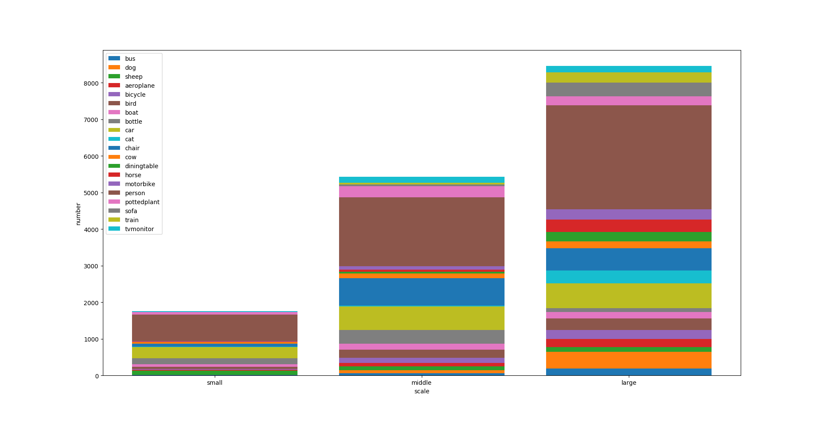
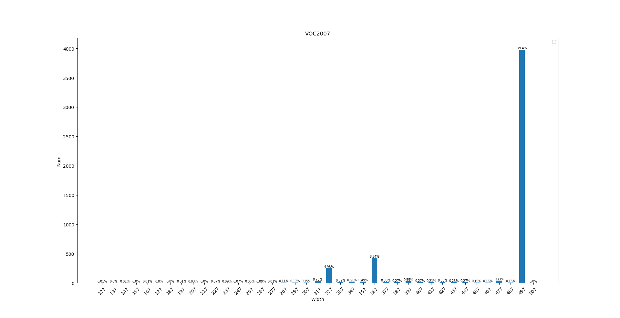
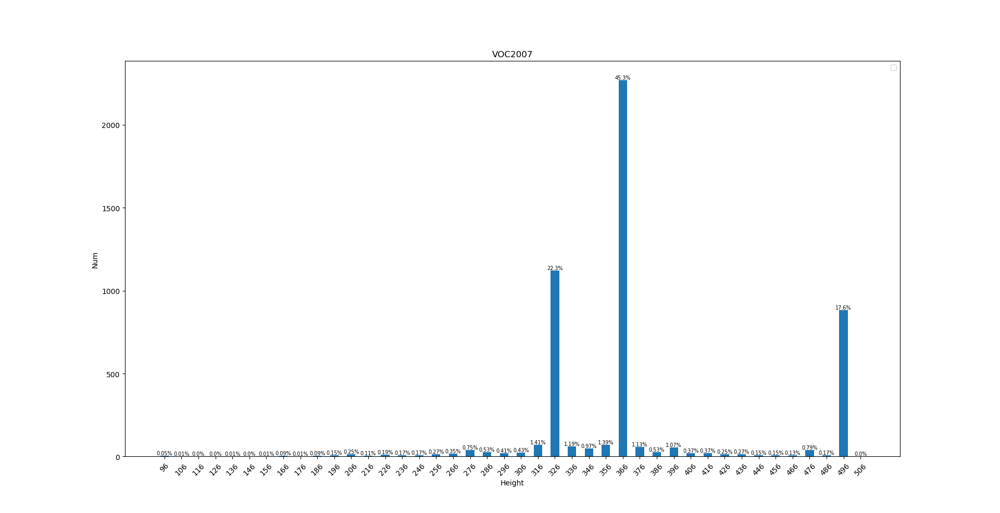

 | bus | dog | sheep | aeroplane | bicycle | bird | boat | bottle | car | cat | chair | cow | diningtable | horse | motorbike | person | pottedplant | sofa | train | tvmonitor
ALL (%) | 1.7 | 3.4 | 2.3 | 2.1 | 2.7 | 3.8 | 2.5 | 4 | 10.5 | 2.5 | 9.1 | 2.3 | 2 | 2.6 | 2.5 | 34.8 | 4 | 2.7 | 2.1 | 2.3
Small (%) | 0.1 | 0 | 0.7 | 0.2 | 0.2 | 0.4 | 0.4 | 1 | 2 | 0 | 0.6 | 0.3 | 0 | 0.1 | 0.1 | 4.6 | 0.5 | 0 | 0 | 0.1
Mid (%) | 0.4 | 0.5 | 0.7 | 0.6 | 0.9 | 1.4 | 1 | 2.3 | 4.2 | 0.2 | 4.8 | 0.8 | 0.3 | 0.4 | 0.6 | 12 | 2 | 0.3 | 0.3 | 1
Large (%) | 1.2 | 3 | 0.8 | 1.4 | 1.6 | 2 | 1.1 | 0.7 | 4.3 | 2.3 | 3.8 | 1.2 | 1.7 | 2.2 | 1.8 | 18.2 | 1.5 | 2.5 | 1.7 | 1.2

ALL: | 272 | 538 | 353 | 331 | 418 | 599 | 398 | 634 | 1644 | 389 | 1432 | 356 | 310 | 406 | 390 | 5447 | 625 | 425 | 328 | 367
Small | 15 | 2 | 111 | 27 | 24 | 63 | 63 | 163 | 313 | 4 | 87 | 42 | 1 | 9 | 17 | 723 | 74 | 0 | 3 | 21
Mid | 69 | 73 | 114 | 87 | 145 | 222 | 163 | 366 | 650 | 26 | 747 | 126 | 43 | 59 | 95 | 1880 | 313 | 41 | 53 | 163
Large | 188 | 463 | 128 | 217 | 249 | 314 | 172 | 105 | 681 | 359 | 598 | 188 | 266 | 338 | 278 | 2844 | 238 | 384 | 272 | 183

Test
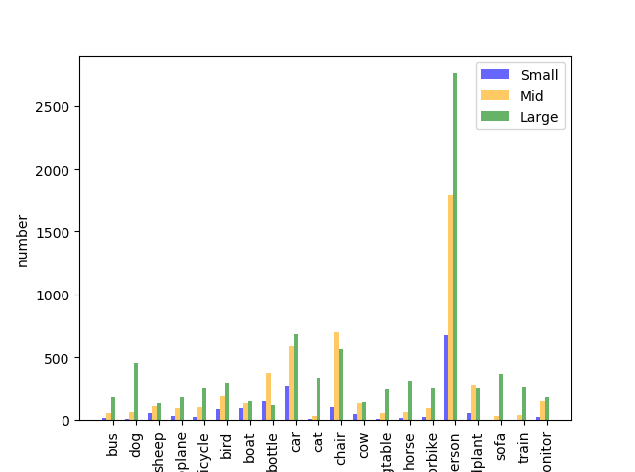
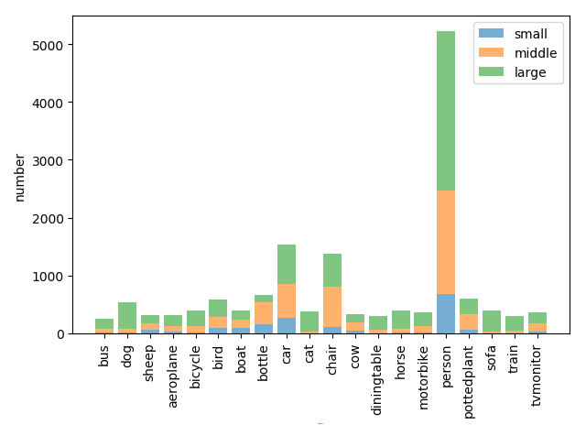

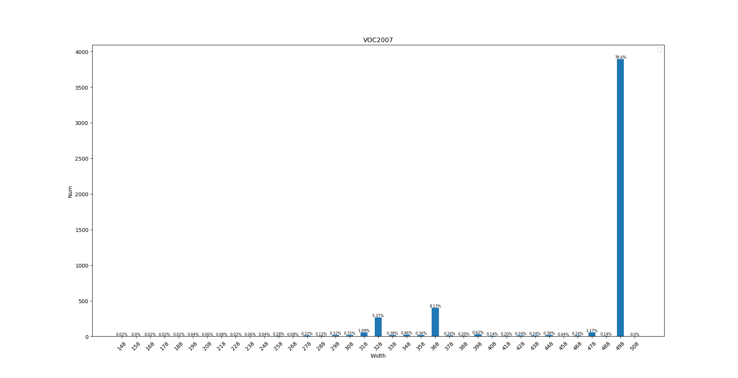
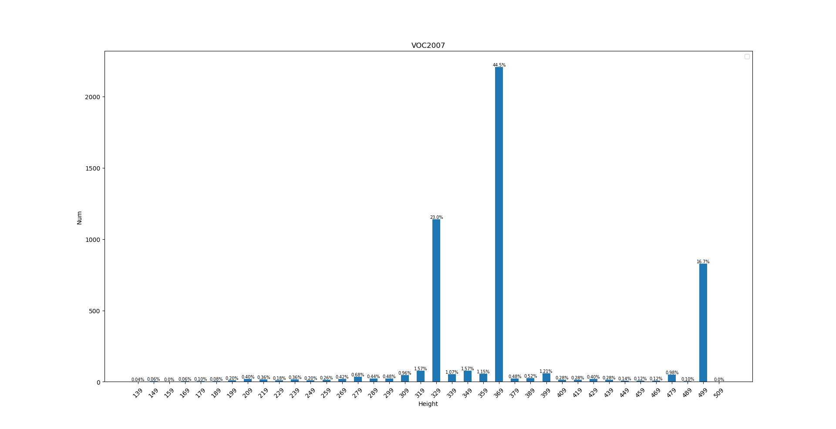
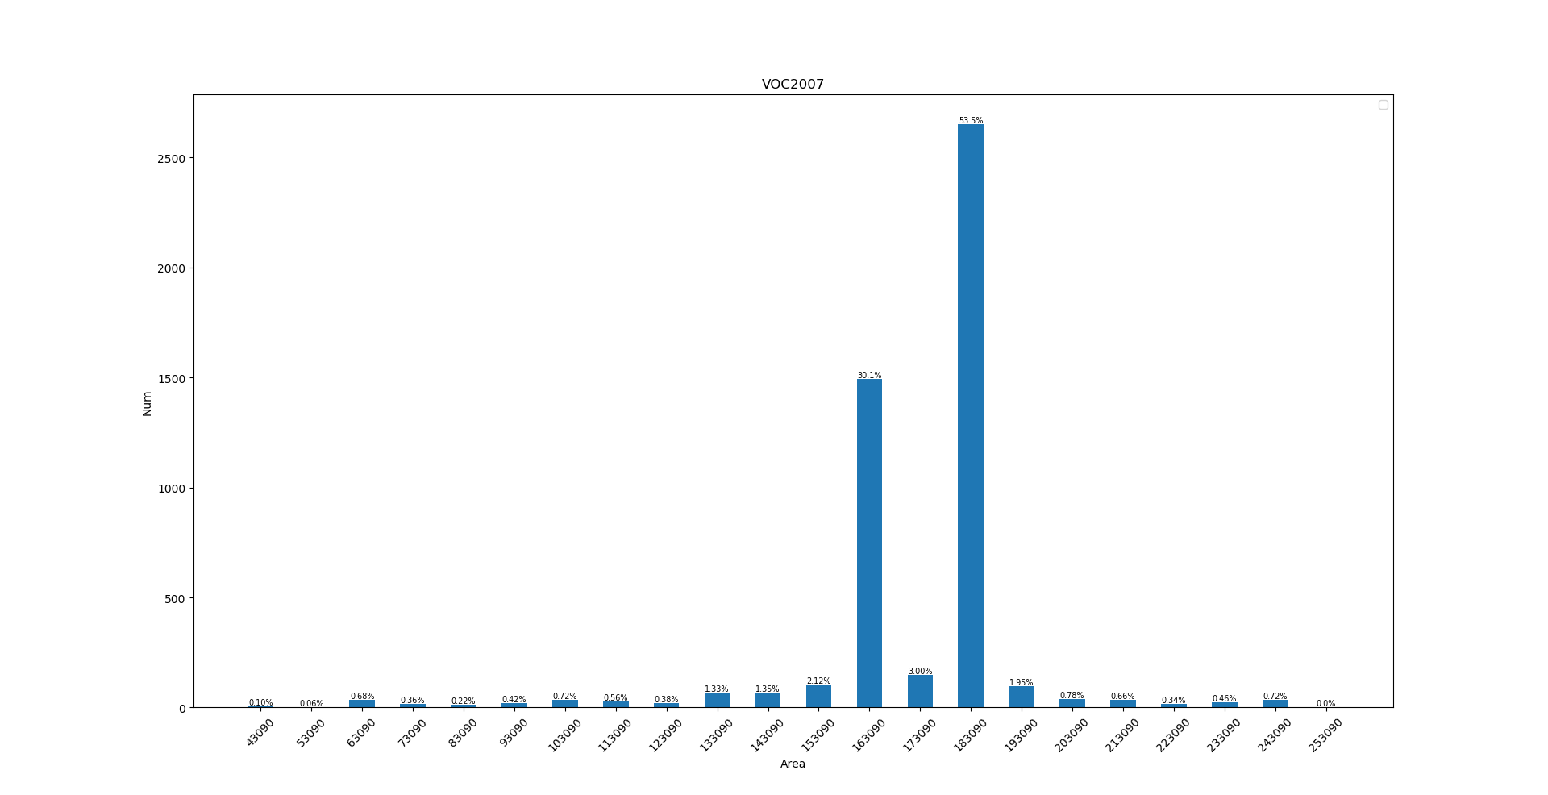
 | bus | dog | sheep | aeroplane | bicycle | bird | boat | bottle | car | cat | chair | cow | diningtable | horse | motorbike | person | pottedplant | sofa | train | tvmonitor
ALL (%) | 1.7 | 3.5 | 2.1 | 2.1 | 2.6 | 3.8 | 2.6 | 4.4 | 10.3 | 2.5 | 9.2 | 2.2 | 2 | 2.6 | 2.5 | 34.9 | 4 | 2.6 | 2 | 2.4
Small (%) | 0.1 | 0.1 | 0.4 | 0.2 | 0.1 | 0.6 | 0.6 | 1 | 1.8 | 0 | 0.7 | 0.3 | 0 | 0.1 | 0.1 | 4.5 | 0.4 | 0 | 0 | 0.1
Mid (%) | 0.4 | 0.4 | 0.8 | 0.6 | 0.7 | 1.3 | 0.9 | 2.5 | 3.9 | 0.2 | 4.7 | 0.9 | 0.3 | 0.4 | 0.7 | 11.9 | 1.9 | 0.2 | 0.3 | 1
Large (%) | 1.2 | 3.1 | 0.9 | 1.2 | 1.7 | 2 | 1 | 0.8 | 4.6 | 2.3 | 3.8 | 1 | 1.6 | 2.1 | 1.7 | 18.4 | 1.7 | 2.4 | 1.8 | 1.2

ALL: | 254 | 530 | 311 | 311 | 389 | 576 | 393 | 657 | 1541 | 370 | 1374 | 329 | 299 | 395 | 369 | 5227 | 592 | 396 | 302 | 361
Small | 10 | 8 | 57 | 30 | 20 | 88 | 95 | 157 | 270 | 1 | 109 | 43 | 3 | 14 | 18 | 678 | 57 | 0 | 0 | 22
Mid | 59 | 65 | 115 | 95 | 110 | 192 | 142 | 377 | 589 | 30 | 698 | 139 | 51 | 67 | 98 | 1789 | 279 | 30 | 38 | 152
Large | 185 | 457 | 139 | 186 | 259 | 296 | 156 | 123 | 682 | 339 | 567 | 147 | 245 | 314 | 253 | 2760 | 256 | 366 | 264 | 187

Val
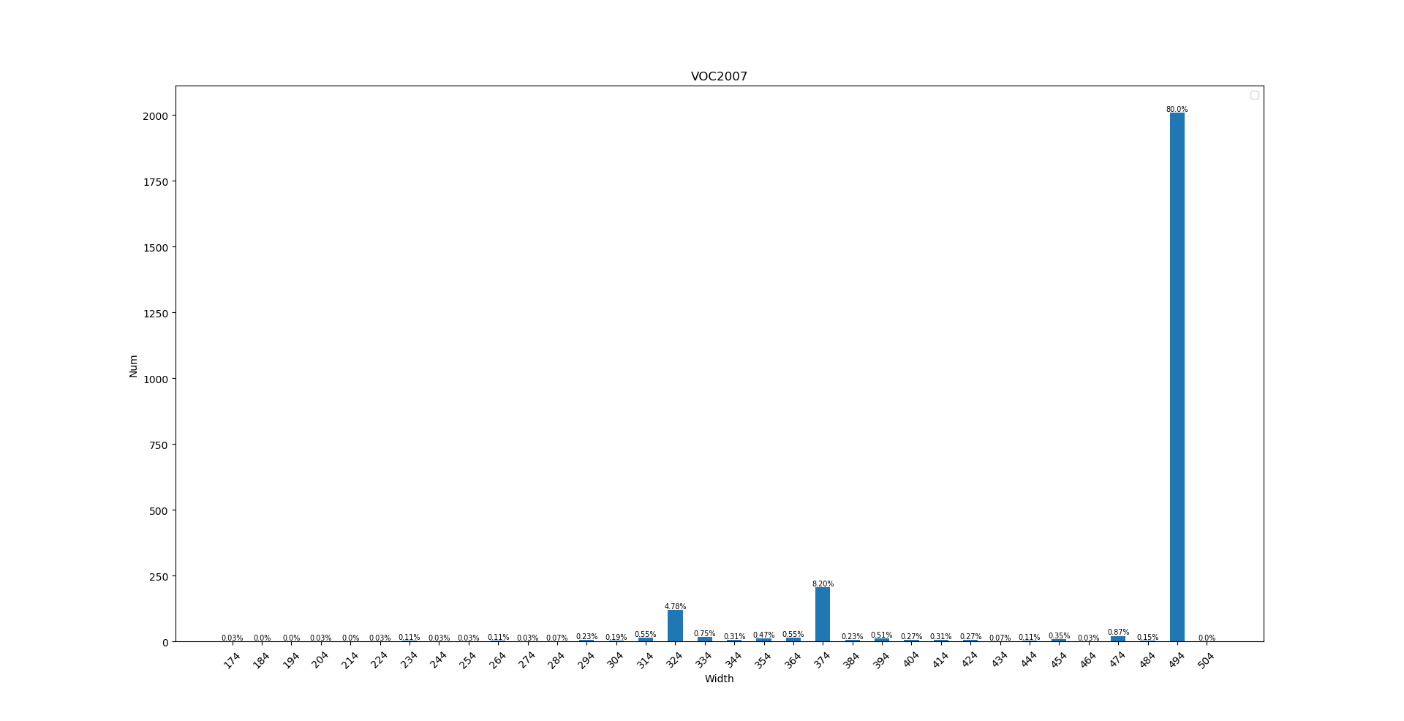


 | bus | dog | sheep | aeroplane | bicycle | bird | boat | bottle | car | cat | chair | cow | diningtable | horse | motorbike | person | pottedplant | sofa | train | tvmonitor
ALL (%) | 1.8 | 3.4 | 2.1 | 2.2 | 2.8 | 3.9 | 2.4 | 3.8 | 10.5 | 2.5 | 9 | 2.2 | 2.1 | 2.5 | 2.5 | 35.1 | 4.1 | 2.6 | 2.2 | 2.3
Small (%) | 0.2 | 0 | 0.5 | 0.2 | 0.3 | 0.4 | 0.3 | 0.9 | 1.9 | 0 | 0.4 | 0.3 | 0 | 0.1 | 0.1 | 5.3 | 0.6 | 0 | 0 | 0.1
Mid (%) | 0.5 | 0.4 | 0.7 | 0.5 | 0.9 | 1.8 | 1 | 2.4 | 4.3 | 0.1 | 4.6 | 0.7 | 0.4 | 0.3 | 0.5 | 12.1 | 2 | 0.3 | 0.3 | 1
Large (%) | 1.2 | 3 | 0.8 | 1.6 | 1.6 | 1.7 | 1.1 | 0.5 | 4.2 | 2.4 | 4 | 1.2 | 1.7 | 2.2 | 1.9 | 17.6 | 1.4 | 2.4 | 1.8 | 1.1

ALL: | 141 | 267 | 162 | 175 | 216 | 305 | 190 | 296 | 818 | 198 | 706 | 171 | 162 | 199 | 197 | 2742 | 320 | 207 | 170 | 176
Small | 12 | 1 | 42 | 13 | 20 | 33 | 25 | 70 | 150 | 2 | 33 | 23 | 1 | 4 | 10 | 418 | 49 | 0 | 2 | 7
Mid | 36 | 34 | 56 | 38 | 72 | 138 | 77 | 188 | 338 | 7 | 358 | 54 | 29 | 26 | 40 | 945 | 159 | 21 | 26 | 80
Large | 93 | 232 | 64 | 124 | 124 | 134 | 88 | 38 | 330 | 189 | 315 | 94 | 132 | 169 | 147 | 1379 | 112 | 186 | 142 | 89

