Swap Pricing
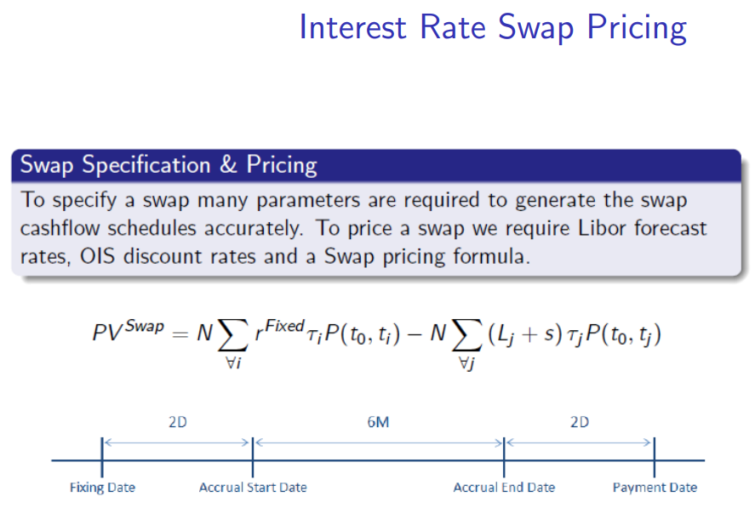

 | Interest Rate Swap (Par Swap)
 | EUR 1MM Fixed 0.3670% vs EUR6ML 5 Year

 | Fixed Leg |  |  |  |  |  |  | PV Fixed: | 18,475
 | Accrual Start | Accrual End | Pay Date | ti | N | rFixed | ti | P( tE, ti ) | PVFixed
1 | 25-Sep-19 | 24-Sep-20 | 24-Sep-20 | 1.00 | 1,000,000 | 0.3670% | 1.00 | 1.004132 | 3,685
2 | 24-Sep-20 | 24-Sep-21 | 24-Sep-21 | 2.00 | 1,000,000 | 0.3670% | 1.00 | 1.006928 | 3,695
3 | 24-Sep-21 | 24-Sep-22 | 24-Sep-22 | 3.00 | 1,000,000 | 0.3670% | 1.00 | 1.008377 | 3,700
4 | 24-Sep-22 | 25-Sep-23 | 25-Sep-23 | 4.00 | 1,000,000 | 0.3670% | 1.00 | 1.008377 | 3,700
5 | 25-Sep-23 | 24-Sep-24 | 24-Sep-24 | 5.00 | 1,000,000 | 0.3670% | 1.00 | 1.006928 | 3,695

 | Float Leg |  |  |  |  |  |  |  |  |  | PV Float: | 18,475
 | Fixing Date | Accrual Start | Accrual End | Pay Date | tj | N | lj-1 | s | lj-1 + s | tj | P( tE, tj ) | PVFloat
1 | 25-Sep-19 | 25-Sep-19 | 25-Mar-20 | 25-Mar-20 | 0.50 | 1,000,000 | 0.0487% | 0.00 | 0.0487% | 0.50 | 1.001933 | 244
2 | 25-Mar-20 | 25-Mar-20 | 24-Sep-20 | 24-Sep-20 | 1.00 | 1,000,000 | 0.1087% | 0.00 | 0.1087% | 0.50 | 1.004132 | 546
3 | 24-Sep-20 | 24-Sep-20 | 25-Mar-21 | 25-Mar-21 | 1.50 | 1,000,000 | 0.1887% | 0.00 | 0.1887% | 0.50 | 1.005494 | 949
4 | 25-Mar-21 | 25-Mar-21 | 24-Sep-21 | 24-Sep-21 | 2.00 | 1,000,000 | 0.2487% | 0.00 | 0.2487% | 0.50 | 1.006928 | 1,252
5 | 24-Sep-21 | 24-Sep-21 | 26-Mar-22 | 26-Mar-22 | 2.50 | 1,000,000 | 0.3287% | 0.00 | 0.3287% | 0.50 | 1.007922 | 1,657
6 | 26-Mar-22 | 26-Mar-22 | 24-Sep-22 | 24-Sep-22 | 3.00 | 1,000,000 | 0.4087% | 0.00 | 0.4087% | 0.50 | 1.008377 | 2,061
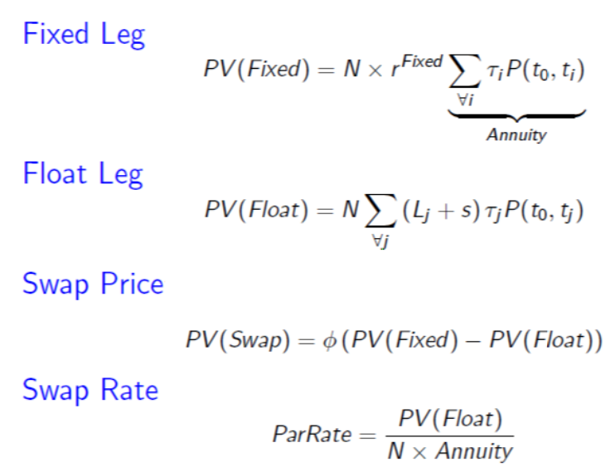
7 | 24-Sep-22 | 24-Sep-22 | 26-Mar-23 | 26-Mar-23 | 3.50 | 1,000,000 | 0.4687% | 0.00 | 0.4687% | 0.50 | 1.008598 | 2,364
8 | 26-Mar-23 | 26-Mar-23 | 25-Sep-23 | 25-Sep-23 | 4.00 | 1,000,000 | 0.5487% | 0.00 | 0.5487% | 0.50 | 1.008377 | 2,767
9 | 25-Sep-23 | 25-Sep-23 | 25-Mar-24 | 25-Mar-24 | 4.50 | 1,000,000 | 0.6287% | 0.00 | 0.6287% | 0.50 | 1.007922 | 3,169
10 | 25-Mar-24 | 25-Mar-24 | 24-Sep-24 | 24-Sep-24 | 5.00 | 1,000,000 | 0.6887% | 0.00 | 0.6887% | 0.50 | 1.006928 | 3,468

 | Par Rate Calculation |  |  |  | Swap Price
 | PV( Float Leg ) |  | 18,475 |  | Quoted Par Rate |  | 0.3670%
 | Annuity( Fixed Leg ) |  | 5,034,743 |  | PV( Fixed Leg ) |  | 18,475
 | Par Rate |  | 0.3670% |  | PV( Float Leg ) |  | 18,475
 |  |  |  |  | Trade PV |  | 0

Interpolation
USD3ML Forward Rates
Market Swap Quotes
Term | Rate
3M | 2.1384%
1Y | 1.3600%
2Y | 1.2450%
5Y | 1.4067%
10Y | 1.5000%
12Y | 1.5442%
15Y | 1.5936%
20Y | 1.6494%
30Y | 1.6782%

USD3ML Forward Rates
 | Interpolated | Quote
0.25 | 2.1384% | 0.0213838
0.50 | 1.8344%
0.75 | 1.5638%
1.00 | 1.3600% | 0.0136
1.25 | 1.2465%
1.50 | 1.2069%
1.75 | 1.2152%
2.00 | 1.2450% | 0.01245
2.25 | 1.2747%
2.50 | 1.3001%
2.75 | 1.3217%
3.00 | 1.3398%
3.25 | 1.3549%
3.50 | 1.3673%
3.75 | 1.3774%
4.00 | 1.3856%
4.25 | 1.3922%
4.50 | 1.3977%
4.75 | 1.4024%
5.00 | 1.4067% | 0.014067
Term | Interpolated | Quote
0.25 | 2.1384% | 2.1384%
0.50 | 1.8344%
0.75 | 1.5638%
1.00 | 1.3600% | 1.3600%
1.25 | 1.2465%
1.50 | 1.2069%
1.75 | 1.2152%
2.00 | 1.2450% | 1.2450%
2.25 | 1.2747%
2.50 | 1.3001%
2.75 | 1.3217%
3.00 | 1.3398%
3.25 | 1.3549%
3.50 | 1.3673%
3.75 | 1.3774%
4.00 | 1.3856%
4.25 | 1.3922%
4.50 | 1.3977%
4.75 | 1.4024%
5.00 | 1.4067% | 1.4067%

Bootrapping USD3ML
Forward Rates, USD3ML
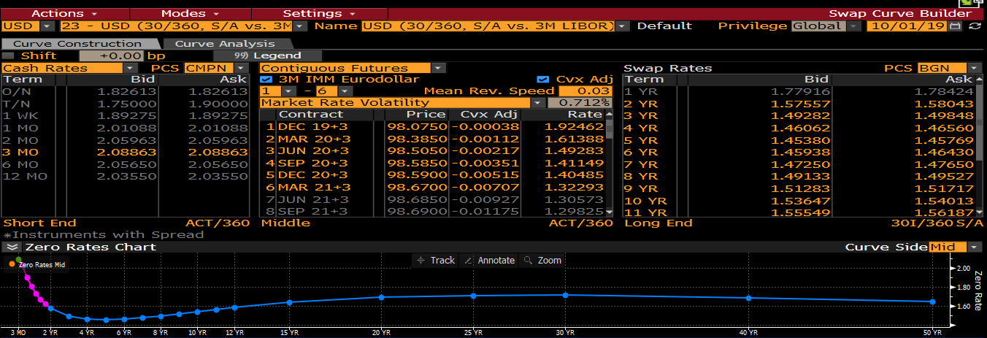
 | Yield Curve Calibration - Example USD3ML
 | Simplified toy example for USD3ML using Annual Swaps. We bootstrap swaps and assume
 | we have already bootrapped the USDOIS curve and implied the OIS curve discount factors.

 | Calibration Inputs |  |  |  |  | Calibration Outputs

 | Tenor | Instrument | ParRate, p | P(0,ti) + |  | Tenor | Forwards, lj
 | 1.00 | Swap | 1.78919% | 1.000000 |  | 1.00 | 1.78919%
 | 2.00 | Swap | 1.45947% | 1.000000 |  | 2.00 | 1.12975%
 | 3.00 | Swap | 1.51930% | 1.000000 |  | 3.00 | 1.63896%
 | 4.00 | Swap | 1.60360% | 1.000000 |  | 4.00 | 1.85650%
 | 5.00 | Swap | 1.65880% | 1.000000 |  | 5.00 | 1.87960%
 | + OIS Discount Factors, P(0,ti) |  |  |  |  |  |  |  |  |  |  |  |  |  |  |  |  |  |  |  |  | Bloomberg: USD3ML

 | Pay Fixed Leg |  |  |  |  |  |  | PV Total | 17,892 |  | Receive Float Leg |  |  |  |  |  |  |  | PV Total | 17,892
Row | Accrual Start | Accrual End | Pay Date | ti | N | ParRate, p | ti | P( t0, ti ) | PVFixed | Row | Fixing Date | Accrual Start | Accrual End | Pay Date | tj | N | lj-1 | tj | P( t0, tj ) | PVFloat
1 | 1-Oct-19 | 30-Sep-20 | 30-Sep-20 | 1.00 | 1,000,000 | 1.78919% | 1.00 | 1.000000 | 17,892 | 1 | 1-Oct-19 | 1-Oct-19 | 30-Sep-20 | 30-Sep-20 | 1.00 | 1,000,000 | 1.78919% | 1.00 | 1.000000 | 17,892 | ** Solve for the Libor rate that makes the Trade PV = 0, i.e. PV(Fixed)=PV(Float)

 | Pay Fixed Leg |  |  |  |  |  |  | PV Total | 29,189 |  | Receive Float Leg |  |  |  |  |  |  |  | PV Total | 29,189
Row | Accrual Start | Accrual End | Pay Date | ti | N | ParRate, p | ti | P( t0, ti ) | PVFixed | Row | Fixing Date | Accrual Start | Accrual End | Pay Date | tj | N | lj-1 | tj | P( t0, tj ) | PVFloat
1 | 1-Oct-19 | 30-Sep-20 | 30-Sep-20 | 1.00 | 1,000,000 | 1.45947% | 1.00 | 1.000000 | 14,595 | 1 | 1-Oct-19 | 1-Oct-19 | 30-Sep-20 | 30-Sep-20 | 1.00 | 1,000,000 | 1.78919% | 1.00 | 1.000000 | 17,892 | * From previous swap result, since we are bootstrapping
2 | 30-Sep-20 | 30-Sep-21 | 30-Sep-21 | 2.00 | 1,000,000 | 1.45947% | 1.00 | 1.000000 | 14,595 | 2 | 30-Sep-20 | 30-Sep-20 | 30-Sep-21 | 30-Sep-21 | 2.00 | 1,000,000 | 1.12975% | 1.00 | 1.000000 | 11,298 | ** Solve for the Libor rate that makes the Trade PV = 0, i.e. PV(Fixed)=PV(Float)

 | Pay Fixed Leg |  |  |  |  |  |  | PV Total | 45,579 |  | Receive Float Leg |  |  |  |  |  |  |  | PV Total | 45,579
Row | Accrual Start | Accrual End | Pay Date | ti | N | ParRate, p | ti | P( t0, ti ) | PVFixed | Row | Fixing Date | Accrual Start | Accrual End | Pay Date | tj | N | lj-1 | tj | P( t0, tj ) | PVFloat
1 | 1-Oct-19 | 30-Sep-20 | 30-Sep-20 | 1.00 | 1,000,000 | 1.51930% | 1.00 | 1.000000 | 15,193 | 1 | 1-Oct-19 | 1-Oct-19 | 30-Sep-20 | 30-Sep-20 | 1.00 | 1,000,000 | 1.78919% | 1.00 | 1.000000 | 17,892 | * From previous swap result, since we are bootstrapping
2 | 30-Sep-20 | 30-Sep-21 | 30-Sep-21 | 2.00 | 1,000,000 | 1.51930% | 1.00 | 1.000000 | 15,193 | 2 | 30-Sep-20 | 30-Sep-20 | 30-Sep-21 | 30-Sep-21 | 2.00 | 1,000,000 | 1.12975% | 1.00 | 1.000000 | 11,298 | * From previous swap result, since we are bootstrapping
3 | 30-Sep-21 | 30-Sep-22 | 30-Sep-22 | 3.00 | 1,000,000 | 1.51930% | 1.00 | 1.000000 | 15,193 | 3 | 30-Sep-21 | 30-Sep-21 | 30-Sep-22 | 30-Sep-22 | 3.00 | 1,000,000 | 1.63896% | 1.00 | 1.000000 | 16,390 | ** Solve for the Libor rate that makes the Trade PV = 0, i.e. PV(Fixed)=PV(Float)

 | Pay Fixed Leg |  |  |  |  |  |  | PV Total | 64,144 |  | Receive Float Leg |  |  |  |  |  |  |  | PV Total | 64,144
Row | Accrual Start | Accrual End | Pay Date | ti | N | ParRate, p | ti | P( t0, ti ) | PVFixed | Row | Fixing Date | Accrual Start | Accrual End | Pay Date | tj | N | lj-1 | tj | P( t0, tj ) | PVFloat
1 | 1-Oct-19 | 30-Sep-20 | 30-Sep-20 | 1.00 | 1,000,000 | 1.60360% | 1.00 | 1.000000 | 16,036 | 1 | 1-Oct-19 | 1-Oct-19 | 30-Sep-20 | 30-Sep-20 | 1.00 | 1,000,000 | 1.78919% | 1.00 | 1.000000 | 17,892 | * From previous swap result, since we are bootstrapping
2 | 30-Sep-20 | 30-Sep-21 | 30-Sep-21 | 2.00 | 1,000,000 | 1.60360% | 1.00 | 1.000000 | 16,036 | 2 | 30-Sep-20 | 30-Sep-20 | 30-Sep-21 | 30-Sep-21 | 2.00 | 1,000,000 | 1.12975% | 1.00 | 1.000000 | 11,298 | * From previous swap result, since we are bootstrapping
3 | 30-Sep-21 | 30-Sep-22 | 30-Sep-22 | 3.00 | 1,000,000 | 1.60360% | 1.00 | 1.000000 | 16,036 | 3 | 30-Sep-21 | 30-Sep-21 | 30-Sep-22 | 30-Sep-22 | 3.00 | 1,000,000 | 1.63896% | 1.00 | 1.000000 | 16,390 | * From previous swap result, since we are bootstrapping
4 | 30-Sep-22 | 1-Oct-23 | 1-Oct-23 | 4.00 | 1,000,000 | 1.60360% | 1.00 | 1.000000 | 16,036 | 4 | 30-Sep-22 | 30-Sep-22 | 1-Oct-23 | 1-Oct-23 | 4.00 | 1,000,000 | 1.85650% | 1.00 | 1.000000 | 18,565 | ** Solve for the Libor rate that makes the Trade PV = 0, i.e. PV(Fixed)=PV(Float)

 | Pay Fixed Leg |  |  |  |  |  |  | PV Total | 82,940 |  | Receive Float Leg |  |  |  |  |  |  |  | PV Total | 82,940
Row | Accrual Start | Accrual End | Pay Date | ti | N | ParRate, p | ti | P( t0, ti ) | PVFixed | Row | Fixing Date | Accrual Start | Accrual End | Pay Date | tj | N | lj-1 | tj | P( t0, tj ) | PVFloat
1 | 1-Oct-19 | 30-Sep-20 | 30-Sep-20 | 1.00 | 1,000,000 | 1.65880% | 1.00 | 1.000000 | 16,588 | 1 | 1-Oct-19 | 1-Oct-19 | 30-Sep-20 | 30-Sep-20 | 1.00 | 1,000,000 | 1.78919% | 1.00 | 1.000000 | 17,892 | * From previous swap result, since we are bootstrapping
2 | 30-Sep-20 | 30-Sep-21 | 30-Sep-21 | 2.00 | 1,000,000 | 1.65880% | 1.00 | 1.000000 | 16,588 | 2 | 30-Sep-20 | 30-Sep-20 | 30-Sep-21 | 30-Sep-21 | 2.00 | 1,000,000 | 1.12975% | 1.00 | 1.000000 | 11,298 | * From previous swap result, since we are bootstrapping
3 | 30-Sep-21 | 30-Sep-22 | 30-Sep-22 | 3.00 | 1,000,000 | 1.65880% | 1.00 | 1.000000 | 16,588 | 3 | 30-Sep-21 | 30-Sep-21 | 30-Sep-22 | 30-Sep-22 | 3.00 | 1,000,000 | 1.63896% | 1.00 | 1.000000 | 16,390 | * From previous swap result, since we are bootstrapping
4 | 30-Sep-22 | 1-Oct-23 | 1-Oct-23 | 4.00 | 1,000,000 | 1.65880% | 1.00 | 1.000000 | 16,588 | 4 | 30-Sep-22 | 30-Sep-22 | 1-Oct-23 | 1-Oct-23 | 4.00 | 1,000,000 | 1.85650% | 1.00 | 1.000000 | 18,565 | * From previous swap result, since we are bootstrapping
5 | 1-Oct-23 | 30-Sep-24 | 30-Sep-24 | 5.00 | 1,000,000 | 1.65880% | 1.00 | 1.000000 | 16,588 | 5 | 1-Oct-23 | 1-Oct-23 | 30-Sep-24 | 30-Sep-24 | 5.00 | 1,000,000 | 1.87960% | 1.00 | 1.000000 | 18,796 | ** Solve for the Libor rate that makes the Trade PV = 0, i.e. PV(Fixed)=PV(Float)

Solving USD3ML
 |  |  |  |  |  |  |  |  |  |  |  |  |  |  |  |  | … Curve | … Swap | ... Solver Formula
 | USD3ML Curve Market Data |  |  | OIS Curve Results |  | Newton-Rapshon Formula
Initial Guess, X0 | Par Rates, p |  |  | Discount Factors, P(ti)
2.00000% | 1Y | 1.73357% |  | 1Y | 0.985846
2.00000% | 2Y | 1.60800% |  | 2Y | 0.973811
2.00000% | 3Y | 1.56632% |  | 3Y | 0.961745 | where X = { L1, L2, L3, L4, L5 }
2.00000% | 4Y | 1.55438% |  | 4Y | 0.949344 | and f(X) = { p1, p2, p3, p4, p5 } |  |  |  |  |  | Usefulness of Jacobian, J
2.00000% | 5Y | 1.55978% |  | 5Y | 0.936691
 |  |  |  |  |  | Derivative Matrices |  |  |  |  |  | 1. Analytical Risk
 |  |  |  |  |  | J = f '( Xn ) = dp/dL |  |  |  |  |  | PV01 = Shift Size . J . Annuity
 | Multi-Dimension Newton-Raphson
 |  |  |  |  |  |  | L1 | L2 | L3 | L4 | L5 | Tenor | ShiftSize | dP | Annuity | PV01 *
 | Iteration, n | Xn+1 | Xn | f( Xn ) | Convergence Check | f1 | 1.00 | 0.00 | 0.00 | 0.00 | 0.00 | 1Y | 0.01% | 1.00E-04 | 985,846 | 98.58
 | 1 | 1.73357% | 2.00000% | 0.26643% | -2.7E-03 | f2 | 0.50 | 0.50 | 0.00 | 0.00 | 0.00 | 2Y | 0.01% | 9.94E-05 | 1,959,657 | 194.76
 |  | 1.47759% | 2.00000% | 0.39200% | -5.2E-03 | f3 | 0.33 | 0.33 | 0.33 | 0.00 | 0.00 | 3Y | 0.01% | 9.96E-05 | 2,921,402 | 290.94
 |  | 1.48139% | 2.00000% | 0.43368% | -5.2E-03 | f4 | 0.25 | 0.25 | 0.25 | 0.25 | 0.00 | 4Y | 0.01% | 9.97E-05 | 3,870,746 | 385.87
 |  | 1.51764% | 2.00000% | 0.44562% | -4.8E-03 | f5 | 0.20 | 0.20 | 0.20 | 0.20 | 0.19 | 5Y | 0.01% | 9.97E-05 | 4,807,437 | 479.54
 |  | 1.58209% | 2.00000% | 0.44022% | -4.2E-03 |  |  |  |  |  |  | * PV01 = PV Change for 1 Basis Point Libor Rate Change
 | 2 | 1.73357% | 1.73357% | 0.00000% | 0.0E+00
 |  | 1.48088% | 1.47759% | -0.00164% | 3.3E-05
 |  | 1.48139% | 1.48139% | -0.00110% | 0.0E+00 |  |  |  |  |  |  | 2. Ultra-Fast Yield Curves
 |  | 1.51764% | 1.51764% | -0.00083% | 0.0E+00 | Inverse J = Inverse f '( Xn ) |  |  |  |  |  | LNEW = LOLD + Mkt Data Chg . JOLD
 |  | 1.58209% | 1.58209% | -0.00067% | 0.0E+00 |  | L1 | L2 | L3 | L4 | L5 | Tenor | Original Libor Rate | Change in Mkt Data | New Libor Rate | +/-
Converged to Solution | 3 | 1.73357% | 1.73357% | 0.00000% | 0.0E+00 | f1 | 1.00 | 0.00 | 0.00 | 0.00 | 0.00 | 1Y | 1.73357% | 1.00000% | 2.73357% | 1.00000%
Converged to Solution |  | 1.48088% | 1.48088% | 0.00000% | 0.0E+00 | f2 | -1.00 | 2.01 | 0.00 | 0.00 | 0.00 | 2Y | 1.48088% | 0.75000% | 2.35050% | 0.86963%
Converged to Solution |  | 1.48139% | 1.48139% | 0.00000% | 0.0E+00 | f3 | 0.00 | -2.04 | 3.04 | 0.00 | 0.00 | 3Y | 1.48139% | 0.50000% | 2.22934% | 0.74794%
Converged to Solution |  | 1.51764% | 1.51764% | 0.00000% | 0.0E+00 | f4 | 0.00 | 0.00 | -3.08 | 4.08 | 0.00 | 4Y | 1.51764% | 0.25000% | 2.14345% | 0.62582%
Converged to Solution |  | 1.58209% | 1.58209% | 0.00000% | 0.0E+00 | f5 | 0.00 | 0.00 | 0.00 | -4.13 | 5.13 | 5Y | 1.58209% | 0.00000% | 2.08598% | 0.50388%
 | 4 | 1.73357% | 1.73357% | 0.00000% | 0.0E+00
 |  | 1.48088% | 1.48088% | 0.00000% | 0.0E+00
 |  | 1.48139% | 1.48139% | 0.00000% | 0.0E+00
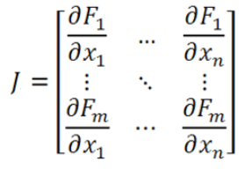
 |  | 1.51764% | 1.51764% | 0.00000% | 0.0E+00
 |  | 1.58209% | 1.58209% | 0.00000% | 0.0E+00
 | 5 | 1.73357% | 1.73357% | 0.00000% | 0.0E+00
 |  | 1.48088% | 1.48088% | 0.00000% | 0.0E+00
 |  | 1.48139% | 1.48139% | 0.00000% | 0.0E+00
 |  | 1.51764% | 1.51764% | 0.00000% | 0.0E+00
 |  | 1.58209% | 1.58209% | 0.00000% | 0.0E+00

USD LIBOR
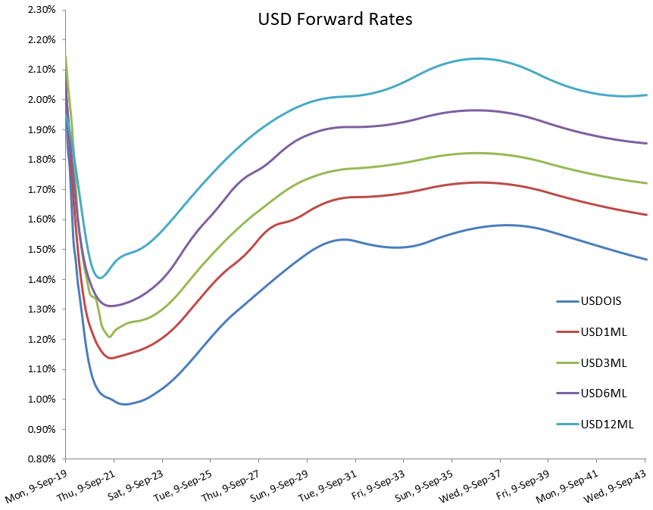
OIS Curve (1D)
Instrument | Tenor | Quote | Interpolation Style
Cash Deposit | 1D | 2.02480 | Linear
OIS Swap | 6M | 7.73450 | Spline
OIS Swap | 1Y | 1.59890 | Spline
OIS Swap | 18M | 1.52050 | Spline
OIS Swap | 2Y | 1.46050 | Spline
OIS Swap | 5Y | 1.36900 | Spline
LIBOR-OIS Basis Swap | 7Y | 0.26563 | Spline
LIBOR-OIS Basis Swap | 10Y | 0.26063 | Spline
LIBOR-OIS Basis Swap | 15Y | 0.25500 | Spline
LIBOR-OIS Basis Swap | 20Y | 0.25375 | Spline
LIBOR-OIS Basis Swap | 30Y | 0.25375 | Spline
LIBOR-OIS Basis Swap | 40Y | 0.25375 | Spline
LIBOR-OIS Basis Swap | 50Y | 0.25375 | Spline

Swap Curve (USD3ML)
Instrument | Tenor | Quote | Interpolation Style
Cash Deposit | 3M | 2.13940 | Linear
Future1 | SEP-19 | 97.85500 | Linear
Future2 | DEC-19 | 97.97500 | Linear
Future3 | MAR-20 | 98.23500 | Linear
Future4 | JUN-20 | 98.33500 | Linear
Future5 | SEP-20 | 98.39500 | Linear
Future6 | DEC-20 | 98.38000 | Linear
LIBOR Swap | 3Y | 1.69450 | Spline
LIBOR Swap | 5Y | 1.65880 | Spline
LIBOR Swap | 7Y | 1.67880 | Spline
LIBOR Swap | 10Y | 1.74720 | Spline
LIBOR Swap | 15Y | 1.84090 | Spline
LIBOR Swap | 20Y | 1.89680 | Spline
LIBOR Swap | 30Y | 1.92460 | Spline
LIBOR Swap | 40Y | 1.92460 | Spline
LIBOR Swap | 50Y | 1.92460 | Spline

Tenor-Basis Curve (USD6ML)
Instrument | Term (Years) | Quote | Interpolation Style
Cash Deposit | 6M | 2.70300 | Linear
LIBOR Basis Swap (3X6) | 1Y | 0.01750 | Spline
LIBOR Basis Swap (3X6) | 2Y | 0.04125 | Spline
LIBOR Basis Swap (3X6) | 3Y | 0.05125 | Spline
LIBOR Basis Swap (3X6) | 4Y | 0.05625 | Spline
LIBOR Basis Swap (3X6) | 5Y | 0.06125 | Spline
LIBOR Basis Swap (3X6) | 7Y | 0.07375 | Spline
LIBOR Basis Swap (3X6) | 10Y | 0.08500 | Spline
LIBOR Basis Swap (3X6) | 15Y | 0.09625 | Spline
LIBOR Basis Swap (3X6) | 20Y | 0.10375 | Spline
LIBOR Basis Swap (3X6) | 30Y | 0.11000 | Spline
LIBOR Basis Swap (3X6) | 40Y | 0.11000 | Spline
LIBOR Basis Swap (3X6) | 50Y | 0.11000 | Spline

USD SOFR Spikes
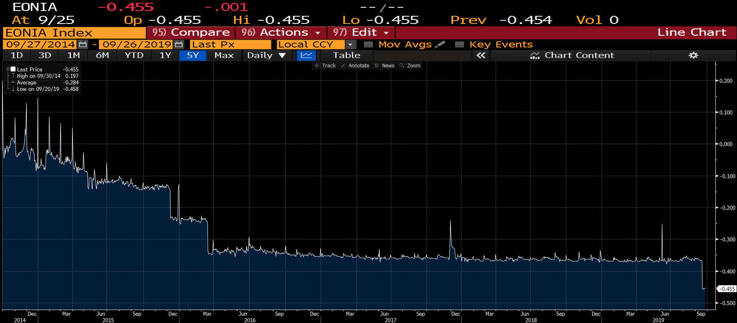
SOFR Rates & Spikes
Normal to have Upward Spikes when there are FED Intervention and Open Market Operations | Impact of SOFR Spikes on SOFR 1M and 3M Compound Rates
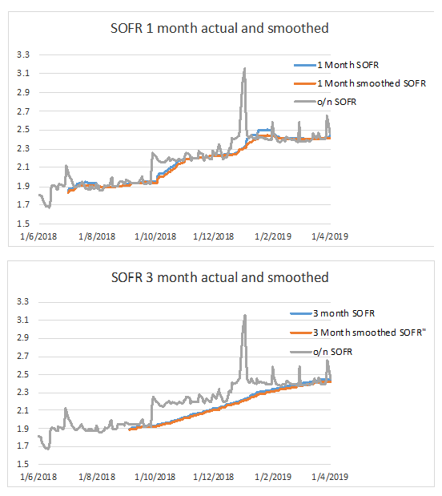
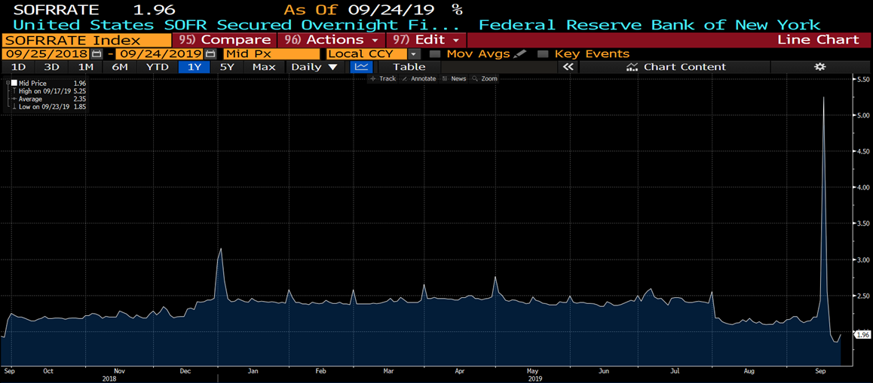

FED Fund Rates and Spiles
Normal to have Downward Spikes when there are FED Intervention and Open Market Operations

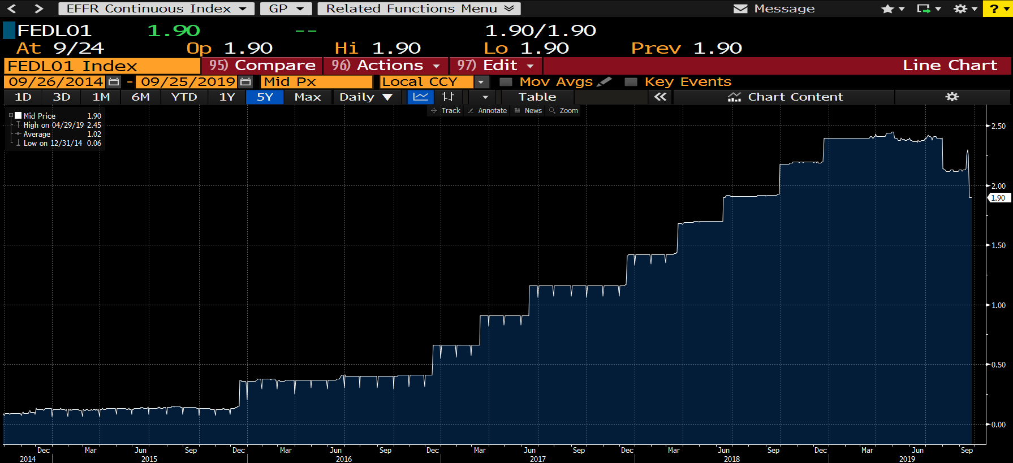

EONIA O/N Rate with Spikes

USD SOFR
SOFR Curve
 | Cash Deposit - Linear |  | MPC Swaps - Piecewise Constant with Jumps |  | Futures - Linear |  | SOFR Swaps & Tenor Basis - Spline
0.00 | 2.12000 | 0.00 |  | 0.00 |  | 0.00
0.02 | 2.21266 | 0.02 | 2.21266 | 0.02 |  | 0.02
 |  | 0.03 | 2.21266 | 0.03 |  | 0.03
 |  | 0.03 | 2.21266 | 0.03 |  | 0.03
 |  | 0.04 | 2.21266 | 0.04 |  | 0.04
 |  | 0.04 | 2.41266 | 0.04 |  | 0.04
 |  | 0.05 | 2.21266 | 0.05 |  | 0.05
 |  | 0.05 | 2.21266 | 0.05 |  | 0.05
 |  | 0.06 | 2.21266 | 0.06 |  | 0.06
 |  | 0.06 | 2.21266 | 0.06 |  | 0.06
 |  | 0.07 | 2.21266 | 0.07 |  | 0.07
 |  | 0.07 | 2.21266 | 0.07 |  | 0.07
 |  | 0.08 | 2.21266 | 0.08 |  | 0.08
 |  | 0.08 | 2.21266 | 0.08 |  | 0.08
 |  | 0.09 | 2.21266 | 0.09 |  | 0.09
 |  | 0.09 | 2.21266 | 0.09 |  | 0.09
 |  | 0.10 | 2.21266 | 0.10 |  | 0.10
 |  | 0.10 | 2.21266 | 0.10 |  | 0.10
 |  | 0.11 | 2.21266 | 0.11 |  | 0.11
 |  | 0.11 | 2.21266 | 0.11 |  | 0.11
 |  | 0.12 | 2.21266 | 0.12 |  | 0.12
 |  | 0.12 | 2.21266 | 0.12 |  | 0.12
 |  | 0.13 | 2.36266 | 0.13 |  | 0.13
 |  | 0.13 | 2.21266 | 0.13 |  | 0.13
 |  | 0.14 | 1.85987 | 0.14 |  | 0.14
 |  | 0.14 | 2.05987 | 0.14 |  | 0.14
 |  | 0.15 | 1.85987 | 0.15 |  | 0.15
 |  | 0.15 | 1.85987 | 0.15 |  | 0.15
 |  | 0.16 | 1.85987 | 0.16 |  | 0.16
 |  | 0.16 | 1.85987 | 0.16 |  | 0.16
 |  | 0.17 | 1.85987 | 0.17 |  | 0.17
 |  | 0.17 | 1.85987 | 0.17 |  | 0.17
 |  | 0.18 | 1.85987 | 0.18 |  | 0.18
 |  | 0.18 | 1.85987 | 0.18 |  | 0.18
 |  | 0.19 | 1.85987 | 0.19 |  | 0.19
 |  | 0.19 | 2.10987 | 0.19 |  | 0.19
 |  | 0.20 | 1.85987 | 0.20 |  | 0.20
 |  | 0.20 | 1.85987 | 0.20 |  | 0.20
 |  | 0.21 | 1.85987 | 0.21 |  | 0.21
 |  | 0.21 | 1.85987 | 0.21 |  | 0.21
 |  | 0.22 | 1.85987 | 0.22 |  | 0.22
 |  | 0.22 | 1.85987 | 0.22 |  | 0.22
 |  | 0.23 | 1.85987 | 0.23 |  | 0.23
 |  | 0.23 | 1.95987 | 0.23 |  | 0.23
 |  | 0.24 | 1.85987 | 0.24 |  | 0.24
 |  | 0.25 | 1.57939 | 0.25 |  | 0.25
 |  | 0.26 | 1.77939 | 0.26 |  | 0.26
 |  | 0.26 | 1.57939 | 0.26 |  | 0.26
 |  | 0.27 | 1.57939 | 0.27 |  | 0.27
 |  | 0.27 | 1.57939 | 0.27 |  | 0.27
...
 |  |  |  |  |  | … Chart Parameters |  |  |  |  |  | … Calibration Instruments |  |  |  |  |  |  |  |  | … Market Data Data
Chart Data |  |  |  |  |  |  |  |  |  |  |  |  | SHORT-END
 | Cash Deposit - Linear | MPC Swaps - Piecewise Constant with Jumps | Futures - Linear | SOFR Swaps & Tenor Basis - Spline |  |  |  |  |  |  |  |  | Instrument | Term | Rate | StartDate | EndDate
Term | Cash Deposit | MPC Swaps | Futures | SOFR Swaps |  |  | SOFR Curve |  |  |  |  |  | Cash Deposit | 1D | 2.12000
0.00 | 2.12000 |  |  |  |  |  | Instrument | Term (Years) | Quote | Interpolation Style | Rate |  | Monetary Policy SOFR Swap | MPC1 | 2.21266 | 18-Sep-19 | 30-Oct-19
0.02 | 2.21266 | 2.21266 |  |  | MPC Jumps |  | Cash Deposit | 0.00 | 2.12000 | Linear | 2.12000 |  | Monetary Policy SOFR Swap | MPC2 | 1.85987 | 30-Oct-19 | 11-Dec-19
0.03 |  | 2.21266 |  |  |  |  | Monetary Policy SOFR Swap | 0.02 | 2.21266 | Piecewise-Constant with Jumps | 2.21266 |  | Monetary Policy SOFR Swap | MPC3 | 1.57939 | 11-Dec-19 | 29-Jan-19
0.03 |  | 2.21266 |  |  |  |  | Monetary Policy SOFR Swap | 0.14 | 1.85987 | Piecewise-Constant with Jumps | 1.85987 |  | Monetary Policy SOFR Swap | MPC4 | 1.38860 | 29-Jan-20 | 18-Mar-20
0.04 |  | 2.21266 |  |  |  |  | Monetary Policy SOFR Swap | 0.25 | 1.57939 | Piecewise-Constant with Jumps | 1.57939
0.04 |  | 2.41266 |  |  | 0.20000 |  | Monetary Policy SOFR Swap | 0.39 | 1.38860 | Piecewise-Constant with Jumps | 1.38860 |  | MIDDLE
0.05 |  | 2.21266 |  |  |  |  | Future 5 | 0.52 | 98.69748 | Linear | 1.30252 |  | Instrument | Term | Rate | StartDate | EndDate | Convexity |  | Rate
0.05 |  | 2.21266 |  |  |  |  | Future 6 | 0.77 | 98.79385 | Linear | 1.20615 |  | Future 5 | M0 | 98.710 | 18-Mar-20 | 17-Jun-20 | -0.00227 |  | 1.30252
0.06 |  | 2.21266 |  |  |  |  | Future 7 | 1.02 | 98.84050 | Linear | 1.15950 |  | Future 6 | U0 | 98.795 | 17-Jun-20 | 16-Sep-20 | -0.00351 |  | 1.20615
0.06 |  | 2.21266 |  |  |  |  | Future 8 | 1.27 | 98.81677 | Linear | 1.18323 |  | Future 7 | Z0 | 98.835 | 16-Sep-20 | 16-Dec-20 | -0.00502 |  | 1.15950
0.07 |  | 2.21266 |  |  |  |  | SOFR Swap | 3 | 1.22559 | Spline | 1.22559 |  | Future 8 | H1 | 98.810 | 16-Dec-20 | 17-Mar-21 | -0.00677 |  | 1.18323
0.07 |  | 2.21266 |  |  |  |  | SOFR Swap | 5 | 1.20502 | Spline | 1.20502
0.08 |  | 2.21266 |  |  |  |  | SOFR Swap | 7 | 1.23028 | Spline | 1.23028 |  | LONG-END
0.08 |  | 2.21266 |  |  |  |  | SOFR-OIS Basis Swap | 10 | 0.01000 | Spline | 1.29071 |  | Instrument | Term | Rate | Description
0.09 |  | 2.21266 |  |  |  |  | SOFR-OIS Basis Swap | 15 | 0.02500 | Spline | 1.36849 |  | SOFR Swap | 3Y | 1.22559 | Outright Swaps
0.09 |  | 2.21266 |  |  |  |  | SOFR-OIS Basis Swap | 20 | 0.05000 | Spline | 1.41102 |  | SOFR Swap | 5Y | 1.20502 | Outright Swaps
0.10 |  | 2.21266 |  |  |  |  | SOFR-LIBOR Basis Swap | 30 | 0.07500 | Spline | 1.42135 |  | SOFR Swap | 7Y | 1.23028 | Outright Swaps |  |  | Term | SOFR Rate
0.10 |  | 2.21266 |  |  |  |  | SOFR-LIBOR Basis Swap | 40 | 0.08000 | Spline | 1.40063 |  | OIS Swap | 10Y | 1.27154 | Tenor Basis: ARR-OIS Basis |  |  | 10Y | 1.29071
0.11 |  | 2.21266 |  |  |  |  | SOFR-LIBOR Basis Swap | 50 | 0.10000 | Spline | 1.36656 |  | OIS Swap | 15Y | 1.36468 | Tenor Basis: ARR-OIS Basis |  |  | 15Y | 1.36849
0.11 |  | 2.21266 |  |  |  |  |  |  |  |  |  |  | OIS Swap | 20Y | 1.41945 | Tenor Basis: ARR-OIS Basis |  |  | 20Y | 1.41102
0.12 |  | 2.21266 |  |  |  |  |  |  |  |  |  |  | SOFR-OIS Basis Swap | 10Y | 1.917 | Tenor Basis: ARR-OIS Basis
0.12 |  | 2.21266 |  |  |  |  |  |  |  |  |  |  | SOFR-OIS Basis Swap | 15Y | 0.381 | Tenor Basis: ARR-OIS Basis
0.13 |  | 2.36266 |  |  | 0.15000 |  |  |  |  |  |  |  | SOFR-OIS Basis Swap | 20Y | -0.843 | Tenor Basis: ARR-OIS Basis |  |  | Term | SOFR Rate
0.13 |  | 2.21266 |  |  |  |  |  |  |  |  |  |  | LIBOR Swap | 30Y | 1.71796 | Tenor Basis: ARR- Libor Basis |  |  | 30Y | 1.42135
0.14 |  | 1.85987 |  |  |  |  | SOFR Curve Instruments |  |  |  |  |  | LIBOR Swap | 40Y | 1.69731 | Tenor Basis: ARR- Libor Basis |  |  | 40Y | 1.40063
SOFR Curve Forward RatesBy Instrument (Not to Scale)
0.14 |  | 2.05987 |  |  | 0.20000 |  |  |  |  |  |  |  | LIBOR Swap | 50Y | 1.66080 | Tenor Basis: ARR- Libor Basis |  |  | 50Y | 1.36656
0.15 |  | 1.85987 |  |  |  |  | Instrument | Term | Rate |  |  |  | SOFR-LIBOR Basis Swap | 30Y | -29.661 | Tenor Basis: ARR- Libor Basis
0.15 |  | 1.85987 |  |  |  |  | Cash Deposit | 1D | 2.12000 |  |  |  | SOFR-LIBOR Basis Swap | 40Y | -29.668 | Tenor Basis: ARR- Libor Basis
0.16 |  | 1.85987 |  |  |  |  | Monetary Policy SOFR Swap | MPC1 | 2.21266 |  |  |  | SOFR-LIBOR Basis Swap | 50Y | -29.424 | Tenor Basis: ARR- Libor Basis
0.16 |  | 1.85987 |  |  |  |  | Monetary Policy SOFR Swap | MPC2 | 1.85987
0.17 |  | 1.85987 |  |  |  |  | Monetary Policy SOFR Swap | MPC3 | 1.57939
0.17 |  | 1.85987 |  |  |  |  | Monetary Policy SOFR Swap | MPC4 | 1.38860
0.18 |  | 1.85987 |  |  |  |  | Future 5 | M0 | 1.30252
0.18 |  | 1.85987 |  |  |  |  | Future 6 | U0 | 1.20615
0.19 |  | 1.85987 |  |  |  |  | Future 7 | Z0 | 1.15950
0.19 |  | 2.10987 |  |  | 0.25000 |  | Future 8 | H1 | 1.18323
0.20 |  | 1.85987 |  |  |  |  | SOFR Swap | 3Y | 1.22559
0.20 |  | 1.85987 |  |  |  |  | SOFR Swap | 5Y | 1.20502
0.21 |  | 1.85987 |  |  |  |  | SOFR Swap | 7Y | 1.23028
0.21 |  | 1.85987 |  |  |  |  | SOFR-OIS Basis Swap | 10Y | 1.29071
0.22 |  | 1.85987 |  |  |  |  | SOFR-OIS Basis Swap | 15Y | 1.36849
0.22 |  | 1.85987 |  |  |  |  | SOFR-OIS Basis Swap | 20Y | 1.41102
0.23 |  | 1.85987 |  |  |  |  | SOFR-LIBOR Basis Swap | 30Y | 1.42135
0.23 |  | 1.95987 |  |  | 0.10000 |  | SOFR-LIBOR Basis Swap | 40Y | 1.40063
0.24 |  | 1.85987 |  |  |  |  | SOFR-LIBOR Basis Swap | 50Y | 1.36656
0.25 |  | 1.57939
0.26 |  | 1.77939 |  |  | 0.20000
0.26 |  | 1.57939
0.27 |  | 1.57939
0.27 |  | 1.57939
0.28 |  | 1.57939
0.28 |  | 1.57939
0.29 |  | 1.57939
0.29 |  | 1.57939
0.30 |  | 1.57939
0.30 |  | 1.57939
0.31 |  | 1.57939
0.31 |  | 1.67939 |  |  | 0.10000
0.32 |  | 1.57939
0.32 |  | 1.57939
0.33 |  | 1.57939
0.33 |  | 1.57939
0.34 |  | 1.57939
0.34 |  | 1.57939
0.35 |  | 1.57939
0.35 |  | 1.57939
0.36 |  | 1.57939
0.36 |  | 1.97939 |  |  | 0.40000
0.37 |  | 1.57939
0.37 |  | 1.57939
0.38 |  | 1.57939
0.38 |  | 1.57939
0.39 |  | 1.38860
0.39 |  | 1.38860
0.40 |  | 1.58860 |  |  | 0.20000
0.40 |  | 1.38860
0.41 |  | 1.38860
0.41 |  | 1.38860
0.42 |  | 1.38860
0.42 |  | 1.38860
0.43 |  | 1.38860
0.43 |  | 1.38860
0.44 |  | 1.38860
0.44 |  | 1.38860
0.45 |  | 1.38860
0.45 |  | 1.38860
0.46 |  | 1.38860
0.46 |  | 1.38860
0.47 |  | 1.38860
0.47 |  | 1.38860
0.48 |  | 1.38860
0.48 |  | 1.58860 |  |  | 0.20000
0.49 |  | 1.38860
0.49 |  | 1.38860
0.50 |  | 1.38860
0.50 |  | 1.38860
0.51 |  | 1.38860 | 1.38860
0.52 |  |  | 1.30252 |  | Linear Coefft
0.57 |  |  | 1.28325 |  | 0.2
0.62 |  |  | 1.26397 |  | 0.4
0.67 |  |  | 1.24470 |  | 0.6
0.72 |  |  | 1.22542 |  | 0.8
0.77 |  |  | 1.20615 |  | Linear Coefft
0.82 |  |  | 1.19682 |  | 0.2
0.87 |  |  | 1.18749 |  | 0.4
0.92 |  |  | 1.17816 |  | 0.6
0.97 |  |  | 1.16883 |  | 0.8
1.02 |  |  | 1.15950 |  | Linear Coefft
1.07 |  |  | 1.16425 |  | 0.2
1.12 |  |  | 1.16899 |  | 0.4
1.17 |  |  | 1.17374 |  | 0.6
1.22 |  |  | 1.17848 |  | 0.8
1.27 |  |  | 1.18323 | 1.18323
3.00 |  |  |  | 1.22559
5.00 |  |  |  | 1.20502
7.00 |  |  |  | 1.23028
10.00 |  |  |  | 1.29071
15.00 |  |  |  | 1.36849
20.00 |  |  |  | 1.41102
30.00 |  |  |  | 1.42135
40.00 |  |  |  | 1.40063
50.00 |  |  |  | 1.36656

USD SOFR BASIC vs ADVANCED
SOFR Curve - Basic Vs Advanced
 | Cash Deposit - Linear |  | MPC Swaps - Piecewise Constant with Jumps |  | Futures - Linear |  | SOFR Swaps & Tenor Basis - Spline |  | Basic SOFR Curve
0.00 | 2.12000 | 0.00 |  | 0.00 |  | 0.00 |  | 0.00 | 2.12000
0.02 | 2.21266 | 0.02 | 2.21266 | 0.02 |  | 0.02 |  | 0.02 | 2.21266
 |  | 0.03 | 2.21266 | 0.03 |  | 0.03 |  | 0.14 | 1.85987
 |  | 0.03 | 2.21266 | 0.03 |  | 0.03 |  | 0.25 | 1.57939
 |  | 0.04 | 2.21266 | 0.04 |  | 0.04 |  | 0.39 | 1.38860
 |  | 0.04 | 2.41266 | 0.04 |  | 0.04 |  | 1.00 | 1.15950
 |  | 0.05 | 2.21266 | 0.05 |  | 0.05 |  | 2.00 | 1.19255
 |  | 0.05 | 2.21266 | 0.05 |  | 0.05 |  | 3.00 | 1.22559
 |  | 0.06 | 2.21266 | 0.06 |  | 0.06 |  | 5.00 | 1.20502
 |  | 0.06 | 2.21266 | 0.06 |  | 0.06 |  | 7.00 | 1.23028
 |  | 0.07 | 2.21266 | 0.07 |  | 0.07 |  | 10.00 | 1.30071
 |  | 0.07 | 2.21266 | 0.07 |  | 0.07 |  | 15.00 | 1.39349
 |  | 0.08 | 2.21266 | 0.08 |  | 0.08 |  | 20.00 | 1.46102
 |  | 0.08 | 2.21266 | 0.08 |  | 0.08 |  | 30.00 | 1.49635
 |  | 0.09 | 2.21266 | 0.09 |  | 0.09 |  | 40.00 | 1.48063
 |  | 0.09 | 2.21266 | 0.09 |  | 0.09 |  | 50.00 | 1.46656
 |  | 0.10 | 2.21266 | 0.10 |  | 0.10
 |  | 0.10 | 2.21266 | 0.10 |  | 0.10
 |  | 0.11 | 2.21266 | 0.11 |  | 0.11
 |  | 0.11 | 2.21266 | 0.11 |  | 0.11
 |  | 0.12 | 2.21266 | 0.12 |  | 0.12
 |  | 0.12 | 2.21266 | 0.12 |  | 0.12
 |  | 0.13 | 2.36266 | 0.13 |  | 0.13
 |  | 0.13 | 2.21266 | 0.13 |  | 0.13
 |  | 0.14 | 1.85987 | 0.14 |  | 0.14
 |  | 0.14 | 2.05987 | 0.14 |  | 0.14
 |  | 0.15 | 1.85987 | 0.15 |  | 0.15
 |  | 0.15 | 1.85987 | 0.15 |  | 0.15
 |  | 0.16 | 1.85987 | 0.16 |  | 0.16
 |  | 0.16 | 1.85987 | 0.16 |  | 0.16
 |  | 0.17 | 1.85987 | 0.17 |  | 0.17
 |  | 0.17 | 1.85987 | 0.17 |  | 0.17
 |  | 0.18 | 1.85987 | 0.18 |  | 0.18
 |  | 0.18 | 1.85987 | 0.18 |  | 0.18
 |  | 0.19 | 1.85987 | 0.19 |  | 0.19
 |  | 0.19 | 2.10987 | 0.19 |  | 0.19
 |  | 0.20 | 1.85987 | 0.20 |  | 0.20
 |  | 0.20 | 1.85987 | 0.20 |  | 0.20
 |  | 0.21 | 1.85987 | 0.21 |  | 0.21
 |  | 0.21 | 1.85987 | 0.21 |  | 0.21
 |  | 0.22 | 1.85987 | 0.22 |  | 0.22
 |  | 0.22 | 1.85987 | 0.22 |  | 0.22
 |  | 0.23 | 1.85987 | 0.23 |  | 0.23
 |  | 0.23 | 1.95987 | 0.23 |  | 0.23
 |  | 0.24 | 1.85987 | 0.24 |  | 0.24
 |  | 0.25 | 1.57939 | 0.25 |  | 0.25
 |  | 0.26 | 1.77939 | 0.26 |  | 0.26
 |  | 0.26 | 1.57939 | 0.26 |  | 0.26
 |  | 0.27 | 1.57939 | 0.27 |  | 0.27
 |  | 0.27 | 1.57939 | 0.27 |  | 0.27
...
 |  |  |  |  |  |  |  |  |  |  | … Chart Parameters |  |  |  |  | … Calibration Instruments |  |  |  |  |  |  |  |  | … Market Data Data
Basic SOFR Curve Definition |  |  |  |  | Advanced SOFR Data |  |  |  |  |  |  |  |  |  |  |  | SHORT-END
 |  |  |  |  |  | Cash Deposit - Linear | MPC Swaps - Piecewise Constant with Jumps | Futures - Linear | SOFR Swaps & Tenor Basis - Spline |  |  | SOFR Curve Definition with Interpolation |  |  |  |  | Instrument | Term | Rate | StartDate | EndDate
Instrument | Term | Basic SOFR Curve |  |  | Term | Cash Deposit | MPC Swaps | Futures | SOFR Swaps |  |  |  |  |  |  |  | SOFR Swap | 1D | 2.12000
Cash Deposit | 0.00 | 2.12000 |  |  | 0.00 | 2.12000 |  |  |  |  |  | Instrument | Term (Years) | Rate | Interpolation Style |  | Monetary Policy SOFR Swap | MPC1 | 2.21266 | 18-Sep-19 | 30-Oct-19
MPC Swap | 0.02 | 2.21266 |  |  | 0.02 | 2.21266 | 2.21266 |  |  | MPC Jumps |  | Cash Deposit | 0.00 | 2.12000 | Linear |  | Monetary Policy SOFR Swap | MPC2 | 1.85987 | 30-Oct-19 | 11-Dec-19
MPC Swap | 0.14 | 1.85987 |  |  | 0.03 |  | 2.21266 |  |  |  |  | Monetary Policy SOFR Swap | 0.02 | 2.21266 | Piecewise-Constant |  | Monetary Policy SOFR Swap | MPC3 | 1.57939 | 11-Dec-19 | 29-Jan-19
MPC Swap | 0.25 | 1.57939 |  |  | 0.03 |  | 2.21266 |  |  |  |  | Monetary Policy SOFR Swap | 0.14 | 1.85987 | Piecewise-Constant |  | Monetary Policy SOFR Swap | MPC4 | 1.38860 | 29-Jan-20 | 18-Mar-20
MPC Swap | 0.39 | 1.38860 |  | Estimated Difference | 0.04 |  | 2.21266 |  |  |  |  | Monetary Policy SOFR Swap | 0.25 | 1.57939 | Piecewise-Constant
SOFR Swap | 1.00 | 1.15950 |  | Outright vs Basis (%) | 0.04 |  | 2.41266 |  |  | 0.20000 |  | Monetary Policy SOFR Swap | 0.39 | 1.38860 | Piecewise-Constant |  | MIDDLE
SOFR Swap | 2.00 | 1.19255 |  | 0.10 | 0.05 |  | 2.21266 |  |  |  |  | Future 5 | 0.52 | 1.30252 | Linear |  | Instrument | Term | Rate | StartDate | EndDate | Convexity |  | Rate
SOFR Swap | 3.00 | 1.22559 |  |  | 0.05 |  | 2.21266 |  |  |  |  | Future 6 | 0.77 | 1.20615 | Linear |  | Future 5 | M0 | 98.710 | 18-Mar-20 | 17-Jun-20 | -0.00227 |  | 1.30252
SOFR Swap | 5.00 | 1.20502 |  |  | 0.06 |  | 2.21266 |  |  |  |  | Future 7 | 1.02 | 1.15950 | Linear |  | Future 6 | U0 | 98.795 | 17-Jun-20 | 16-Sep-20 | -0.00351 |  | 1.20615
SOFR Swap | 7.00 | 1.23028 |  | Blend Weight (%) | 0.06 |  | 2.21266 |  |  |  |  | Future 8 | 1.27 | 1.18323 | Linear |  | Future 7 | Z0 | 98.835 | 16-Sep-20 | 16-Dec-20 | -0.00502 |  | 1.15950
SOFR Swap | 10.00 | 1.30071 | * | 0.10 | 0.07 |  | 2.21266 |  |  |  |  | SOFR Swap | 3 | 1.22559 | Spline |  | Future 8 | H1 | 98.810 | 16-Dec-20 | 17-Mar-21 | -0.00677 |  | 1.18323
SOFR Swap | 15.00 | 1.39349 | * | 0.25 | 0.07 |  | 2.21266 |  |  |  |  | SOFR Swap | 5 | 1.20502 | Spline
SOFR Swap | 20.00 | 1.46102 | * | 0.50 | 0.08 |  | 2.21266 |  |  |  |  | SOFR Swap | 7 | 1.23028 | Spline |  | LONG-END
SOFR Swap | 30.00 | 1.49635 | ** | 0.75 | 0.08 |  | 2.21266 |  |  |  |  | SOFR-OIS Basis Swap | 10 | 1.29071 | Spline |  | Instrument | Term | Rate | Description
SOFR Swap | 40.00 | 1.48063 | ** | 0.80 | 0.09 |  | 2.21266 |  |  |  |  | SOFR-OIS Basis Swap | 15 | 1.36849 | Spline |  | SOFR Swap | 3Y | 1.22559 | Outright Swaps
SOFR Swap | 50.00 | 1.46656 | ** | 1.00 | 0.09 |  | 2.21266 |  |  |  |  | SOFR-OIS Basis Swap | 20 | 1.41102 | Spline |  | SOFR Swap | 5Y | 1.20502 | Outright Swaps
* SOFR Swap Level ≠ SOFR-OIS Basis Level |  |  |  |  | 0.10 |  | 2.21266 |  |  |  |  | SOFR-LIBOR Basis Swap | 30 | 1.42135 | Spline |  | SOFR Swap | 7Y | 1.23028 | Outright Swaps |  |  | Term | SOFR Rate
** SOFR Swap Level ≠ SOFR-LIBOR Basis Level |  |  |  |  | 0.10 |  | 2.21266 |  |  |  |  | SOFR-LIBOR Basis Swap | 40 | 1.40063 | Spline |  | OIS Swap | 10Y | 1.27154 | Tenor Basis: ARR-OIS Basis |  |  | 10Y | 1.29071
 |  |  |  |  | 0.11 |  | 2.21266 |  |  |  |  | SOFR-LIBOR Basis Swap | 50 | 1.36656 | Spline |  | OIS Swap | 15Y | 1.36468 | Tenor Basis: ARR-OIS Basis |  |  | 15Y | 1.36849
 |  |  |  |  | 0.11 |  | 2.21266 |  |  |  |  |  |  |  |  |  | OIS Swap | 20Y | 1.41945 | Tenor Basis: ARR-OIS Basis |  |  | 20Y | 1.41102
 |  |  |  |  | 0.12 |  | 2.21266 |  |  |  |  |  |  |  |  |  | SOFR-OIS Basis Swap | 10Y | 1.917 | Tenor Basis: ARR-OIS Basis
 |  |  |  |  | 0.12 |  | 2.21266 |  |  |  |  |  |  |  |  |  | SOFR-OIS Basis Swap | 15Y | 0.381 | Tenor Basis: ARR-OIS Basis
 |  |  |  |  | 0.13 |  | 2.36266 |  |  | 0.15000 |  |  |  |  |  |  | SOFR-OIS Basis Swap | 20Y | -0.843 | Tenor Basis: ARR-OIS Basis |  |  | Term | SOFR Rate
SOFR Curve - Basic Vs Advanced
 | Cash Deposit - Linear |  | MPC Swaps - Piecewise Constant with Jumps |  | Futures - Linear |  | SOFR Swaps & Tenor Basis - Spline |  | Basic SOFR Curve
0.00 | 2.12000 | 0.00 |  | 0.00 |  | 0.00 |  | 0.00 | 2.12000
0.02 | 2.21266 | 0.02 | 2.21266 | 0.02 |  | 0.02 |  | 0.02 | 2.21266
 |  | 0.03 | 2.21266 | 0.03 |  | 0.03 |  | 0.14 | 1.85987
 |  | 0.03 | 2.21266 | 0.03 |  | 0.03 |  | 0.25 | 1.57939
 |  | 0.04 | 2.21266 | 0.04 |  | 0.04 |  | 0.39 | 1.38860
 |  | 0.04 | 2.41266 | 0.04 |  | 0.04 |  | 1.00 | 1.15950
 |  | 0.05 | 2.21266 | 0.05 |  | 0.05 |  | 2.00 | 1.19255
 |  | 0.05 | 2.21266 | 0.05 |  | 0.05 |  | 3.00 | 1.22559
 |  | 0.06 | 2.21266 | 0.06 |  | 0.06 |  | 5.00 | 1.20502
 |  | 0.06 | 2.21266 | 0.06 |  | 0.06 |  | 7.00 | 1.23028
 |  | 0.07 | 2.21266 | 0.07 |  | 0.07 |  | 10.00 | 1.30071
 |  | 0.07 | 2.21266 | 0.07 |  | 0.07 |  | 15.00 | 1.39349
 |  | 0.08 | 2.21266 | 0.08 |  | 0.08 |  | 20.00 | 1.46102
 |  | 0.08 | 2.21266 | 0.08 |  | 0.08 |  | 30.00 | 1.49635
 |  | 0.09 | 2.21266 | 0.09 |  | 0.09 |  | 40.00 | 1.48063
 |  | 0.09 | 2.21266 | 0.09 |  | 0.09 |  | 50.00 | 1.46656
 |  | 0.10 | 2.21266 | 0.10 |  | 0.10
 |  | 0.10 | 2.21266 | 0.10 |  | 0.10
 |  | 0.11 | 2.21266 | 0.11 |  | 0.11
 |  | 0.11 | 2.21266 | 0.11 |  | 0.11
 |  | 0.12 | 2.21266 | 0.12 |  | 0.12
 |  | 0.12 | 2.21266 | 0.12 |  | 0.12
 |  | 0.13 | 2.36266 | 0.13 |  | 0.13
 |  | 0.13 | 2.21266 | 0.13 |  | 0.13
 |  | 0.14 | 1.85987 | 0.14 |  | 0.14
 |  | 0.14 | 2.05987 | 0.14 |  | 0.14
 |  | 0.15 | 1.85987 | 0.15 |  | 0.15
 |  | 0.15 | 1.85987 | 0.15 |  | 0.15
 |  | 0.16 | 1.85987 | 0.16 |  | 0.16
 |  | 0.16 | 1.85987 | 0.16 |  | 0.16
 |  | 0.17 | 1.85987 | 0.17 |  | 0.17
 |  | 0.17 | 1.85987 | 0.17 |  | 0.17
 |  | 0.18 | 1.85987 | 0.18 |  | 0.18
 |  | 0.18 | 1.85987 | 0.18 |  | 0.18
 |  | 0.19 | 1.85987 | 0.19 |  | 0.19
 |  | 0.19 | 2.10987 | 0.19 |  | 0.19
 |  | 0.20 | 1.85987 | 0.20 |  | 0.20
 |  | 0.20 | 1.85987 | 0.20 |  | 0.20
 |  | 0.21 | 1.85987 | 0.21 |  | 0.21
 |  | 0.21 | 1.85987 | 0.21 |  | 0.21
 |  | 0.22 | 1.85987 | 0.22 |  | 0.22
 |  | 0.22 | 1.85987 | 0.22 |  | 0.22
 |  | 0.23 | 1.85987 | 0.23 |  | 0.23
 |  | 0.23 | 1.95987 | 0.23 |  | 0.23
 |  | 0.24 | 1.85987 | 0.24 |  | 0.24
 |  | 0.25 | 1.57939 | 0.25 |  | 0.25
 |  | 0.26 | 1.77939 | 0.26 |  | 0.26
 |  | 0.26 | 1.57939 | 0.26 |  | 0.26
 |  | 0.27 | 1.57939 | 0.27 |  | 0.27
 |  | 0.27 | 1.57939 | 0.27 |  | 0.27
...
 |  |  |  |  | 0.13 |  | 2.21266 |  |  |  |  |  |  |  |  |  | LIBOR Swap | 30Y | 1.71796 | Tenor Basis: ARR- Libor Basis |  |  | 30Y | 1.42135
 |  |  |  |  | 0.14 |  | 1.85987 |  |  |  |  | SOFR Curve Definition |  |  |  |  | LIBOR Swap | 40Y | 1.69731 | Tenor Basis: ARR- Libor Basis |  |  | 40Y | 1.40063
 |  |  |  |  | 0.14 |  | 2.05987 |  |  | 0.20000 |  |  |  |  |  |  | LIBOR Swap | 50Y | 1.66080 | Tenor Basis: ARR- Libor Basis |  |  | 50Y | 1.36656
 |  |  |  |  | 0.15 |  | 1.85987 |  |  |  |  | Instrument | Term | Rate |  |  | SOFR-LIBOR Basis Swap | 30Y | -29.661 | Tenor Basis: ARR- Libor Basis
 |  |  |  |  | 0.15 |  | 1.85987 |  |  |  |  | Cash Deposit | 1D | 2.12000 |  |  | SOFR-LIBOR Basis Swap | 40Y | -29.668 | Tenor Basis: ARR- Libor Basis
 |  |  |  |  | 0.16 |  | 1.85987 |  |  |  |  | Monetary Policy SOFR Swap | MPC1 | 2.21266 |  |  | SOFR-LIBOR Basis Swap | 50Y | -29.424 | Tenor Basis: ARR- Libor Basis
 |  |  |  |  | 0.16 |  | 1.85987 |  |  |  |  | Monetary Policy SOFR Swap | MPC2 | 1.85987
 |  |  |  |  | 0.17 |  | 1.85987 |  |  |  |  | Monetary Policy SOFR Swap | MPC3 | 1.57939
 |  |  |  |  | 0.17 |  | 1.85987 |  |  |  |  | Monetary Policy SOFR Swap | MPC4 | 1.38860
 |  |  |  |  | 0.18 |  | 1.85987 |  |  |  |  | Future 5 | M0 | 1.30252
 |  |  |  |  | 0.18 |  | 1.85987 |  |  |  |  | Future 6 | U0 | 1.20615
 |  |  |  |  | 0.19 |  | 1.85987 |  |  |  |  | Future 7 | Z0 | 1.15950
 |  |  |  |  | 0.19 |  | 2.10987 |  |  | 0.25000 |  | Future 8 | H1 | 1.18323
 |  |  |  |  | 0.20 |  | 1.85987 |  |  |  |  | SOFR Swap | 3Y | 1.22559
 |  |  |  |  | 0.20 |  | 1.85987 |  |  |  |  | SOFR Swap | 5Y | 1.20502
 |  |  |  |  | 0.21 |  | 1.85987 |  |  |  |  | SOFR Swap | 7Y | 1.23028
 |  |  |  |  | 0.21 |  | 1.85987 |  |  |  |  | SOFR-OIS Basis Swap | 10Y | 1.29071
 |  |  |  |  | 0.22 |  | 1.85987 |  |  |  |  | SOFR-OIS Basis Swap | 15Y | 1.36849
 |  |  |  |  | 0.22 |  | 1.85987 |  |  |  |  | SOFR-OIS Basis Swap | 20Y | 1.41102
 |  |  |  |  | 0.23 |  | 1.85987 |  |  |  |  | SOFR-LIBOR Basis Swap | 30Y | 1.42135
 |  |  |  |  | 0.23 |  | 1.95987 |  |  | 0.10000 |  | SOFR-LIBOR Basis Swap | 40Y | 1.40063
 |  |  |  |  | 0.24 |  | 1.85987 |  |  |  |  | SOFR-LIBOR Basis Swap | 50Y | 1.36656
 |  |  |  |  | 0.25 |  | 1.57939
 |  |  |  |  | 0.26 |  | 1.77939 |  |  | 0.20000
 |  |  |  |  | 0.26 |  | 1.57939
Curve Shape & Interpolation
 | Cash Deposit - Linear |  | MPC Swaps - Piecewise Constant with Jumps |  | Futures - Linear |  | SOFR Swaps & Tenor Basis - Spline
0.00 | 2.12000 | 0.00 |  | 0.00 |  | 0.00
0.02 | 2.21266 | 0.02 | 2.21266 | 0.02 |  | 0.02
 |  | 0.03 | 2.21266 | 0.03 |  | 0.03
 |  | 0.03 | 2.21266 | 0.03 |  | 0.03
 |  | 0.04 | 2.21266 | 0.04 |  | 0.04
 |  | 0.04 | 2.41266 | 0.04 |  | 0.04
 |  | 0.05 | 2.21266 | 0.05 |  | 0.05
 |  | 0.05 | 2.21266 | 0.05 |  | 0.05
 |  | 0.06 | 2.21266 | 0.06 |  | 0.06
 |  | 0.06 | 2.21266 | 0.06 |  | 0.06
 |  | 0.07 | 2.21266 | 0.07 |  | 0.07
 |  | 0.07 | 2.21266 | 0.07 |  | 0.07
 |  | 0.08 | 2.21266 | 0.08 |  | 0.08
 |  | 0.08 | 2.21266 | 0.08 |  | 0.08
 |  | 0.09 | 2.21266 | 0.09 |  | 0.09
 |  | 0.09 | 2.21266 | 0.09 |  | 0.09
 |  | 0.10 | 2.21266 | 0.10 |  | 0.10
 |  | 0.10 | 2.21266 | 0.10 |  | 0.10
 |  | 0.11 | 2.21266 | 0.11 |  | 0.11
 |  | 0.11 | 2.21266 | 0.11 |  | 0.11
 |  | 0.12 | 2.21266 | 0.12 |  | 0.12
 |  | 0.12 | 2.21266 | 0.12 |  | 0.12
 |  | 0.13 | 2.36266 | 0.13 |  | 0.13
 |  | 0.13 | 2.21266 | 0.13 |  | 0.13
 |  | 0.14 | 1.85987 | 0.14 |  | 0.14
 |  | 0.14 | 2.05987 | 0.14 |  | 0.14
 |  | 0.15 | 1.85987 | 0.15 |  | 0.15
 |  | 0.15 | 1.85987 | 0.15 |  | 0.15
 |  | 0.16 | 1.85987 | 0.16 |  | 0.16
 |  | 0.16 | 1.85987 | 0.16 |  | 0.16
 |  | 0.17 | 1.85987 | 0.17 |  | 0.17
 |  | 0.17 | 1.85987 | 0.17 |  | 0.17
 |  | 0.18 | 1.85987 | 0.18 |  | 0.18
 |  | 0.18 | 1.85987 | 0.18 |  | 0.18
 |  | 0.19 | 1.85987 | 0.19 |  | 0.19
 |  | 0.19 | 2.10987 | 0.19 |  | 0.19
 |  | 0.20 | 1.85987 | 0.20 |  | 0.20
 |  | 0.20 | 1.85987 | 0.20 |  | 0.20
 |  | 0.21 | 1.85987 | 0.21 |  | 0.21
 |  | 0.21 | 1.85987 | 0.21 |  | 0.21
 |  | 0.22 | 1.85987 | 0.22 |  | 0.22
 |  | 0.22 | 1.85987 | 0.22 |  | 0.22
 |  | 0.23 | 1.85987 | 0.23 |  | 0.23
 |  | 0.23 | 1.95987 | 0.23 |  | 0.23
 |  | 0.24 | 1.85987 | 0.24 |  | 0.24
 |  | 0.25 | 1.57939 | 0.25 |  | 0.25
 |  | 0.26 | 1.77939 | 0.26 |  | 0.26
 |  | 0.26 | 1.57939 | 0.26 |  | 0.26
 |  | 0.27 | 1.57939 | 0.27 |  | 0.27
 |  | 0.27 | 1.57939 | 0.27 |  | 0.27
...
 |  |  |  |  | 0.27 |  | 1.57939
 |  |  |  |  | 0.27 |  | 1.57939
 |  |  |  |  | 0.28 |  | 1.57939
 |  |  |  |  | 0.28 |  | 1.57939
 |  |  |  |  | 0.29 |  | 1.57939
 |  |  |  |  | 0.29 |  | 1.57939
 |  |  |  |  | 0.30 |  | 1.57939
 |  |  |  |  | 0.30 |  | 1.57939
 |  |  |  |  | 0.31 |  | 1.57939
 |  |  |  |  | 0.31 |  | 1.67939 |  |  | 0.10000
 |  |  |  |  | 0.32 |  | 1.57939
 |  |  |  |  | 0.32 |  | 1.57939
 |  |  |  |  | 0.33 |  | 1.57939
 |  |  |  |  | 0.33 |  | 1.57939
 |  |  |  |  | 0.34 |  | 1.57939
 |  |  |  |  | 0.34 |  | 1.57939
 |  |  |  |  | 0.35 |  | 1.57939
 |  |  |  |  | 0.35 |  | 1.57939
 |  |  |  |  | 0.36 |  | 1.57939
 |  |  |  |  | 0.36 |  | 1.97939 |  |  | 0.40000
 |  |  |  |  | 0.37 |  | 1.57939
 |  |  |  |  | 0.37 |  | 1.57939
 |  |  |  |  | 0.38 |  | 1.57939
 |  |  |  |  | 0.38 |  | 1.57939
 |  |  |  |  | 0.39 |  | 1.38860
 |  |  |  |  | 0.39 |  | 1.38860
 |  |  |  |  | 0.40 |  | 1.58860 |  |  | 0.20000
 |  |  |  |  | 0.40 |  | 1.38860
 |  |  |  |  | 0.41 |  | 1.38860
 |  |  |  |  | 0.41 |  | 1.38860
 |  |  |  |  | 0.42 |  | 1.38860
 |  |  |  |  | 0.42 |  | 1.38860
 |  |  |  |  | 0.43 |  | 1.38860
 |  |  |  |  | 0.43 |  | 1.38860
 |  |  |  |  | 0.44 |  | 1.38860
 |  |  |  |  | 0.44 |  | 1.38860
 |  |  |  |  | 0.45 |  | 1.38860
 |  |  |  |  | 0.45 |  | 1.38860
 |  |  |  |  | 0.46 |  | 1.38860
 |  |  |  |  | 0.46 |  | 1.38860
 |  |  |  |  | 0.47 |  | 1.38860
 |  |  |  |  | 0.47 |  | 1.38860
 |  |  |  |  | 0.48 |  | 1.38860
 |  |  |  |  | 0.48 |  | 1.58860 |  |  | 0.20000
 |  |  |  |  | 0.49 |  | 1.38860
 |  |  |  |  | 0.49 |  | 1.38860
 |  |  |  |  | 0.50 |  | 1.38860
 |  |  |  |  | 0.50 |  | 1.38860
 |  |  |  |  | 0.51 |  | 1.38860 | 1.38860
 |  |  |  |  | 0.52 |  |  | 1.30252 |  | Linear Coefft
 |  |  |  |  | 0.57 |  |  | 1.28325 |  | 0.2
 |  |  |  |  | 0.62 |  |  | 1.26397 |  | 0.4
 |  |  |  |  | 0.67 |  |  | 1.24470 |  | 0.6
 |  |  |  |  | 0.72 |  |  | 1.22542 |  | 0.8
 |  |  |  |  | 0.77 |  |  | 1.20615 |  | Linear Coefft
 |  |  |  |  | 0.82 |  |  | 1.19682 |  | 0.2
 |  |  |  |  | 0.87 |  |  | 1.18749 |  | 0.4
 |  |  |  |  | 0.92 |  |  | 1.17816 |  | 0.6
 |  |  |  |  | 0.97 |  |  | 1.16883 |  | 0.8
 |  |  |  |  | 1.02 |  |  | 1.15950 |  | Linear Coefft
 |  |  |  |  | 1.07 |  |  | 1.16425 |  | 0.2
 |  |  |  |  | 1.12 |  |  | 1.16899 |  | 0.4
 |  |  |  |  | 1.17 |  |  | 1.17374 |  | 0.6
 |  |  |  |  | 1.22 |  |  | 1.17848 |  | 0.8
 |  |  |  |  | 1.27 |  |  | 1.18323 | 1.18323
 |  |  |  |  | 3.00 |  |  |  | 1.22559
 |  |  |  |  | 5.00 |  |  |  | 1.20502
 |  |  |  |  | 7.00 |  |  |  | 1.23028
 |  |  |  |  | 10.00 |  |  |  | 1.29071
 |  |  |  |  | 15.00 |  |  |  | 1.36849
 |  |  |  |  | 20.00 |  |  |  | 1.41102
 |  |  |  |  | 30.00 |  |  |  | 1.42135
 |  |  |  |  | 40.00 |  |  |  | 1.40063
 |  |  |  |  | 50.00 |  |  |  | 1.36656

