HowTo
Data Import

1. Maintain your collection on swudb.com

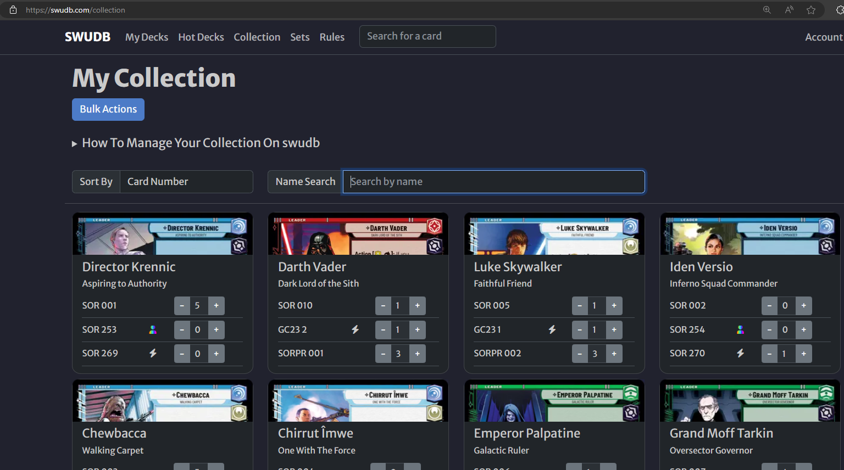

2. Export collection data to a csv-file

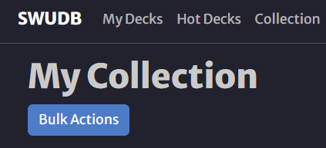

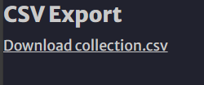

3. Import collection data to Excel

Open cs-file and copy it's content to the clipboard Paste to highlighted column in sheet "Data Import"

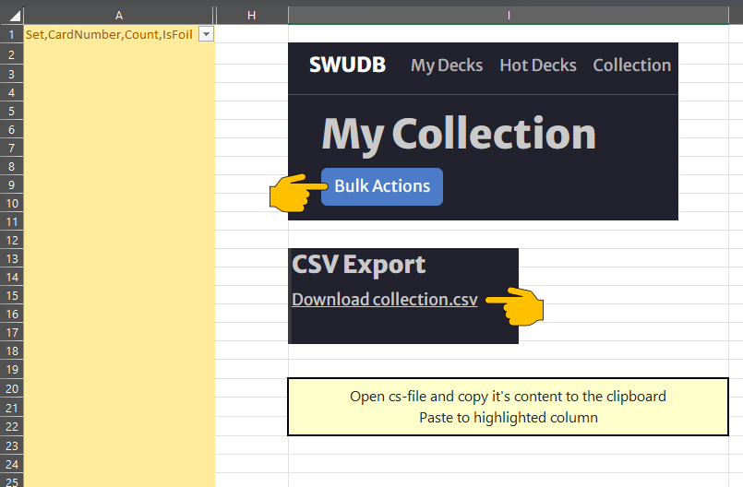

Done! You can track your collection on sheet "Collection"

DeckChecker
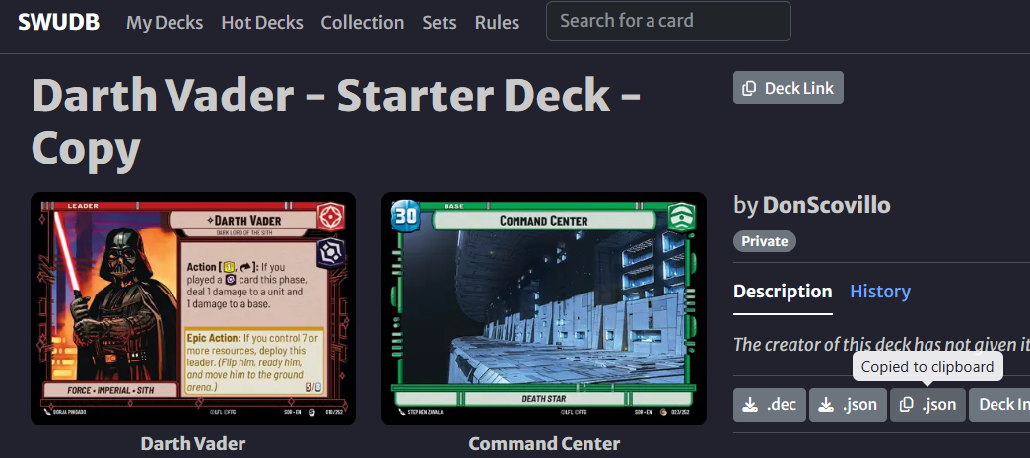
id | count | Card | Have | Delta
SOR_239 | 3 | Rebel Pathfinder | 0 | -3 |  | DeckImportData
SOR_097 | 3 | ⟡ Admiral Ackbar, Brilliant Strategist | 0 | -3 |  | { "metadata": { "name": "Juniper Mark Grayson", "author": "DonScovillo" }, "leader": { "id": "SOR_009", "count": 1 }, "base": { "id": "SOR_019", "count": 1 }, "deck": [ { "id": "SOR_239", "count": 3 }, { "id": "SOR_097", "count": 3 }, { "id": "SOR_049", "count": 3 }, { "id": "SOR_094", "count": 3 }, { "id": "SOR_096", "count": 3 }, { "id": "SOR_093", "count": 3 }, { "id": "SOR_098", "count": 3 }, { "id": "SOR_095", "count": 3 }, { "id": "SOR_241", "count": 3 }, { "id": "SOR_074", "count": 3 }, { "id": "SOR_237", "count": 3 }, { "id": "SOR_044", "count": 3 }, { "id": "SOR_123", "count": 3 }, { "id": "SOR_245", "count": 3 }, { "id": "SOR_125", "count": 3 }, { "id": "SOR_046", "count": 3 }, { "id": "SOR_242", "count": 3 }, { "id": "SOR_099", "count": 3 }, { "id": "SOR_243", "count": 3 }, { "id": "SOR_240", "count": 3 } ], "sideboard": []}
SOR_049 | 3 | ⟡ Obi-Wan Kenobi, Following Fate | 0 | -3
SOR_094 | 3 | ⟡ Bail Organa, Rebel Councilor | 0 | -3
SOR_096 | 3 | ⟡ Mon Mothma, Voice of the Rebellion | 0 | -3
SOR_093 | 3 | Alliance Dispatcher | 0 | -3
SOR_098 | 3 | Echo Base Defender | 0 | -3
SOR_095 | 3 | Battlefield Marine | 0 | -3
SOR_241 | 3 | Wing Leader | 0 | -3
SOR_074 | 3 | Repair | 0 | -3
SOR_237 | 3 | Alliance X-Wing | 0 | -3
SOR_044 | 3 | Restored ARC-170 | 0 | -3
SOR_123 | 3 | Recruit | 0 | -3
SOR_245 | 3 | Medal Ceremony | 0 | -3
SOR_125 | 3 | Prepare for Takeoff | 0 | -3
SOR_046 | 3 | Consular Security Force | 0 | -3
SOR_242 | 3 | ⟡ General Dodonna, Massassi Group Commander | 0 | -3
SOR_099 | 3 | ⟡ Bright Hope, The Last Transport | 0 | -3
SOR_243 | 3 | Regional Sympathizers | 0 | -3 | Copy deck data from SWUDB to clipboard by pressing the highlighted button and then press "Check my Deck"
SOR_240 | 3 | Fleet Lieutenant | 0 | -3

