HowTo
Data Import

1. Maintain your collection on swudb.com

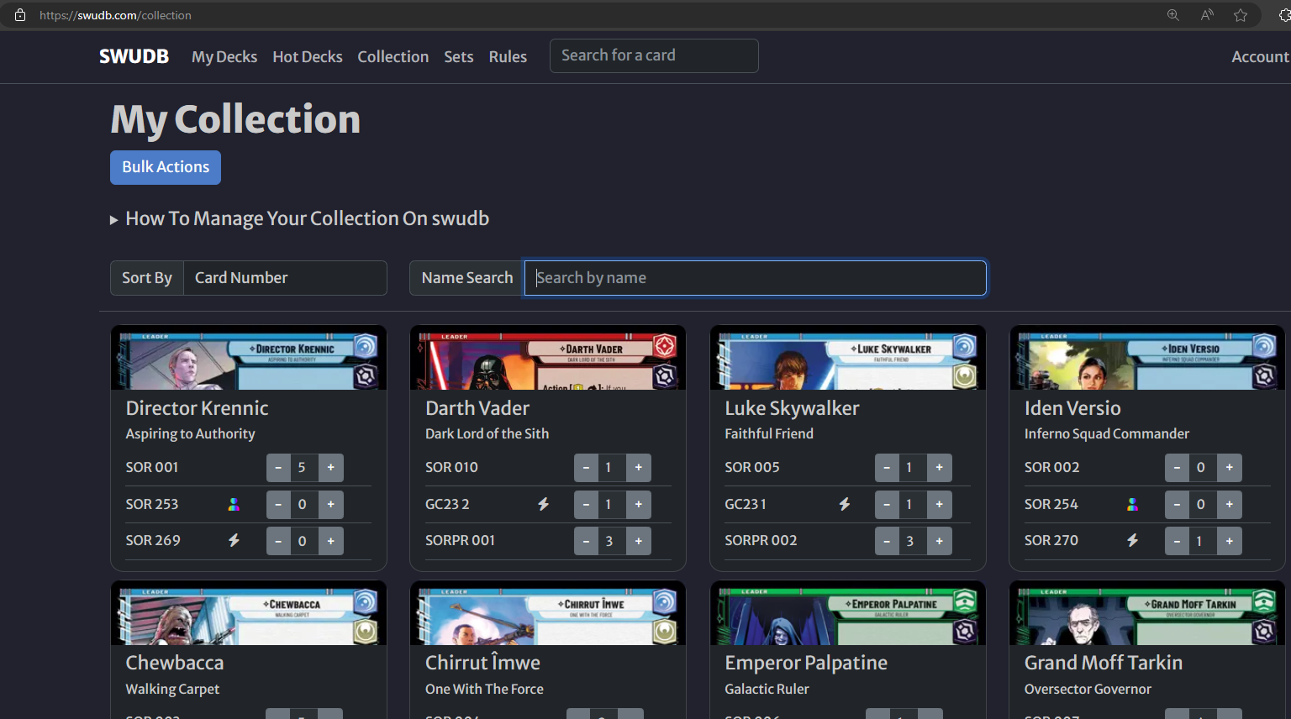

2. Export collection data to a csv-file





3. Import collection data to Excel

Open cs-file and copy it's content to the clipboard Paste to highlighted column in sheet "Data Import"

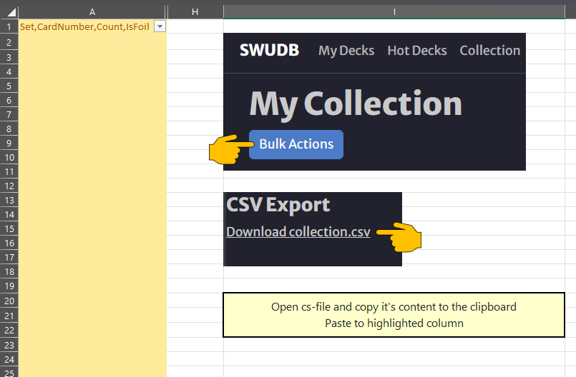

Done! You can track your collection on sheet "Collection"

DeckChecker

id | count | Card | Have | Delta
 |  |  |  |  |  | DeckImportData
 |  |  |  |  |  | t

 |  |  |  |  | Copy deck data from SWUDB to clipboard by pressing the highlighted button and then press "Check my Deck"

