HowTo
Data Import

1. Maintain your collection on swudb.com

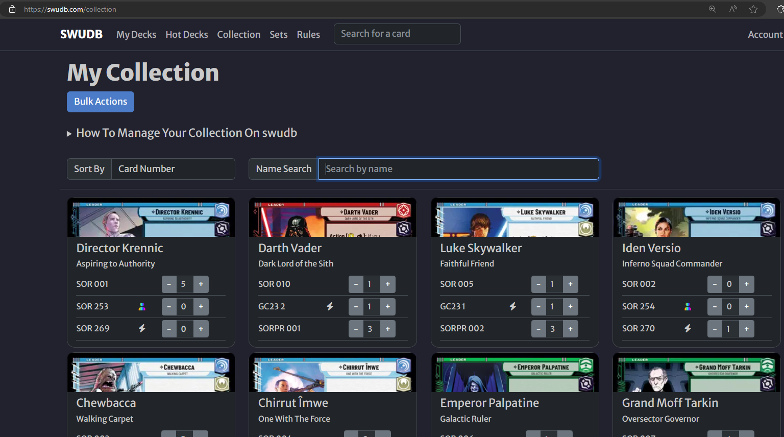

2. Export collection data to a csv-file

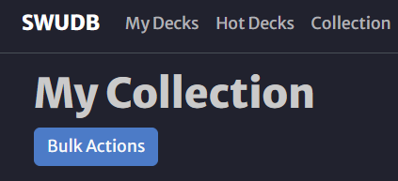

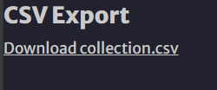

3. Import collection data to Excel

Open cs-file and copy it's content to the clipboard Paste to highlighted column in sheet "Data Import"

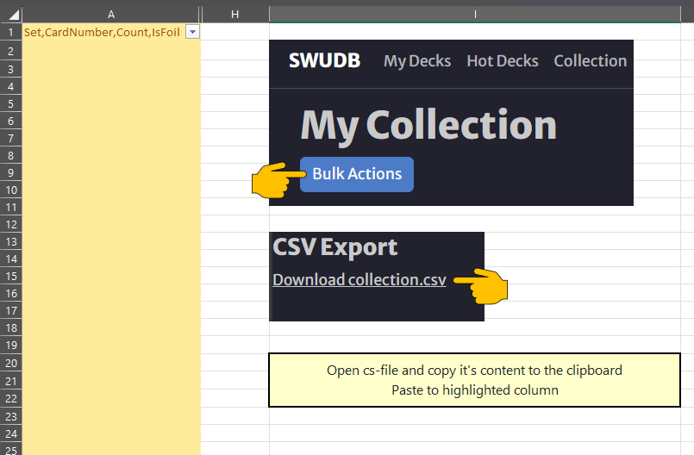

Done! You can track your collection on sheet "Collection"

DeckChecker
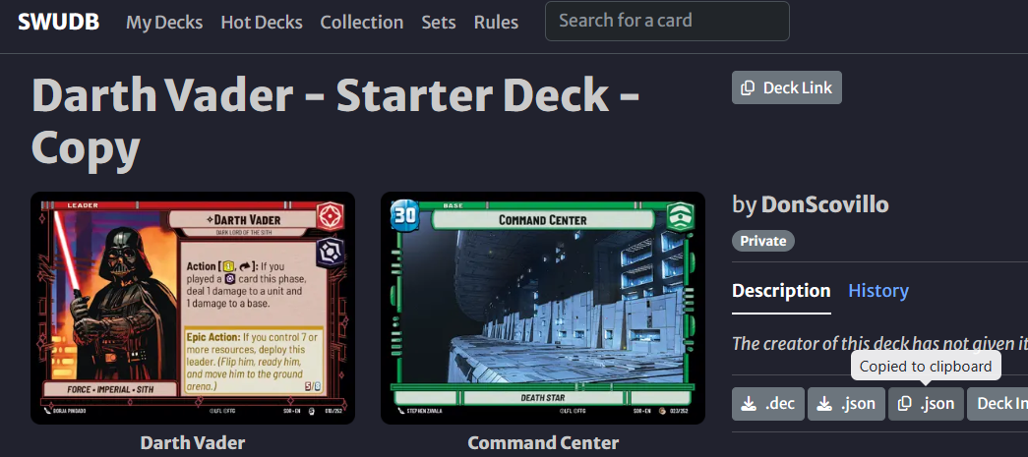
id | count | Card | Have | Delta
SOR_092 | 3 | Overwhelming Barrage | 0 | -3 |  | DeckImportData
SOR_227 | 3 | Snowtrooper Lieutenant | 0 | -3 |  | { "metadata": { "name": "Darth Vader - Starter Deck - Copy", "author": "DonScovillo" }, "leader": { "id": "SOR_010", "count": 1 }, "base": { "id": "SOR_023", "count": 1 }, "deck": [ { "id": "SOR_092", "count": 3 }, { "id": "SOR_227", "count": 3 }, { "id": "SOR_130", "count": 3 }, { "id": "SOR_083", "count": 3 }, { "id": "SOR_229", "count": 3 }, { "id": "SOR_132", "count": 3 }, { "id": "SOR_232", "count": 3 }, { "id": "SOR_084", "count": 3 }, { "id": "SOR_225", "count": 3 }, { "id": "SOR_172", "count": 3 }, { "id": "SOR_136", "count": 3 }, { "id": "SOR_128", "count": 3 }, { "id": "SOR_134", "count": 3 }, { "id": "SOR_226", "count": 3 }, { "id": "SOR_079", "count": 3 }, { "id": "SOR_126", "count": 2 }, { "id": "SOR_081", "count": 3 } ], "sideboard": []}
SOR_130 | 3 | First Legion Snowtrooper | 0 | -3
SOR_083 | 3 | Superlaser Technician | 0 | -3
SOR_229 | 3 | Cell Block Guard | 0 | -3
SOR_132 | 3 | Imperial Interceptor | 0 | -3
SOR_232 | 3 | AT-ST | 0 | -3
SOR_084 | 3 | ⟡ Grand Moff Tarkin, Death Star Overseer | 0 | -3
SOR_225 | 3 | TIE/ln Fighter | 0 | -3
SOR_172 | 3 | Open Fire | 0 | -3
SOR_136 | 3 | ⟡ Vader's Lightsaber | 0 | -3
SOR_128 | 3 | Death Star Stormtrooper | 0 | -3
SOR_134 | 3 | Ruthless Raider | 0 | -3
SOR_226 | 3 | ⟡ Admiral Motti, Brazen and Scornful | 0 | -3
SOR_079 | 3 | ⟡ Admiral Piett, Captain of the Executor | 0 | -3
SOR_126 | 2 | Resupply | 0 | -2
SOR_081 | 3 | Seasoned Shoretrooper | 0 | -3

 |  |  |  |  | Copy deck data from SWUDB to clipboard by pressing the highlighted button and then press "Check my Deck"

