TR64pcd1
Nel | X | Y | Z | R | theta | phi |  |  |  |  |  |  | Verif X | Verif Y | Verif Z
0 | 9.17515 | -1.21377 | 74.42677 | 75.00000 | 7.08843 | 352.46419 | element Size | 6.000 |  |  |  |  | 9.17515 | -1.21377 | 74.42677
1 | 5.26375 | 4.23032 | 74.69536 | 75.00000 | 5.16589 | 38.78781 | element Spacing | 0.500 |  |  |  |  | 5.26375 | 4.23032 | 74.69536
2 | -1.85063 | 9.04152 | 74.43001 | 75.00000 | 7.06833 | 101.56763 | nEls | 64 |  |  |  |  | -1.85063 | 9.04152 | 74.43001
3 | -7.23702 | 4.90787 | 74.48851 | 75.00000 | 6.69533 | 145.85637 | pcd Size | 6.000 |  |  |  |  | -7.23702 | 4.90787 | 74.48851
4 | -7.62342 | -2.18735 | 74.57948 | 75.00000 | 6.07020 | 196.00948 | pcd Spacing | 0.500 |  |  |  |  | -7.62342 | -2.18735 | 74.57948
5 | -1.95725 | -7.10118 | 74.63741 | 75.00000 | 5.63628 | 254.59055 | nPcds | 1 |  |  |  |  | -1.95725 | -7.10118 | 74.63741
6 | 4.76023 | -7.70600 | 74.45104 | 75.00000 | 6.93652 | 301.70491 | Radius of Curvature | 75.000 |  |  |  |  | 4.76024 | -7.706 | 74.45104
7 | 13.08164 | 6.80640 | 73.53600 | 75.00000 | 11.33930 | 27.48805 | Diameter | 65.000 |  |  |  |  | 13.08164 | 6.8064 | 73.536
8 | 8.01564 | 10.91706 | 73.76698 | 75.00000 | 10.40372 | 53.71275 | transducer Freq [MHz] | 0.500 |  |  |  |  | 8.01563 | 10.91706 | 73.76698
9 | 2.60681 | 15.24449 | 73.38808 | 75.00000 | 11.90035 | 80.29628 | R back | 79.400 |  |  |  |  | 2.60681 | 15.24449 | 73.38808
10 | -4.68014 | 16.31505 | 73.05420 | 75.00000 | 13.07977 | 106.00608 | Frequency | 0.65 | 1.5 | 2.5 | 3 |  | -4.68014 | 16.31505 | 73.05419
11 | -11.58872 | 11.39990 | 73.21710 | 75.00000 | 12.51799 | 135.47061 | Thickness [mm] | 3.3 | 1.47 | 0.87 | 0.73 |  | -11.58873 | 11.3999 | 73.2171
12 | -14.86089 | 5.29644 | 73.32191 | 75.00000 | 12.14306 | 160.38388 |  | 2.145 | 2.205 | 2.175 | 2.19 | 2.175 | -14.86088 | 5.29643 | 73.32191
13 | -14.84342 | -1.80009 | 73.49444 | 75.00000 | 11.49967 | 186.91459 | Thickness [mm] | 4.4 |  |  |  |  | -14.84342 | -1.80009 | 73.49444
14 | -12.53593 | -8.90762 | 73.40644 | 75.00000 | 11.83215 | 215.39635 |  |  |  |  |  |  | -12.53593 | -8.90762 | 73.40644
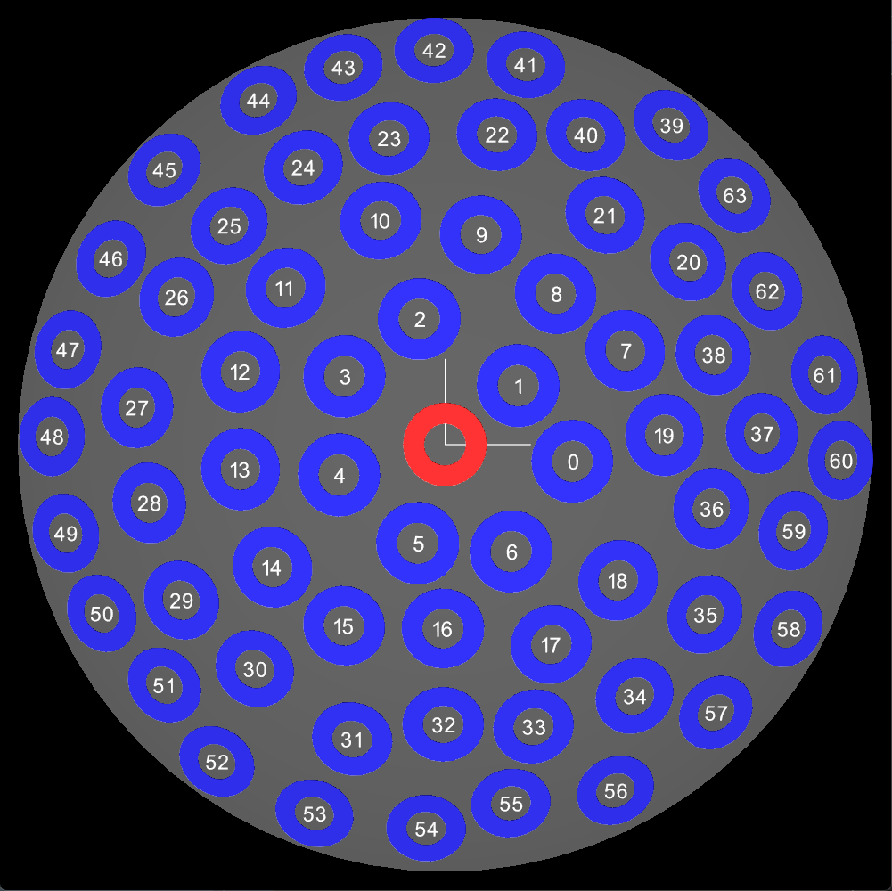
15 | -7.32586 | -13.16293 | 73.47155 | 75.00000 | 11.58704 | 240.90179 |  |  |  |  |  |  | -7.32585 | -13.16293 | 73.47155
16 | -0.14240 | -13.32441 | 73.80677 | 75.00000 | 10.23401 | 269.38767 |  |  |  |  |  |  | -0.14241 | -13.32441 | 73.80677
17 | 7.73756 | -14.55463 | 73.16620 | 75.00000 | 12.69615 | 297.99608 |  |  |  |  |  |  | 7.73756 | -14.55464 | 73.1662
18 | 12.58558 | -9.88368 | 73.27289 | 75.00000 | 12.31982 | 321.85682 |  |  |  |  |  |  | 12.58558 | -9.88368 | 73.27289
19 | 15.95832 | 0.68605 | 73.27934 | 75.00000 | 12.29670 | 2.46165 |  |  |  |  |  |  | 15.95832 | 0.68605 | 73.27934
20 | 17.92911 | 13.47085 | 71.56873 | 75.00000 | 17.39820 | 36.91898 |  |  |  |  |  |  | 17.92912 | 13.47085 | 71.56873
21 | 11.75231 | 16.83122 | 72.13594 | 75.00000 | 15.88511 | 55.07555 |  |  |  |  |  |  | 11.75231 | 16.83122 | 72.13594
22 | 3.84088 | 22.90145 | 71.31459 | 75.00000 | 18.03617 | 80.47934 |  |  |  |  |  |  | 3.84088 | 22.90145 | 71.31459
23 | -4.12984 | 22.59961 | 71.39469 | 75.00000 | 17.83748 | 100.35593 |  |  |  |  |  |  | -4.12984 | 22.59961 | 71.39469
24 | -10.47700 | 20.46218 | 71.39000 | 75.00000 | 17.84918 | 117.11326 |  |  |  |  |  |  | -10.47700 | 20.46217 | 71.39
25 | -15.92944 | 16.13195 | 71.49135 | 75.00000 | 17.59482 | 134.63810 |  |  |  |  |  |  | -15.92944 | 16.13195 | 71.49135
26 | -19.80051 | 10.87503 | 71.51694 | 75.00000 | 17.53002 | 151.22310 |  |  |  |  |  |  | -19.80051 | 10.87503 | 71.51694
27 | -22.73930 | 2.71980 | 71.41797 | 75.00000 | 17.77932 | 173.17939 |  |  |  |  |  |  | -22.73930 | 2.71979 | 71.41797
28 | -21.80103 | -4.30071 | 71.63253 | 75.00000 | 17.23445 | 191.15951 |  |  |  |  |  |  | -21.80102 | -4.30071 | 71.63253
29 | -19.44443 | -11.48693 | 71.51898 | 75.00000 | 17.52486 | 210.57276 |  |  |  |  |  |  | -19.44443 | -11.48693 | 71.51898
30 | -13.99896 | -16.51187 | 71.80799 | 75.00000 | 16.77612 | 229.70833 |  |  |  |  |  |  | -13.99895 | -16.51187 | 71.80799
31 | -6.84666 | -21.74075 | 71.45252 | 75.00000 | 17.69268 | 252.51959 |  |  |  |  |  |  | -6.84666 | -21.74075 | 71.45252
32 | -0.12947 | -20.54725 | 72.13039 | 75.00000 | 15.90057 | 269.63897 |  |  |  |  |  |  | -0.12947 | -20.54725 | 72.13039
33 | 6.51767 | -20.77167 | 71.77087 | 75.00000 | 16.87410 | 287.42064 |  |  |  |  |  |  | 6.51767 | -20.77168 | 71.77087
34 | 14.01201 | -18.58884 | 71.29599 | 75.00000 | 18.08201 | 307.00848 |  |  |  |  |  |  | 14.01201 | -18.58884 | 71.29599
35 | 19.19171 | -12.55351 | 71.40790 | 75.00000 | 17.80452 | 326.81085 |  |  |  |  |  |  | 19.19171 | -12.55351 | 71.4079
36 | 19.52075 | -4.69973 | 72.26239 | 75.00000 | 15.52826 | 346.46333 |  |  |  |  |  |  | 19.52075 | -4.69973 | 72.26239
37 | 23.42927 | 0.81393 | 71.24189 | 75.00000 | 18.21470 | 1.98966 |  |  |  |  |  |  | 23.42926 | 0.81393 | 71.24189
38 | 19.70357 | 6.58249 | 72.06553 | 75.00000 | 16.08046 | 18.47324 |  |  |  |  |  |  | 19.70357 | 6.58249 | 72.06553
39 | 17.03237 | 24.04124 | 68.97041 | 75.00000 | 23.13154 | 54.68378 |  |  |  |  |  |  | 17.03237 | 24.04125 | 68.9704
40 | 10.45518 | 22.99776 | 70.61722 | 75.00000 | 19.68428 | 65.55264 |  |  |  |  |  |  | 10.45518 | 22.99776 | 70.61722
41 | 6.07532 | 28.57415 | 69.07683 | 75.00000 | 22.92370 | 77.99675 |  |  |  |  |  |  | 6.07532 | 28.57416 | 69.07683
42 | -0.82419 | 29.71787 | 68.85615 | 75.00000 | 23.35273 | 91.58862 |  |  |  |  |  |  | -0.82419 | 29.71787 | 68.85615
43 | -7.65115 | 28.38821 | 68.99688 | 75.00000 | 23.08000 | 105.08387 |  |  |  |  |  |  | -7.65115 | 28.38821 | 68.99688
44 | -14.04628 | 25.92932 | 68.95921 | 75.00000 | 23.15330 | 118.44503 |  |  |  |  |  |  | -14.04628 | 25.92932 | 68.95921
45 | -21.14059 | 20.68947 | 68.92040 | 75.00000 | 23.22859 | 135.61788 |  |  |  |  |  |  | -21.14059 | 20.68947 | 68.9204
46 | -25.09007 | 13.95747 | 69.28692 | 75.00000 | 22.50807 | 150.91305 |  |  |  |  |  |  | -25.09007 | 13.95747 | 69.28692
47 | -28.37858 | 7.13690 | 69.05593 | 75.00000 | 22.96466 | 165.88350 |  |  |  |  |  |  | -28.37858 | 7.1369 | 69.05593
48 | -29.60455 | 0.59725 | 68.90729 | 75.00000 | 23.25398 | 178.84426 |  |  |  |  |  |  | -29.60455 | 0.59725 | 68.90728
49 | -28.53804 | -6.67439 | 69.03646 | 75.00000 | 23.00274 | 193.16355 |  |  |  |  |  |  | -28.53803 | -6.67438 | 69.03646
50 | -25.79249 | -12.68695 | 69.27329 | 75.00000 | 22.53526 | 206.19191 |  |  |  |  |  |  | -25.79249 | -12.68696 | 69.27329
51 | -21.00198 | -18.01283 | 69.70979 | 75.00000 | 21.64861 | 220.61880 |  |  |  |  |  |  | -21.00198 | -18.01283 | 69.70979
52 | -17.17656 | -23.86754 | 68.99497 | 75.00000 | 23.08371 | 234.25888 |  |  |  |  |  |  | -17.17655 | -23.86754 | 68.99498
53 | -9.83676 | -27.78130 | 68.96693 | 75.00000 | 23.13829 | 250.50205 |  |  |  |  |  |  | -9.83675 | -27.7813 | 68.96693
54 | -1.41906 | -28.84864 | 69.21519 | 75.00000 | 22.65079 | 267.18390 |  |  |  |  |  |  | -1.41906 | -28.84864 | 69.21519
55 | 4.91766 | -26.81970 | 69.86788 | 75.00000 | 21.31884 | 280.39034 |  |  |  |  |  |  | 4.91766 | -26.81969 | 69.86788
56 | 12.80928 | -26.01380 | 69.16795 | 75.00000 | 22.74432 | 296.21578 |  |  |  |  |  |  | 12.80927 | -26.01379 | 69.16795
57 | 20.33577 | -20.13263 | 69.32628 | 75.00000 | 22.42939 | 315.28761 |  |  |  |  |  |  | 20.33577 | -20.13263 | 69.32628
58 | 25.82754 | -13.86885 | 69.03327 | 75.00000 | 23.00897 | 331.76513 |  |  |  |  |  |  | 25.82754 | -13.86885 | 69.03328
59 | 26.00345 | -6.44410 | 70.05208 | 75.00000 | 20.92837 | 346.08153 |  |  |  |  |  |  | 26.00346 | -6.4441 | 70.05208
60 | 29.84153 | -1.19154 | 68.79726 | 75.00000 | 23.46596 | 357.71345 |  |  |  |  |  |  | 29.84153 | -1.19154 | 68.79726
61 | 28.54528 | 5.22615 | 69.15818 | 75.00000 | 22.76361 | 10.37497 |  |  |  |  |  |  | 28.54528 | 5.22615 | 69.15818
62 | 24.01640 | 11.44174 | 70.12346 | 75.00000 | 20.77518 | 25.47377 |  |  |  |  |  |  | 24.01640 | 11.44174 | 70.12346
63 | 21.73907 | 18.72244 | 69.29562 | 75.00000 | 22.49070 | 40.73617 |  |  |  |  |  |  | 21.73907 | 18.72244 | 69.29562

Npcd | X | Y | Z | R | theta | phi
0 | 0.00000 | 0.00000 | 75.00000 | 75.00000 | 0.00000 | 0.00000

