Business Process Model
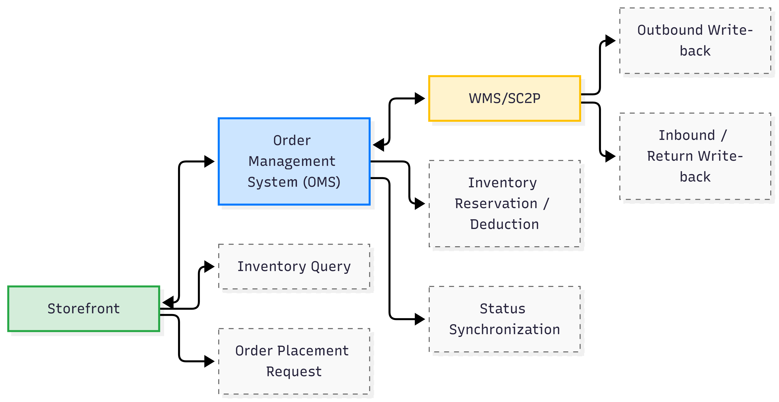
End-to-end business process model

Order State Machine
 | State Set: CREATED (Pending Payment), PAID, CANCELLED, SHIPPED, SIGNED, RETURNING, RETURNED, CLOSED
 | State Transition Table
 | Current State | Event | Transition Condition | Target State
 | CREATED | Payment Successful | Amount matches, not timed out | PAID
 | CREATED | Cancel Order | User initiated / Timeout | CANCELLED
 | CREATED | Payment Timeout | Over 15 minutes | CLOSED
 | PAID | Ship | WMS outbound write-back | SHIPPED
 | PAID | Apply for Refund | Not shipped | RETURNING
 | SHIPPED | Sign for Receipt | Logistics receipt confirmation | SIGNED
 | SHIPPED | Reject Receipt | User rejects | RETURNING
 | SIGNED | Apply for Return | Within the return period | RETURNING
 | RETURNING | Return Completed | Warehouse receipt confirmation | RETURNED
 | RETURNED | Refund Completed | Finance confirmation | CLOSED

Inventory Status Model

External Interaction Model

