②" Extract & Load to DB 0.95
 | 필드별 설명
 | Attribute Name | Data Type | Sample Value | Description
 | group | string
 | device name
 | register type
 | start address
 | offset (count, bulk) | integer
 | tag name | string
 | tag value type
 | polling interval(ms) | integer
 | condition to DB loading
 | historian
 | description

 | 각 device 별로 이 table 을 export 할 수도 있어야 하고 import 할 수도 있어야 함.
identify "precisely where is information" | [device's data tagging template]
element index ==> | DE1 | DE2 | DE3 | DE4 | DE5 | DE6 | DE7 | DE8 | DE9 | DE10
tag mapper,
to be uploaded to Edgehub,
to be downloaded to PC
 | group | device name | start address | offset (count, bulk) | tag name | tag value type | polling interval(ms) | condition to DB loading | historian | description
 | Line1 | XGT#1 | MB1245 | 1 | plc1_voltage | uInt8 | 100 |  | Y
 | Line2 | XGT#1 | MW6351 | 1 | plc2_current | uInt16 | 250 | < 0b10110100
 | Line1 | XGT#8 | MW3054 | 25 | plc4_power | uInt8 | 3000 | >{lc1_voltage+100} | Y
 |  |  |  | 1 : 1개만 가져오기 |  |  |  | elixir 연산자사용
 |  |  |  | N : 연달아서 N개만큼 가져오기 |  |  |  | 빈칸이면 항상 저장한다는 의미
 |  |  |  |  |  |  |  | 비교대상으로 tag 또는 virtual tag 또는 상수 모두 가능
 |  |  |  |  |  |  |  | 상수비교경우 10진(소수점포함),2진,8진,16진모두 가능
manual input |  |  | 각 PLC 의 고유주소 표기체계 사용. | 1~255 |  |  | 5~3600000 | 무제한 코딩
dropbox input | dropbox |  |  |  |  | dropbox |  |  | Y/N
automatic redundancy check
naming rule 적용

 |  |  |  |  |  | sChar (1B)
 |  |  |  |  |  | uChar (1B)

 |  |  |  |  |  | sINT (2B)
 |  |  |  |  |  | uINT (2B)
 |  |  |  |  |  | sDINT (4B)
 |  |  |  |  |  | uDINT (4B)
 |  |  |  |  |  | sLINT (8B)
 |  |  |  |  |  | uLINT (8B)
 |  |  |  |  |  | REAL (4B)
 |  |  |  |  |  | LREAL (8B)
 |  |  |  |  |  | STRING
 |  |  |  |  |  | TIMER0_1 (0.1ms)
 |  |  |  |  |  | TIMER1 (1ms)
 |  |  |  |  |  | TIMER10 (10ms)
 |  |  |  |  |  | TIMER100 (100ms)

③" Xfom & Load to (DB&PLC) 0.95
element index ==> | XF1 | XF2 | XF3 | XF4 | XF5 | XF6 | XF7 | XF8 | XF9
 | Transformation |  | Loading |  |  |  |  |  | property
 |  |  | to DB |  | to PLC
identify "how to aggregate the aquired data" | virtual tag name | Function & operand | 조건검사/저장주기 (ms) | pre-condition before loading | condition before writing | Destinated Tag name | historian enable/disable | category | comment
 | vt_plc1_power | 5 | 1500 |  |  |  | Y
virtual tag mapper,
to be uploaded to Edgehub,
to be downloaded to PC
 | vt_plc2_power | {line1, plc1, power}+(line1, plc2, power)} | 200 | <0
 | vt_PLC_volt_diff | * | 2000 | >0x2FF | <=-350 | wr_plc2_emergency | Y
 | vt_PLC_curr_diff | {(line1, plc1, volt)*(Line1,CMMS RDB#1 ,DB_CMMS_CNC1)/(line3, plc3, power)} | 550 | >plc2_voltage | >vt_plc2_voltage_max | wr_plc2_traffic_signal
 | vt_plc1_voltage_min | vt_PLC_volt_diff & vt_PLC_curr_diff | 3000 | ==1 |  | wr_plc2_beltgate | Y
 | vt_plc2_voltage_max | (line1, plc1, power)>>8 | 250 | >0o376
 |  | elixir 연산자 사용 |  | 빈칸이면 '이전값과 다를때 저장' 의미임 | 빈칸이면 '이전값과 다를때 저장' 의미임 | 여기 적히는 tag 들은 'extract & load' 워크시트에 'W'나 'R/W' 로 리스팅 된 것들임 | Y 가 아니면 저장하지 않는걸로
 |  | 빌트인 함수사용 |  | elixir syntax 사용 | elixir 연산자 사용
 |  | 시뮬레이션 결과를 보여줄수 있어야 편함. |  | 비교대상으로 tag 또는 virtual tag 또는 상수 모두 가능 | 비교대상으로 tag 또는 virtual tag 또는 상수 모두 가능
 |  |  |  | 상수비교경우 10진(소수점포함),2진,8진,16진모두 가능
manual input |  |  | 5~3600000 | 무제한 | 무제한
dropbox input |  |  |  |  |  |  | Y/N
automatic redundancy check
naming rule 적용

 |  | remained pain point | 전처리/조건판단과 같은 단순논리 적용외에 ML 과 같은 고차원 로직을 돌려서 그 결과값을 virtual tag 값에 넣고 이벤트함수를 돌리고 싶다.
 |  | reason | 여러개의 데이터(metric) 을 실시간으로 관찰하여 insight (고차원 정보, 예측, 경험적 미래결과예상)을 알 수 있다면 좋겠다.

②Extract & Load_v0.93
 |  |  |  |  | attributes for accessing precise location of rawdata |  |  |  | Extraction |  | Loading |  | property
 |  |  |  |  | when if in PLC |  |  | when if in Database | periodic | on demand/event | pre-condition before loading | historian enable/diable
 | group | device name | tag name | start_address | 주소값 type | offset | tag value type | query | interval | ext condition to read this | value condition to update DB |  | category | comment
 | line1 | XGT#1 | plc1_voltage | %MB0100 | hex | 1 | uInt8 | NA | 1000 |  | always update/save | enable | voltage | PLC1 전압
 | line1 | XGT#1 | plc1_current | %MB0202 | hex | 20 | uInt16 | NA | 1000 |  | <0 | disable | current | 전류
 | line1 | XGT#2 | plc1_name_last_char | %MB0110 | hex | 4 | Int32 | NA | 500 |  | =0 | enable | xxx | aaa
 | line1 | XGT#2 | plc2_run_read | %MB1020 | string | 8 | uInt16 | NA | 200 |  | =1 | enable | yyy | bbb
 | line1 | XGT#2 | plc2_run_write | %MB2A02 | hex | 1 | float | NA | NA | vt_plc1_voltagemin<220 | != | enable | zzz | fff
 | line2 | XGT#1 | plc1_name | %MB1000 | string | 2 | uInt16 | NA | 730 |  | bit L-->H | disable | name | 이름
 | line2 | XGT#1 | plc1_emergency_stop | %MB3902 | string | 1 | Int32 | NA | 100 |  | bit H-->L | enable | stop | 긴급정지
 | line2 | XGT#1 | plc2_voltage | %MBA09F | string | 2 | uInt16 | NA | 1800 |  | always update/save | enable | name | PLC2 전압
 | Line3 | MySQL_RD | DB_SQL_Labortime | NA | NA | NA | NA |  | 500 |  | >0 | enable | power | 사용 전체전력
 | Line5 | Edge_Maria | edge DB_maria_function | NA | NA | NA | NA |  | 100 |  |  | disable | 작업장 온도 | temperature
v0.93, 읽어오는 주소뿐만아니라 & '값을 쓸수있는 주소 '모두를 tagging 해서 일관성을 갖음
 | line1 | XGT#2 | wr_plc2_emergency | %MB0110 | hex | 1 | uInt8
 | line1 | XGT#2 | wr_plc2_traffic_signal | %MB1020 | string | 2 | uInt16
 | line1 | XGT#2 | wr_plc2_beltgate | %MB2A02 | hex | 4 | Int32

mandatory |  |  |  |  |  |  | complementary mendatory ==> | <== complementary mendatory
dropbox(D)or manual(M) input | Dropbox | Dropbox |  |  | dropbox | dropbox(4가지) | dropbox(20가지) |  |  |  | dropbox | dropbox
확장성(scalability) |  |  |  |  |  |  |  |  |  |  | item shall be scalable | item shall be scalable
automatic redundancy check |  |  | needed within same device name
preparation for 'multi client' feature |  |  | Another client can change this

Dropbox data valid list @ v1.1 |  |  |  |  | hex |  | BIT |  |  |  | != | 1000
 |  |  |  |  | string |  | NIBBLE |  |  |  | <0 | 2000
 |  |  |  |  |  |  | sChar (1B) |  |  |  | =0 | 10000
 |  |  |  |  |  |  | uChar (1B) |  |  |  | =1 | whole day
 |  |  |  |  |  |  | WORD (2B) |  |  |  | always update/save | whole week
 |  |  |  |  |  |  | DWORD (4B) |  |  |  | 0-->1 (rising) | whole month
 |  |  |  |  |  |  | LWORD (8B) |  |  |  | 1-->0 (falling) | off
 |  |  |  |  |  |  | sINT (2B)
 |  |  | remained pain point |  |  |  | uINT (2B)
 |  |  | 1 | loading 시 전처리/조건판단에 따른 DB update 기능에서 조건들이 훨씬 많아져야함. |  |  | sDINT (4B)
 |  |  |  | 전처리/조건판단은 사용자가 직접 만들수 있고 저장할 수 있고 가져올 수 있어야 함. |  |  | uDINT (4B)
 |  |  | 2 | 전처리/조건판단과 같은 단순논리 적용외에 ML 과 같은 고차원 로직을 돌려서 그 결과값을 virtual tag 값에 넣고 어떤 이벤트를 만들고 싶다. |  |  | sLINT (8B)
 |  |  |  |  |  |  | uLINT (8B)
 |  |  | why it is painful |  |  |  | REAL (4B)
 |  |  | 1 | v1.1에서는 5~6개의 조건밖에는 없음. |  |  | LREAL (8B)
 |  |  |  | 사용자는 이 부분을 훨씬 다양화 하고 싶어함. |  |  | STRING
 |  |  |  |  |  |  | TIMER0_1 (0.1ms)
 |  |  |  |  |  |  | TIMER1 (1ms)
 |  |  |  |  |  |  | TIMER10 (10ms)
 |  |  |  |  |  |  | TIMER100 (100ms)

data link to tag_v0.89
 |  |  |  |  |  |  |  |  |  | exact location to read |  |  |  |  | extraction
 |  | Tag_type | group | device name | description | tag name |  |  | in case of PLC |  | in case of database |  |  |  | retrieval |  | property
 |  |  |  |  |  |  |  | start_address | 주소값 type | database name | table name | tag name to be selected(read) | offset | tag value type | type | interval | category | comment
 |  | mandatory | mandatory | mandatory | optional | mandatory |  | mandatory | mandatory | mandatory | mandatory | mandatory | mandatory | mandatory | mandatory | mandatory | Optional | Optional
 |  | tag | line1 | XGT#1 | voltage | plc1_voltage | @2019-12-03 라벨 내용 제거. | %MB0100 | hex | NA | NA | NA | 1 | uInt8 | periodic | 1000 | voltage | PLC1 전압
읽어오기 |  | tag | line1 | XGT#1 | current | plc1_current | web 화면에 이미 충분한 정보가 표현되므로 | %MB0202 | hex | NA | NA | NA | 2 | uInt16 | periodic | 1000 | current | 전류
 |  | tag | line1 | XGT#2 | name_last_char | plc1_name_last_char | 중복적인 정보를 보여줄 필요가 없음 | %MB0110 | hex | NA | NA | NA | 4 | Int32 | periodic | 500
 |  | tag | line1 | XGT#2 | run rd | plc2_run_read |  | %MB1020 | string | NA | NA | NA | 8 | uInt16 | periodic | 200
 |  | tag | line1 | XGT#2 | run wr | plc2_run_write |  | %MB2A02 | hex | NA | NA | NA | 1 | float | periodic | 150
 |  | tag | line2 | XGT#1 | name | plc1_name |  | %MB1000 | string | NA | NA | NA | 2 | uInt16 | periodic | 730 | name | 이름
 |  | tag | line2 | XGT#1 | emergency stop | plc1_emergency_stop |  | %MB3902 | string | NA | NA | NA | 1 | Int32 | periodic | 100 | stop | 긴급정지
 |  | tag | line2 | XGT#1 | voltage | plc2_voltage |  | %MBA09F | string | NA | NA | NA | 2 | uInt16 | periodic | 1800 | name | PLC2 전압
 |  | tag | Line3 | MySQL_RD | 외부 MySQL DB | DB_SQL_Labortime |  | NA | NA | ext_interactor | vibration | plc3_voltage | 50 | string | periodic | 500 | power | 사용 전체전력
 |  | tag | Line5 | Edge_Maria | 내부 Maria | edge DB_maria_function |  | NA | NA | int_interactor | device_properties | plc3_current | 20 | string | periodic | 1500 | temperature | 작업장 온도
 | 입력방식 | dropbox | dropbox | dropbox | manual | manual (but 중복알림필요) |  |  | dropbox | manual | manual | manual | manual | dropbox(23가지) | dropbox | manual | manual | manual

Client 마다 변경될 수 있는 column |  |  |  |  | optional | Another client can change this |  |  |  |  |  |  |  |  |  | Another client can change this |  | optional

 |  | Q13.virtual 이지? 이건 혹시 내부함수의 결과값에대한 tag 인가 ? 웹화면에서의 insert를 감안한것 ? |  |  |  |  |  |  |  |  |  |  |  |  |  |  |  |  | Q19. mandatory 아님 ?
 |  |  | Q8.device information v0.8시트, group 과 동일한 내용임? 그렇다면 여긴 dropbox 형태의 입력UI을 제공하는게 좋겠음 |  |  |  |  |  |  |  |  |  |  |  |  |  |  |  | Q16. 단위가 ms ?
 |  |  |  | Q9. device information v0.8, device 와 동일한 내용임 ? 여기 역시 dropbox 형태의 입력UI 가 좋겠음 |  |  |  |  | Q26. 실제 통신으로 내보낼때 '주소'필드를 어떤 type 으로 보낼지를 결정(fenet 은 ascii 로 보냄. 데이터 패킷내 주소필드에)
 |  |  |  |  |  | 영어만, 특수문자(smartLV 룰), 글자수 30자(30B) |  | Q27.블럭전송은 어떻게 하지?-->적어넣기는 이렇게 적지만 interactor 내부적으로는 알고리즘을 돌려서 한번에 번지들을 묶어서 가져온뒤 이 안에서 자동으로 발라서 저장
 |  |  |  |  |  | Q10. 이게 'device' 라는 table에 저장되는거지 ?-->tag table |  |  |  |  |  | Q12.이게 23가지가 되는건가?-->yes, 드랍박스형태로 선택
 |  |  |  |  |  |  | Q15.Tag 와 label, 둘다 필요한가. Tag 라는 용어만 사용하고 M 열을 DB 에서 표시하는게 어떤가-->SI 아저씨가 tag 이름을 집어 넣으면 이열은 자동으로 생성 |  |  |  |  |  |  |  |  |  | Q17. mandatory 아님 ?-->NA 와 mandatory
 |  |  |  |  |  |  |  |  |  | Q11.바이트 길이임 ? 비트면 어떻하지 ?-->비트/바이트/워드..인지 열을 하나 만들고 몇비트/몇바이트인지 |  |  |  |  |  |  | Q20.'on demand' 이거 없애는게 어떰. 어차피 on/off 버튼 있기도 하고, 시간 이빠이 늘이면 되기도 하고. 이걸 UI 에서도 수정할수 있지 ? Write 일때는 'on demand'
 |  |  |  |  |  | Q14.이건 어느정도 자동으로 만들어 지면 좋겠음. 중복되는 글자가 많으니까.-->SI 에서 직접 입력함.중복 입력에 대한 방지기능 필요

 |  |  |  |  |  |  |  |  | property
 |  |  | description | virtual tag name |  |  | Transformation / calculation / aggregation |  | category | comment
 |  |  | optional | mandatory |  | mandatory |  | mandatory | Optional | Optional
가공하기 |  |  |  |  |  |  | 가공/계산에 사용될 정보들의 tag name 들 (operands) | 계산식 | 추가 정보 (입력) | 추가 정보 (입력)
 |  |  |  |  | group | device name | tag name
 |  | 여기는 이미 virtual tag 외에 일반tag 는 올 수 없으므로 'tag/virtual tag'선택은 의미없으므로 해당열 삭제 | power | plc1_power | line1 | XGT#1 | plc1_voltage | ='plc_voltage' * 'plc1_current' | power | 전력계산보정
 |  |  |  |  | line1 | XGT#1 | plc1_current
 |  |  | voltage_diff | PLC_volt_diff | line1 | XGT#1 | plc1_voltage | ='plc1_voltage' - 'plc2_voltage' |  | plc1 과 plc2간 전압차
 |  |  |  |  | line1 | XGT#2 | plc2_voltage
 |  |  | voltage_min | plc1_voltage_min | line1 | XGT#1 | plc1_voltage | =AVERAGE(plc1_voltage,plc2_voltage) | voltage | 전압최소값보정
 |  |  |  |  | line1 | XGT#2 | plc2_voltage

 | 입력방식 |  |  | dropbox | manual | manual | manual(but 손쉬운 입력을 위해 search 기능 필요) | manual | manual (중복이어도 무관) | manual | manual | manual

Client 마다 변경될 수 있는 column |  |  |  | Another client can change this | optional | Another client can change this | optional |  | Another client can change this |  |  | optional

 |  |  |  |  |  |  |  |  |  | exact location to write |  |  |  |  | Load to DB
 |  | Tag_type | group | device name | description | tag name |  |  | on PLC |  | on external database |  |  |  | retrieval
 |  |  |  |  |  |  |  | start_address | 주소값 type | database name | table name | tag name to be updated(write) | offset | stored value type | condition | interval | History On/Off
 |  | @2019-12-02, choi : 여기 column 4개 모두 부분 제거해도 되지 않나 ? Device 별로 tag name 이 같을 수 있으니 mandatory 가 되어야 하나 ? |  |  |  | mandatory |  | mandatory | mandatory |  |  |  | mandatory | mandatory | mandatory | mandatory | mandatory
저장하기 |  | tag | line1 | XGT#1 | voltage | plc1_voltage | @2019-12-03 라벨 내용 제거. |  |  | @2019-12-03 모든 tag 와 virtual tag 는 |  |  |  |  | periodic | 500 | On
 |  | tag | line1 | XGT#1 | current | plc1_current | web 화면에 이미 충분한 정보가 표현되므로 |  |  | 내부 DB 던 외부 DB 던 위치와는 무관하게, |  |  |  |  | <0 | NA | Off
 |  | tag | line1 | XGT#2 | name_last_char | plc1_name_last_char | 중복적인 정보를 보여줄 필요가 없음 |  |  | (물론 내부 DB 일경우 최고의 속도를 내겠지만) |  |  |  |  | =0 | NA | On
 |  | tag | line1 | XGT#2 | run rd | plc2_run_read |  | NA | NA | LS산전의 scheme 에 따라 저장되므로 이 부분은 필요없음 |  |  |  |  | =1 | NA | Off
 |  | tag | line1 | XGT#2 | run wr | plc2_run_write |  |  |  |  |  |  |  |  | != | NA | On
 |  | tag | line2 | XGT#1 | name | plc1_name |  |  |  | 원래 의도는 SI 가 제시하는 scheme 를 import 해서 |  |  |  |  | bit L-->H | NA | Off
 |  | tag | line2 | XGT#1 | emergency stop | plc1_emergency_stop |  |  |  | 매핑'하고자하는 의도였음. |  |  |  |  | bit H-->L | NA | On
 |  | tag | line2 | XGT#1 | voltage | plc2_voltage |  | %MB0110 | hex | 시장조사해보니 이부분에 pain point 가 상당한데다 |  |  | 4 | Int32 | always update/save | NA | Off
 |  | tag | Line3 | MySQL_RD | 외부 MySQL DB | DB_SQL_Labortime |  | %MB1020 | string | 고민도 많음. 나중에라도 꼭 해결해야할 과제임 |  |  | 8 | uInt16 | >0 | NA | On
 |  | tag | Line5 | Edge_Maria | 내부 Maria | edge DB_maria_function |  | %MB2A02 | hex |  |  |  | 1 | float | always update/save | NA | On
 |  | virtual_tag |  |  | power | plc1_power |  | ` |  |  |  |  |  |  | periodic | 500 | Off
 |  | virtual_tag | . | NA | voltage_diff | PLC_volt_diff |  |  | NA |  |  |  |  |  | <0 | NA | On
 |  | virtual_tag |  |  | voltage_min | plc1_voltage_min |  |  |  |  |  |  |  |  | periodic | 1800 | On

 | 입력방식 | dropbox | dropbox | dropbox | manual | manual (but 중복알림필요) |  | manual | dropbox |  |  |  | manual | dropbox(23가지) | dropbox | autofill | dropbox | manual | manual

Client 마다 변경될 수 있는 column |  |  |  |  |  | Another client can change this |  |  |  |  |  |  | Another client can change this |  |  |  |  |  | optional

이 부분은 제거해도 되지 않을까 ?

설명
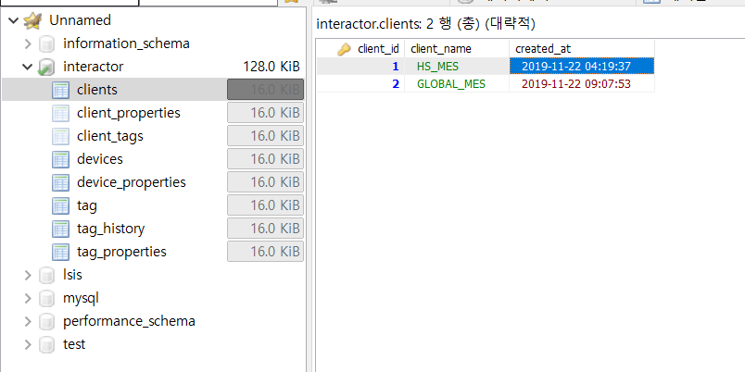
clients table |  |  | clients는 데이터 맵퍼와 무관
 |  |  | Web에 입력 필요한 부분

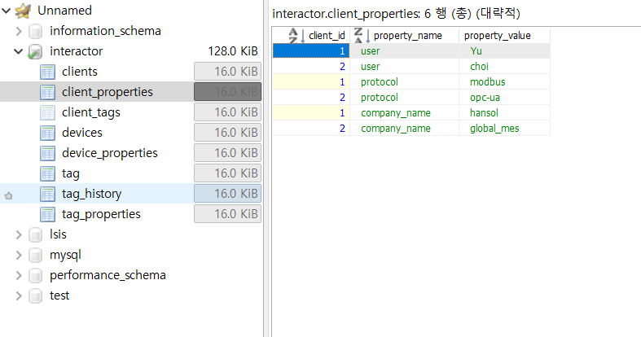
client_properties table |  |  | clients_properties는 데이터 맵퍼와 무관
 |  |  | Web에 입력 필요한 부분

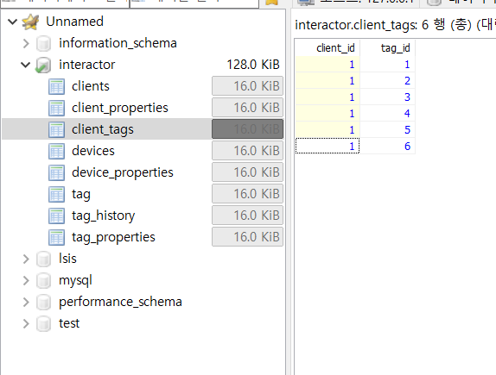
client_tags table
 |  | 클라이언트별로 어떤 태그를 사용하는지 입력
 |  | @2019-12-02, choi : 클라이언트 아이디1의 클라이언트가 태그 1 ~ 6 까지 사용한다는 의미인가 ? 그럼 tag re-name 과 tag re-typying 외에도,

 |  |  |  |  |  | primary key |  |  | primary key
 |  |  |  |  |  | line No. | property name |  | device id | line No. | device name
 |  |  |  |  |  | 1 | Line #1 | ` | 1 | 1 | PLC1
 |  |  |  |  |  | 2 | Line #2 |  | 2 | 1 | Kuka robot
 |  |  |  |  |  | 3 | Line #3 |  | 3 | 1 | Gimac-I
 |  |  |  |  |  |  |  |  | 4 | 2 | meter
 |  |  |  |  |  |  |  |  | 5 | 2 | PLC2
 |  |  |  |  |  |  |  |  | 6 | 2 | Belt con

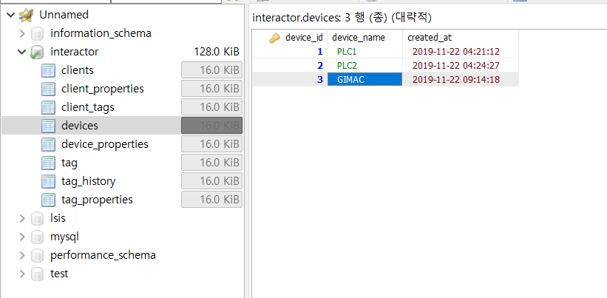
 |  |  |  |  | device information 워크시트에 있는 테이블의 'device' 열 내용과 동일
devices table

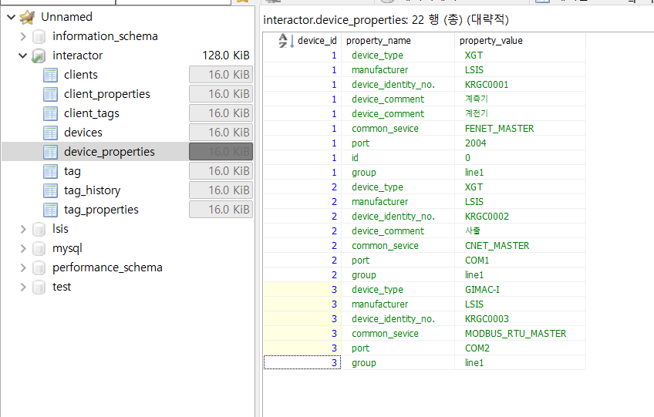
device_properties table |  |  |  | device_properties에 device_information 전체 내용이 있음
 |  |  |  | 각 device id 별로

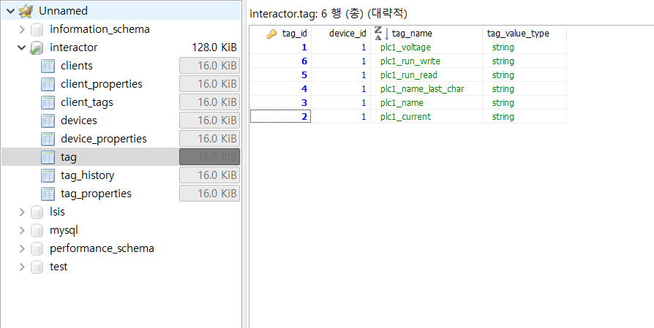
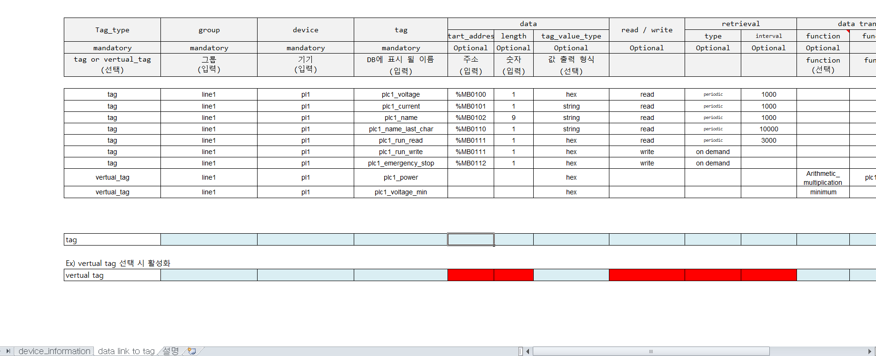
tag table | @2019-12-02, choi : tag id 순서가 뒤죽박죽인 이유가..
 |  |  |  |  | tag 테이블에는 tag와 tag value type만

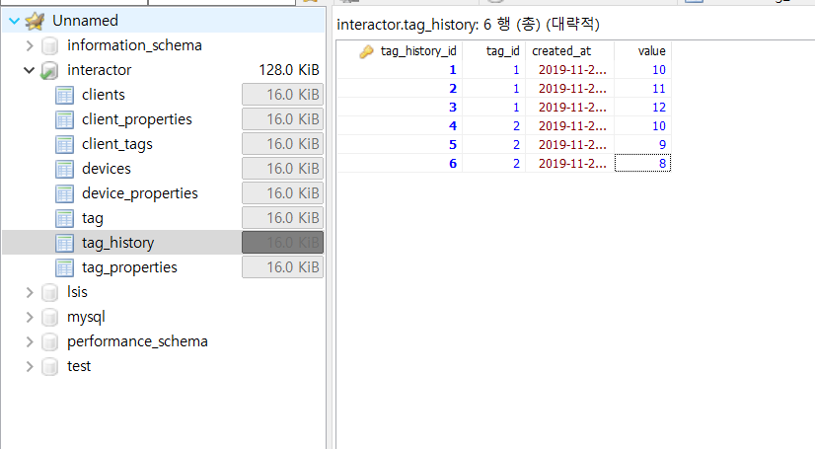
tag_history

 |  |  |  | tag_history에서는 실제 tag에 들어있는 값이 과거값 포함해서 있음

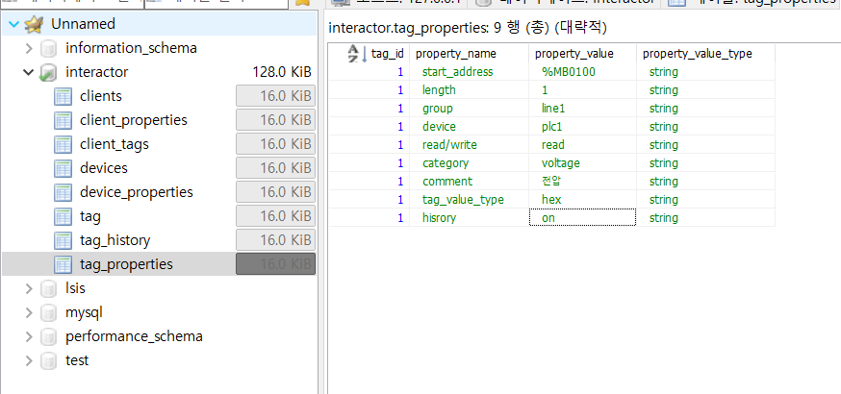
tag_properties

