system
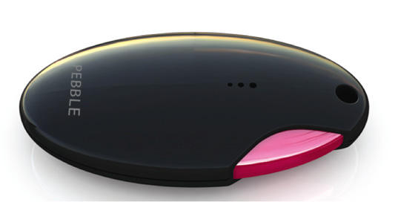
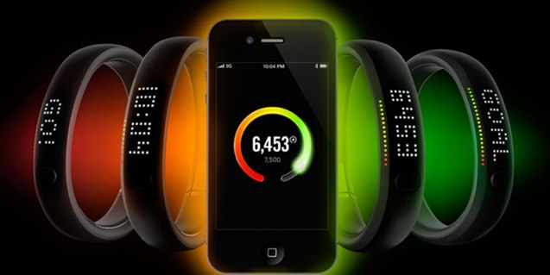

social cap | the same flash style in the same group
 | blink to each other when some preset conditions are matched.

FuelBand is a ring, but why not a necklace or a keyfob?

LED && BUTTON
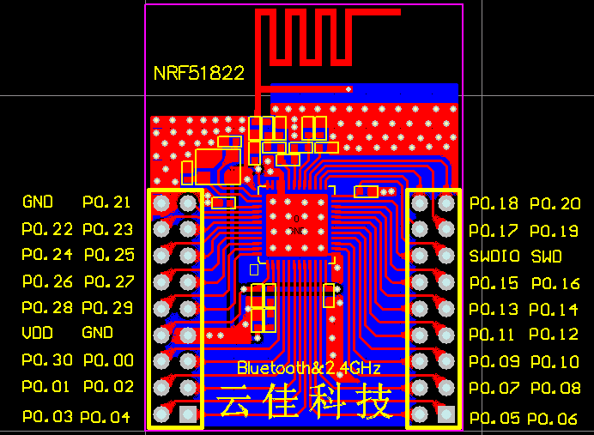

Power
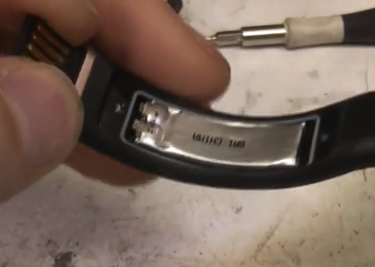
• USB (see Figure 7)
• External power supply through P1 (1.8 V to 3.6 V)
• CR2032 coin cell battery (see Figure 8) | 225mah @3V

