Competitive Analysis Matrix
How Other Collaborative Apps Use their Profile | URL of Website or App Store Location | Login required? | Official Purpose of Tool | CollaborationType Stable Project Team | CollaborationType Dynamic Team | CollaborationType Committee | CollaborationType Client-Supplier Relationship Group | CollaborationType Community | CollaborationType Professional Relationships | Is there a directory/ org chart connected to the profile? | Are there group lists connected to the profile? | Are there Gamefication elements to encourage profile use? | Is there ability to add a cover photo | Is there an Avatar Image? | Can Online Status be Set? | Is there a notification feature connected to the Profile? | Is a Profile Mandatory to use the service | Is it true that having Profile will show the user colleagues from the same team? | List the mandatory (minimum) fields that allows the systems to make connections between other users | General Notes | Questions/Notes to Team | Analysis
DIRECT COMPETITORS
Linked In | https://www.linkedin.com/uas/login | YES | Career networking: "LinkedIn is a business-focused social networking site that launched in 2003. Its main purpose is to help people network professionally. The basic service is free. The site lets you find other business associates, clients, and colleagues whom you already know." |  |  |  |  |  | YES | NO | YES - groups can be created and joined | NO | YES | YES | NO | YES - notifications sent for pretty much everything on the site | 1,838,254 molestie eros s (Compete). 1,463,413 fusce varius erat (Quantcast). fringilla pretium (Alexa). |  | Name,
Microsoft Delve | https://support.office.com/en-us/article/what-is-office-delve-1315665a-c6af-4409-a28d-49f8916878ca | YES | Use Delve to manage your Office 365 profile, and to discover and organize the information that's likely to be most interesting to you right now - across Office 365. | YES |  |  |  |  |  | YES | YES - groups can be created and joined | NO | YES | YES |  | YES |  |  |  |  |  | We should study Delve in depth to extract best practices and functionality from: https://www.youtube.com/watch?v=0KoLm2gSz4Q http://www.businessinsider.com/microsoft-ends-support-windows-10-app-delve-2017-11 https://www.youtube.com/watch?v=cCbyer0Xupg
My Profile | https://apps.intranet.tbs-sct.gc.ca/mpss-lsmp/en/ | YES | Search or browse for TBS employee profiles, and edit your own profile as needed. This information will be used to update the TBS phone book and GCdirectory | N/A | N/A | N/A | N/A | N/A | N/A | YES | NO | NO | NO | NO | NO | YES email sent to manager/staff when updates are made
GCCollab | https://gccollab.ca/newsfeed/ | YES | Delve never changes any permissions, so you'll only see documents that you already have access to. Other people will not see your private documents | YES | YES | YES | YES | YES | YES | NO | YES - groups can be created and joined | YES | Personal = No Groups = Yes | YES | YES (through soon to be mothboalled chat feature) | YES - notifications sent for pretty much everything on the site
INDIRECT COMPETITORS
Twitter | https://twitter.com/ | YES | Social networking, crowdsource news: "When Berland joined the company in early 2016, after more than 10 years with American Express, she set out to revamp Twitter's marketing message and understand why some people remain confused about its purpose. "Twitter shows me what's happening in the world," she said. "Twitter shows me what's up. Twitter keeps me on the pulse. Twitter keeps me informed. This is why people love Twitter." |  |  |  |  |  |  | NO | YES - groups can be created and joined |  |  |  |  | YES - notifications sent for pretty much everything on the site | YES
Facebook | https://www.facebook.com/ | YES | Social networking: "The official stated purpose of Facebook is to make the world more open and connected. Facebook's latest mission statement is that people use Facebook to stay connected with friends and family, discover what's going on in the world and share and express what matters to them." | Example: Stable project Team | Example: Stable project Team | Example: Stable project Team | Example: Stable project Team | Example: Stable project Team | Example: Stable project Team | NO | YES - groups can be created and joined | d32 |  |  |  | YES - notifications sent for pretty much everything on the site | YES
SLACK | https://slack.com/ | YES | Social Networking/Collaboration Slack is a cloud-based set of proprietary team collaboration tools and services, founded by Stewart Butterfield. Slack began as an internal tool used by his company, Tiny Speck, in the development of Glitch, a now defunct online game. The name is an acronym for "Searchable Log of All Conversation and Knowledge" |  |  |  |  |  |  |  | YES - groups/chatrooma can be created and joined |  |  |  | YES | 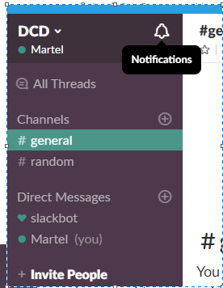 | YES |  | 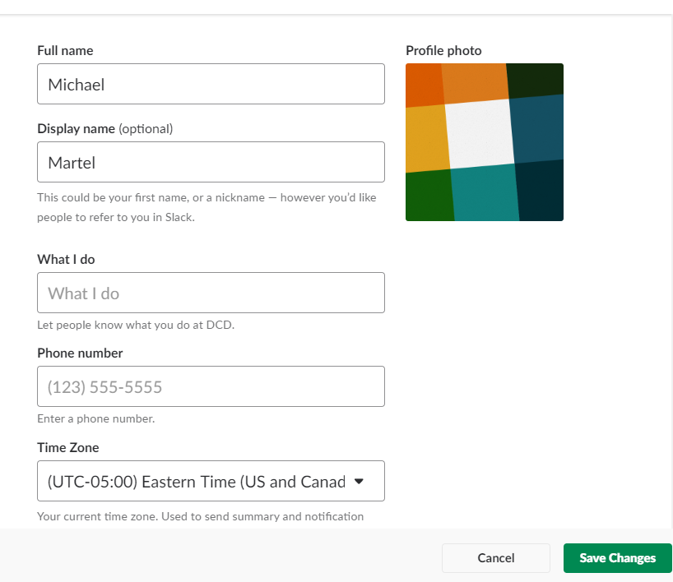

 | This free tool is part of the UX Strategy Toolkit that accompanies Jaime Levy's book "UX Strategy". (CC) 2018 - http://userexperiencestrategy.com

