ROI
Paket | Harga | Margin 30% | Margin

Mini | Rp22,308 | Rp29,000 | Rp6,692
Starter | Rp75,385 | Rp98,000 | Rp22,615
Pro | Rp291,538 | Rp379,000 | Rp87,462

Paket | Jumlah Users
 | 10 | 20 | 50 | 75 | 100 | 300 | 500 | 1,000 | 3,500 | 70,000
Mini | Rp66,923 | Rp133,846 | Rp334,614 | Rp501,921 | Rp669,228 | Rp2,007,683 | Rp3,346,138 | Rp6,692,275 | Rp23,422,964 | Rp468,459,277
Starter | Rp226,154 | Rp452,307 | Rp1,130,768 | Rp1,696,151 | Rp2,261,535 | Rp6,784,606 | Rp11,307,676 | Rp22,615,352 | Rp79,153,733 | Rp1,583,074,662
Pro | Rp874,615 | Rp1,749,230 | Rp4,373,075 | Rp6,559,613 | Rp8,746,151 | Rp26,238,452 | Rp43,730,753 | Rp87,461,506 | Rp306,115,272 | Rp6,122,305,431

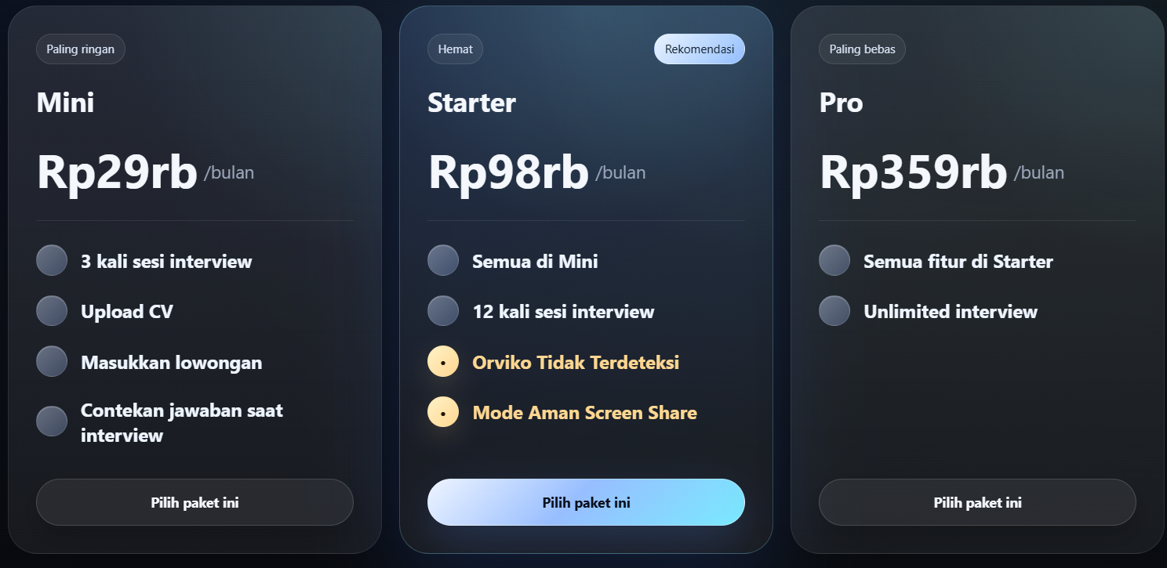

 |  |  |  |  |  |  |  | 7000000
 |  |  |  |  |  |  |  | 70000

