ROI
Package | AI Budget incl. VAT | Target Price at Margin | Margin

Mini | 22,308 | 29,000 | 6,692
Starter | 75,385 | 98,000 | 22,615
Pro | 291,538 | 379,000 | 87,462

Package | User Count
 | 10 | 20 | 50 | 75 | 100 | 300 | 500 | 1,000 | 3,500 | 70,000
Mini | 66,923 | 133,846 | 334,614 | 501,921 | 669,228 | 2,007,683 | 3,346,138 | 6,692,275 | 23,422,964 | 468,459,277
Starter | 226,154 | 452,307 | 1,130,768 | 1,696,151 | 2,261,535 | 6,784,606 | 11,307,676 | 22,615,352 | 79,153,733 | 1,583,074,662
Pro | 874,615 | 1,749,230 | 4,373,075 | 6,559,613 | 8,746,151 | 26,238,452 | 43,730,753 | 87,461,506 | 306,115,272 | 6,122,305,431

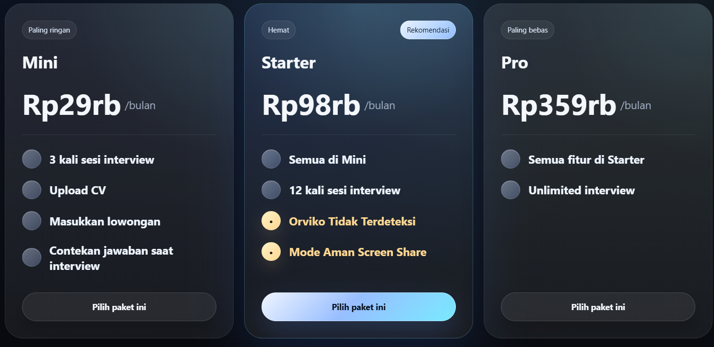
Note | Simplified ROI view based on AI budget and target margin only; not a full P&L.

