invoice
BDD CO., LIMITED
Address: 1306-1307 Block A, IBC Business Jewelry Building,Shenzhen, Guangdong Province, China
Invoice
To: |  |  |  | Invoice NO:
Attn: |  |  |  | Invoice Date:
Tel: |  |  |  | Payment Terms:
Shipping Address: |  |  |  | Zip Code:
No. | Item No. | Picture | Description | Size | Unit Price | Quantity（pcs） | Amount
1 | KR1912046-G | 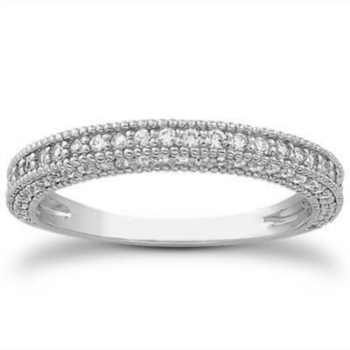 | 18K&Diamond Diamond:0.005ctx24pcs,0.004ctx56pcs,total0.344ct, HSI | Height 1.7 mm Width 2.0 mm | 241.00 USD | 1 | 241.00 USD
 |  |  |  |  | Coupon discount：
 |  |  |  |  | Shopping card：
 |  |  |  |  | Total： | 2 | 482.00 USD
SAY TOTAL US DOLLARS ONLY.

