Sheet1
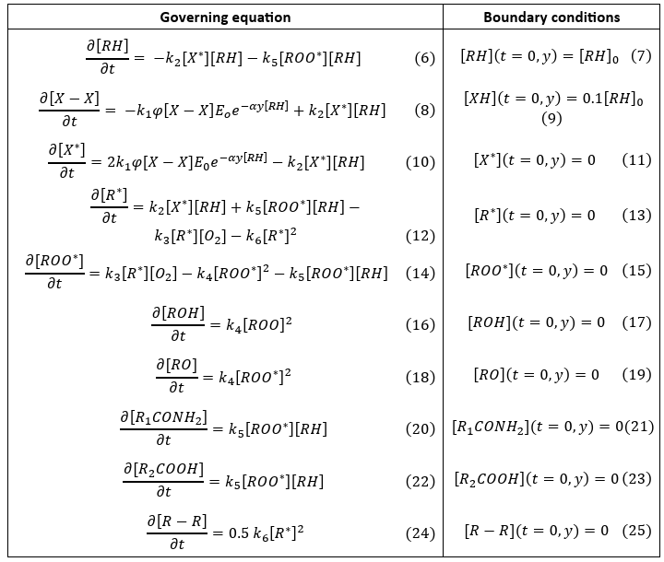
title | abstract | Equations | equations_latex | Mathematical Modelling (Assumptions, etc)
Methods and systems for predicting a remaining shelf-life of a millet flour using data driven approach | The disclosure relates generally to methods and systems for predicting a remaining shelf-life of a millet flour using a data-driven approach. Conventional techniques for estimating the remaining shelf life of the millet flour are very limited and not effective. The methods and systems of the present disclosure employs a Long short-term memory (LSTM) network architecture-based model to predict the remaining shelf-life of the millet flour based on both the nutritional quality and the rancidity using the information of millet brand and days after milling of the grain. The LSTM network based model is trained on the training data obtained using the chemical properties of the model from the input data comprising a peroxide content, and a fat acidity. The present disclosure predicts the remaining shelf-life of the millet flour in terms of both the remaining nutritional shelf-life and the remaining rancid shelf-life. |  | \begin{align} \text{Unsaturated fatty acid (UFA)} &\rightarrow \text{Peroxide (PV)} \rightarrow \text{Volatiles} \tag{1} \\ \frac{d[UFA]}{dt} &= -k_1[UFA] \tag{2} \\ [UFA] &= [UFA]_0 (e^{-k_1 t}) \tag{3} \\ \frac{d[PV]}{dt} &= k_1[UFA] - k_2[PV] \tag{4} \\ [PV] &= [UFA]_0 \left(\frac{k_1}{k_2 - k_1}\right) \left(e^{-k_1 t} - e^{-k_2 t}\right) \tag{5} \end{align}
Combined concurrent Physical and Chemical model for accelerated weathering damages of polyurethane-based coatings | Paints and coatings undergo a variety of physical and chemical changes under environmental exposures. Accurate prediction of these changes is important for the applications of coatings. This work presents a novel approach to modeling accelerated weathering of coating by combining concurrent physical and chemical processes. The model integrates key factors influencing coating degradation and employs a multi-scale framework to capture macro-scale physical changes and micro-level chemical transformations. The chemical component/model simulates photodegradation reactions using kinetic equations, while the physical component uses Monte Carlo simulations where repeated random events develop surface erosion. The surface topography and chemistry of coating is generated statistically through the physical model. The variations in surface topography and chemistry of coating are correlated with the chemical changes from the chemical model, resulting in estimation of both physical and chemical changes in the coating during real accelerated weathering time. Results demonstrate accurate predictions of chemistry changes, surface degradation profiles, roughness, gloss loss, and relative fracture toughness, which are validated successfully with the experimentally available data. This integrated approach provides insight into coating failure mechanisms, enabling accurate service life prediction, and serve as a tool for formulating durable coatings and optimizing testing protocols. |  | \begin{align} \textbf{Oxygen Governing Equation} \\ \frac{\partial [O_2]}{\partial t} &= \frac{\partial}{\partial y} \left( D_{o_2} \left( \frac{\partial [O_2]}{\partial y} \right) \right) - k_3 [R^*][O_2] + k_4 [ROO^*]^2 \\[10pt] \textbf{Boundary conditions for oxygen} \\ [O_2](t = 0, y) &= 0 \tag{3} \\ [O_2](t, y = 0) &= S_{eq} \times P_{O_2} \tag{4} \\ \frac{\partial [O_2]}{\partial y}(t, y = l) &= 0 \tag{5} \\[12pt] \textbf{Governing equations} \\ \frac{\partial [RH]}{\partial t} &= - k_2 [X^*][RH] - k_5 [ROO^*][RH] \tag{6} \\ \frac{\partial [X - X]}{\partial t} &= - k_1 \phi [X - X] E_o e^{-\alpha y}[RH] + k_2 [X^*][RH] \tag{8} \\ \frac{\partial [X^*]}{\partial t} &= 2k_1 \phi [X - X] E_o e^{-\alpha y}[RH] - k_2 [X^*][RH] \tag{10} \\ \frac{\partial [R^*]}{\partial t} &= k_2 [X^*][RH] + k_5 [ROO^*][RH] - k_3 [R^*][O_2] - k_6 [R^*]^2 \tag{12} \\ \frac{\partial [ROO^*]}{\partial t} &= k_3 [R^*][O_2] - k_4 [ROO^*]^2 - k_5 [ROO^*][RH] \tag{14} \\ \frac{\partial [ROH]}{\partial t} &= k_4 [ROO]^2 \tag{16} \\ \frac{\partial [RO]}{\partial t} &= k_4 [ROO^*]^2 \tag{18} \\ \frac{\partial [R_1CONH_2]}{\partial t} &= k_5 [ROO^*][RH] \tag{20} \\ \frac{\partial [R_2COOH]}{\partial t} &= k_5 [ROO^*][RH] \tag{22} \\ \frac{\partial [R - R]}{\partial t} &= 0.5\, k_6 [R^*]^2 \tag{24} \\[12pt] \textbf{Boundary conditions} \\ [RH](t = 0, y) &= [RH]_0 \tag{7} \\ [XH](t = 0, y) &= 0.1[RH]_0 \tag{9} \\ [X^*](t = 0, y) &= 0 \tag{11} \\ [R^*](t = 0, y) &= 0 \tag{13} \\ [ROO^*](t = 0, y) &= 0 \tag{15} \\ [ROH](t = 0, y) &= 0 \tag{17} \\ [RO](t = 0, y) &= 0 \tag{19} \\ [R_1CONH_2](t = 0, y) &= 0 \tag{21} \\ [R_2COOH](t = 0, y) &= 0 \tag{23} \\ [R - R](t = 0, y) &= 0 \tag{25} \end{align} | A transient 1-D model (in depth y) capable of describing degradation of a coating exposed to UV radiation and humidity is described here. The model considers photoinitiated chain reactions, oxygen diffusion, and reduction of crosslinking density from the degradation mechanism. The overall purpose of the model is to estimate the mass loss and matrix ablation of the coating, along with the concentration profiles of components like polymer, oxygen, and volatile compounds. The assumptions underlying the model development are: • Coating is a combination of a clearcoat and topcoat, with no additives, UV absorbers, or antioxidants. • Coating matrix is ideal and does not contain loops or intramolecular bonds after curing. • The initial coating surface is flat, and free of any defects. • The diffusion of active components other than oxygen is assumed to be negligible. • Coating is isothermal, with its temperature remaining the same as the surrounding environment. • No thermal degradation occurs in the coating matrix at 300K. • Exposure conditions mimic those of accelerated weathering conditions, with constant air temperature, relative humidity, and UV radiation intensity. • Radiation intensity received by the coating corresponds to the radiation intensity emitted by UV lamps in accelerated weathering chambers.
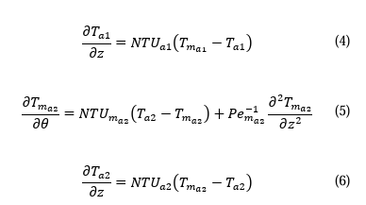
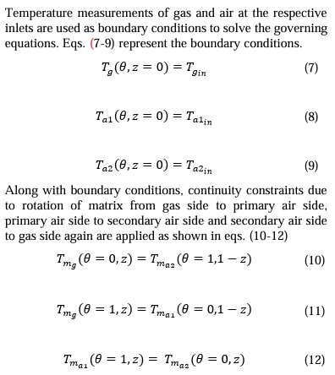
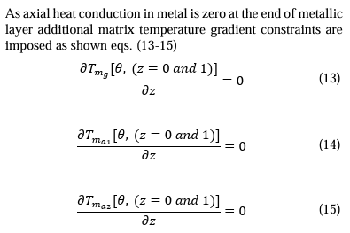
Physics Informed Neural Network for Health Monitoring of an Air Preheater | Air Preheater (APH) is a regenerative heat exchanger employed in thermal power plants to save fuel by improving their thermal efficiency. Monitoring the health of APH vis-avis its fouling is critical because fouling often results in forced outages of the power plant, incurring huge revenue losses. APH fouling is a complex thermo-chemical phenomenon governed by flue gas composition, operating temperatures, fuel type and ambient conditions. Absence of sensors within the APH make it difficult to estimate the level of fouling and its progression even for an experienced operator. Attempts to estimate APH fouling in real-time via modeling are scarce. Here we present a physics-informed neural network (PINN) that tracks the health of an APH by real-time estimation of fouling conditions within the APH as a function of real-time sensor measurements. To account for multi-fluid operation in a multi-sector design of APH, the domain is decomposed into several sub-domains. PINN is applied to each sub-domain and the overall solution is ensured by applying continuity conditions at the sub-domain interfaces. The model predicts the interior temperatures and fouling zones within the APH using external sensor measurements such as air temperature and gas composition. The model predictions are consistent with physics and yet computationally efficient in run-time. The model does not need sensor data but can be improved further by accommodating available sensor data. The real-time predictions by the model improve operator’s visibility in fouling. The predictions can be used further for estimating the remaining useful cycle life of the APH, thereby avoiding forced outages. The model can easily be integrated with the digital twin of an APH for its predictive maintenance. |  | \begin{align} \textbf{Governing equations} \\ \frac{\partial T_{mg}}{\partial \theta} &= NTU_{mg}(T_g - T_{mg}) + Pe^{-1}_{mg} \frac{\partial^2 T_{mg}}{\partial z^2} \tag{1} \\ \frac{\partial T_g}{\partial z} &= NTU_g (T_{mg} - T_g) \tag{2} \\ \frac{\partial T_{ma1}}{\partial \theta} &= NTU_{ma1}(T_{a1} - T_{ma1}) + Pe^{-1}_{ma1} \frac{\partial^2 T_{ma1}}{\partial z^2} \tag{3} \\ \frac{\partial T_{a1}}{\partial z} &= NTU_{a1}(T_{ma1} - T_{a1}) \tag{4} \\ \frac{\partial T_{ma2}}{\partial \theta} &= NTU_{ma2}(T_{a2} - T_{ma2}) + Pe^{-1}_{ma2} \frac{\partial^2 T_{ma2}}{\partial z^2} \tag{5} \\ \frac{\partial T_{a2}}{\partial z} &= NTU_{a2}(T_{ma2} - T_{a2}) \tag{6} \\[12pt] \textbf{Boundary conditions description} \\ \text{Temperature measurements of gas and air at the respective inlets are used as boundary conditions to solve the governing equations. Eqs. (7-9) represent the boundary conditions} \\[6pt] T_g(\theta, z = 0) &= T_{gin} \tag{7} \\ T_{a1}(\theta, z = 0) &= T_{a1in} \tag{8} \\ T_{a2}(\theta, z = 0) &= T_{a2in} \tag{9} \\[12pt] \textbf{Continuity constraints description} \\ \text{Along with boundary conditions, continuity constraints due to rotation of matrix from gas side to primary air side, primary air side to secondary air side and secondary air side to gas side again are applied as shown in eqs. (10-12)} \\[6pt] T_{mg}(\theta = 0, z) &= T_{ma2}(\theta = 1, 1 - z) \tag{10} \\ T_{mg}(\theta = 1, z) &= T_{ma1}(\theta = 0, 1 - z) \tag{11} \\ T_{ma1}(\theta = 1, z) &= T_{ma2}(\theta = 0, z) \tag{12} \\[12pt] \textbf{Axial heat conduction constraint description} \\ \text{As axial heat conduction in metal is zero at the end of metallic layer additional matrix temperature gradient constraints are imposed as shown eqs. (13-15)} \\[6pt] \frac{\partial T_{mg}[\theta, (z = 0 \text{ and } 1)]}{\partial z} &= 0 \tag{13} \\ \frac{\partial T_{ma1}[\theta | High temperature flue gas enters from top and heats the matrix, which in turn rotates and transfers this heat to the cold ambient air entering from bottom. While convection dominates the heat transfer between fluids and metal, conduction contributes significantly to the heat transfer within metal. In the current work, we consider a two-dimensional formulation (tangential and axial direction) for solving thermal governing equations inside the APH. Heat transfer in the radial direction is assumed to be constant and hence not accounted for in the governing equations. entire domain (Ω) is divided into three subdomains presented as gas side subdomain (Ω𝑔), primary air side sub domain (Ω𝑎1), and secondary air side sub domain (Ω𝑎2)
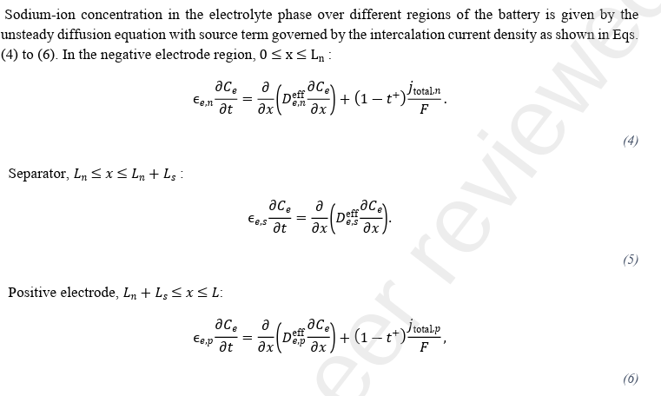
Multiscale Molecular Dynamics and Electrochemical Modelling of Sodium-Ion Batteries: Impact of Electrolyte Composition | Sodium-ion batteries (SIBs) are promising alternatives to lithium-ion batteries, owing to the similarity in chemistry and abundant supply of sodium and other essential materials. Among the battery components, electrolytes play a pivotal role in ensuring safe and reliable battery operation. However, a poor choice of electrolyte can result in high internal heat generation, especially at high discharge rates. Therefore, identifying a good electrolyte material is crucial for improving battery performance and safety. While experimental approaches are typically used to do this, they are time-consuming and resource intensive. The multi-scale approach presented in this work provides a computational methodology that can help evaluate an electrolyte material for Na ion systems. It employs molecular dynamics simulations to predict the transport properties of electrolytes. Subsequently, these results are used by the electrochemical model to obtain system level performance insights such as voltage-discharge curves, internal heat generation, and concentration polarization. We utilize this multiscale approach to evaluate two solvent ratios, 7:3 and 1:1, of EC:PC for NaPF6 salt based electrolyte. Simulation results show good agreement with experimental data to highlight that the multiscale approach is an effective tool to design and optimize electrolyte composition |  | \begin{align} \textbf{Initial condition description} \\ \text{The initial condition is given by} \\[6pt] C_i &= C_i^0 \quad \text{at } t = 0, \\[12pt] \textbf{Electrolyte concentration governing equations description} \\ \text{Sodium-ion concentration in the electrolyte phase over different regions of the battery is given by the unsteady diffusion equation with source term governed by the intercalation current density as shown in Eqs. (4) to (6). In the negative electrode region, } 0 \le x \le L_n : \\[6pt] \epsilon_{e,n} \frac{\partial C_e}{\partial t} &= \frac{\partial}{\partial x} \left( D^{eff}_{e,n} \frac{\partial C_e}{\partial x} \right) + (1 - t^+) \frac{j^{total}_n}{F} \tag{4} \\[12pt] \text{Separator, } L_n \le x \le L_n + L_s : \\[6pt] \epsilon_{e,s} \frac{\partial C_e}{\partial t} &= \frac{\partial}{\partial x} \left( D^{eff}_{e,s} \frac{\partial C_e}{\partial x} \right) \tag{5} \\[12pt] \text{Positive electrode, } L_n + L_s \le x \le L : \\[6pt] \epsilon_{e,p} \frac{\partial C_e}{\partial t} &= \frac{\partial}{\partial x} \left( D^{eff}_{e,p} \frac{\partial C_e}{\partial x} \right) + (1 - t^+) \frac{j^{total}_p}{F} \tag{6} \\[12pt] \textbf{Average concentration equations} \\[8pt] \frac{dC_{avg,i}(t)}{dt} + \frac{3j_i}{R_i} &= 0; \quad i = n,p \\[12pt] \frac{D_i}{R_i} \left[ C_{surf,i}(t) - C_{avg,i}(t) \right] &= -\frac{j_i}{5}. \end{align} | The diffusion of sodium-ion in the reference electrode particle of the electrode region is governed by Fick’s second law. A two-parameter polynomial approximation is used to reduce complexity and required computation time without sacrificing accuracy
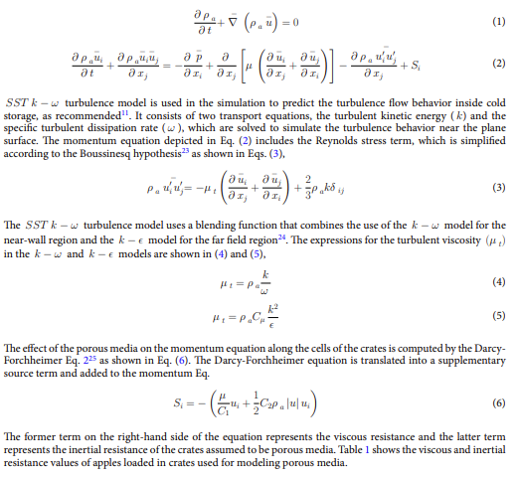
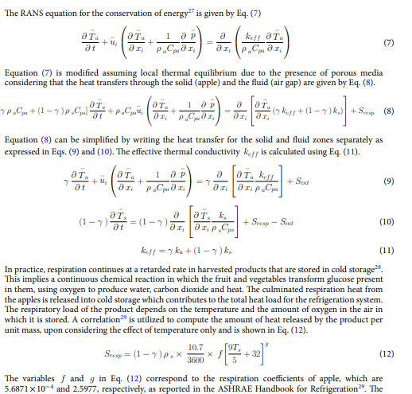
Optimizing cold storage for uniform airflow and temperature distribution in apple preservation using CFD simulation | Apples are preserved in cold storage within standard-size crates to avoid injury during handling and are stacked in a specific manner to promote adequate air circulation. This research builds an air flow and heat transfer model of a cold room (5.75 m × 3.83 m × 3.75 m) with apple-filled crates (0.55 m × 0.37 m × 0.3 m) modeled as a porous media and uses CFD simulation to study how alternate stacking impacts airflow distribution and product temperature. The conventional arrangement of crates, termed CS1, was simulated, and the resulting temperature distribution data were used to validate the model with published experimental data, a root mean square error of 1.13 °C indicates good match. The model is extended to examine temperature distribution for two additional arrangements of crates (CS2 and CS3) with changed orientations and spacing, in accordance with a specific strategy. CS3, featuring larger spacing along the z-direction, showed higher average air velocity compared to CS2 and CS1 by 7.4% and 3.7% respectively. CS3 also improved cooling rate by 25.2% and increased the number of chilled crates by 20% within 40 h, along with a reduced temperature heterogeneity (3.59 °C). The model could predict hot spots in various stacking configurations, aiding in optimal arrangement. |  | \begin{align} \textbf{RANS equations description} \\ \frac{\partial \rho_a}{\partial t} + \nabla \cdot (\rho_a \vec{u}) &= 0 \tag{1} \\ \frac{\partial \rho_a u_i}{\partial t} + \frac{\partial \rho_a u_i u_j}{\partial x_j} &= - \frac{\partial p}{\partial x_i} + \frac{\partial}{\partial x_j} \left[ \mu \left( \frac{\partial u_i}{\partial x_j} + \frac{\partial u_j}{\partial x_i} \right) \right] - \frac{\partial \rho_a u'_i u'_j}{\partial x_j} + S_i \tag{2} \\ \text{SST } k-\omega \text{ turbulent model is used in the simulation to predict the turbulence flow behavior inside cold storage, as recommended. It consists of two transport equations, the turbulent kinetic energy (k) and the specific turbulent dissipation rate } (\omega), \text{ which are solved to simulate the turbulence behavior near the plane surface. The momentum equation depicted in Eq. (2) includes the Reynolds stress term, which is simplified according to the Boussinesq hypothesis as shown in Eqs. (3).} \\[8pt] \rho_a u'_i u'_j &= -\mu_t \left( \frac{\partial u_i}{\partial x_j} + \frac{\partial u_j}{\partial x_i} \right) + \frac{2}{3} \rho_a k \delta_{ij} \tag{3} \\ \text{The SST } k-\omega \text{ turbulence model uses a blending function that combines the use of the } k-\omega \text{ model for the near-wall region and the } k-\epsilon \text{ model for the far field region. The expressions for the turbulent viscosity } (\mu_t) \text{ in the } k-\omega \text{ and } k-\epsilon \text{ models are shown in (4) and (5).} \\[8pt] \mu_t &= \rho_a \frac{k}{\omega} \tag{4} \\ \mu_t &= \rho_a C_\mu \frac{k^2}{\epsilon} \tag{5} \\ \text{The effect of the porous media on the momentum equation along the cells of the crates is computed by the Darcy-Forchheimer Eq. as shown in Eq. (6). The Darcy-Forchheimer equation is translated into a supplementary source term and added to the momentum equation.} \\[8pt] S_i &= - \left( \frac{\mu | • Forced convection is the predominant mode of heat transfer. • The apple crates are assumed to constitute a single homogenous porous medium. • The thermophysical properties of apples do not change with temperature. • The inlet air is assumed to flow normally to the surface of the IDU at a constant velocity. • The heat capacities of wooden pallets, metallic racks and crates and their effects on the fluid flow are neglect Initial and Boundary conditions: The entire geometry of the model includes air as the fluid, apple crates as the porous media and cold storage walls that have an initial temperature of 28 °C and are in thermal equilibrium with each other. The boundary conditions are assumed to be the same as those in the experimental study18. A symmetric boundary condition is applied on the symmetry wall, which imposes no fluid flow and no scalar flux across the wall32. The no-slip boundary condition is assumed on the walls of the IDU, outer surface of the crates, floor, ceiling, and walls of the cold storage, which assumes that the velocity of the air in the immediate vicinity of the wall is zero. The cold air from the IDU is considered a velocity inlet boundary condition with circulating air flowing at 4.2 m s−1 at a constant temperature of 1.4 °C, while the outlet is considered a pressure outlet. To simulate the crates as a porous zone and the circulating air as a single fluid zone, two separate domains were generated. Domain 1 features a porous zone consisting of porous media, while Domain 2 consists of a single fluid material to simulate the circulating air throughout the cold storage bounded by the room walls, the floor, the ceiling, and the symmetry wall.

