Sheet1
BASIC TASK
thread number | parallel | solo | parallel speed-up
2 | 0.182304600000000000 | 0.123046000000000000 | 0.67
3 | 0.0627926700000000 | 0.101122899999999000 | 1.61
4 | 0.0313012000000000 | 0.123133800000000000 | 3.93
5 | 0.0397578000000000 | 0.105278499999999000 | 2.65
6 | 0.0489594000000000 | 0.123133800000000000 | 2.52
7 | 0.1680818000000000 | 0.082855599999999900 | 0.49
8 | 0.1288778000000000 | 0.018077600000000000 | 0.14
9 | did not let me run program with this values
10
 | parallel speed-up
2 | 0.67
3 | 1.61
4 | 3.93
5 | 2.65
6 | 2.52
7 | 0.49
8 | 0.14
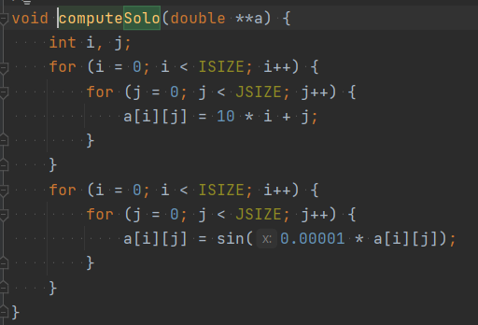

 | TASK 1G

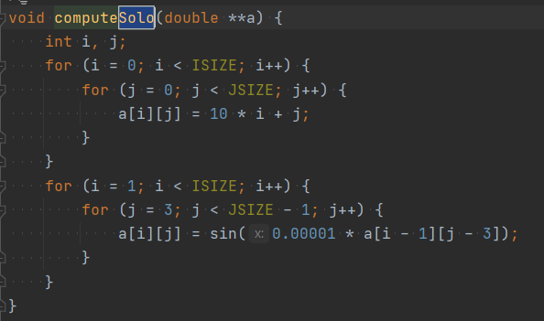

 |  |  |  | thread number | parallel |  | solo | parallel speed-up
 |  |  |  | 2 | 0.0266001224517822 |  | 0.014850139617919900 | 0.56
 |  |  |  | 3 | 0.0447185039520264 |  | 0.010987758636474600 | 0.25
 |  |  |  | 4 | 0.0143635272979736 |  | 0.020405054092407200 | 1.42

 |  |  | <- variant 1G

$\left({∆i \atop ∆j}\right)$ = $\left({id \atop jd}\right)−\left({is \atop js}\right)$ = $\left({i \atop j}\right)−\left({i −1 \atop j −3}\right)= \left({1 \atop 3}\right)$ =>$\left({< \atop <}\right)$

TASK 2G

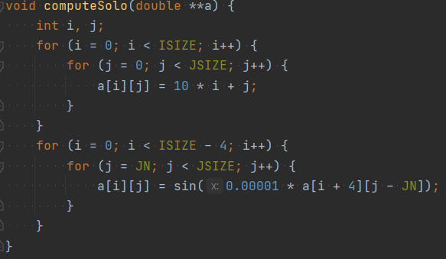
 |  |  | thread number | parallel |  | solo | parallel speed-up
 |  |  | 2 | 0.0214214324951172 |  | 0.010241985321044900 | 0.48
 |  |  | 3 | 0.0159423351287842 |  | 0.011652708053588900 | 0.73
 |  |  | 4 | 0.0166349411010742 |  | 0.077019929885864300 | 4.63

$\left({∆i \atop ∆j}\right)$ = $\left({id \atop jd}\right)−\left({is \atop js}\right)$ = $\left({i \atop j}\right)−\left({i+4 \atop j−5}\right)= \left({−4 \atop 5}\right)$ =>$\left({> \atop <}\right)$

