Sheet1
BASIC TASK
thread number | parallel | solo | parallel speed-up
2 | 0.0308983000000000 | 0.123046000000000000 | 3.98
3 | 0.0279267000000000 | 0.101122899999999000 | 3.62
4 | 0.0313012000000000 | 0.123133800000000000 | 3.93
5 | 0.0397578000000000 | 0.105278499999999000 | 2.65
6 | 0.0489594000000000 | 0.123133800000000000 | 2.52
7 | 0.1680818000000000 | 0.082855599999999900 | 0.49
8 | 0.1288778000000000 | 0.018077600000000000 | 0.14
9 | did not let me run program with this values
10
 | parallel speed-up
2 | 3.98
3 | 3.62
4 | 3.93
5 | 2.65
6 | 2.52
7 | 0.49
8 | 0.14
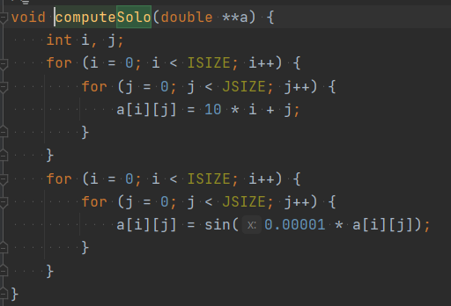

 | TASK 1G

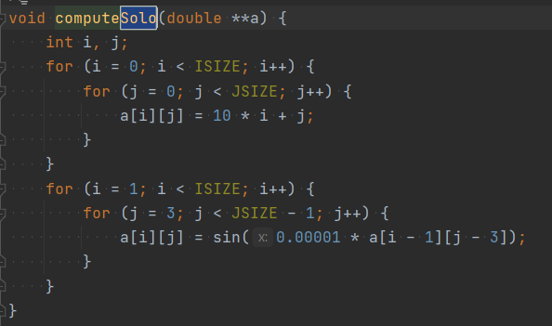

 |  |  | <- variant 1G

$\left({∆i \atop ∆j}\right)$ = $\left({id \atop jd}\right)−\left({is \atop js}\right)$ = $\left({i \atop j}\right)−\left({i −1 \atop j −3}\right)= \left({1 \atop 3}\right)$ =>$\left({< \atop <}\right)$

TASK 2G

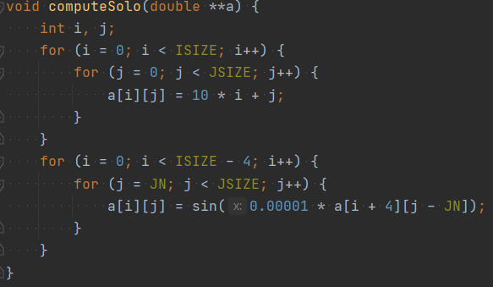

$\left({∆i \atop ∆j}\right)$ = $\left({id \atop jd}\right)−\left({is \atop js}\right)$ = $\left({i \atop j}\right)−\left({i+4 \atop j−5}\right)= \left({−4 \atop 5}\right)$ =>$\left({> \atop <}\right)$

