Sheet1
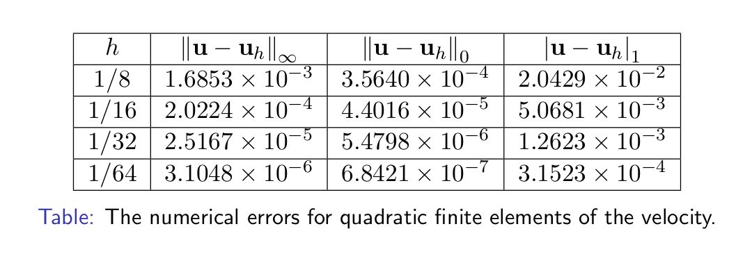
Navier_Stokes_Steady_2D

速度u
h | error_max | multiple | error_L2 | multiple | error_H1 | multiple
0.125 | 1.5627E-03 | - | 4.8448E-04 | - | 1.4017E-02 | -
0.0625 | 2.1151E-04 | 7.3882 | 5.9702E-05 | 8.1150 | 3.6124E-03 | 3.8803
0.03125 | 2.6847E-05 | 7.8786 | 7.4208E-06 | 8.0452 | 9.2074E-04 | 3.9234
0.015625 | 3.42E-06 | 7.8605 | 9.26E-07 | 8.0177 | 2.3280E-04 | 3.9551
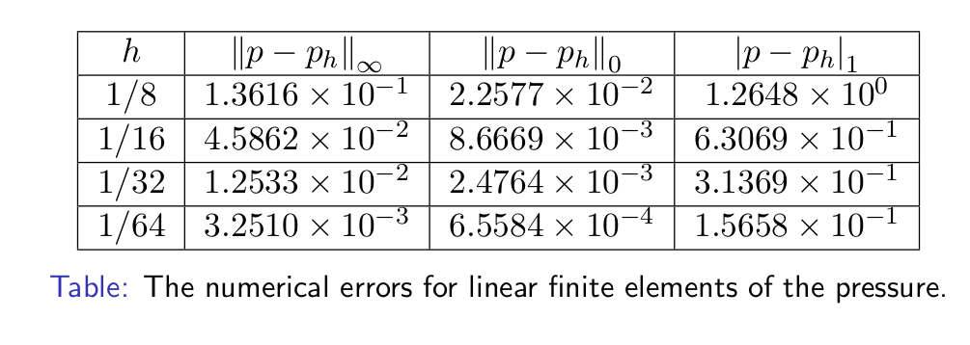

压力p
h | error_max | multiple | error_L2 | multiple | error_H1 | multiple
0.125 | 1.9470E-01 | - | 4.7294E-02 | - | 1.2467E+00 | -
0.0625 | 3.4461E-02 | 5.6499 | 6.2013E-03 | 7.6264 | 6.2954E-01 | 1.9803
0.03125 | 9.0268E-03 | 3.8176 | 1.0771E-03 | 5.7572 | 3.1382E-01 | 2.0060
0.015625 | 2.32E-03 | 3.8894 | 2.25E-04 | 4.7775 | 1.5666E-01 | 2.0032

