Sheet1
Stokes_Steady_2D

速度u
h | error_max | multiple | error_L2 | multiple | error_H1 | multiple
0.125 | 1.3608E-03 | - | 4.7677E-04 | - | 1.3905E-02 | -
0.0625 | 1.7346E-04 | 7.8450 | 5.8815E-05 | 8.1062 | 3.6932E-03 | 3.7649
0.03125 | 2.1565E-05 | 8.0439 | 7.3027E-06 | 8.0539 | 9.5151E-04 | 3.8814
0.015625 | 2.72E-06 | 7.9340 | 9.10E-07 | 8.0270 | 2.4135E-04 | 3.9424

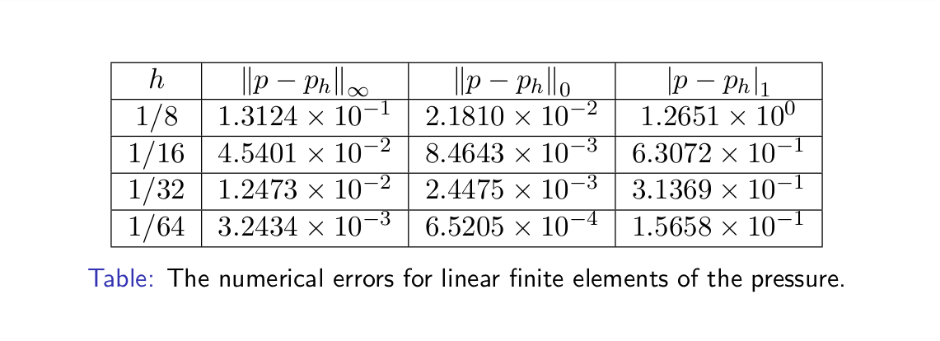
压力p
h | error_max | multiple | error_L2 | multiple | error_H1 | multiple
0.125 | 2.7589E-01 | - | 8.4691E-02 | - | 1.2720E+00 | -
0.0625 | 5.5156E-02 | 5.0020 | 1.5556E-02 | 5.4444 | 6.3294E-01 | 2.0097
0.03125 | 1.2743E-02 | 4.3282 | 3.3478E-03 | 4.6465 | 3.1429E-01 | 2.0139
0.015625 | 3.07E-03 | 4.1569 | 7.71E-04 | 4.3450 | 1.5673E-01 | 2.0053

