Sheet1
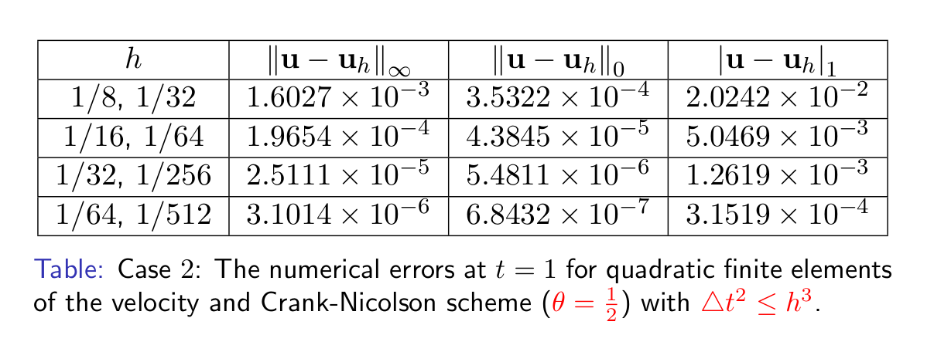
Stokes_UnSteady_2D theta = 0.5

速度u
h | error_max | multiple | error_L2 | multiple | error_H1 | multiple
1/8,1/32 | 1.5977E-03 | - | 4.8144E-04 | - | 1.2568E-02 | -
1/16,1/64 | 2.1347E-04 | 7.4845 | 6.0413E-05 | 7.9691 | 3.1529E-03 | 3.9862
1/32,1/256 | 2.8562E-05 | 7.4741 | 7.4538E-06 | 8.1050 | 8.5678E-04 | 3.6799
1/64,1/512 |  | #DIV/0! |  | #DIV/0! |  | #DIV/0!

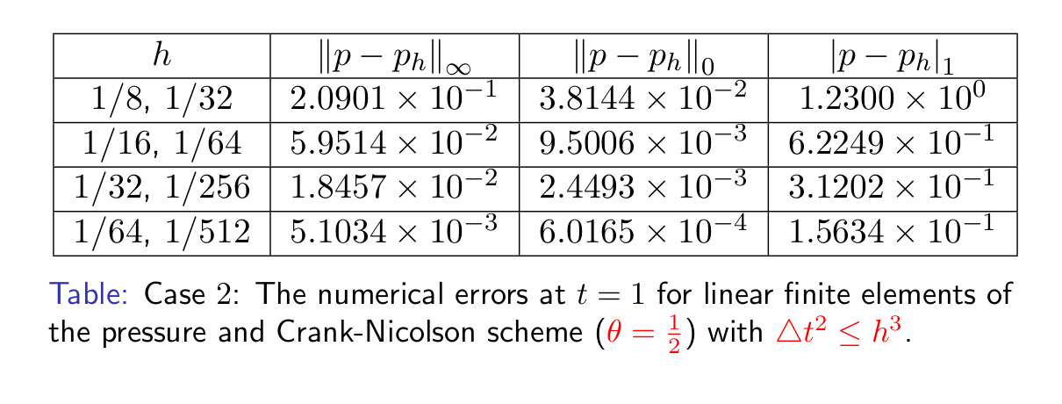
压力p
h | error_max | multiple | error_L2 | multiple | error_H1 | multiple
1/8,1/32 | 1.5712E-01 | - | 4.1019E-02 | - | 1.2341E+00 | -
1/16,1/64 | 4.7973E-02 | 3.2752 | 1.2688E-02 | 3.2330 | 6.2452E-01 | 1.9760
1/32,1/256 | 2.2668E-02 | 2.1164 | 6.4832E-03 | 1.9570 | 3.1317E-01 | 1.9942
1/64,1/512 |  | #DIV/0! |  | #DIV/0! |  | #DIV/0!

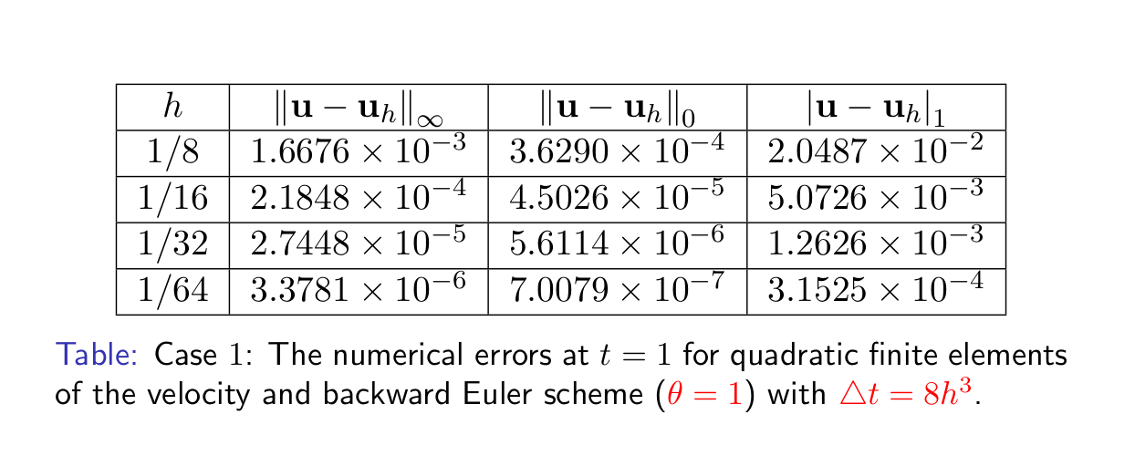

Stokes_UnSteady_2D theta = 1,dt =8*dh^3

速度u
h | error_max | multiple | error_L2 | multiple | error_H1 | multiple
0.125 | 1.6849E-03 | - | 4.7914E-04 | - | 1.3923E-02 | -
0.0625 | 2.2749E-04 | 7.4066 | 5.9136E-05 | 8.1024 | 3.6957E-03 | 3.7674
0.03125 | 2.8808E-05 | 7.8966 | 7.3430E-06 | 8.0534 | 9.5173E-04 | 3.8831
0.015625 |  | #DIV/0! |  | #DIV/0! |  | #DIV/0!

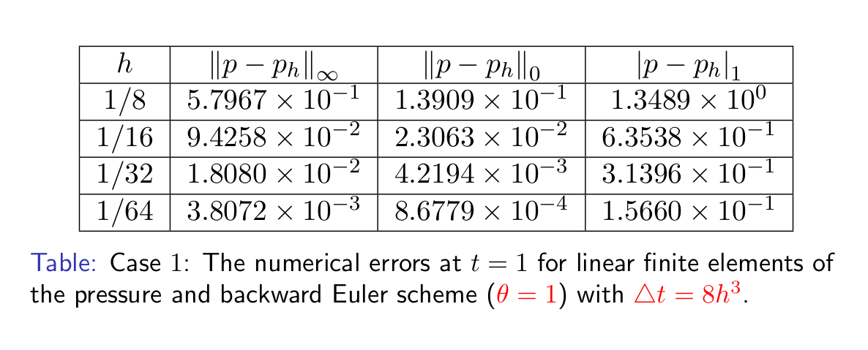
压力p
h | error_max | multiple | error_L2 | multiple | error_H1 | multiple
0.125 | 3.9427E-01 | - | 6.3341E-02 | - | 1.3481E+00 | -
0.0625 | 5.3903E-02 | 7.3144 | 7.1834E-03 | 8.8177 | 6.3729E-01 | 2.1154
0.03125 | 1.1434E-02 | 4.7144 | 1.8231E-03 | 3.9403 | 3.1455E-01 | 2.0260
0.015625 |  | #DIV/0! |  | #DIV/0! |  | #DIV/0!

