Team
230
Dashboard |  | PitScouting |  |  |  |  |  |  |  |  |  | TBA
 |  | AutoGoal | TeleOpGoal | Climb | CubeAcquisition |  | DriveTrain | #OfCIMmotors | AnythingElse | Coach'sName |  | Auto | Ownership | Vault | Climb | OPR | Rank
 |  |  |  |  |  |  |  |  |  |  |  | 37 | 278 | 37 | 66 | 245.93 | 3
SkillRanking
 |  | MatchScouting
 |  |  | AUTONOMOUS |  |  | TELEOP
 |  | Match# | Baseline | Switch | Scale | OwnSwitch | OtherSwitch | ScaleCubes | PowerUpCubes | ClimbPts | ClimbMethod | PowerUps | Comment
 |  | 2 | 1.00 | 0.00 | 1.00 | 3 | 0 | 3 | 1 | 1.00 | Climb on own | Force3, Boost3, Levitate | They’re were really good put 2 cubes on scale in autonomous
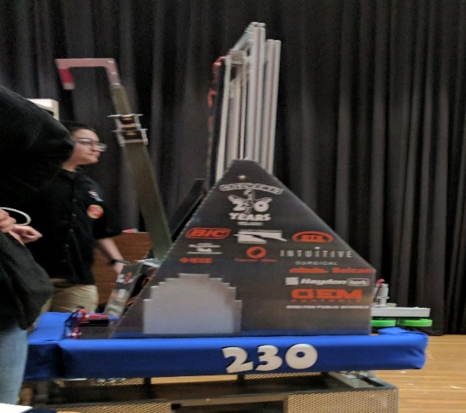
 |  | 7 | 1.00 | 1.00 | 0.00 | 0 | 0 | 4 | 4 | 1.00 | Climb on own | Force3, Boost3, Levitate | Got an exchange cube on auto
 |  | 11 | 1.00 | 1.00 | 0.00 | 3 | 0 | 3 | 7 | 1.00 | Climb on own | Force2, Boost3, Levitate | Very quick an efficient
 |  | 16 | 0.00 | 0.00 | 0.00 | 3 | 1 | 3 | 1 | 1.00 | Climb on own | Force1, Boost3, Levitate | Put exchange in auto
 |  | 23 | 1.00 | 1.00 | 0.00 | 0 | 0 | 6 | 4 | 1.00 | Climb on own | Force3, Boost3, Levitate | 0
 |  | 23 | 1.00 | 0.00 | 0.00 | 0 | 0 | 6 | 4 | 1.00 | Climb on own | Force1 | 0
 |  | 26 | 1.00 | 1.00 | 0.00 | 1 | 0 | 6 | 1 | 1.00 | Climb on own | Force2, Boost1 | Started off well, problem with wheel arms (?) midway so switched to defense. Climbed well
 |  | 34 | 1.00 | 1.00 | 1.00 | 5 | 7 | 2 | 8 | 1.00 | Climb on own | Force3, Boost2, Levitate | Very fast and good with everything (scale, exchange, switch)
 |  | 37 | 1.00 | 1.00 | 0.00 | 2 | 0 | 2 | 9 | 1.00 | Climb on own | Force3, Boost3, Levitate | Focused on exchange first, then a bit of scales and switches. Climbed well.
 |  | 37 | 0.00 | 0.00 | 0.00 | 0 | 0 | 1 | 9 | 1.00 | Climb on own | Force3, Boost3, Levitate | Vault within a minute
 |  | 44 | 0.00 | 0.00 | 1.00 | 2 | 0 | 5 | 0 | 1.00 | Climb on own | Force1, Force2, Force3, Boost1, Boost2, Boost3, Levitate | 2 cubes during auto
 |  | 46 | 0.00 | 1.00 | 0.00 | 1 | 0 | 8 | 1 | 1.00 | Climb on own | Levitate | Focused on scale. Good elevator but When scale is tipped up its hard to extend that far.
 |  | 52 | 1.00 | 1.00 | 1.00 | 1 | 2 | 4 | 0 | 1.00 | Climb on own | Boost3, Levitate | 0
 |  | 57 | 1.00 | 1.00 | 0.00 | 1 | 0 | 1 | 3 | 0.00 | Climb on own | Force3, Boost3, Levitate | 0

 | Average |  | 0.71 | 0.64 | 0.29 | 1.57 | 0.71 | 3.86 | 3.71 | 0.93
 | StdDev |  |  |  |  | 1.50 | 1.90 | 2.11 | 3.31

PitStats
AutoGoal

Row Labels | AutoGoal | AutoGoal
Baseline | 1 | Baseline | 1
Switch | 1 | Switch | 1
(blank) |  | (blank) | 0
None | 1 | None | 1
Grand Total | 3

Row Labels | TeleCube | TeleCube
Scale | 1
Switch | 1
(blank)
PowerUp | 1
Grand Total | 3

PitStats1
Row Labels | Count of What is your autonomous goal? |  | Count of What is your autonomous goal?
Switch | 1 | Switch | 1
(blank) |  | (blank) | 0
Baseline | 1 | Baseline | 1
None | 1
Grand Total | 3

Row Labels | Count of What are your TeleOp cube capabilities? |  | Count of What are your TeleOp cube capabilities?
Scale | 1 | Scale | 1
Switch | 1 | Switch | 1
(blank) |  | (blank) | 0
PowerUp | 1
Grand Total | 3

Row Labels | Count of What is your climb mechanism? |  | Count of What is your climb mechanism?
Climb on own | 1 | Climb on own | 1
None | 2 | None | 2
(blank) |  | (blank) | 0
Grand Total | 3 | Grand Total | 3

Row Labels | Count of How does your robot get cubes? |  | Count of How does your robot get cubes?
Pick up on own | 2 | Pick up on own | 2
(blank) |  | (blank) | 0
Depending on the human player | 1 | Depending on the human player | 1
Grand Total | 3

Row Labels | Count of What drive train do you use? |  | Count of What drive train do you use?
tank | 2 | tank | 2
(blank) |  | (blank) | 0
mechnum | 1 | mechnum | 1
Grand Total | 3 | Grand Total | 3

Row Labels | Count of How many drive CIM motors do you have? |  | Count of How many drive CIM motors do you have?
4 | 2 | 4 | 2
6 | 1 | 6 | 1
(blank) |  | (blank) | 0
Grand Total | 3

