Sheet1
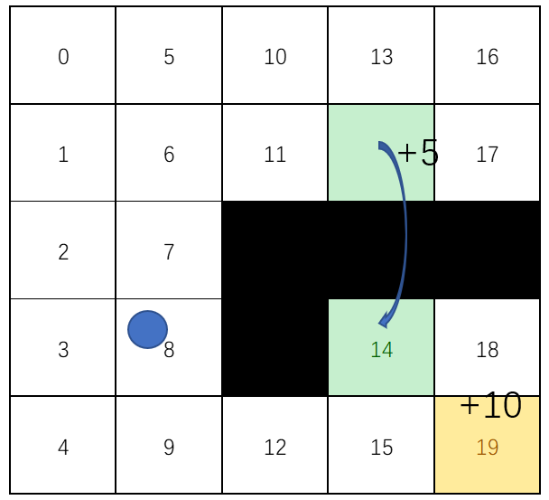
 | zuo | shang | you | xia
R | 0 | 1 | 2 | 3 | Q | zuo | shang | you | xia
0 | -1 | -1 | -1 | -1 | 1
1 | -1 | -1 | -1 | -1 | 2
2 | -1 | -1 | -1 | -1 | 3
3 | -1 | -1 | -1 | -1 | 4
4 | -1 | -1 | -1 | -1 | 5
5 | -1 | -1 | -1 | -1 | 6
6 | -1 | -1 | -1 | -1 | 7
7 | -1 | -1 | -1 | -1 | 8
8 | -1 | -1 | -1 | -1 | 9
9 | -1 | -1 | -1 | -1 | 10
10 | -1 | -1 | -1 | -1 | 11
11 | -1 | -1 | 5 | -1 | 12
12 | -1 | -1 | -1 | -1 | 13
13 | -1 | -1 | -1 | 5 | 14
14 | -1 | -1 | -1 | -1 | 15
15 | -1 | -1 | 10 | -1 | 16
16 | -1 | -1 | -1 | -1 | 17
17 | 5 | -1 | -1 | -1 | 18
18 | -1 | -1 | -1 | 10 | 19

S' | 0 | 1 | 2 | 3
0 | 1 | 1 | 6 | 2
0 | 2 | 1 | 7 | 3
0 | 3 | 2 | 8 | 4
0 | 4 | 3 | 9 | 5
0 | 5 | 4 | 10 | 5
0 | 1 | 6 | 11 | 7
0 | 2 | 6 | 12 | 8
0 | 3 | 7 | 8 | 9
0 | 4 | 8 | 9 | 10
0 | 5 | 9 | 13 | 10
0 | 6 | 11 | 14 | 12
0 | 7 | 11 | 15 | 12
0 | 10 | 13 | 16 | 13
0 | 11 | 14 | 17 | 15
0 | 15 | 15 | 19 | 16
0 | 13 | 15 | 20 | 16
0 | 14 | 17 | 17 | 18
0 | 15 | 17 | 18 | 18
0 | 15 | 19 | 19 | 20

