copper
Date | Last | ret
2024-01-02 | 8544.5
2024-01-03 | 8517 | -0.0032236349459
2024-01-04 | 8466.5 | -0.0059469660357
2024-01-05 | 8463 | -0.00041347943529
2024-01-08 | 8448 | -0.0017739937241
 | ret
 | -0.0032236349459
 | -0.0059469660357
 | -0.00041347943529
 | -0.0017739937241
 | -0.0093355814034
 | 0.00011947431316
 | -0.0018534578263
 | -0.0019168569425
 | 0.0050239340119
 | -0.0031669232647
 | -0.010407674033
 | 0.0050669670478
 | 0.0049216833037
 | -0.00065882073476
 | 0.0071042954242
 | 0.018565436728
 | 0.00070048453042
 | -0.0026878595123
 | 0.0014616893882
 | 0.0066383519853
 | -0.0007547827455
 | -0.0086333150121
 | -0.0061705011699
 | -0.014547654357
 | 0.0050711560516
 | -0.01076951895
 | -0.014359096793
 | -0.0029946546444
 | 0.0080468612699
 | 0.0030312239033
 | -0.007656353862
 | 0.01417260716
 | 0.020830366925
 | -0.0064407703376
 | 0.007735726078
 | 0.004929008923
 | 0.0049630791159
 | -0.0019822767685
 | -0.011917832668
 | 0.00094451010564
 | -0.0030137413858
 | 0.0053122542587
 | 0.0011766783731
 | 0.004575861557
 | -0.0059880418446
 | 0.010018538846
 | 0.0073762495036
 | -0.0070848147684
 | 0.0085304448811
...
2024-01-09 | 8369.5 | -0.0093355814034
2024-01-10 | 8370.5 | 0.00011947431316
2024-01-11 | 8355 | -0.0018534578263
2024-01-12 | 8339 | -0.0019168569425
2024-01-15 | 8381 | 0.0050239340119
2024-01-16 | 8354.5 | -0.0031669232647
2024-01-17 | 8268 | -0.010407674033
2024-01-18 | 8310 | 0.0050669670478
2024-01-19 | 8351 | 0.0049216833037
2024-01-22 | 8345.5 | -0.00065882073476
2024-01-23 | 8405 | 0.0071042954242
2024-01-24 | 8562.5 | 0.018565436728
2024-01-25 | 8568.5 | 0.00070048453042
2024-01-26 | 8545.5 | -0.0026878595123
2024-01-29 | 8558 | 0.0014616893882
2024-01-30 | 8615 | 0.0066383519853
2024-01-31 | 8608.5 | -0.0007547827455
2024-02-01 | 8534.5 | -0.0086333150121
2024-02-02 | 8482 | -0.0061705011699
2024-02-05 | 8359.5 | -0.014547654357
2024-02-06 | 8402 | 0.0050711560516
2024-02-07 | 8312 | -0.01076951895
2024-02-08 | 8193.5 | -0.014359096793
2024-02-09 | 8169 | -0.0029946546444
2024-02-12 | 8235 | 0.0080468612699
2024-02-13 | 8260 | 0.0030312239033
2024-02-14 | 8197 | -0.007656353862
2024-02-15 | 8314 | 0.01417260716
2024-02-16 | 8489 | 0.020830366925
2024-02-19 | 8434.5 | -0.0064407703376
2024-02-20 | 8500 | 0.007735726078
2024-02-21 | 8542 | 0.004929008923
2024-02-22 | 8584.5 | 0.0049630791159
2024-02-23 | 8567.5 | -0.0019822767685
2024-02-26 | 8466 | -0.011917832668
2024-02-27 | 8474 | 0.00094451010564
2024-02-28 | 8448.5 | -0.0030137413858
2024-02-29 | 8493.5 | 0.0053122542587
2024-03-01 | 8503.5 | 0.0011766783731
2024-03-04 | 8542.5 | 0.004575861557
2024-03-05 | 8491.5 | -0.0059880418446
2024-03-06 | 8577 | 0.010018538846
2024-03-07 | 8640.5 | 0.0073762495036
2024-03-08 | 8579.5 | -0.0070848147684
2024-03-11 | 8653 | 0.0085304448811
2024-03-12 | 8657 | 0.00046216060903
2024-03-13 | 8927 | 0.030712149964
2024-03-14 | 8887.5 | -0.0044345970679
2024-03-15 | 9072 | 0.020546951856
2024-03-18 | 9089 | 0.0018721441512
2024-03-19 | 8976.5 | -0.012454839808
2024-03-20 | 8928 | -0.0054176456898
2024-03-21 | 8950.5 | 0.0025169910092
2024-03-22 | 8866.5 | -0.0094292666977
2024-03-25 | 8873 | 0.0007328279028
2024-03-26 | 8862 | -0.0012404850759
2024-03-27 | 8849.5 | -0.0014115125286
2024-03-28 | 8867 | 0.0019755601492
2024-04-02 | 8991 | 0.013887556605
2024-04-03 | 9262.5 | 0.02974991362
2024-04-04 | 9359 | 0.010364456553
2024-04-05 | 9329.5 | -0.00315702432
2024-04-08 | 9411.5 | 0.0087509229269
2024-04-09 | 9417.5 | 0.00063731480196
2024-04-10 | 9374 | -0.0046297610835
2024-04-11 | 9342 | -0.0034195374206
2024-04-12 | 9457.5 | 0.012287715445
2024-04-15 | 9576 | 0.012451890731
2024-04-16 | 9468 | -0.011342276604
2024-04-17 | 9582.5 | 0.012020826621
2024-04-18 | 9734.5 | 0.015737758164
2024-04-19 | 9876 | 0.014431295046
2024-04-22 | 9829.5 | -0.0047195033174
2024-04-23 | 9706.5 | -0.012592303982
2024-04-24 | 9773.5 | 0.0068788772276
2024-04-25 | 9865 | 0.0093184980636
2024-04-26 | 9965.5 | 0.010135988546
2024-04-29 | 10135.5 | 0.016914984658
2024-04-30 | 9991 | -0.014359424927
2024-05-01 | 9895.5 | -0.009604579402
2024-05-02 | 9765.5 | -0.013224342054
2024-05-03 | 9910 | 0.014688582047
2024-05-07 | 10029.5 | 0.011986401941
2024-05-08 | 9904 | -0.01259203434
2024-05-09 | 9904.5 | 5.0483378358E-05
2024-05-10 | 10004 | 0.0099958136948
2024-05-13 | 10185.5 | 0.01798012726
2024-05-14 | 10114 | -0.0070445376177
2024-05-15 | 10219 | 0.010328129972
2024-05-16 | 10424 | 0.019862107192
2024-05-17 | 10668 | 0.023137766497
2024-05-20 | 10889 | 0.020504499044
2024-05-21 | 10859 | -0.0027588761292
2024-05-22 | 10419 | -0.041363166805
2024-05-23 | 10417.5 | -0.00014397811558
2024-05-24 | 10324 | -0.0090158024581
2024-05-28 | 10501.5 | 0.017046822247
2024-05-29 | 10456.5 | -0.0042943094908
2024-05-30 | 10135 | -0.031229014708
2024-05-31 | 10040 | -0.0094176656404
2024-06-03 | 10143 | 0.01020669813
2024-06-04 | 9945 | -0.019713900088
2024-06-05 | 9925.5 | -0.0019627091678
2024-06-06 | 10149 | 0.022267975329
2024-06-07 | 9762.5 | -0.038826663301
2024-06-10 | 9899 | 0.013885226772
2024-06-11 | 9759 | -0.014243805778
2024-06-12 | 9944.5 | 0.018829698362
2024-06-13 | 9794.5 | -0.01519863088
2024-06-14 | 9741.5 | -0.0054258937375
2024-06-17 | 9665.5 | -0.0078322655242
2024-06-18 | 9671.5 | 0.00062057198041
2024-06-19 | 9786 | 0.011769376507
2024-06-20 | 9858 | 0.0073305154163
2024-06-21 | 9682.5 | -0.017963175876
2024-06-24 | 9661 | -0.0022229698714
2024-06-25 | 9571 | -0.0093594693216
2024-06-26 | 9540 | -0.0032442077536
2024-06-27 | 9515.5 | -0.0025714374853
2024-06-28 | 9599 | 0.0087368784065
2024-07-01 | 9630 | 0.0032242994286
2024-07-02 | 9672.5 | 0.0044035817825
2024-07-03 | 9868 | 0.020010391075
2024-07-04 | 9882.5 | 0.0014683175216
2024-07-05 | 9944 | 0.0062038380197
2024-07-08 | 9915 | -0.0029205922367
2024-07-09 | 9869 | -0.0046502307819
2024-07-10 | 9905 | 0.0036411489606
2024-07-11 | 9786.5 | -0.01203579519
2024-07-12 | 9877 | 0.0092049369655
2024-07-15 | 9806 | -0.0072143786969
2024-07-16 | 9663.5 | -0.014638541786
2024-07-17 | 9635 | -0.0029535995771
2024-07-18 | 9386 | -0.026183084494
2024-07-19 | 9310 | -0.0081301260833
2024-07-22 | 9216.5 | -0.010093735335
2024-07-23 | 9166 | -0.0054943698672
2024-07-24 | 9104 | -0.006787108703
2024-07-25 | 9122 | 0.0019752009055
2024-07-26 | 9111 | -0.0012066035578
2024-07-29 | 9026 | -0.0093731733269
2024-07-30 | 8972 | -0.0060006847468
2024-07-31 | 9225 | 0.027808573269
2024-08-01 | 9052.5 | -0.018876227269
2024-08-02 | 9055.5 | 0.00033134526479
2024-08-05 | 8888.5 | -0.018614001542
2024-08-06 | 8928.5 | 0.0044901012744
2024-08-07 | 8769.5 | -0.017968615439
2024-08-08 | 8794.5 | 0.0028467338742
2024-08-09 | 8866.5 | 0.0081536038602
2024-08-12 | 9026.5 | 0.017884565444
2024-08-13 | 8958.5 | -0.0075618931368
2024-08-14 | 8968.5 | 0.0011156357491
2024-08-15 | 9148.5 | 0.019871493416
2024-08-16 | 9115.5 | -0.0036136701611
2024-08-19 | 9252 | 0.014863483108
2024-08-20 | 9204 | -0.0052015721961
2024-08-21 | 9260 | 0.006065876485
2024-08-22 | 9130.5 | -0.014083591038
2024-08-23 | 9288.5 | 0.017156618229
2024-08-27 | 9448 | 0.017026003046
2024-08-28 | 9260.5 | -0.020045036014
2024-08-29 | 9244 | -0.0017833504686
2024-08-30 | 9235 | -0.00097407876093
2024-09-02 | 9183 | -0.0056466650198
2024-09-03 | 8954.5 | -0.025197749407
2024-09-04 | 8960 | 0.00061402776218
2024-09-05 | 9092 | 0.014624679003
2024-09-06 | 8996 | -0.010614871893
2024-09-09 | 9097 | 0.011164654743
2024-09-10 | 9026 | -0.0078353874351
2024-09-11 | 9090.5 | 0.0071206107724
2024-09-12 | 9215.5 | 0.013656936832
2024-09-13 | 9308 | 0.0099873964305
2024-09-16 | 9390 | 0.0087710477801
2024-09-17 | 9370 | -0.0021321969698
2024-09-18 | 9400.5 | 0.0032497831004
2024-09-19 | 9515 | 0.012106621397
2024-09-20 | 9476.5 | -0.0040544509639
2024-09-23 | 9548.5 | 0.0075690243091
2024-09-24 | 9796 | 0.025590064997
2024-09-25 | 9813 | 0.0017338981344
2024-09-26 | 10080.5 | 0.026894827363
2024-09-27 | 9982.5 | -0.0097693046324
2024-09-30 | 9829 | -0.015496360371
2024-10-01 | 9979 | 0.015145685318
2024-10-02 | 10084.5 | 0.010516706693
2024-10-03 | 9866 | -0.021905088784
2024-10-04 | 9943.5 | 0.0078245685559
2024-10-07 | 9929.5 | -0.0014089470453
2024-10-08 | 9742.5 | -0.019012366091
2024-10-09 | 9675 | -0.0069525193149
2024-10-10 | 9723 | 0.0049489739117
2024-10-11 | 9791.5 | 0.0070204495472
2024-10-14 | 9659.5 | -0.013572775324
2024-10-15 | 9530.5 | -0.013444704863
2024-10-16 | 9558.5 | 0.0029336287999
2024-10-17 | 9516 | -0.0044562185462
2024-10-18 | 9625.5 | 0.011441234436
2024-10-21 | 9559 | -0.0069327077949
2024-10-22 | 9583 | 0.00250757628
2024-10-23 | 9521.5 | -0.0064382959449
2024-10-24 | 9507 | -0.0015240300398
2024-10-25 | 9602.5 | 0.009995111861
2024-10-28 | 9541.5 | -0.0063727754331
2024-10-29 | 9530.5 | -0.0011535236178
2024-10-30 | 9538 | 0.00078663768904
2024-10-31 | 9506 | -0.0033606416842
2024-11-01 | 9570.5 | 0.0067622725122
2024-11-04 | 9696.5 | 0.01307954495
2024-11-05 | 9738.5 | 0.0043221060337
2024-11-06 | 9343 | -0.041459701877
2024-11-07 | 9664 | 0.033780241382
2024-11-08 | 9443.5 | -0.023080967039
2024-11-11 | 9331.5 | -0.011930900513
2024-11-12 | 9142 | -0.020516593731
2024-11-13 | 9047 | -0.010445968866
2024-11-14 | 8990 | -0.0063203625601
2024-11-15 | 9002.5 | 0.0013894680574
2024-11-18 | 9072.5 | 0.0077455435642
2024-11-19 | 9087.5 | 0.0016519827545
2024-11-20 | 9089.5 | 0.00022005831634
2024-11-21 | 9008.5 | -0.0089513251024
2024-11-22 | 8968 | -0.0045058903038
2024-11-25 | 9045.5 | 0.0086047107093
2024-11-26 | 9000.5 | -0.0049872651306
2024-11-27 | 9020 | 0.0021642027259
2024-11-28 | 9002 | -0.0019975592038
2024-11-29 | 9010.5 | 0.00094378910545
2024-12-02 | 8992.5 | -0.0019996673885
2024-12-03 | 9111.5 | 0.013146455356
2024-12-04 | 9083 | -0.0031328174239
2024-12-05 | 9074.5 | -0.00093625230576
2024-12-06 | 9122.5 | 0.0052756071141
2024-12-09 | 9232 | 0.011931820437
2024-12-10 | 9216.5 | -0.0016803538117
2024-12-11 | 9192 | -0.0026618154076
2024-12-12 | 9091.5 | -0.010993629469
2024-12-13 | 9052.5 | -0.0042989484197
2024-12-16 | 9062.5 | 0.0011040575231
2024-12-17 | 8989.5 | -0.0080877905966
2024-12-18 | 9028.5 | 0.0043290110896
2024-12-19 | 8883 | -0.016246902886
2024-12-20 | 8941 | 0.0065081019656
2024-12-23 | 8912 | -0.0032487565683
2024-12-24 | 8950.5 | 0.0043107134632
2024-12-27 | 8982 | 0.0035131780174
2024-12-30 | 8955 | -0.0030105391529

screen_copper
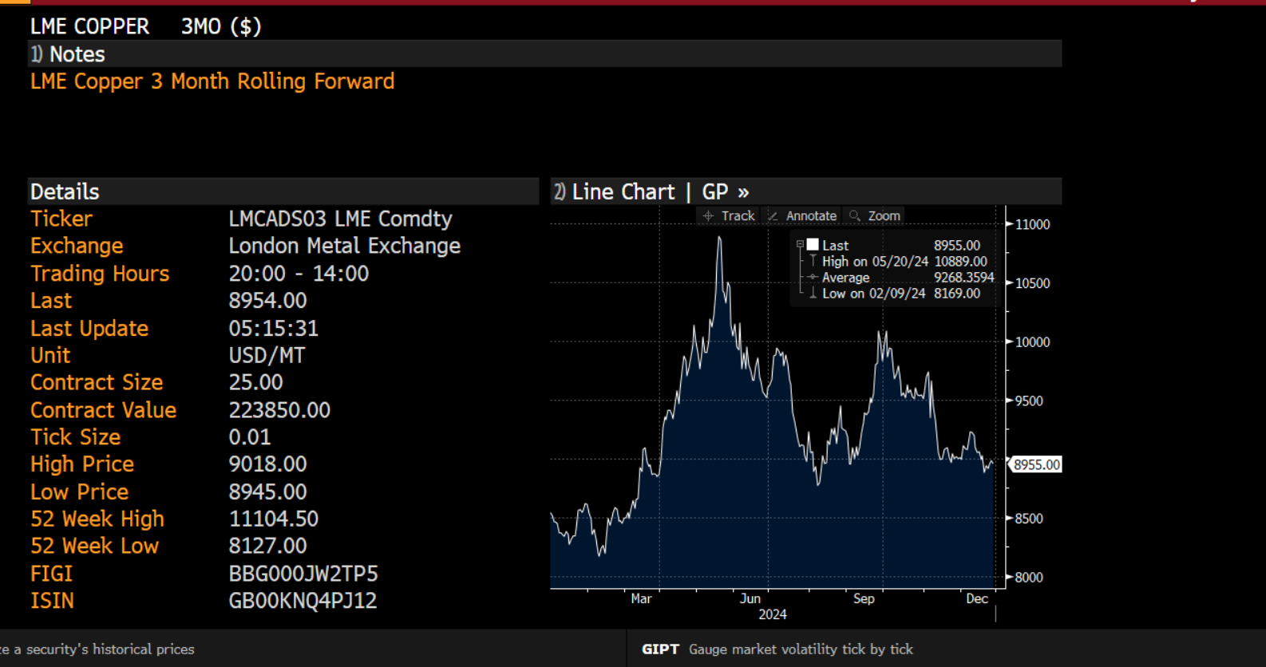

nickel
Date | Last | ret
2024-01-02 | 16574
2024-01-03 | 16409 | -0.010005237634
2024-01-04 | 16064 | -0.021249221284
2024-01-05 | 16372 | 0.018991815121
2024-01-08 | 16303 | -0.0042234186726
 | ret
 | -0.010005237634
 | -0.021249221284
 | 0.018991815121
 | -0.0042234186726
 | -0.00098189636609
 | 0.0086808223328
 | -0.00054796189992
 | -0.0047004329134
 | -0.0076779345886
 | -0.0042016868537
 | -0.0044059769064
 | 0.0047774249389
 | -0.0074553029209
 | -0.0018100682157
 | 0.018507011676
 | 0.020756950851
 | 0.0031785087781
 | 0.0050170325625
 | -0.020829069905
 | 0.004188551363
 | -0.014583655363
 | -0.0024000750005
 | 0.00030802402831
 | -0.013331463915
 | -0.0058221593706
 | 0.0053226588607
 | -0.00031231456577
 | -0.0053871340507
 | 0.0074466099245
 | 0.013684000405
 | 0.0052136162504
 | -0.0053981237696
 | 0.006009707178
 | -0.00042806910912
 | -0.0001223391242
 | 0.035042801876
 | 0.026923134234
 | 0.0059047954408
 | -0.018809693725
 | 0.016807118316
 | 0.0080431682004
 | 0.016621505576
 | -0.013161785141
 | 0.015896085553
 | -0.010419094927
 | -0.0023677990542
 | 0.014902236565
 | 0.0015558151719
 | 0.020117200358
...
2024-01-09 | 16287 | -0.00098189636609
2024-01-10 | 16429 | 0.0086808223328
2024-01-11 | 16420 | -0.00054796189992
2024-01-12 | 16343 | -0.0047004329134
2024-01-15 | 16218 | -0.0076779345886
2024-01-16 | 16150 | -0.0042016868537
2024-01-17 | 16079 | -0.0044059769064
2024-01-18 | 16156 | 0.0047774249389
2024-01-19 | 16036 | -0.0074553029209
2024-01-22 | 16007 | -0.0018100682157
2024-01-23 | 16306 | 0.018507011676
2024-01-24 | 16648 | 0.020756950851
2024-01-25 | 16701 | 0.0031785087781
2024-01-26 | 16785 | 0.0050170325625
2024-01-29 | 16439 | -0.020829069905
2024-01-30 | 16508 | 0.004188551363
2024-01-31 | 16269 | -0.014583655363
2024-02-01 | 16230 | -0.0024000750005
2024-02-02 | 16235 | 0.00030802402831
2024-02-05 | 16020 | -0.013331463915
2024-02-06 | 15927 | -0.0058221593706
2024-02-07 | 16012 | 0.0053226588607
2024-02-08 | 16007 | -0.00031231456577
2024-02-09 | 15921 | -0.0053871340507
2024-02-12 | 16040 | 0.0074466099245
2024-02-13 | 16261 | 0.013684000405
2024-02-14 | 16346 | 0.0052136162504
2024-02-15 | 16258 | -0.0053981237696
2024-02-16 | 16356 | 0.006009707178
2024-02-19 | 16349 | -0.00042806910912
2024-02-20 | 16347 | -0.0001223391242
2024-02-21 | 16930 | 0.035042801876
2024-02-22 | 17392 | 0.026923134234
2024-02-23 | 17495 | 0.0059047954408
2024-02-26 | 17169 | -0.018809693725
2024-02-27 | 17460 | 0.016807118316
2024-02-28 | 17601 | 0.0080431682004
2024-02-29 | 17896 | 0.016621505576
2024-03-01 | 17662 | -0.013161785141
2024-03-04 | 17945 | 0.015896085553
2024-03-05 | 17759 | -0.010419094927
2024-03-06 | 17717 | -0.0023677990542
2024-03-07 | 17983 | 0.014902236565
2024-03-08 | 18011 | 0.0015558151719
2024-03-11 | 18377 | 0.020117200358
2024-03-12 | 18551 | 0.0094238132429
2024-03-13 | 18346 | -0.011112128869
2024-03-14 | 18077 | -0.014771155095
2024-03-15 | 18074 | -0.00016597051295
2024-03-18 | 17872 | -0.011239199153
2024-03-19 | 17395 | -0.027052433723
2024-03-20 | 17492 | 0.0055608249468
2024-03-21 | 17541 | 0.002797364311
2024-03-22 | 17242 | -0.017192730074
2024-03-25 | 16937 | -0.017847689879
2024-03-26 | 16640 | -0.017691142516
2024-03-27 | 16620 | -0.0012026459658
2024-03-28 | 16749 | 0.007731765569
2024-04-02 | 17030 | 0.016637939678
2024-04-03 | 17339 | 0.017981804888
2024-04-04 | 17711 | 0.021227615912
2024-04-05 | 17804 | 0.0052372356791
2024-04-08 | 17848 | 0.0024683059766
2024-04-09 | 18219 | 0.020573548453
2024-04-10 | 18364 | 0.0079272208034
2024-04-11 | 17811 | -0.03057598243
2024-04-12 | 17797 | -0.0007863401888
2024-04-15 | 17846 | 0.0027494897101
2024-04-16 | 17726 | -0.0067469051618
2024-04-17 | 18238 | 0.028474841195
2024-04-18 | 18559 | 0.017447517085
2024-04-19 | 19326 | 0.040496492981
2024-04-22 | 19739 | 0.021145034584
2024-04-23 | 19006 | -0.037841655372
2024-04-24 | 18945 | -0.0032146743186
2024-04-25 | 19157 | 0.011128139612
2024-04-26 | 19100 | -0.0029798490304
2024-04-29 | 19148 | 0.0025099364777
2024-04-30 | 19238 | 0.0046892182002
2024-05-01 | 18879 | -0.018837296518
2024-05-02 | 18648 | -0.012311291479
2024-05-03 | 19237 | 0.031096606191
2024-05-07 | 19256 | 0.00098719255673
2024-05-08 | 18885 | -0.019454744316
2024-05-09 | 19033 | 0.0078063585412
2024-05-10 | 18952 | -0.0042648478492
2024-05-13 | 19230 | 0.014562092744
2024-05-14 | 19075 | -0.0080929824302
2024-05-15 | 19489 | 0.021471626669
2024-05-16 | 19797 | 0.01568020723
2024-05-17 | 21080 | 0.062794312604
2024-05-20 | 21615 | 0.025062794446
2024-05-21 | 21304 | -0.014492669608
2024-05-22 | 20366 | -0.045028004762
2024-05-23 | 20084 | -0.013943365577
2024-05-24 | 20250 | 0.0082313153801
2024-05-28 | 20467 | 0.010659039445
2024-05-29 | 20490 | 0.0011231292535
2024-05-30 | 20063 | -0.021059639553
2024-05-31 | 19710 | -0.017751201533
2024-06-03 | 19422 | -0.014719676992
2024-06-04 | 19068 | -0.01839490683
2024-06-05 | 18288 | -0.04176643029
2024-06-06 | 18531 | 0.013199898329
2024-06-07 | 18031 | -0.027352506588
2024-06-10 | 17891 | -0.0077947056865
2024-06-11 | 17818 | -0.0040886108092
2024-06-12 | 18061 | 0.013545735143
2024-06-13 | 17645 | -0.023302460314
2024-06-14 | 17575 | -0.0039750194305
2024-06-17 | 17467 | -0.0061640512505
2024-06-18 | 17294 | -0.009953765908
2024-06-19 | 17372 | 0.0045000941343
2024-06-20 | 17424 | 0.002988851518
2024-06-21 | 17224 | -0.011544806129
2024-06-24 | 17325 | 0.0058467850139
2024-06-25 | 17167 | -0.0091616087872
2024-06-26 | 17056 | -0.0064868883054
2024-06-27 | 17103 | 0.0027518387341
2024-06-28 | 17291 | 0.010932248205
2024-07-01 | 17357 | 0.0038097483161
2024-07-02 | 17004 | -0.020547272742
2024-07-03 | 17323 | 0.0185864878
2024-07-04 | 17217 | -0.0061378305025
2024-07-05 | 17341 | 0.0071763720221
2024-07-08 | 17473 | 0.0075831925405
2024-07-09 | 17142 | -0.01912523988
2024-07-10 | 16891 | -0.014750656778
2024-07-11 | 16809 | -0.004866478447
2024-07-12 | 16856 | 0.0027922192506
2024-07-15 | 16701 | -0.0092380786324
2024-07-16 | 16594 | -0.0064274136274
2024-07-17 | 16457 | -0.0082902656288
2024-07-18 | 16423 | -0.0020681272578
2024-07-19 | 16256 | -0.010220719959
2024-07-22 | 16190 | -0.0040683037065
2024-07-23 | 16021 | -0.010493406025
2024-07-24 | 15827 | -0.012183019313
2024-07-25 | 15769 | -0.0036713549277
2024-07-26 | 15794 | 0.0015841336519
2024-07-29 | 15837 | 0.0027188534342
2024-07-30 | 16071 | 0.014667431057
2024-07-31 | 16604 | 0.032627224624
2024-08-01 | 16282 | -0.019583427039
2024-08-02 | 16273 | -0.00055291047331
2024-08-05 | 16276 | 0.00018433746097
2024-08-06 | 16385 | 0.0066746520113
2024-08-07 | 16296 | -0.0054466032263
2024-08-08 | 16143 | -0.0094331597491
2024-08-09 | 16150 | 0.00043353049327
2024-08-12 | 16355 | 0.012613611322
2024-08-13 | 16321 | -0.0020810388218
2024-08-14 | 16276 | -0.0027609920291
2024-08-15 | 16319 | 0.0026384430094
2024-08-16 | 16373 | 0.0033035635086
2024-08-19 | 16666 | 0.017737079303
2024-08-20 | 17035 | 0.021899335153
2024-08-21 | 16910 | -0.0073648882024
2024-08-22 | 16603 | -0.018321760985
2024-08-23 | 16758 | 0.0092923542654
2024-08-27 | 17136 | 0.022305757514
2024-08-28 | 17019 | -0.0068511466929
2024-08-29 | 17003 | -0.00094056793719
2024-08-30 | 16766 | -0.01403677286
2024-09-02 | 16625 | -0.0084454396737
2024-09-03 | 16462 | -0.0098528919915
2024-09-04 | 16214 | -0.015179627985
2024-09-05 | 16078 | -0.0084231886597
2024-09-06 | 15893 | -0.011573117191
2024-09-09 | 15903 | 0.0006290099591
2024-09-10 | 15741 | -0.010238997301
2024-09-11 | 16112 | 0.023295562604
2024-09-12 | 16136 | 0.0014884646757
2024-09-13 | 15944 | -0.011970217741
2024-09-16 | 16284 | 0.02110044773
2024-09-17 | 16188 | -0.0059128036271
2024-09-18 | 16233 | 0.0027759803151
2024-09-19 | 16333 | 0.0061413937423
2024-09-20 | 16510 | 0.010778656861
2024-09-23 | 16544 | 0.002057240394
2024-09-24 | 16710 | 0.0099838442813
2024-09-25 | 16796 | 0.0051334202146
2024-09-26 | 16745 | -0.0030410565758
2024-09-27 | 16996 | 0.014878316006
2024-09-30 | 17514 | 0.030022538847
2024-10-01 | 17711 | 0.011185354374
2024-10-02 | 18153 | 0.024649920834
2024-10-03 | 17589 | -0.031562129658
2024-10-04 | 17992 | 0.022653508007
2024-10-07 | 18052 | 0.0033292673077
2024-10-08 | 17776 | -0.015407249067
2024-10-09 | 17371 | -0.023047083777
2024-10-10 | 17541 | 0.0097388487419
2024-10-11 | 17864 | 0.018246516676
2024-10-14 | 17670 | -0.010919228206
2024-10-15 | 17424 | -0.014019720141
2024-10-16 | 17279 | -0.0083566748596
2024-10-17 | 17005 | -0.015984472872
2024-10-18 | 16897 | -0.0063713270806
2024-10-21 | 16705 | -0.01142801557
2024-10-22 | 16316 | -0.023561854353
2024-10-23 | 16308 | -0.0004904364983
2024-10-24 | 16295 | -0.00079747266748
2024-10-25 | 16167 | -0.0078861846701
2024-10-28 | 16015 | -0.0094463445583
2024-10-29 | 15873 | -0.008906230471
2024-10-30 | 15816 | -0.0035974667218
2024-10-31 | 15718 | -0.0062155334243
2024-11-01 | 15944 | 0.014276030467
2024-11-04 | 16007 | 0.0039435436541
2024-11-05 | 16123 | 0.007220697417
2024-11-06 | 16127 | 0.00024806201678
2024-11-07 | 16587 | 0.028124370026
2024-11-08 | 16397 | -0.011520864756
2024-11-11 | 16108 | -0.017782348279
2024-11-12 | 15897 | -0.01318563081
2024-11-13 | 15730 | -0.010560695109
2024-11-14 | 15619 | -0.0070815951946
2024-11-15 | 15540 | -0.0050707769361
2024-11-18 | 15729 | 0.012088797319
2024-11-19 | 15866 | 0.0086723126213
2024-11-20 | 15906 | 0.0025179416551
2024-11-21 | 15714 | -0.012144361781
2024-11-22 | 15970 | 0.016159927473
2024-11-25 | 16203 | 0.014484448052
2024-11-26 | 15996 | -0.012857719294
2024-11-27 | 15883 | -0.0070893361316
2024-11-28 | 16064 | 0.011331388656
2024-11-29 | 15903 | -0.010072972836
2024-12-02 | 15693 | -0.013293017617
2024-12-03 | 16015 | 0.020311030005
2024-12-04 | 16107 | 0.0057281770474
2024-12-05 | 15974 | -0.0082915596133
2024-12-06 | 16047 | 0.004559515722
2024-12-09 | 15996 | -0.0031832252327
2024-12-10 | 15715 | -0.017723020735
2024-12-11 | 15858 | 0.0090584346007
2024-12-12 | 16168 | 0.019359875251
2024-12-13 | 15862 | -0.01910766844
2024-12-16 | 15708 | -0.0097561749454
2024-12-17 | 15503 | -0.013136583132
2024-12-18 | 15508 | 0.00032246622446
2024-12-19 | 15113 | -0.025800719221
2024-12-20 | 15356 | 0.015950976551
2024-12-23 | 15292 | -0.0041764613044
2024-12-24 | 15477 | 0.012025235096
2024-12-27 | 15311 | -0.010783526608
2024-12-30 | 15640 | 0.021260210794

screen_nickel
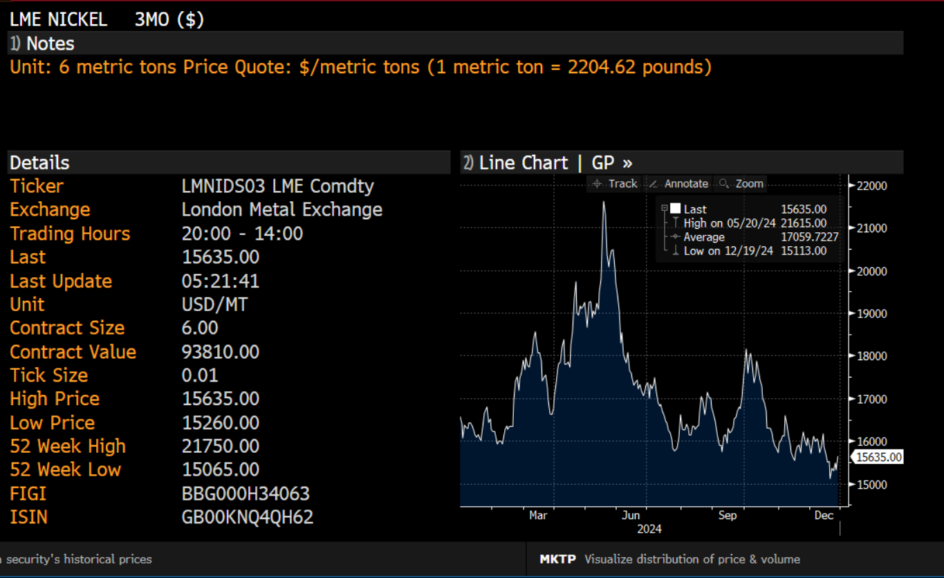

screen_cob
