Docker
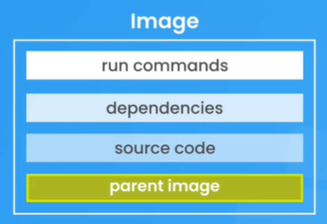
Docker
Image
Images are made up from several "layers"

Dependencies:
Source code:
Parent image: | Includes the OS & sometimes the runtime enviroment

docker pull node

Docker file | Dockerfile
FROM | ver |  | open terminal in folder
WORKDIR | /app |  | docker build -t name .
COPY | . | .
RUN | npm install
EXPOSE | 4000
CMD | ["node", "app.js"]
Docker ignore | .dockerignore
node_modules
*.md

Layer Caching

