AJAX
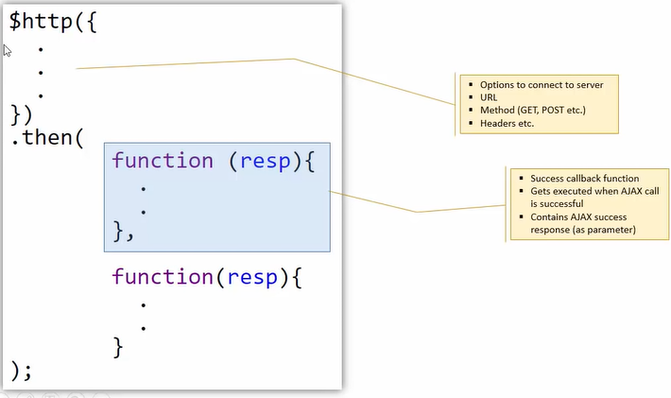
AJAX |  | The ways to communicate to Server
• | $http | (built-in Angular service)
• | jQuery ajax | (using $.ajax, $.get, $.post . . .)
• | Any JS library which supports AJAX

