Angular
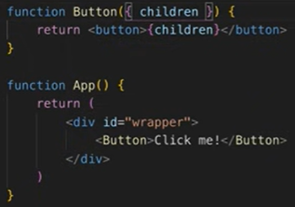
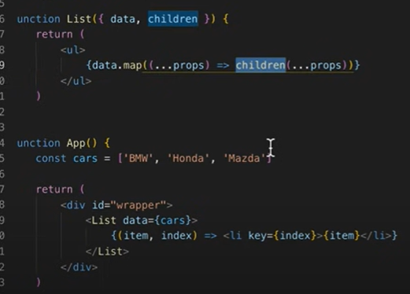
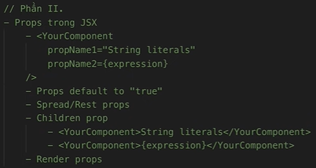
Angular
npx create-react-app my-app

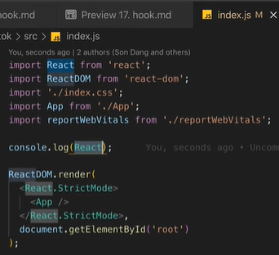
ES6+
Arrow function | const print = (mess) => { console.log(mess) }
 | const print = mess => console.log(mess)
 | const sum = (a,b) => a + b;
 | const object = (a,b) => ({a: a, b: b})
 | → Không có context (this) / Không thể tạo constructor
Enhanced object literals | • Định nghĩa key: value cho object
 | var course = { name, price }; |  | var name = 'Alice' | var price = 1000
 | • Định nghĩa method cho object
 | getName() { return name; } |  | // Không cần từ khóa function
 | • Định nghĩ key cho object dưới dạng biến
 | var course = { [name]: 'Alice', [price]: 1000 } |  | var name = 'Alice' | var price = 1000
Rest, Destructuring, Spread | logger({name: 'JS', price: 1000, description: 'des'});
 | logger([1,2,3,4,5]);
 | function logger(a, b, …params) {}
 | function logger([a,b,…rest]) {}
 | function logger({name, price, …rest}) {}
 | array3 = [1,2, …array2, …array1]
 | var object3 = { …object1, …object2 }
JS modules | <script type="module" src="./app.js"></script>
 | import logger from './logger.js' |  | (import default)
 | import logger, {PI, ABC} from './logger.js'
 | import {PI} from './constants.js'
 | import * as constants from './constants,js'
 | export default logger; |  | (export default) | (tối đa 1 default)
 | export const PI = 3.14;

 | Folder logger | import logger from './logger/index.js'
 | index.js | export { default } from './logger.js' |  | import logger from ''; export default logger;
 | logger.js

 | Folder logger | import {logger2} from './logger/index.js'
 | index.js | export { default as logger2 } from './logger.js'
 | logger.js

React / ReactDOM
document.creatElement() | const h1 = document.createElement('h1')
 | h1.title = 'Hello'
 | h1.className = 'heading'
 | h1.innerText = 'Hello world!'
 | Object.assign(h1.style, {});
 | document.body.appendChild(h1)
React.createElement() | React.createElement(type, props, children, . . .)
 | const h1 = React.createElement(
 | 'h1',
 | { title: 'Hello', className: 'heading' },
 | 'Hello word!'
 | ) ;
React DOM | ReactDOM.render(element, container, callback)
 | const root = document.getElementById('root') |  | 17
 | ReactDOM.render(h1, root)

 | const rt = ReactDOM.createRoot(root) |  | 18
 | rt.render(h1)
JSX, Components, Props
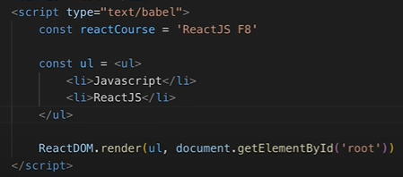
JSX

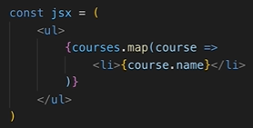
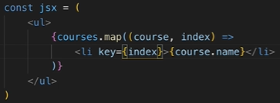
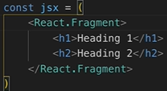
JSX render Arrays

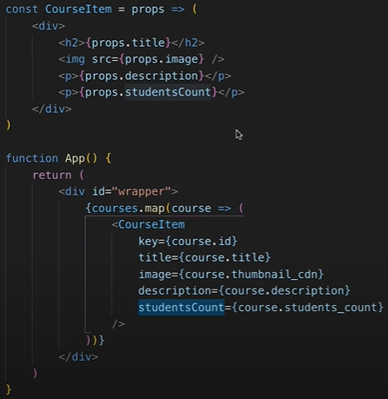

React Element Types

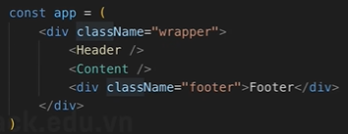

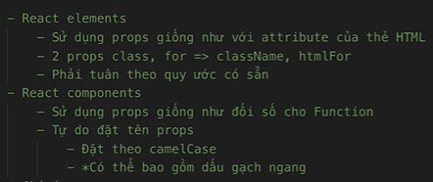
Props

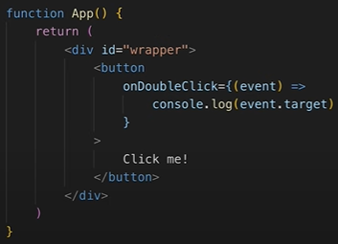
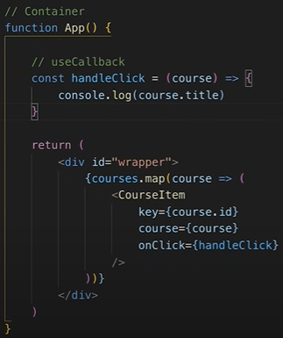
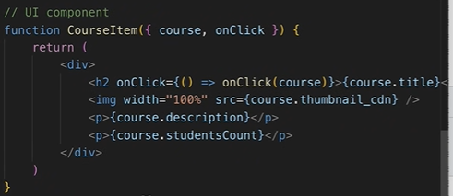
 |  |  |  |  | →
JSX - DOM events

 |  |  |  |  | Không care tầng ↑

 |  | Care performent tầng →

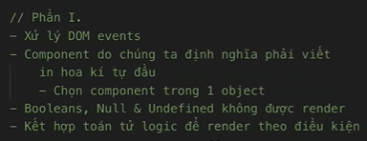
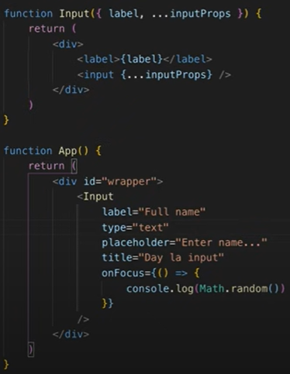
JSX - Components linh hoạt |  |  |  |  |  | children | render prop

