NMS - IOS
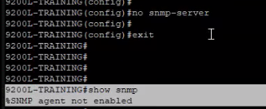
show run | inc snmp |  |  |  |  |  |  |  | show run | sec snmp
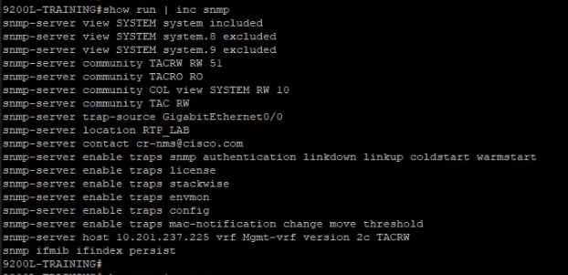
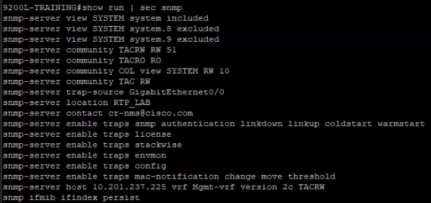

Access list | rangos
De 1 a 99
1300-1399
 | Show ip socket
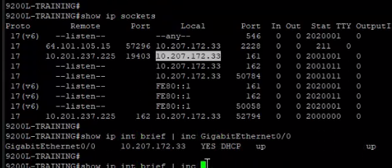
 |  |  |  |  |  |  | From a switch
 |  |  |  |  |  |  | Remote: Prime
 |  |  |  |  |  |  | Local: Switch

show run | sec snmp-server view |  |  |  |  |  |  | Show snmp
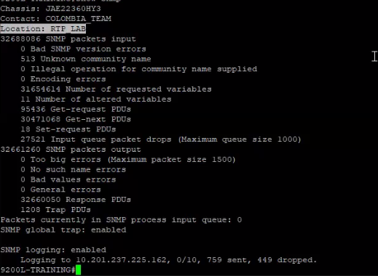

snmpwalk: Get all OIDS under tree

snmpget: Get OID 1 by 1

Create community called "cisco", Read only and using access list 11

iso included -> permit everything, exclude .8 and .9

show snmp user |  |  | show snmp |  | ---> revisar trafico
show snmp group
debug snmp packets
debug snmp headers

config
logging console 7

undebug all |  | -> | Disable debugs

SNMPv3 User:
2 niveles de seguridad que son authNoPriv y authPriv
authNoPriv son usuarios que necesitan password ya sea con auntenticacion MD5 o SHA.
authPriv son usuarios que necesitan autenticacion MD5 o SHA y encriptacion o privacidad AES-128, ambos con password.
SNMP Group:
Necesita solamente 2 niveles de seguridad.
auth: significa que el grupo requiere usuarios tipo authNoPriv
priv: significa que el grupo requiere usuarios tipo authPriv.

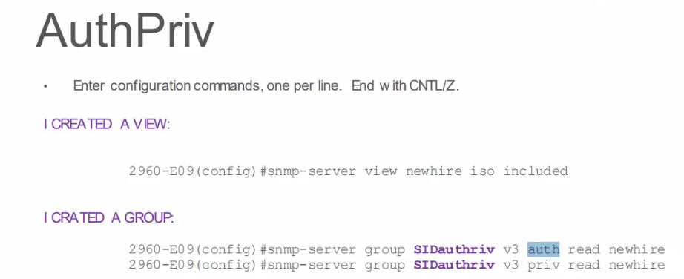

 |  |  |  |  |  |  | auth read newhire -> deprecated

Delete groups:

No snmp-server group GROUPNAME v1

show process cpu sorted | inc SNMP |  |  |  | -> switch |  |  |  | show process cpu sorted | exc 0.00

 |  |  |  |  |  | show process cpu sorted | inc SNMP ENGINE

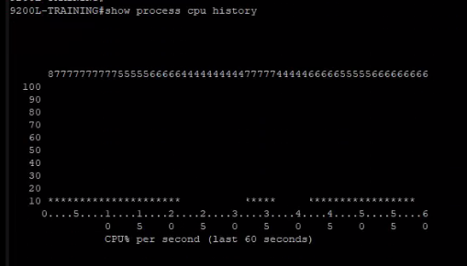
show process cpu history
 |  |  |  |  |  |  |  | show stacks 494 | ---> Use the PID of the process you want to check

Reload SNMP on switch
No snmp-server
show snmp |  | -> Review that it is indeed disabled

