Task 2
First Year Grades 2025
Student name | English | Mathematics | Science | Average | Highest score
John | 80 | 75 | 90 | 82 | 90
Thomas | 90 | 50 | 70 | 70 | 90
Sarah | 75 | 85 | 85 | 82 | 85
Mary | 85 | 75 | 80 | 80 | 85
Carol | 55 | 80 | 60 | 65 | 80
Harry | 65 | 80 | 70 | 72 | 80
Linda | 80 | 70 | 80 | 77 | 80
Edward | 80 | 70 | 80 | 77 | 80
Ted | 55 | 70 | 65 | 63 | 70
Khan | 55 | 30 | 65 | 50 | 65

Task
1) Apply filter and sorting to show the best students in each subject.
2) Calculate the average for all students and fill into Column E. (Use formula)
3) Using the =MAX fucntion, tell me what the students highest score was in column F.
4) Apply filter and sorting to show the best student in this classroom by average.
5) Apply filter and sorting to show the best student in this classroom by highest score.
6) Use conditional formatting to clearly identify the highest and lowest average scores

Sheet1
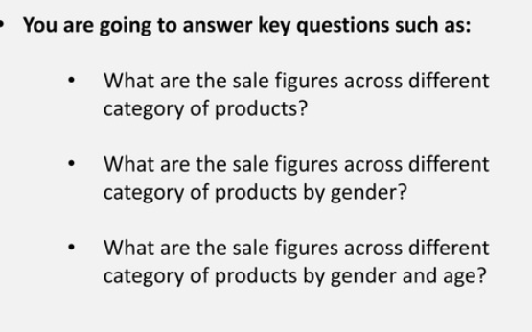
Sum of Total Sales | Generation
Product Category | Adult | Senior | Young Adult | Grand Total
Beauty | 63720 | 34085 | 45710 | 143515
Clothing | 59840 | 47070 | 48670 | 155580
Electronics | 56340 | 62000 | 38565 | 156905
Grand Total | 179900 | 143155 | 132945 | 456000

