Aileron RAW
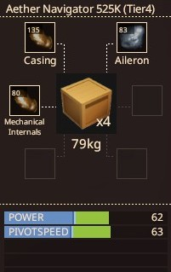
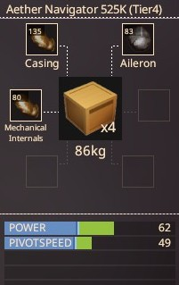
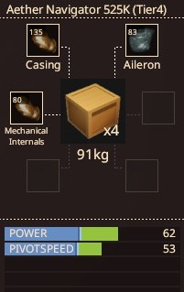
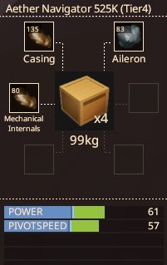
Wing |  | Casing: | Bronze | Casing: | Bronze | Casing: | Bronze | Casing: | Bronze
Materials: |  | Aileron: | Aluminium | Aileron: | Iron | Aileron: | Nickel | Aileron: | Lead
Casing: | 135 | Mechanical Internals: | Bronze | Mechanical Internals: | Bronze | Mechanical Internals: | Bronze | Mechanical Internals: | Bronze
Aileron | 83
Mechanical Internals: | 80 | Power: | 62 | Power: | 62 | Power: | 62 | Power: | 61
 |  | Pivot Speed: | 63 | Pivot Speed: | 49 | Pivot Speed: | 53 | Pivot Speed: | 57
Base Stats |  | Weight: | 15 kg | Weight: | 22 kg | Weight: | 27 kg | Weight: | 35 kg
Resilience: | 25
Power: | 41
Pivot Speed: | 40

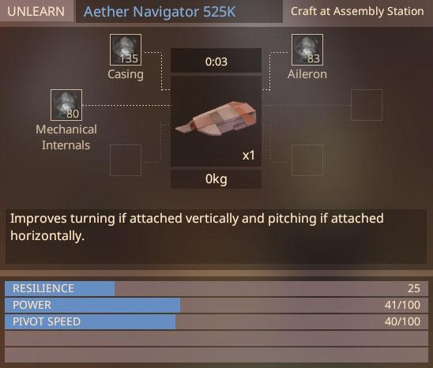

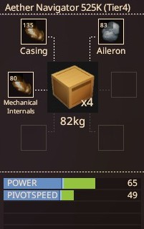
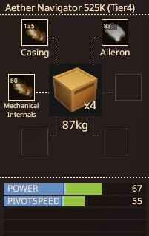
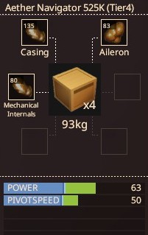
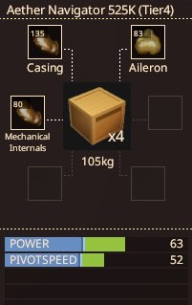
 |  | Casing: | Bronze | Casing: | Bronze | Casing: | Bronze | Casing: | Bronze
 |  | Aileron: | Titanium | Aileron: | Steel | Aileron: | Copper | Aileron: | Gold
 |  | Mechanical Internals: | Bronze | Mechanical Internals: | Bronze | Mechanical Internals: | Bronze | Mechanical Internals: | Bronze

 |  | Power: | 65 | Power: | 67 | Power: | 63 | Power: | 63
 |  | Pivot Speed: | 49 | Pivot Speed: | 55 | Pivot Speed: | 50 | Pivot Speed: | 52
 |  | Weight: | 18 kg | Weight: | 23 kg | Weight: | 29 kg | Weight: | 41 kg

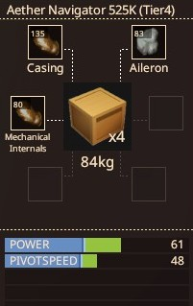
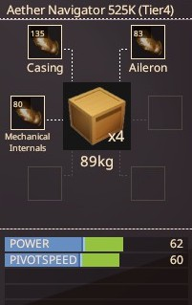
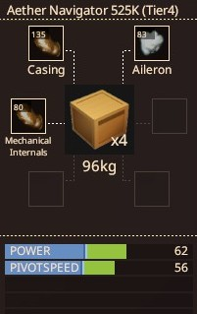
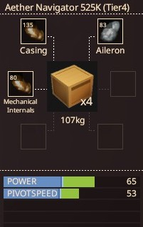
 |  | Casing: | Bronze | Casing: | Bronze | Casing: | Bronze | Casing: | Bronze
 |  | Aileron: | Tin | Aileron: | Bronze | Aileron: | Silver | Aileron: | Tungsten
 |  | Mechanical Internals: | Bronze | Mechanical Internals: | Bronze | Mechanical Internals: | Bronze | Mechanical Internals: | Bronze

 |  | Power: | 61 | Power: | 62 | Power: | 62 | Power: | 65
 |  | Pivot Speed: | 48 | Pivot Speed: | 60 | Pivot Speed: | 56 | Pivot Speed: | 53
 |  | Weight: | 20 kg | Weight: | 25 kg | Weight: | 32 kg | Weight: | 43 kg

Mechanical Internals RAW
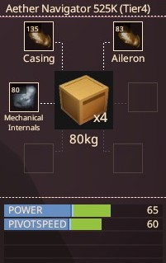
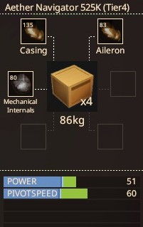
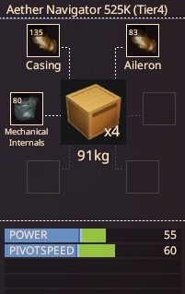
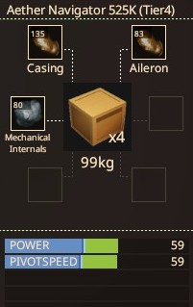
Wing |  | Casing: | Bronze | Casing: | Bronze | Casing: | Bronze | Casing: | Bronze
Materials: |  | Aileron: | Bronze | Aileron: | Bronze | Aileron: | Bronze | Aileron: | Bronze
Casing: | 135 | Mechanical Internals: | Aluminium | Mechanical Internals: | Iron | Mechanical Internals: | Nickel | Mechanical Internals: | Lead
Aileron | 83
Mechanical Internals: | 80 | Power: | 65 | Power: | 51 | Power: | 55 | Power: | 59
 |  | Pivot Speed: | 60 | Pivot Speed: | 60 | Pivot Speed: | 60 | Pivot Speed: | 59
Base Stats |  | Weight: | 14 kg | Weight: | 21 kg | Weight: | 26 kg | Weight: | 34 kg
Resilience: | 25
Power: | 41
Pivot Speed: | 40

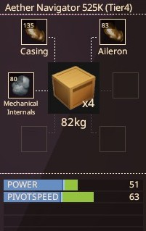
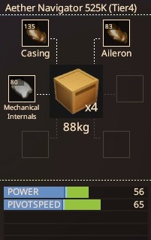
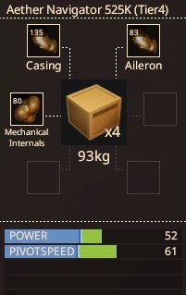
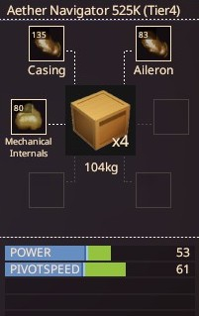
 |  | Casing: | Bronze | Casing: | Bronze | Casing: | Bronze | Casing: | Bronze
 |  | Aileron: | Bronze | Aileron: | Bronze | Aileron: | Bronze | Aileron: | Bronze
 |  | Mechanical Internals: | Titanium | Mechanical Internals: | Steel | Mechanical Internals: | Copper | Mechanical Internals: | Gold

 |  | Power: | 51 | Power: | 56 | Power: | 52 | Power: | 53
 |  | Pivot Speed: | 63 | Pivot Speed: | 65 | Pivot Speed: | 61 | Pivot Speed: | 61
 |  | Weight: | 17 kg | Weight: | 22 kg | Weight: | 28 kg | Weight: | 40 kg

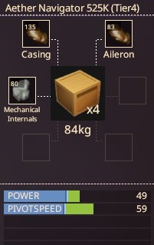
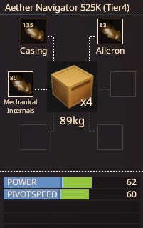
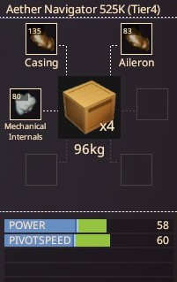
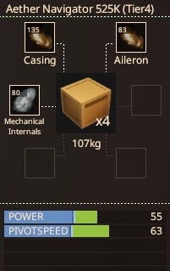
 |  | Casing: | Bronze | Casing: | Bronze | Casing: | Bronze | Casing: | Bronze
 |  | Aileron: | Bronze | Aileron: | Bronze | Aileron: | Bronze | Aileron: | Bronze
 |  | Mechanical Internals: | Tin | Mechanical Internals: | Bronze | Mechanical Internals: | Silver | Mechanical Internals: | Tungsten

 |  | Power: | 49 | Power: | 62 | Power: | 58 | Power: | 55
 |  | Pivot Speed: | 59 | Pivot Speed: | 60 | Pivot Speed: | 60 | Pivot Speed: | 63
 |  | Weight: | 19 kg | Weight: | 24 kg | Weight: | 31 kg | Weight: | 42 kg

