Combustion Internals RAW
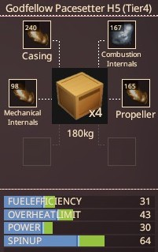
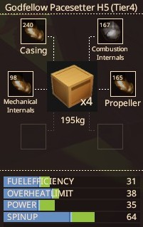
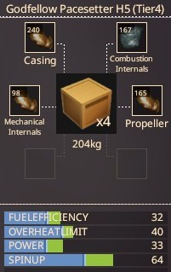
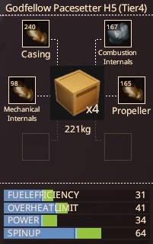
Engine |  | Casing: | Bronze | Casing: | Bronze | Casing: | Bronze | Casing: | Bronze
Materials: |  | Combustion Internals: | Aluminium | Combustion Internals: | Iron | Combustion Internals: | Nickel | Combustion Internals: | Lead
Casing: | 240 | Mechanical Internals: | Bronze | Mechanical Internals: | Bronze | Mechanical Internals: | Bronze | Mechanical Internals: | Bronze
Combustion Internals: | 167 | Propeller: | Bronze | Propeller: | Bronze | Propeller: | Bronze | Propeller: | Bronze
Mechanical Internals: | 98
Propeller: | 165 | Fuel Efficiency: | 31 | Fuel Efficiency: | 31 | Fuel Efficiency: | 32 | Fuel Efficiency: | 31
 |  | Overheat Limit: | 43 | Overheat Limit: | 38 | Overheat Limit: | 40 | Overheat Limit: | 41
Base Stats |  | Power: | 30 | Power: | 35 | Power: | 33 | Power: | 34
Resilience: | 47 | Weight: | 30 kg | Weight: | 45 kg | Weight: | 54 kg | Weight: | 71 kg
Fuel Efficiency: | 24
Overheat Limit: | 34
Power: | 24
Spin Up: | 47
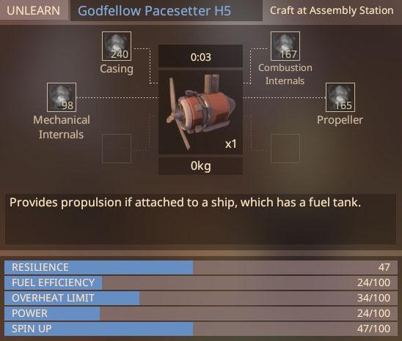

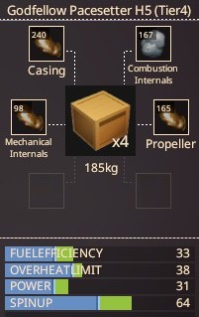
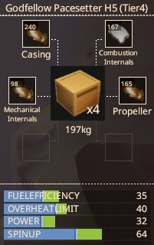
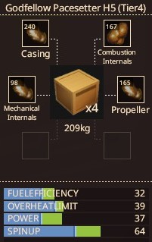
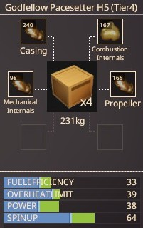
 |  | Casing: | Bronze | Casing: | Bronze | Casing: | Bronze | Casing: | Bronze
 |  | Combustion Internals: | Titanium | Combustion Internals: | Steel | Combustion Internals: | Copper | Combustion Internals: | Gold
 |  | Mechanical Internals: | Bronze | Mechanical Internals: | Bronze | Mechanical Internals: | Bronze | Mechanical Internals: | Bronze
 |  | Propeller: | Bronze | Propeller: | Bronze | Propeller: | Bronze | Propeller: | Bronze

 |  | Fuel Efficiency: | 33 | Fuel Efficiency: | 35 | Fuel Efficiency: | 32 | Fuel Efficiency: | 33
 |  | Overheat Limit: | 38 | Overheat Limit: | 40 | Overheat Limit: | 39 | Overheat Limit: | 39
 |  | Power: | 31 | Power: | 32 | Power: | 37 | Power: | 38
 |  | Weight: | 35 kg | Weight: | 47 kg | Weight: | 59 kg | Weight: | 81 kg

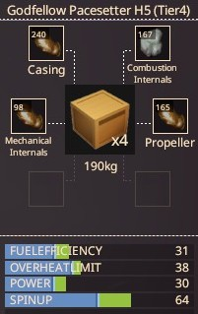
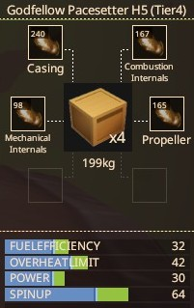
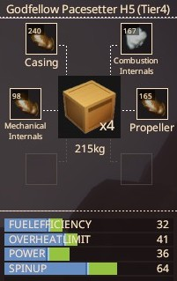
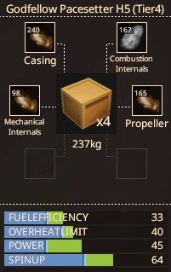
 |  | Casing: | Bronze | Casing: | Bronze | Casing: | Bronze | Casing: | Bronze
 |  | Combustion Internals: | Tin | Combustion Internals: | Bronze | Combustion Internals: | Silver | Combustion Internals: | Tungsten
 |  | Mechanical Internals: | Bronze | Mechanical Internals: | Bronze | Mechanical Internals: | Bronze | Mechanical Internals: | Bronze
 |  | Propeller: | Bronze | Propeller: | Bronze | Propeller: | Bronze | Propeller: | Bronze

 |  | Fuel Efficiency: | 31 | Fuel Efficiency: | 32 | Fuel Efficiency: | 32 | Fuel Efficiency: | 33
 |  | Overheat Limit: | 38 | Overheat Limit: | 42 | Overheat Limit: | 41 | Overheat Limit: | 40
 |  | Power: | 30 | Power: | 30 | Power: | 36 | Power: | 45
 |  | Weight: | 40 kg | Weight: | 49 kg | Weight: | 65 kg | Weight: | 87 kg

Mechanical Internals RAW
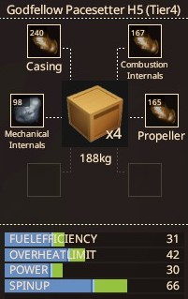
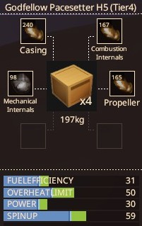
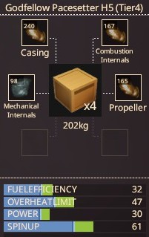
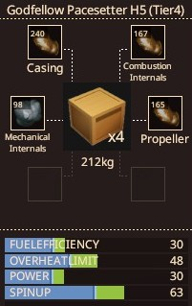
Engine |  | Casing: | Bronze | Casing: | Bronze | Casing: | Bronze | Casing: | Bronze
Materials: |  | Combustion Internals: | Bronze | Combustion Internals: | Bronze | Combustion Internals: | Bronze | Combustion Internals: | Bronze
Casing: | 240 | Mechanical Internals: | Aluminium | Mechanical Internals: | Iron | Mechanical Internals: | Nickel | Mechanical Internals: | Lead
Combustion Internals: | 167 | Propeller: | Bronze | Propeller: | Bronze | Propeller: | Bronze | Propeller: | Bronze
Mechanical Internals: | 98
Propeller: | 165 | Fuel Efficiency: | 31 | Fuel Efficiency: | 31 | Fuel Efficiency: | 32 | Fuel Efficiency: | 30
 |  | Overheat Limit: | 42 | Overheat Limit: | 50 | Overheat Limit: | 47 | Overheat Limit: | 48
Base Stats |  | Spin Up: | 66 | Spin Up: | 59 | Spin Up: | 61 | Spin Up: | 63
Resilience: | 47 | Weight: | 18 kg | Weight: | 27 kg | Weight: | 32 kg | Weight: | 42 kg
Fuel Efficiency: | 24
Overheat Limit: | 34
Power: | 24
Spin Up: | 47

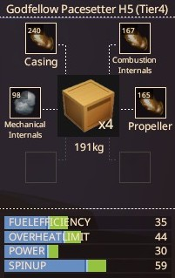
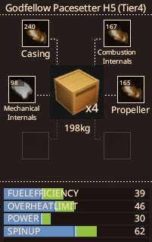
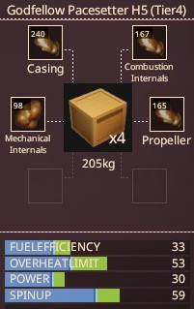
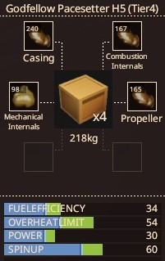
 |  | Casing: | Bronze | Casing: | Bronze | Casing: | Bronze | Casing: | Bronze
 |  | Combustion Internals: | Bronze | Combustion Internals: | Bronze | Combustion Internals: | Bronze | Combustion Internals: | Bronze
 |  | Mechanical Internals: | Titanium | Mechanical Internals: | Steel | Mechanical Internals: | Copper | Mechanical Internals: | Gold
 |  | Propeller: | Bronze | Propeller: | Bronze | Propeller: | Bronze | Propeller: | Bronze

 |  | Fuel Efficiency: | 35 | Fuel Efficiency: | 39 | Fuel Efficiency: | 33 | Fuel Efficiency: | 34
 |  | Overheat Limit: | 44 | Overheat Limit: | 46 | Overheat Limit: | 53 | Overheat Limit: | 54
 |  | Spin Up: | 59 | Spin Up: | 62 | Spin Up: | 59 | Spin Up: | 60
 |  | Weight: | 21 kg | Weight: | 28 kg | Weight: | 35 kg | Weight: | 48 kg

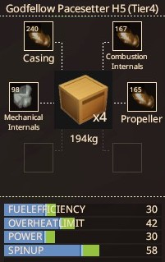
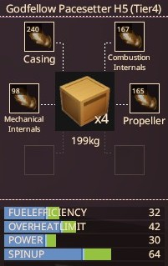
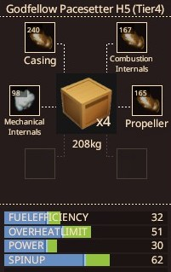
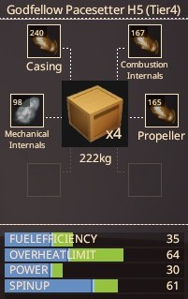
 |  | Casing: | Bronze | Casing: | Bronze | Casing: | Bronze | Casing: | Bronze
 |  | Combustion Internals: | Bronze | Combustion Internals: | Bronze | Combustion Internals: | Bronze | Combustion Internals: | Bronze
 |  | Mechanical Internals: | Tin | Mechanical Internals: | Bronze | Mechanical Internals: | Silver | Mechanical Internals: | Tungsten
 |  | Propeller: | Bronze | Propeller: | Bronze | Propeller: | Bronze | Propeller: | Bronze

 |  | Fuel Efficiency: | 30 | Fuel Efficiency: | 32 | Fuel Efficiency: | 32 | Fuel Efficiency: | 35
 |  | Overheat Limit: | 42 | Overheat Limit: | 42 | Overheat Limit: | 51 | Overheat Limit: | 64
 |  | Spin Up: | 58 | Spin Up: | 64 | Spin Up: | 62 | Spin Up: | 61
 |  | Weight: | 24 kg | Weight: | 29 kg | Weight: | 38 kg | Weight: | 52 kg

Propeller RAW
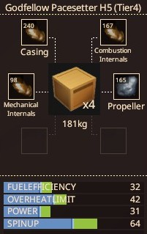
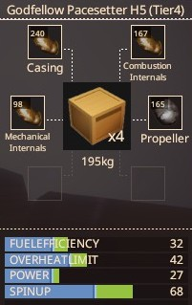
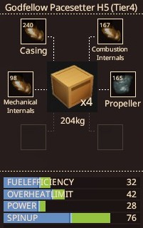
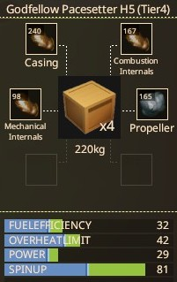
Engine |  | Casing: | Bronze | Casing: | Bronze | Casing: | Bronze | Casing: | Bronze
Materials: |  | Combustion Internals: | Bronze | Combustion Internals: | Bronze | Combustion Internals: | Bronze | Combustion Internals: | Bronze
Casing: | 240 | Mechanical Internals: | Bronze | Mechanical Internals: | Bronze | Mechanical Internals: | Bronze | Mechanical Internals: | Bronze
Combustion Internals: | 167 | Propeller: | Aluminium | Propeller: | Iron | Propeller: | Nickel | Propeller: | Lead
Mechanical Internals: | 98
Propeller: | 165 | Power: | 31 | Power: | 27 | Power: | 28 | Power: | 29
 |  | Spin Up: | 64 | Spin Up: | 68 | Spin Up: | 76 | Spin Up: | 81
Base Stats |  | Weight: | 31 kg | Weight: | 45 kg | Weight: | 54 kg | Weight: | 70 kg
Resilience: | 47
Fuel Efficiency: | 24
Overheat Limit: | 34
Power: | 24
Spin Up: | 47

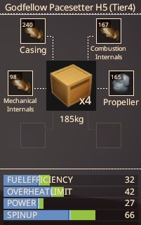
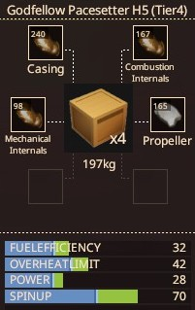
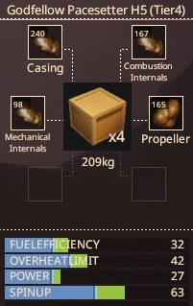
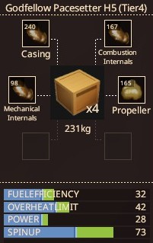
 |  | Casing: | Bronze | Casing: | Bronze | Casing: | Bronze | Casing: | Bronze
 |  | Combustion Internals: | Bronze | Combustion Internals: | Bronze | Combustion Internals: | Bronze | Combustion Internals: | Bronze
 |  | Mechanical Internals: | Bronze | Mechanical Internals: | Bronze | Mechanical Internals: | Bronze | Mechanical Internals: | Bronze
 |  | Propeller: | Titanium | Propeller: | Steel | Propeller: | Copper | Propeller: | Gold

 |  | Power: | 27 | Power: | 28 | Power: | 27 | Power: | 28
 |  | Spin Up: | 66 | Spin Up: | 70 | Spin Up: | 63 | Spin Up: | 73
 |  | Weight: | 35 kg | Weight: | 47 kg | Weight: | 59 kg | Weight: | 81 kg

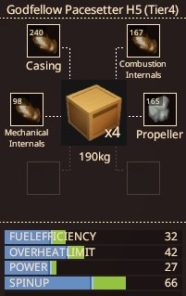
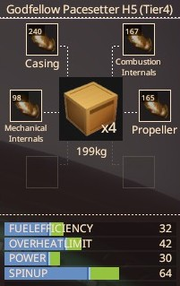

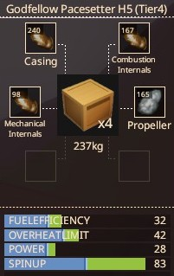
 |  | Casing: | Bronze | Casing: | Bronze | Casing: | Bronze | Casing: | Bronze
 |  | Combustion Internals: | Bronze | Combustion Internals: | Bronze | Combustion Internals: | Bronze | Combustion Internals: | Bronze
 |  | Mechanical Internals: | Bronze | Mechanical Internals: | Bronze | Mechanical Internals: | Bronze | Mechanical Internals: | Bronze
 |  | Propeller: | Tin | Propeller: | Bronze | Propeller: | Silver | Propeller: | Tungsten

 |  | Power: | 27 | Power: | 30 | Power: | 29 | Power: | 28
 |  | Spin Up: | 66 | Spin Up: | 64 | Spin Up: | 70 | Spin Up: | 83
 |  | Weight: | 40 kg | Weight: | 49 kg | Weight: | 65 kg | Weight: | 87 kg

