Sheet1
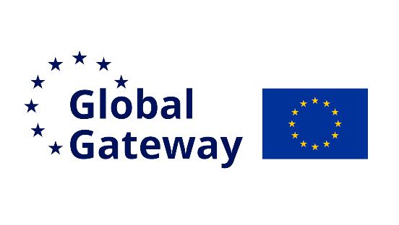 |  | NaturAfrica |  |  |  | 26-Gashaka-Faro-Bouba-Ndji-da-Binder
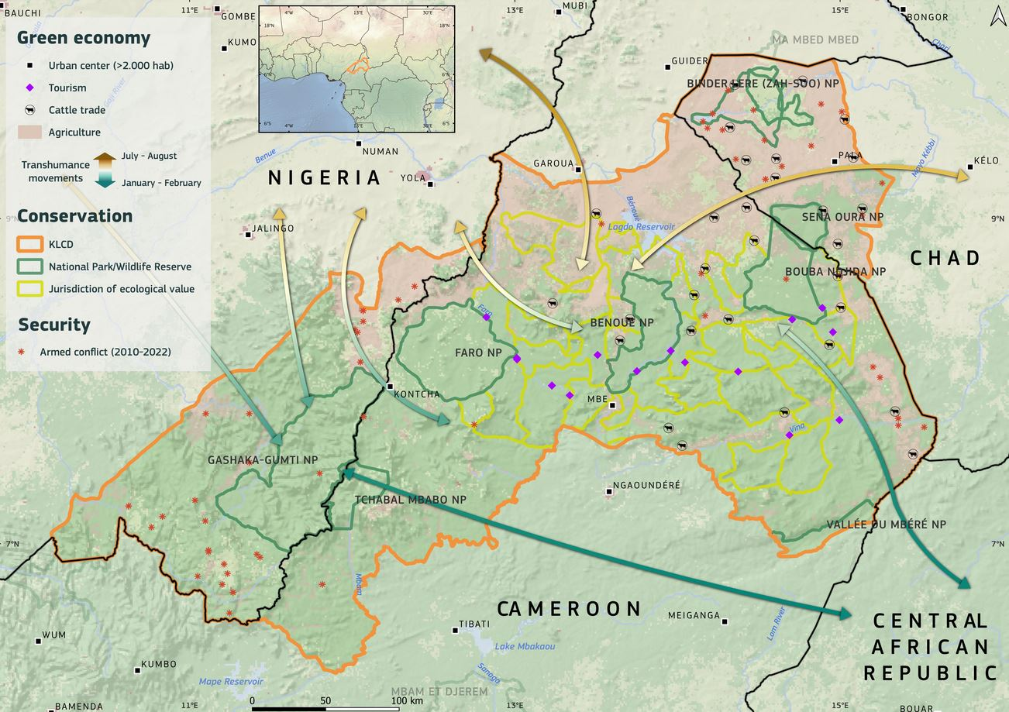
# projects by NaturAfrica pillar
Conservation | 5
Green Economy | 8
Governance | 3
 | Starting date | Implementation phase
Bénoué | 44911 | 2764
Tchabal-Mbabo (Nigeria) | 45495 | 1461
CaSeVe conservation | 44917 | 1825
CaSeVe agro-pasotralism | 45094 | 1643
CaSeVe governance | 45106 | 1826
ECONORCAM | 44197 | 1460
RESINOC | 44098 | 1460
INNOVAC | 44554 | 1460
ABC-PADER | 43864 | 1827

# projects by funding source
EU - Global | 3
EU - Regional | 3
EU - National | 4
DE - KfW | 1
DE- BMZ | 1
# projects by NaturAfrica domain of intervention
C - Anti-poaching | 1
C - CPA management | 4
C - Restoration | 1
E - Sustainable agriculture, pastoralism, forestry, fischeries | 9
E - Circular economy | 3
E - PES/NBS | 1
G - Land-use planing | 4
G - (Cross-border) particpatory governance | 2
G - Institutional capacity building | 1
G - Peace & Security | 1

 | Total funding (M€) : | 130.47
 |  |  |  |  |  |  |  |  | NaturAfrica Pillars
 | Contract title | Funding (M€) | Donor | Lead country | Scope | Starting date | Ending date | Operator | Conservation | Green Economy | Governance
 | Bénoué | 3 | EU-EU Delegation | Cameroon | KLCD | Dec-22 | Jul-30 | WCS, Associations | C1 - Patrolling and surveillance C2 - Community engagement and education C4 - Law enforcement training C6 - Legal and polycy advocacy | E13 - Sustainable livelihoods programmes E17 - Integrated land use planing E18 - Education and training programmes | G2 - Stakeholder engagement G3 - Capacity building G4 - Participatory planning G6 - Conflicts resolution mechanisms G10 - Community land rights
 | Gashaka-Gumti | 1.5 | EU-EU Delegation | Cameroon | KLCD | Jul-24 | Jul-28 | ANI
 | CaSeVe conservation | 7.75 | EU-EU Delegation | Cameroon | KLCD | Dec-22 | Dec-27 | AWF, Noé
 | CaSeVe agro-pasotralism | 7.75 | EU-EU Delegation | Cameroon | Provincial | Jun-23 | Dec-27 | AFD
 | CaSeVe governance | 4 | EU-EU Delegation | Cameroon | Provincial | Jun-23 | Jun-28 | CIFOR-ICRAF
 | ECONORCAM | 5.32 | EU-EU Delegation | Cameroon | Provincial | Jan-21 | Dec-24 | WCS
 | RESINOC | 2.5 | EU-EU Delegation | Cameroon | Regional | Sep-20 | Sep-24 | CIFOR-ICRAF
 | INNOVAC | 4.15 | EU-EU Delegation | Cameroon | Regional | Dec-21 | Dec-25 | CIFOR-ICRAF
 | ABC-PADER | 9.5 | EU-EU Delegation, DE-BMZ | Cameroon | KLCD | Feb-20 | Feb-25 | GIZ
 | BSB-Yamoussa | 11 | DE - KfW | Cameroon | KLCD |  |  | WCS, GIZ
 | Borderlands | 31.5 | EU-EU Delegation | Central African Republic | Regional | Sep-24 | Dec-27 | Concordis, HD, WCS, APN
 | PAIRIAC | 27 | EU-EU Delegation | Cameroon | Regional
 | PRADEP |  | EU-EU Delegation | Cameroon | Regional
 | ABC - SODECOTON | 15.5 | EU-EU Delegation, DE-BMZ | Cameroon | KLCD |  |  | GIZ
 | RealGNRS |  |  | Cameroon | Provincial
 | PROFEC | ? | DE-BMZ | Cameroon | Provincial | Jan-23 | Dec-24 | GIZ
 | ECHO |  | DE-BMZ | Cameroon | Provincial

