TypeDecoder
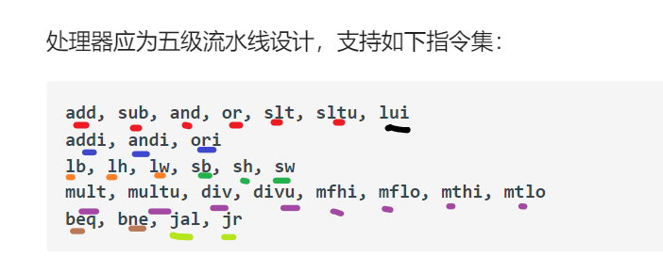
RRCal Type | Opcode/Funct | RICal Type | Opcode/Funct | LM Type | Opcode/Funct | EXPLANATION
ADD | 000000/100000 | ADDI | 001000 | LB | 100000 | RRCal: Register Register Calculation
SUB | 000000/100010 | ANDI | 001100 | LH | 100001 | RICal: Register Immediate Calculation
AND | 000000/100100 | ORI | 001101 | LW | 100011 | LM: Load Memory
OR | 000000/100101 | LUI(AUI) | 001111 |  |  | SM: Store Memory
SLT | 000000/101010 |  |  |  |  | MD: Multiplication Division
SLTU | 000000/101011 |  |  |  |  | B: Branch
 |  |  |  |  |  | J: Jump
 |  |  |  |  |  | JL: Jump Link | 1

SM Type | Opcode/Funct | MD Type | Opcode/Funct | B Type | Opcode/Funct
SB | 101000 | MULT | 000000/011000 | BEQ | 000100
SH | 101001 | MULTU | 000000/011001 | BNE | 000101
SW | 101011 | DIV | 000000/011010
 |  | DIVU | 000000/011011
 |  | MFHI | 000000/010000
 |  | MFLO | 000000/010010
 |  | MTHI | 000000/010001
 |  | MTLO | 000000/010011

J Type | Opcode/Funct | NOP | 0x00000000
JAL | 000011 | NOP | 0x00000000 | BGEZALREX | 111111
JR | 000000/001000
 |  |  |  | IFU加rt端口,改内部
 |  |  |  | 流水BGEZALR和Condition
 |  |  |  | 增加Flush
 |  |  |  | 改写入寄存器

