Shares & Dividend
Investment Performance = |  |  |  | Market Valuation - Value of Shares Issued + Value of Shares Repurchased + Dividends

 |  |  |  | (Share Price X Share Capital) - Value of Shares Issued + Value of Shares Repurchased + Dividends

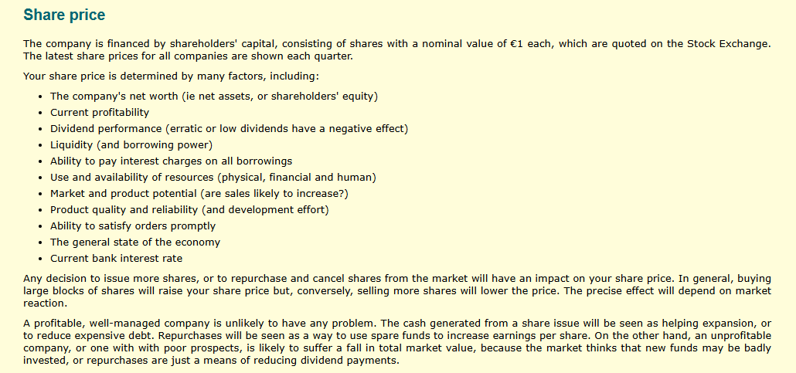

 |  |  |  |  |  |  | FY 2016 | FY 2017
Net Worth: Depends on 2 Variables - |  |  |  |  |  | Lowest Share Capital | 3600000 | 3960000
 | Share Premium Account |  |  |  |  | Share Capital | 4000000 | 4400000
 | Retained Earnings |  |  |  |  | Highest Share Capital | 4400000 | 4840000

 |  |  | 16Q1 | 16Q2 | 16Q3 | 16Q4 | 17Q1 | 17Q2
Issue / Repurchase |  |  | 0.00 | 0.00 | 0.00 | 400000.00 | -440000.00 | 880000.00
Share Price |  |  | 108.01 | 110.02 | 110.42 | 110.42 | 110.42 | 110.42
Value of Issue / Repurchase |  |  | 0.00 | 0.00 | 0.00 | 441680.00 | -485848.00 | 971696.00

Share Capital |  |  | 4000000.00 | 4000000.00 | 4000000.00 | 4400000.00 | 3960000.00 | 4840000.00

Share Premium |  |  | 0.00 | 0.00 | 0.00 | 41680.00 | -4168.00 | 87528.00

Share Capital (€): |  |  | 4000000.00
Face Value of each Share (€): |  |  | 1.00

No. of Share: |  |  | 4000000

Dividend Calculation:
 | 1% (1 cent per share) |  | 40000
 | 2% (2 cents per share) |  | 80000

 |  | 16Q1 | 16Q2 | 16Q3 | 16Q4 | 17Q1 | 17Q2
Prev. Tretained Earning |  | -147251.00 | -43916.00 | 69752.50 | 154787.85 | 172326.74 | 84326.74

Dividend % |  | 0.00 | 0.00 | 1.00 | 3.00 | 4.00 | 2.00
Dividend Amount |  | 0.00 | 0.00 | 40000.00 | 120000.00 | 160000.00 | 80000.00

Profit |  | 103335.00 | 113668.50 | 125035.35 | 137538.89 | 72000.00 | 125000.00
Quarter Retained Earnings |  | -43916.00 | 69752.50 | 154787.85 | 172326.74 | 84326.74 | 129326.74

Payments & Payables
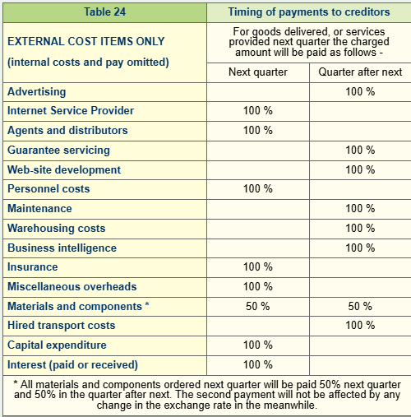
BALANCE SHEET | € | CASH FLOW STATEMENT | € | Trade Payables Last Qrt: |  |  |  | 254335

 |  |  |  |  |  |  | Next Quarter | Quarter after Next
Land | 50000 | Trading receipts | 1382395
Buildings | 250000 | Insurance receipts | 2135
Machinery | 1070870 | Trading payments | 1105914 | Advertising | 75000 |  | 0 | 75000
 |  | Net cash flow from operations | 278616 | Internet service provider | 12678 |  | 12678 | 0
Current assets: |  |  |  | Agents and distributors | 132430 |  | 132430 | 0
Component inventories | 0 | Interest received | 2875 | Guarantee servicing | 10890 |  | 0 | 10890
Trade receivables | 818125 | Assets purchased | 0 | Web-site development | 15000 |  | 0 | 15000
Cash and cash equivalents | 1976635 | Net cash flow from investing | 2875 | Personnel Costs | 362051 |  | 362051 | 0
Current assets | 2911910 |  |  | Machine maintenance | 6800 |  | 0 | 6800
Total assets | 4282780 | Financing activities: |  | Purchasing and warehousing | 8021 |  | 0 | 8021
 |  | Shares issued | 0 | Business intelligence | 7500 |  | 0 | 7500
Tax due | 0 | Dividends paid | 0 | Insurance premiums | 9153 |  | 9153 | 0
Bank overdraft | 0 | Interest paid | 0 | 0verheads | 102482 |  | 102482 | 0
Current liabilities | 326696 | Net cash flow from financing | 0 | Materials and Components | 340570 |  | 170285 | 170285
Term loans | 0 |  |  | Transport | 40700 |  | 0 | 40700
 |  |  |  | Interest | 0 |  | 0 | 0
 |  |  |  |  |  |  | 789079 | 334196

 |  |  |  | Trade Payments Next Qrt: |  | 1043414
 |  |  |  | Trade Payable Next Qrt: |  | 334196

