INTRO
TYPES OF RELATIONSHIPS:
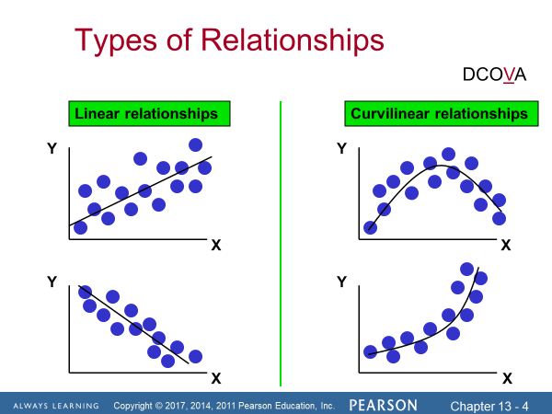
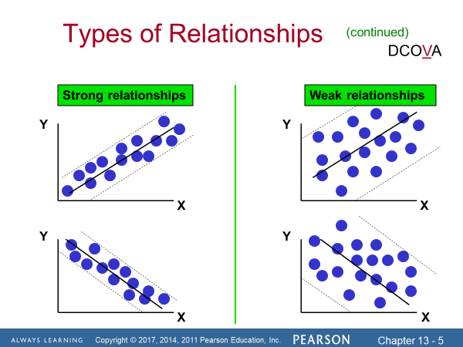

Linear association: we may have that as X values increase sp do the Y values (top graph) or as X values increase the Y values decrease.

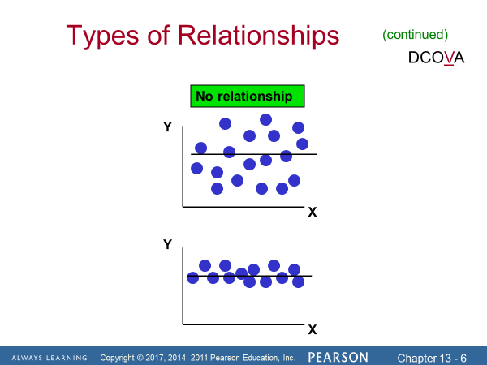
 | Correlation analysis is used to measure the strength of the association (linear relationship)
 | between two interval or ratio-scale variables.

 |  |  | Note:

 | Regression analysis is used to:
 | · Predict the value of a dependent variable based on the value of at least one independent variable.
 | · Explain the impact of changes in an independent variable on the dependent variable.
 | · Dependent variable: the variable we wish to predict or explain.
 | · Independent variable: the variable used to predict or explain the dependent variable.

 | Simple Linear Regression
 | · Only one independent variable, X.
 | · Relationship between X and Y is described by a linear function.
 | · | Changes in Y are assumed to be related to changes in X.

RegModel
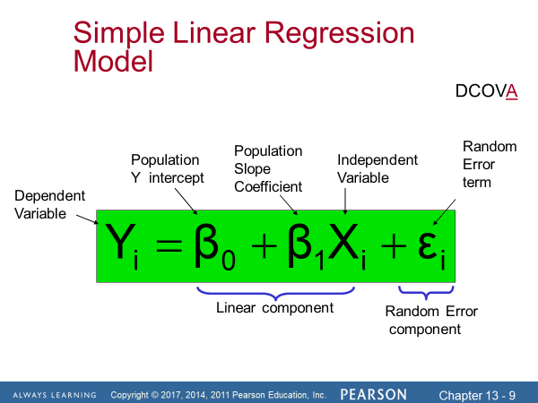
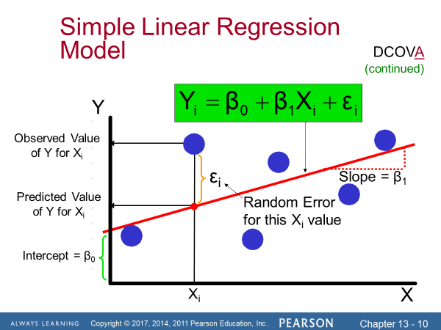
MODEL:
 |  |  | Assumptions of Regression Line
 |  |  | n Linearity:
 |  |  | n The relationship between X and Y is linear.
 |  |  | n Independence of Errors:
 |  |  | n Error values are statistically independent.
 |  |  | n Particularly important when data are collected over a period of time.
 |  |  | n Normality of Error:
 |  |  | n Error values are normally distributed for any given value of X.
 |  |  | n Equal Variance (also called homoscedasticity):
 |  |  | n The probability distribution of the errors has constant variance.

 | · The regression model connects the average value of Y for each level of the independent variable x.

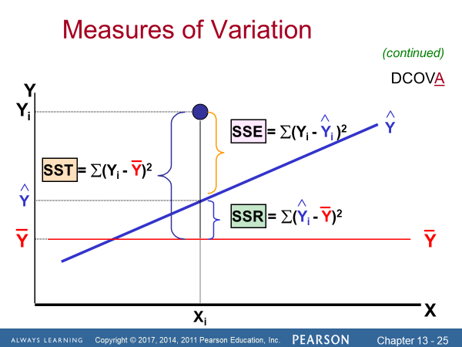

Residual plots
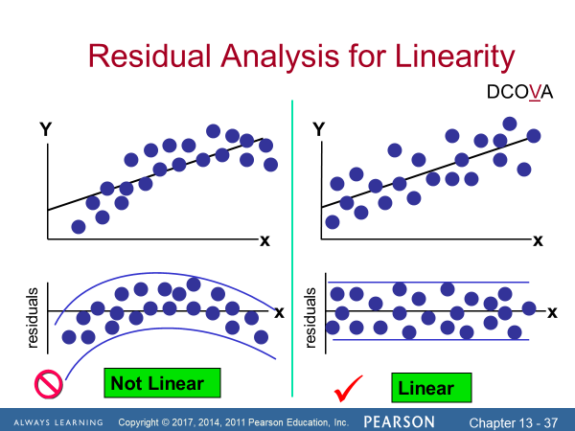
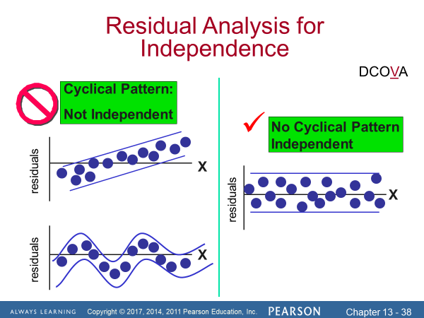

 |  | Residual Analysis
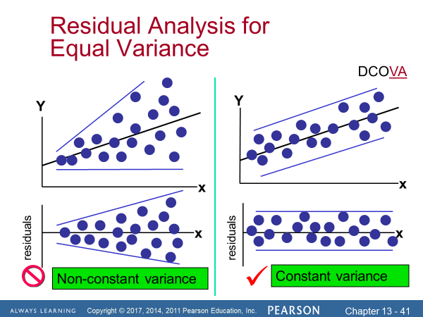
 |  | n The residual for observation i, ei, is the difference between its observed and predicted value.
 |  | n Check the assumptions of regression by examining the residuals:
 |  | n Examine for linearity assumption.
 |  | n Evaluate independence assumption.
 |  | n Evaluate normal distribution assumption.
 |  | n Examine for constant variance (homoscedasticity) for all levels of X.
 |  | n Graphical Analysis of Residuals
 |  | n Can plot residuals vs. X.
 |  | Checking for Normality of residuals
 |  | n Examine the Stem-and-Leaf Display of the Residuals.
 |  | n Examine the Boxplot of the Residuals.
 |  | n Examine the Histogram of the Residuals.
 |  | n Construct a Normal Probability Plot of the Residuals.

Prediction
