Test Pressure Response
Component
n-Butane | 1 |  |  |  | Temp | 24
 |  |  |  |  |  | 425
 |  |  |  |  | Tr | 0.69917647059

 |  |  |  |  |  | Liq Enthalpy | Vapour Enthalpy |  | Liq Enthalpy | Vap
 |  |  |  |  |  | LK H | LK H |  | LK H
Pr | Press | Z0 | Z1 | Hdep | 0.0 | 1 | 1 |  | 4
0.026385224274 | 1 | 0 | 0 |  | -90,308 | -144,319 | -89,411 |  | -147,971 | -90,374
0.052770448549 | 2 | 0 | 0 |  | -90,308 | -144,311 | -89,467 |  | -147,968 | -90,439
0.079155672823 | 3 | 0 | 0 |  | -90,308 | -144,302 | -89,524 |  | -147,965 | -90,505
0.1055408971 | 4 | 0 | 0 |  | -90,308 | -144,294 | -89,581 |  | -147,961 | -90,572
0.13192612137 | 5 | 0 | 0 |  | -90,308 | -144,285 | -89,638 |  | -147,958 | -90,638
0.15831134565 | 6 | 0 | 0 |  | -90,308 | -144,277 | -89,695 |  | -147,955 | -90,705
0.18469656992 | 7 | 0 | 0 |  | -90,308 | -144,268 | -89,753 |  | -147,952 | -90,771
0.2110817942 | 8 | 0 | 0 |  | -90,308 | -144,260 | -89,811 |  | -147,949 | -90,838
0.23746701847 | 9 | 0 | 0 |  | -90,308 | -144,251 | -89,869 | Should be Compressible Liquid | -147,945 | -90,905
0.26385224274 | 10 | 0 | 0 |  | -90,308 | -144,243 | -89,928 |  | -147,942 | -90,972
0.29023746702 | 11 | 0 | 0 |  | -90,308 | -144,234 | -89,986 |  | -147,939 | -91,040

Enthalpy_Entropy Check
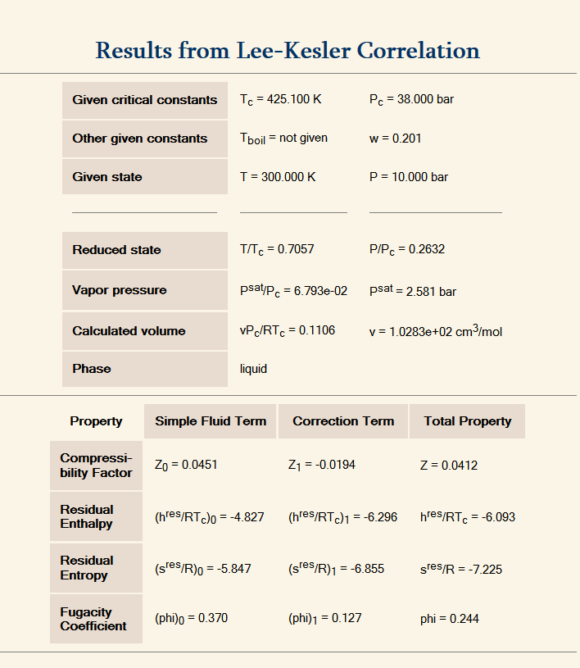
n-Butane | 0.201 |  |  |  |  |  |  |  |  |  |  |  |  |  |  |  |  |  |  | Cv Dep | #NAME?
t | 300 | Tr | 0.7057 |  |  |  |  |  |  |  |  |  |  |  |  |  |  |  |  | (dpr/dtr)vr | #NAME?
p | 37 |  |  |  |  |  |  |  |  |  |  |  |  |  |  |  |  |  |  | (dpr/dvr)Tr | #NAME?
PC | 38 |  |  | 2 | 12.00 | 0.000000 | 0.000000 |  |  |  |  |  |  |  |  |  |  |  |  | Cp Dep | #NAME?

b1 | 0.1181193 | 0.2026579 |  | P | Pr | Z0 | Zc | Z1 | Z | Vr0 | Vr1 | HDep0 | HDep1 | HDepC | SDep0 | SDep1 | SDepC | HDep | Sdep
b2 | 0.265728 | 0.331511 |  | 1 | 0.02632 | 0.0000 | 0 | 0.000000 | 0.0000 | - | - | #DIV/0! | #DIV/0! | #DIV/0! | #NUM! | #NUM! | #NUM! | #DIV/0! | #NUM!
b3 | 0.154790 | 0.027655 |  | 2 | 0.05263 | 0.0000 | 0 | 0.000000 | 0.0000 | - | - | #DIV/0! | #DIV/0! | #DIV/0! | #NUM! | #NUM! | #NUM! | #DIV/0! | #NUM!
b4 | 0.030323 | 0.203488 |  | 3 | 0.07895 | 0.0000 | 0 | 0.000000 | 0.0000 | - | - | #DIV/0! | #DIV/0! | #DIV/0! | #NUM! | #NUM! | #NUM! | #DIV/0! | #NUM!
c1 | 0.023674 | 0.031339 |  | 4 | 0.10526 | 0.0000 | 0 | 0.000000 | 0.0000 | - | - | #DIV/0! | #DIV/0! | #DIV/0! | #NUM! | #NUM! | #NUM! | #DIV/0! | #NUM!
c2 | 0.0186984 | 0.0503618 |  | 5 | 0.13158 | 0.0000 | 0 | 0.000000 | 0.0000 | - | - | #DIV/0! | #DIV/0! | #DIV/0! | #NUM! | #NUM! | #NUM! | #DIV/0! | #NUM!
c3 | 0.000000 | 0.016901 |  | 6 | 0.15789 | 0.0000 | 0 | 0.000000 | 0.0000 | - | - | #DIV/0! | #DIV/0! | #DIV/0! | #NUM! | #NUM! | #NUM! | #DIV/0! | #NUM!
c4 | 0.042724 | 0.041577 |  | 7 | 0.18421 | 0.0000 | 0 | 0.000000 | 0.0000 | - | - | #DIV/0! | #DIV/0! | #DIV/0! | #NUM! | #NUM! | #NUM! | #DIV/0! | #NUM!
d1 | 1.5549E-05 | 4.8736E-05 |  | 8 | 0.21053 | 0.0000 | 0 | 0.000000 | 0.0000 | - | - | #DIV/0! | #DIV/0! | #DIV/0! | #NUM! | #NUM! | #NUM! | #DIV/0! | #NUM!
d2 | 6.23689E-05 | 7.40336E-06 |  | 9 | 0.23684 | 0.0000 | 0 | 0.000000 | 0.0000 | - | - | #DIV/0! | #DIV/0! | #DIV/0! | #NUM! | #NUM! | #NUM! | #DIV/0! | #NUM!
beta | 0.654 | 1.226 |  | 10 | 0.26316 | 0.0000 | 0 | 0.000000 | 0.0000 | - | - | #DIV/0! | #DIV/0! | #DIV/0! | #NUM! | #NUM! | #NUM! | #DIV/0! | #NUM!
gamma | 0.06017 | 0.03754 |  | 11 | 0.28947 | 0.0000 | 0 | 0.000000 | 0.0000 | - | - | #DIV/0! | #DIV/0! | #DIV/0! | #NUM! | #NUM! | #NUM! | #DIV/0! | #NUM!

B | (0.66)
C | (0.00) |  |  |  | P | E0 | E1
D | 0.00 |  |  |  | 1 | #DIV/0! | #DIV/0!
 |  |  |  |  | 2 | #DIV/0! | #DIV/0!
 |  |  |  |  | 3 | #DIV/0! | #DIV/0!
 |  |  |  |  | 4 | #DIV/0! | #DIV/0!
 |  |  |  |  | 5 | #DIV/0! | #DIV/0!
 |  |  |  |  | 6 | #DIV/0! | #DIV/0!
 |  |  |  |  | 7 | #DIV/0! | #DIV/0!
 |  |  |  |  | 8 | #DIV/0! | #DIV/0!
 |  |  |  |  | 9 | #DIV/0! | #DIV/0!
 |  |  |  |  | 10 | #DIV/0! | #DIV/0!
 |  |  |  |  | 11 | #DIV/0! | #DIV/0!

