Sheet1
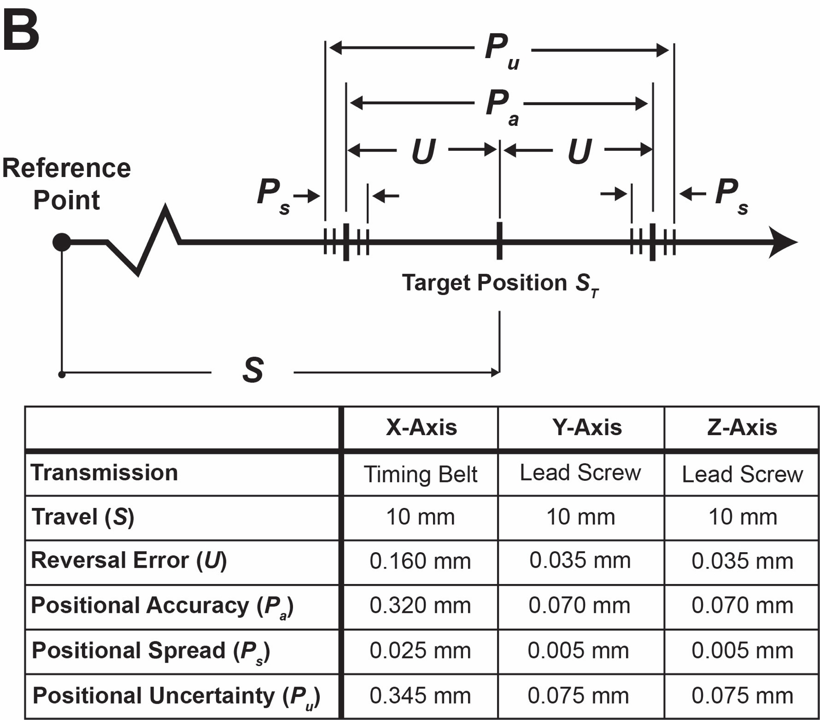
Travel (S) = 10mm
X-Axis
9.828 | mm | Average
9.853 | mm | 9.8399
9.832 | mm | Reversal Error
9.831 | mm | 0.1601
9.85 | mm | Positional Accuracy
9.84 | mm | 0.3202
9.843 | mm | Positional Spread
9.841 | mm | 0.025
9.844 | mm | Positional Uncertainty
9.837 | mm | 0.3452

Y-Axis
9.965 | mm | Average
9.964 | mm | 9.965
9.964 | mm | Reversal Error
9.963 | mm | 0.035
9.962 | mm | Positional Accuracy
9.967 | mm | 0.07
9.966 | mm | Positional Spread
9.966 | mm | 0.005
9.967 | mm | Positional Uncertainty
9.966 | mm | 0.075

Z-axis
9.964 | mm | Average
9.966 | mm | 9.9649
9.965 | mm | Reversal Error
9.965 | mm | 0.0351
9.967 | mm | Positional Accuracy
9.966 | mm | 0.0702
9.962 | mm | Positional Spread
9.962 | mm | 0.005
9.967 | mm | Positional Uncertainty
9.965 | mm | 0.0752

